Tool-basedCodeAnalysis
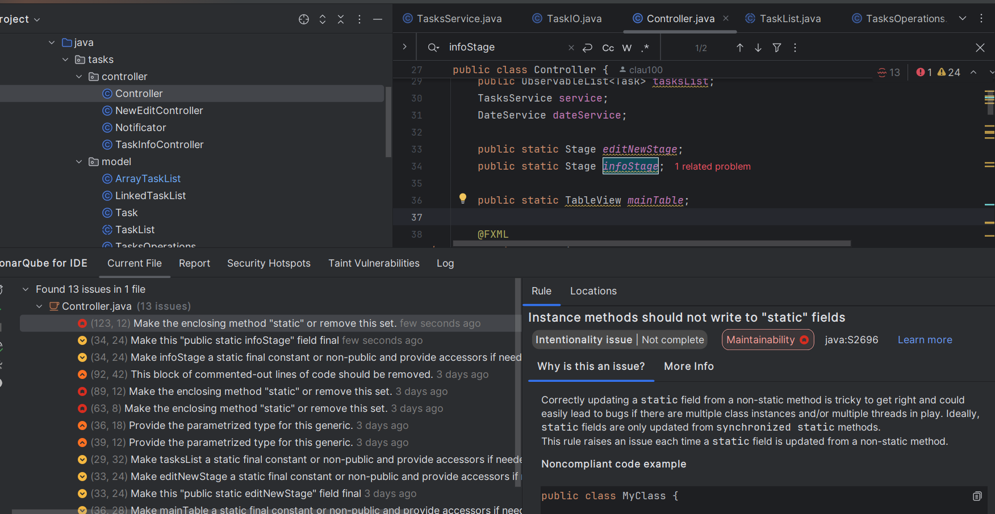
do not print this form |  |  |  |  | Echipa
Tool-based Code Analysis |  |  |  |  |  | Numele si prenumele | Grupa
 |  |  |  |  | Student 1: | Petrila Claudiu-Nicolae | 235
 | Tool used: |  |  |  | Student 2: | Muresan Victor-Andrei | 235
 | Reviewer Name: | Popovici George Octavian |  |  | Student 3: | Popovici George-Octavian | 235
 | Review date: | 3/15/2025

Crt. No. | File, Line | Issue | Before | After/Argument
1 | Controller.Java, 22 | Instance methods should not write to "static" fields | public static Stage infoStage | private Stage infoStage; // ⬅️ Changed from static to instance variable
2 | DateService.java 34 | "static" base class members should not be accessed via derived types | Calendar calendar = GregorianCalendar.getInstance(); | Called the method from the original class, as it's not overriden: Calendar calendar = Calendar.getInstance();
3 | DateService.java, 41 | "static" base class members should not be accessed via derived types | Calendar calendar = GregorianCalendar.getInstance(); | Called the method from the original class, as it's not overriden: Calendar calendar = Calendar.getInstance();
4 | ArrayTaskList.java, 139 | (139,28) Remove this "clone" implementation; use a copy constructor or copy factory instead | protected ArrayTaskList clone() throws CloneNotSupportedException { ArrayTaskList tasks = new ArrayTaskList(); for (int i = 0; i < this.tasks.length; i++){ tasks.add(this.getTask(i)); } return tasks; } | // Factory Method for Copying public static ArrayTaskList copyOf(ArrayTaskList other) { ArrayTaskList copy = new ArrayTaskList(); copy.currentCapacity = other.currentCapacity; copy.numberOfTasks = other.numberOfTasks; copy.tasks = new Task[copy.currentCapacity]; for (int i = 0; i < copy.numberOfTasks; i++) { copy.tasks[i] = other.tasks[i]; // Shallow copy (modify for deep copy if needed) } return copy; } The clone() method was replaced with a factory method (copyOf()), which is the preferred approach. This allows ArrayTaskList.copyOf(original) instead of using clone().
5 | Main.Java,21 | Constant names should comply with a naming convention | private static final int defaultWidth = 820; | private static final int DEFAULT_WIDTH = 820;
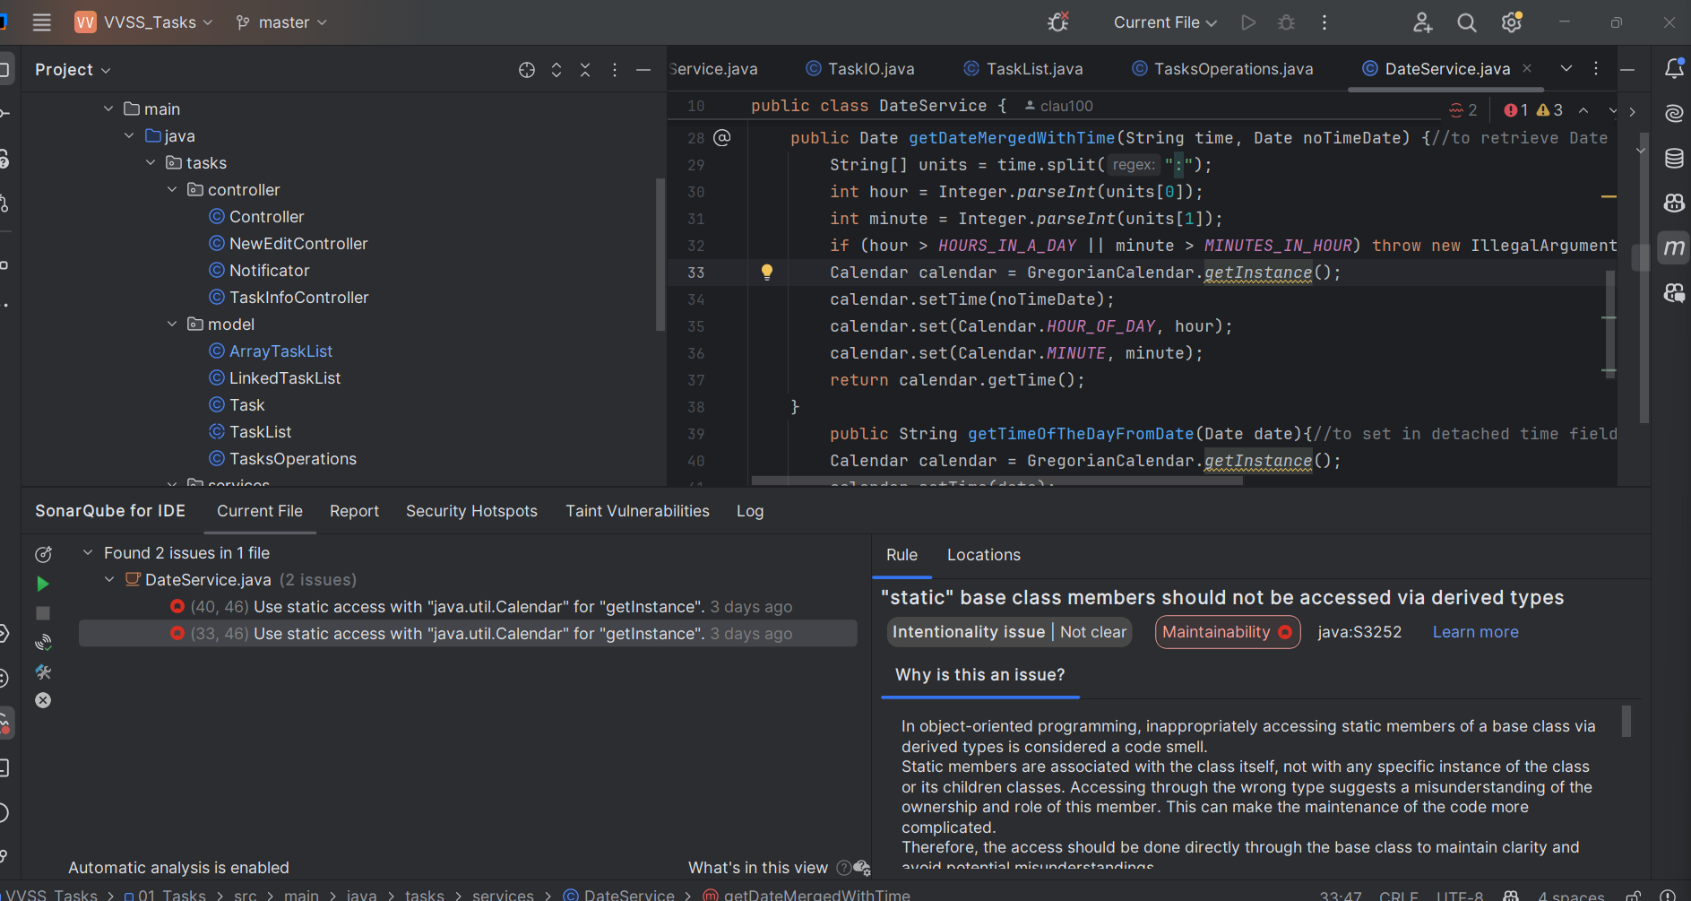
6 | Main.Java,22 | Constant names should comply with a naming convention | private static final int defaultHeight = 520; | private static final int DEFAULT_WIDTH = 520;
7
8
9
10
11
12
13
14
15
16
17
18
19
20
21

 | Effort to perform tool-based code analysis (hours): 0.5 hour

