Planilha1
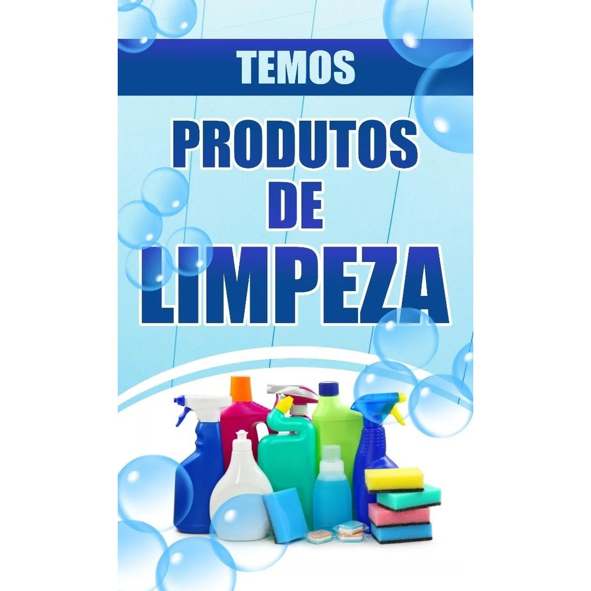
 | JV8qAQ==

K1onVyZdHA==

