Planilha1
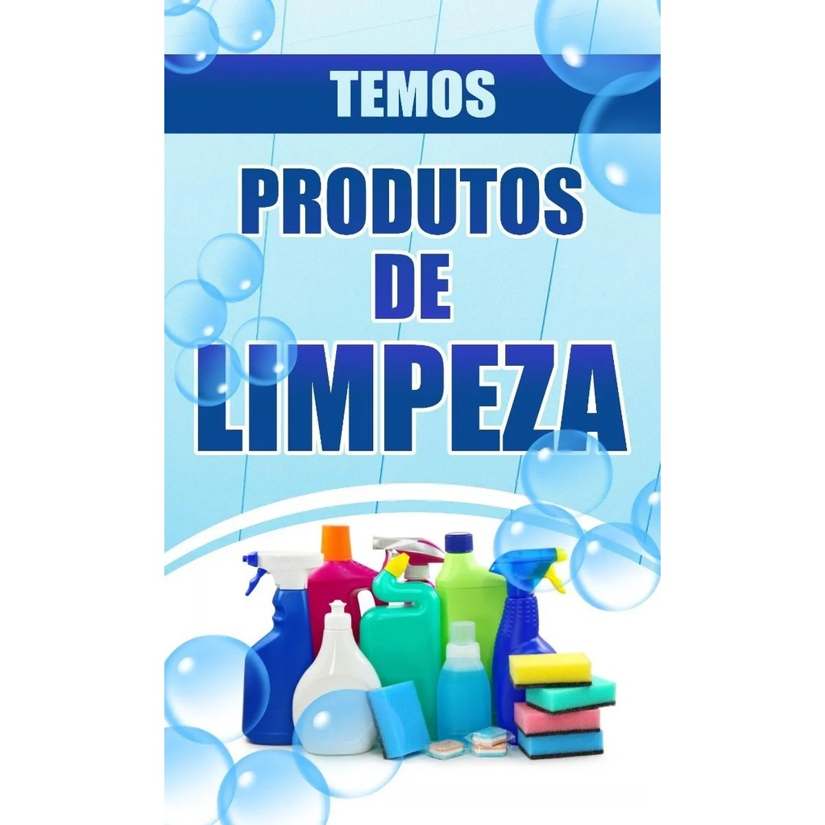
 |  |  | JV8qAQ==

 | K1onVyZdHA==

 |  | KFQxXCpbOA==

AH1hTw==

