Spawner-Recruit
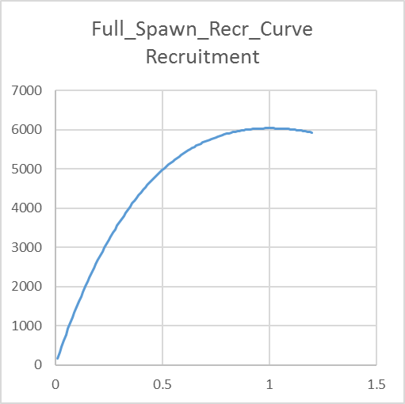
Ricker
2 #_Spawner-Recruitment; Options: 2=Ricker; 3=std_B-H; 4=SCAA; 5=Hockey; 6=B-H_flattop; 7=survival_3Parm; 8=Shepherd_3Parm; 9=RickerPower_3parm
0 # 0/1 to use steepness in initial equ recruitment calculation
0 # future feature: 0/1 to make realized sigmaR a function of SR curvature
LO | HI | INIT | PRIOR | PR_SD | PR_type | PHASE | env-var | use_dev | dev_mnyr | dev_mxyr | dev_PH | Block | Blk_Fxn | # | parm_name
3 | 31 | 8.85029 | 10.3 | 10 | 0 | 1 | 0 | 0 | 0 | 0 | 0 | 0 | 0 | # | SR_LN(R0)
0.2 | 1 | 0.998249 | 0.7 | 0.05 | 1 | 4 | 0 | 0 | 0 | 0 | 0 | 0 | 0 | # | SR_Ricker_beta
0 | 2 | 0.6 | 0.8 | 0.8 | 0 | -4 | 0 | 0 | 0 | 0 | 0 | 0 | 0 | # | SR_sigmaR
-5 | 5 | 0 | 0 | 1 | 0 | -4 | 0 | 0 | 0 | 0 | 0 | 0 | 0 | # | SR_regime
0 | 0 | 0 | 0 | 0 | 0 | -99 | 0 | 0 | 0 | 0 | 0 | 0 | 0 | # | SR_autocorr

Beverton_Holt
3 #_Spawner-Recruitment; Options: 2=Ricker; 3=std_B-H; 4=SCAA; 5=Hockey; 6=B-H_flattop; 7=survival_3Parm; 8=Shepherd_3Parm; 9=RickerPower_3parm
0 # 0/1 to use steepness in initial equ recruitment calculation
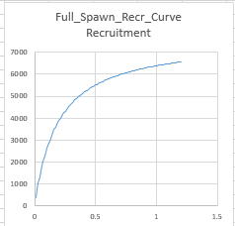
0 # future feature: 0/1 to make realized sigmaR a function of SR curvature
LO | HI | INIT | PRIOR | PR_SD | PR_type | PHASE | env-var | use_dev | dev_mnyr | dev_mxyr | dev_PH | Block | Blk_Fxn | # | parm_name
3 | 31 | 8.81514 | 10.3 | 10 | 0 | 1 | 0 | 0 | 0 | 0 | 0 | 0 | 0 | # | SR_LN(R0)
0.2 | 1 | 0.610369 | 0.7 | 0.05 | 1 | 4 | 0 | 0 | 0 | 0 | 0 | 0 | 0 | # | SR_BH_steep
0 | 2 | 0.6 | 0.8 | 0.8 | 0 | -4 | 0 | 0 | 0 | 0 | 0 | 0 | 0 | # | SR_sigmaR
-5 | 5 | 0 | 0 | 1 | 0 | -4 | 0 | 0 | 0 | 0 | 0 | 0 | 0 | # | SR_regime
0 | 0 | 0 | 0 | 0 | 0 | -99 | 0 | 0 | 0 | 0 | 0 | 0 | 0 | # | SR_autocorr

SCAA
4 #_Spawner-Recruitment; Options: 2=Ricker; 3=std_B-H; 4=SCAA; 5=Hockey; 6=B-H_flattop; 7=survival_3Parm; 8=Shepherd_3Parm; 9=RickerPower_3parm
0 # 0/1 to use steepness in initial equ recruitment calculation
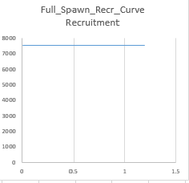
0 # future feature: 0/1 to make realized sigmaR a function of SR curvature
LO | HI | INIT | PRIOR | PR_SD | PR_type | PHASE | env-var | use_dev | dev_mnyr | dev_mxyr | dev_PH | Block | Blk_Fxn | # | parm_name
3 | 31 | 8.75619 | 10.3 | 10 | 0 | 1 | 0 | 0 | 0 | 0 | 0 | 0 | 0 | # | SR_LN(R0)
0.2 | 1 | 0.599999 | 0.7 | 0.05 | 1 | 4 | 0 | 0 | 0 | 0 | 0 | 0 | 0 | # | SR_SCAA_null
0 | 2 | 0.6 | 0.8 | 0.8 | 0 | -4 | 0 | 0 | 0 | 0 | 0 | 0 | 0 | # | SR_sigmaR
-5 | 5 | 0 | 0 | 1 | 0 | -4 | 0 | 0 | 0 | 0 | 0 | 0 | 0 | # | SR_regime
0 | 0 | 0 | 0 | 0 | 0 | -99 | 0 | 0 | 0 | 0 | 0 | 0 | 0 | # | SR_autocorr

Hockey Stick
5 #_Spawner-Recruitment; Options: 2=Ricker; 3=std_B-H; 4=SCAA; 5=Hockey; 6=B-H_flattop; 7=survival_3Parm; 8=Shepherd_3Parm; 9=RickerPower_3parm
0 # 0/1 to use steepness in initial equ recruitment calculation
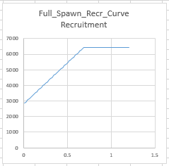
0 # future feature: 0/1 to make realized sigmaR a function of SR curvature
LO | HI | INIT | PRIOR | PR_SD | PR_type | PHASE | env-var | use_dev | dev_mnyr | dev_mxyr | dev_PH | Block | Blk_Fxn | # | parm_name
3 | 31 | 8.8125 | 10.3 | 10 | 0 | 1 | 0 | 0 | 0 | 0 | 0 | 0 | 0 | # | SR_LN(R0)
-5 | 10 | 0.685581 | 0.7 | 0.05 | 1 | 4 | 0 | 0 | 0 | 0 | 0 | 0 | 0 | # | SR_hockey_infl
-0.05 | 5 | 0.438975 | 1 | 0.5 | 6 | 4 | 0 | 0 | 0 | 0 | 0 | 0 | 0 | # | SR_hockey_min_R
0 | 2 | 0.6 | 0.8 | 0.8 | 0 | -4 | 0 | 0 | 0 | 0 | 0 | 0 | 0 | # | SR_sigmaR
-5 | 5 | 0 | 0 | 1 | 0 | -4 | 0 | 0 | 0 | 0 | 0 | 0 | 0 | # | SR_regime
0 | 0 | 0 | 0 | 0 | 0 | -99 | 0 | 0 | 0 | 0 | 0 | 0 | 0 | # | SR_autocorr

Beverton_Holt Flat-top
6 #_Spawner-Recruitment; Options: 2=Ricker; 3=std_B-H; 4=SCAA; 5=Hockey; 6=B-H_flattop; 7=survival_3Parm; 8=Shepherd_3Parm; 9=RickerPower_3parm
0 # 0/1 to use steepness in initial equ recruitment calculation
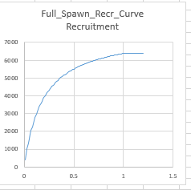
0 # future feature: 0/1 to make realized sigmaR a function of SR curvature
LO | HI | INIT | PRIOR | PR_SD | PR_type | PHASE | env-var | use_dev | dev_mnyr | dev_mxyr | dev_PH | Block | Blk_Fxn | # | parm_name
3 | 31 | 8.81514 | 10.3 | 10 | 0 | 1 | 0 | 0 | 0 | 0 | 0 | 0 | 0 | # | SR_LN(R0)
0.2 | 1 | 0.610369 | 0.7 | 0.05 | 1 | 4 | 0 | 0 | 0 | 0 | 0 | 0 | 0 | # | SR_BH_flat_steep
0 | 2 | 0.6 | 0.8 | 0.8 | 0 | -4 | 0 | 0 | 0 | 0 | 0 | 0 | 0 | # | SR_sigmaR
-5 | 5 | 0 | 0 | 1 | 0 | -4 | 0 | 0 | 0 | 0 | 0 | 0 | 0 | # | SR_regime
0 | 0 | 0 | 0 | 0 | 0 | -99 | 0 | 0 | 0 | 0 | 0 | 0 | 0 | # | SR_autocorr

Survival_3Parm
7 #_Spawner-Recruitment; Options: 2=Ricker; 3=std_B-H; 4=SCAA; 5=Hockey; 6=B-H_flattop; 7=survival_3Parm; 8=Shepherd_3Parm; 9=RickerPower_3parm
0 # 0/1 to use steepness in initial equ recruitment calculation
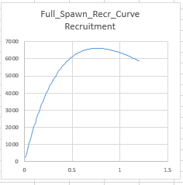
0 # future feature: 0/1 to make realized sigmaR a function of SR curvature
LO | HI | INIT | PRIOR | PR_SD | PR_type | PHASE | env-var | use_dev | dev_mnyr | dev_mxyr | dev_PH | Block | Blk_Fxn | # | parm_name
3 | 31 | 8.81237 | 10.3 | 10 | 0 | 1 | 0 | 0 | 0 | 0 | 0 | 0 | 0 | # | SR_LN(R0)
-5 | 10 | 0.655124 | 0.7 | 0.05 | 1 | 4 | 0 | 0 | 0 | 0 | 0 | 0 | 0 | # | SR_surv_Sfrac
-0.5 | 5 | 0.99633 | 1 | 0.5 | 6 | 4 | 0 | 0 | 0 | 0 | 0 | 0 | 0 | # | SR_surv_Beta
0 | 2 | 0.6 | 0.8 | 0.8 | 0 | -4 | 0 | 0 | 0 | 0 | 0 | 0 | 0 | # | SR_sigmaR
-5 | 5 | 0 | 0 | 1 | 0 | -4 | 0 | 0 | 0 | 0 | 0 | 0 | 0 | # | SR_regime
0 | 0 | 0 | 0 | 0 | 0 | -99 | 0 | 0 | 0 | 0 | 0 | 0 | 0 | # | SR_autocorr

Shepherd_3Parm
8 #_Spawner-Recruitment; Options: 2=Ricker; 3=std_B-H; 4=SCAA; 5=Hockey; 6=B-H_flattop; 7=survival_3Parm; 8=Shepherd_3Parm; 9=RickerPower_3parm
0 # 0/1 to use steepness in initial equ recruitment calculation
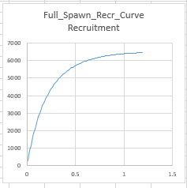
0 # future feature: 0/1 to make realized sigmaR a function of SR curvature
LO | HI | INIT | PRIOR | PR_SD | PR_type | PHASE | env-var | use_dev | dev_mnyr | dev_mxyr | dev_PH | Block | Blk_Fxn | # | parm_name
3 | 31 | 8.81379 | 10.3 | 10 | 0 | 1 | 0 | 0 | 0 | 0 | 0 | 0 | 0 | # | SR_LN(R0)
0.201 | 0.999 | 0.497756 | 0.7 | 0.05 | 1 | 4 | 0 | 0 | 0 | 0 | 0 | 0 | 0 | # | SR_steepness
-0.5 | 5 | 1.16633 | 1 | 0.5 | 6 | 4 | 0 | 0 | 0 | 0 | 0 | 0 | 0 | # | SR_Shepherd_c
0 | 2 | 0.6 | 0.8 | 0.8 | 0 | -4 | 0 | 0 | 0 | 0 | 0 | 0 | 0 | # | SR_sigmaR
-5 | 5 | 0 | 0 | 1 | 0 | -4 | 0 | 0 | 0 | 0 | 0 | 0 | 0 | # | SR_regime
0 | 0 | 0 | 0 | 0 | 0 | -99 | 0 | 0 | 0 | 0 | 0 | 0 | 0 | # | SR_autocorr

Ricker Power 3 Parm
9 #_Spawner-Recruitment; Options: 2=Ricker; 3=std_B-H; 4=SCAA; 5=Hockey; 6=B-H_flattop; 7=survival_3Parm; 8=Shepherd_3Parm; 9=RickerPower_3parm
0 # 0/1 to use steepness in initial equ recruitment calculation
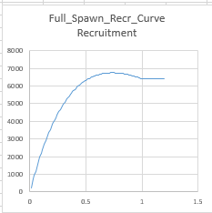
0 # future feature: 0/1 to make realized sigmaR a function of SR curvature
LO | HI | INIT | PRIOR | PR_SD | PR_type | PHASE | env-var | use_dev | dev_mnyr | dev_mxyr | dev_PH | Block | Blk_Fxn | # | parm_name
3 | 31 | 8.81049 | 10.3 | 10 | 0 | 1 | 0 | 0 | 0 | 0 | 0 | 0 | 0 | # | SR_LN(R0)
0.2 | 1 | 0.595022 | 0.7 | 0.05 | 1 | 4 | 0 | 0 | 0 | 0 | 0 | 0 | 0 | # | SR_RkrPower_steep
-0.5 | 5 | 1.00534 | 1 | 0.5 | 6 | 4 | 0 | 0 | 0 | 0 | 0 | 0 | 0 | # | SR_RkrPower_gamma
0 | 2 | 0.6 | 0.8 | 0.8 | 0 | -4 | 0 | 0 | 0 | 0 | 0 | 0 | 0 | # | SR_sigmaR
-5 | 5 | 0 | 0 | 1 | 0 | -4 | 0 | 0 | 0 | 0 | 0 | 0 | 0 | # | SR_regime
0 | 0 | 0 | 0 | 0 | 0 | -99 | 0 | 0 | 0 | 0 | 0 | 0 | 0 | # | SR_autocorr

