Capa
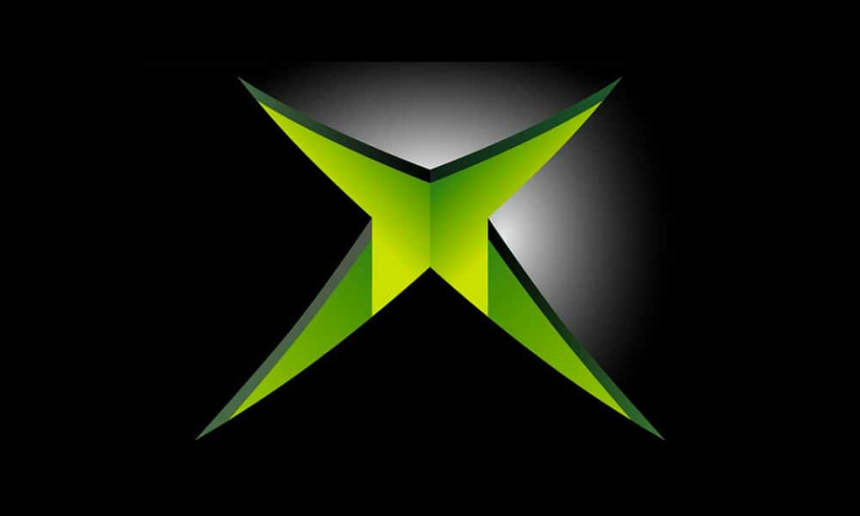

Relatório Anual - 2024

Sales Analysis

Sales Analysis
> Welcome, [usuário]!
GAME PASS SUBSCRIPTIONS SALES - 2024

R$ 7.633,00
TOTAL SUBSCRIPTIONS SALES
R$ 2.940,00
TOTAL SUBSCRIPTIONS EA PLAY SEASON PASS
R$ 3.880,00
TOTAL SUBSCRIPTIONS MINECRAFT SEASON PASS

 | Total
No | R$ 3,847.00
Yes | R$ 3,786.00
TOTAL SUBSCRIPTIONS GAME PASS (AUTO RENEWAL)
 | Total
jan | R$ 65.00
fev | R$ 82.00
mar | R$ 801.00
abr | R$ 782.00
mai | R$ 777.00
jun | R$ 770.00
jul | R$ 784.00
ago | R$ 787.00
set | R$ 780.00
out | R$ 832.00
nov | R$ 784.00
dez | R$ 389.00
REVENUE THROUGHOUT THE YEAR
 | Total
jan | R$ 5.00
fev | R$ 13.00
mar | R$ 204.00
abr | R$ 218.00
mai | R$ 228.00
jun | R$ 230.00
jul | R$ 221.00
ago | R$ 218.00
set | R$ 220.00
out | R$ 233.00
nov | R$ 216.00
dez | R$ 116.00
COUPONS APPLIED THROUGHOUT THE YEAR

Calculation period: 01/01/2024 a 31/12/2024 | Update date: 01/09/20245 09:00:00

