Feuille 1
 | GINOVA's engine | Original engine
 | 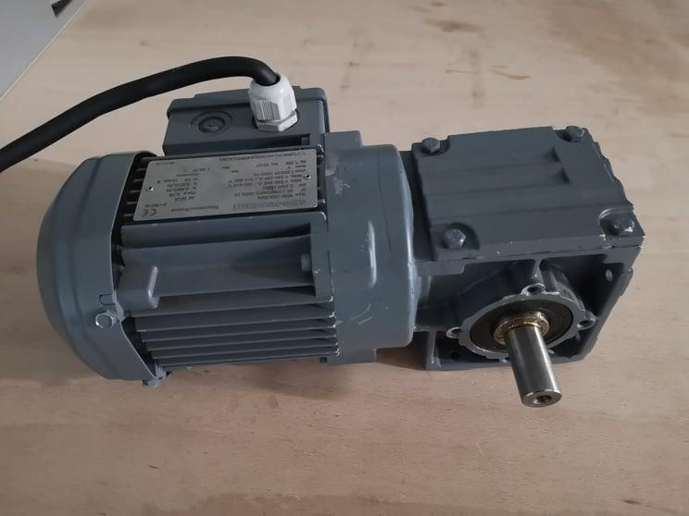 | 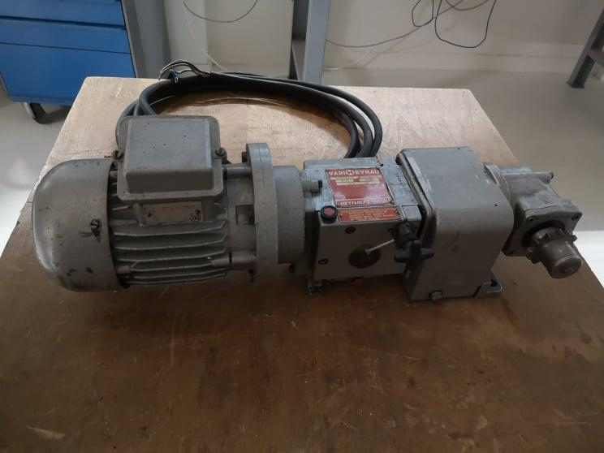
Power kW | 0.18 | 0.25 | 15
Nominal speed rpm | 1390 | 1320 | 1500
Output speed rpm | 28 | 58
Cos φ | 0.72 | 0.78
Torque N.m | 61.39 | 41.16

