B
B- Meeting with Germain LEMASSON |  |  | Not started
 |  |  | In progress
 |  |  | Achieve
Tâche B.1 | First meeting with Mr LEMASSON (22/09/2021)
 | - Presentation of himself and of the Fabmstic | Link to return to the Gantt : | Gantt
 | - Prensentation of the professional recycling tools
 | - His expectations
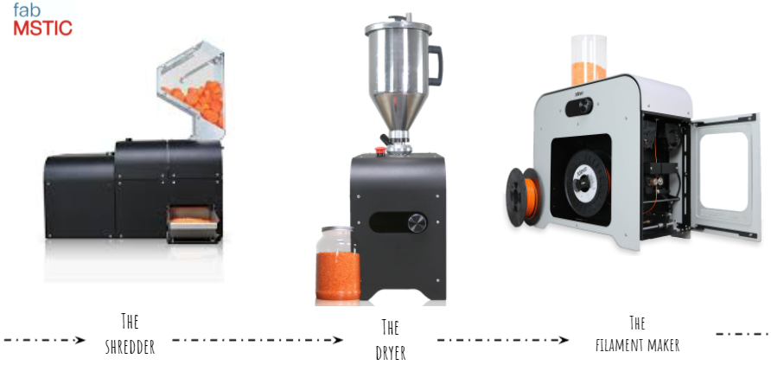
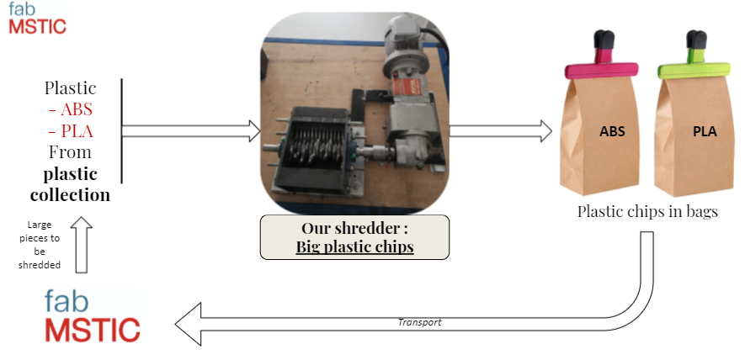

Tâche B.2 | Second meeting with Mr LEMASSON
 | - Show him our first progress
 | - To make clear the aim
 | - Speak about the communication tool
 | - Show him our objectives for the next few weeks
 | - Set a week for the next meeting

Tâche B.3 | Third meeting with Mr LEMASSON

C
C- Meeting with the physiotherapist |  |  | Not started
 |  |  | In progress
 |  |  | Achieve
Tâche C.1 | First meeting with Manuel FRANCOIS (28/09/2021)
 | - Presentation of himself/his work/his office | Link to return to the Gantt : | Gantt
 | - Presentation of the technique used to make thermoformable plastic splints
 | - His expectations
 | - Talk about the opportunities with the grenoble CHU
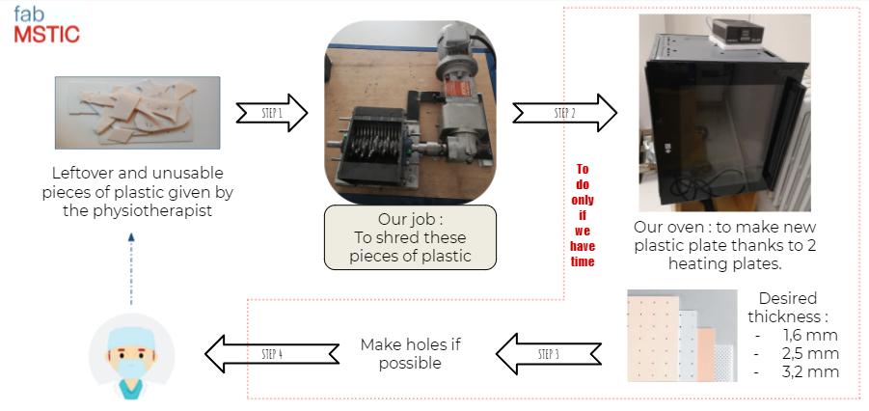

Tâche C.2 | Second meeting with Manuel FRANCOIS

