Overview
Overview

Illegal Hotel Complaints
2017 | 1901
2018 | 2989
Illegal Hotel Inspections
2017 | 3503
2018 | 4776
Illegal Hotel Violations
2017 | 2557
2018 | 3456
Increased resources have resulted in greater engagement across more parts of the City. OSE has continued its commitment to deep and multifaceted enforcement work. OSE received 57% more complaints related to illegal hotel activity in 2018 compared to the year prior, and was able to address this increase in complaints by conducting over 1,200 more inspections in 2018 than in 2017, resulting in a 35% increase in violations issued.
OSE's enforcement efforts demonstrate its initiative to protect affordable and available housing across all sectors of New York City's housing stock.
In 2018, 72% of illegal hotel complaints, 69% of illegal hotel inspections and 66% of illegal hotel violations were for multilple dwelling units, the city's largest housing stock. OSE also addressed illegal activity in one and two unit homes, which comprise 30% of all housing units in the city, as well as in commercial and manufacturing locations. Addtionally, 72% of the locations issued violations were controlled by corporate entities.

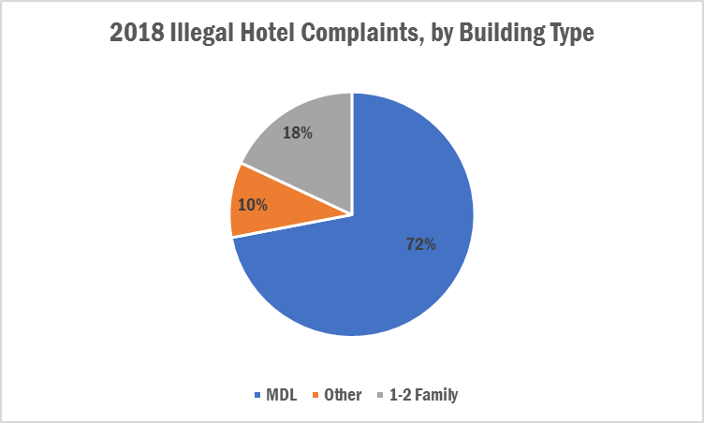
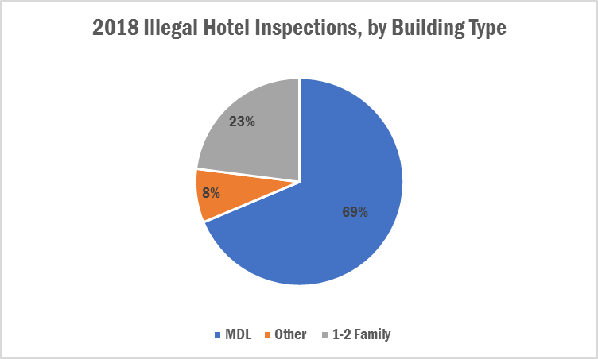

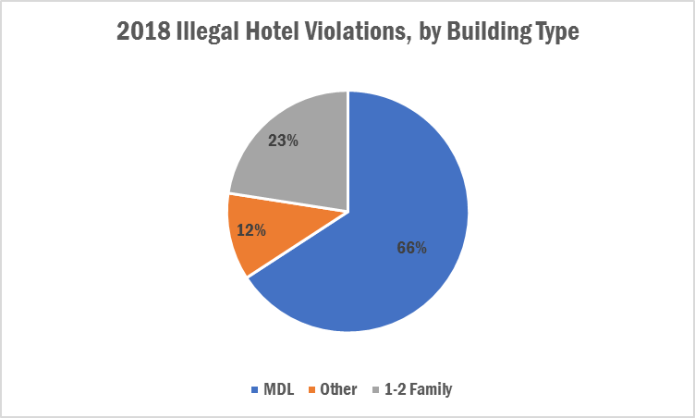
2018 Illegal Hotel Violations, by Respondent Type
Corporate Entity | 0.72697899838
Individual | 0.2746365105

