No Rifle or Bullet association
Cartridge: N/A
Zero distance, yards:
Zero offset: /
Velocity:
Ballistic coefficient: ()
Bullet weight, grains:
Bullet length, in:
Bullet diameter, in:

Rifle: N/A
Twist Rate, inches per turn:
Scope height, :
Vertical click, :
Horizontal click, :
Reticle:

Weather
Temperature, f°: 57.2
Humidity, %: 90
Pressure, in-hg: 29.59
Altitude, ft:

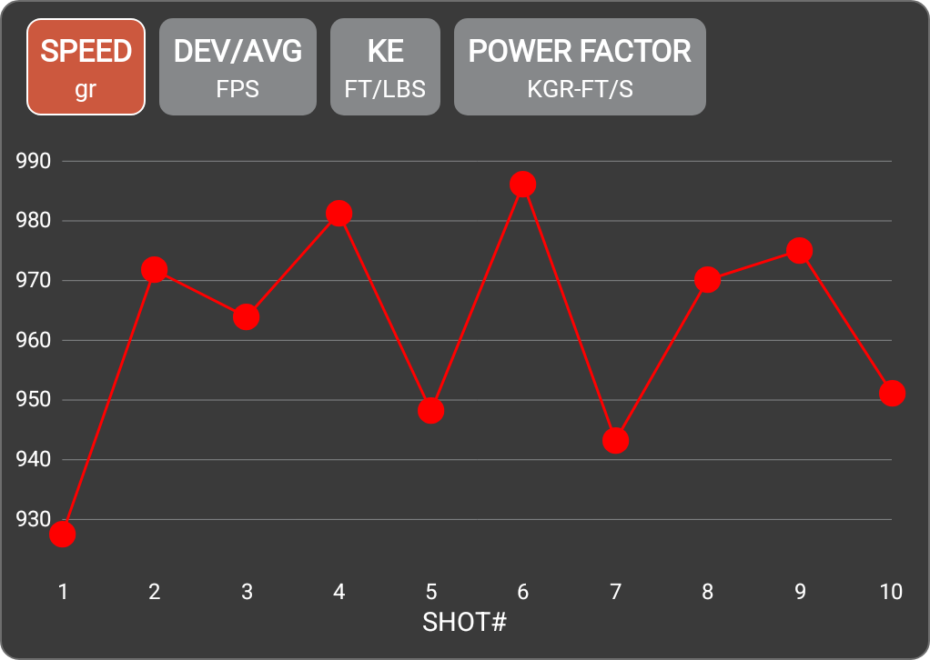

Pistol
Projectile weight | 147.0 gr
Average velocity | 961.8 FPS
Minimum velocity | 927.5 FPS
Maximum velocity | 986.2 FPS
Standard deviation | 17.7
Extreme spread | 58.7
Average power factor | 141.4 KGR-FT/S
Average kinetic energy | 302.0 FT/LBS
Session notes

SHOT # | SPEED (FPS) | DEV/AVG (FPS) | KE (FT/LBS) | POWER FACTOR | TIME | CLEAN BORE | COLD BORE | SHOT NOTES
1 | 927.5 | -34.3 | 280.7 | 136.3 | 4:54:44 PM
2 | 971.8 | 10 | 308.2 | 142.9 | 4:54:53 PM
3 | 963.9 | 2.1 | 303.2 | 141.7 | 4:54:58 PM
4 | 981.3 | 19.5 | 314.3 | 144.3 | 4:55:02 PM
5 | 948.2 | -13.6 | 293.4 | 139.4 | 4:55:07 PM
6 | 986.2 | 24.4 | 317.4 | 145 | 4:55:11 PM
7 | 943.2 | -18.6 | 290.4 | 138.7 | 4:55:16 PM
8 | 970.1 | 8.3 | 307.2 | 142.6 | 4:55:23 PM
9 | 975.1 | 13.3 | 310.3 | 143.3 | 4:55:31 PM
10 | 951.1 | -10.7 | 295.2 | 139.8 | 4:55:39 PM

