No Rifle or Bullet association
Cartridge: N/A
Zero distance, yards:
Zero offset: /
Velocity:
Ballistic coefficient: ()
Bullet weight, grains:
Bullet length, in:
Bullet diameter, in:

Rifle: N/A
Twist Rate, inches per turn:
Scope height, :
Vertical click, :
Horizontal click, :
Reticle:

Weather
Temperature, f°:
Humidity, %:
Pressure, in-hg:
Altitude, ft:

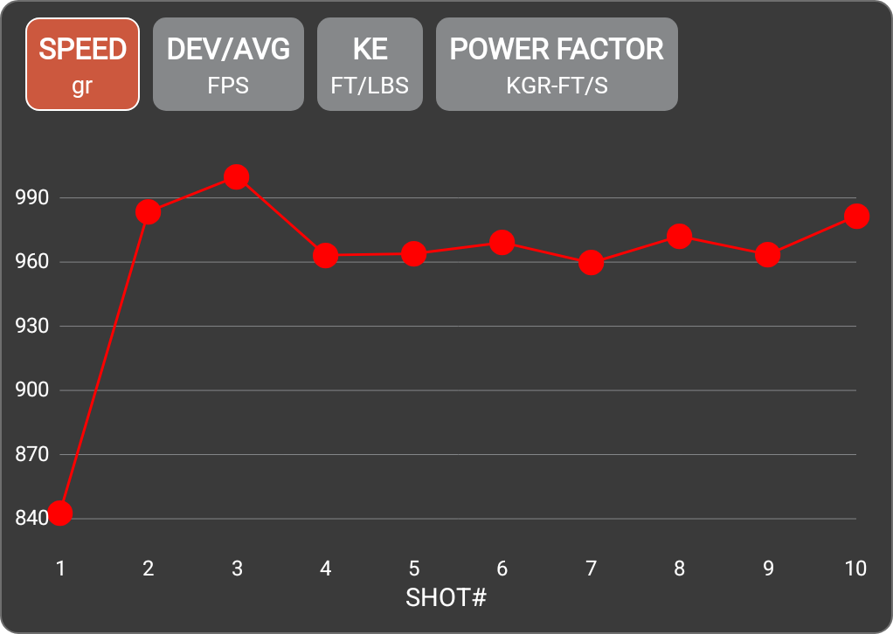

Rifle
Projectile weight | 147.0 gr
Average velocity | 959.9 FPS
Minimum velocity | 842.5 FPS
Maximum velocity | 1000.0 FPS
Standard deviation | 40.9
Extreme spread | 157.5
Average power factor | 141.1 KGR-FT/S
Average kinetic energy | 301.3 FT/LBS
Session notes

SHOT # | SPEED (FPS) | DEV/AVG (FPS) | KE (FT/LBS) | POWER FACTOR | TIME | CLEAN BORE | COLD BORE | SHOT NOTES
1 | 842.5 | -117.4 | 231.7 | 123.9 | 2:23:04 PM
2 | 983.6 | 23.7 | 315.7 | 144.6 | 2:23:10 PM
3 | 1000 | 40.1 | 326.4 | 147 | 2:23:20 PM
4 | 963.3 | 3.4 | 302.8 | 141.6 | 2:23:26 PM
5 | 963.9 | 4 | 303.2 | 141.7 | 2:23:35 PM
6 | 969.2 | 9.3 | 306.5 | 142.5 | 2:23:41 PM
7 | 959.6 | -0.3 | 300.5 | 141.1 | 2:23:46 PM
8 | 972.1 | 12.2 | 308.4 | 142.9 | 2:23:51 PM
9 | 963.6 | 3.7 | 303 | 141.6 | 2:23:57 PM
10 | 981.6 | 21.7 | 314.5 | 144.3 | 2:24:03 PM

