No Rifle or Bullet association
Cartridge: N/A
Zero distance, yards:
Zero offset: /
Velocity:
Ballistic coefficient: ()
Bullet weight, grains:
Bullet length, in:
Bullet diameter, in:

Rifle: N/A
Twist Rate, inches per turn:
Scope height, :
Vertical click, :
Horizontal click, :
Reticle:

Weather
Temperature, f°: 66.2
Humidity, %: 59
Pressure, in-hg: 29.74
Altitude, ft:

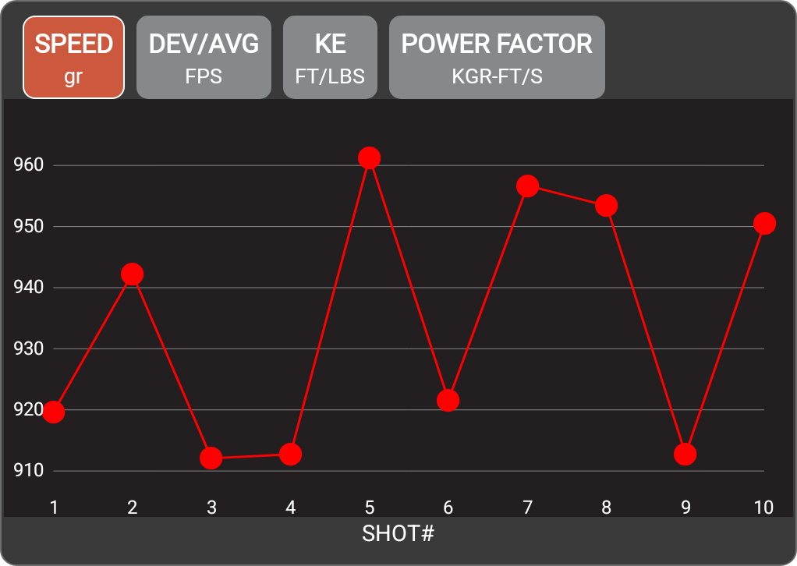

Pistol
Projectile weight | 124.0 gr
Average velocity | 934.3 FPS
Minimum velocity | 912.1 FPS
Maximum velocity | 961.3 FPS
Standard deviation | 19.3
Extreme spread | 49.2
Average power factor | 115.9 KGR-FT/S
Average kinetic energy | 240.4 FT/LBS
Session notes

SHOT # | SPEED (FPS) | DEV/AVG (FPS) | KE (FT/LBS) | POWER FACTOR | TIME | CLEAN BORE | COLD BORE | SHOT NOTES
1 | 919.6 | -14.7 | 232.8 | 114 | 3:36:11 PM
2 | 942.3 | 8 | 244.4 | 116.8 | 3:36:20 PM
3 | 912.1 | -22.2 | 229 | 113.1 | 3:36:28 PM
4 | 912.7 | -21.6 | 229.3 | 113.2 | 3:36:35 PM
5 | 961.3 | 27 | 254.4 | 119.2 | 3:36:40 PM
6 | 921.6 | -12.7 | 233.8 | 114.3 | 3:36:50 PM
7 | 956.7 | 22.4 | 252 | 118.6 | 3:36:59 PM
8 | 953.4 | 19.1 | 250.2 | 118.2 | 3:37:11 PM
9 | 912.7 | -21.6 | 229.3 | 113.2 | 3:37:21 PM
10 | 950.5 | 16.2 | 248.7 | 117.9 | 3:37:27 PM

