No Rifle or Bullet association
Cartridge: N/A
Zero distance, yards:
Zero offset: /
Velocity:
Ballistic coefficient: ()
Bullet weight, grains:
Bullet length, in:
Bullet diameter, in:

Rifle: N/A
Twist Rate, inches per turn:
Scope height, :
Vertical click, :
Horizontal click, :
Reticle:

Weather
Temperature, f°: 82.4
Humidity, %: 38
Pressure, in-hg: 29.97
Altitude, ft:

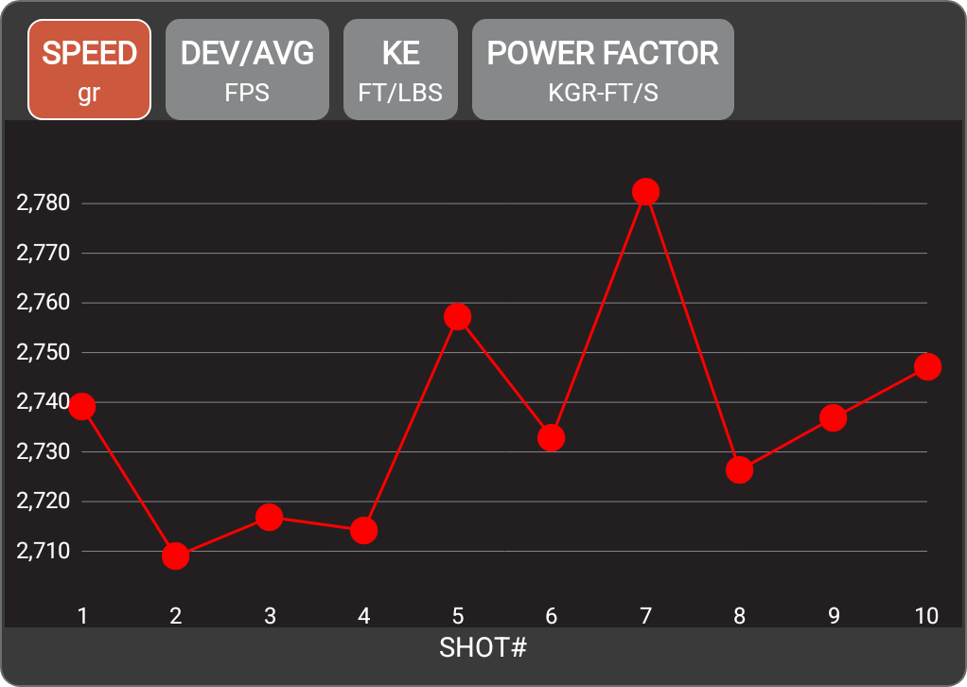

Rifle
Date | 5-Jun-26
Time | 3:00 PM
Projectile weight | 55.0 gr
Average velocity | 2736.2 FPS
Minimum velocity | 2709.0 FPS
Maximum velocity | 2782.5 FPS
Standard deviation | 21
Extreme spread | 73.5
Average power factor | 150.5 KGR-FT/S
Average kinetic energy | 914.2 FT/LBS
Session notes

SHOT # | SPEED (FPS) | DEV/AVG (FPS) | KE (FT/LBS) | POWER FACTOR | TIME | CLEAN BORE | COLD BORE | SHOT NOTES
1 | 2739.2 | 3 | 916.2 | 150.7 | 3:02:07 PM
2 | 2709 | -27.2 | 896.1 | 149 | 3:02:14 PM
3 | 2716.9 | -19.4 | 901.3 | 149.4 | 3:02:24 PM
4 | 2714.2 | -22 | 899.6 | 149.3 | 3:02:34 PM
5 | 2757.2 | 21 | 928.3 | 151.6 | 3:02:40 PM
6 | 2732.9 | -3.3 | 912 | 150.3 | 3:02:46 PM
7 | 2782.5 | 46.3 | 945.4 | 153 | 3:02:51 PM
8 | 2726.4 | -9.8 | 907.6 | 150 | 3:02:58 PM
9 | 2736.9 | 0.7 | 914.6 | 150.5 | 3:03:02 PM
10 | 2747 | 10.8 | 921.4 | 151.1 | 3:03:10 PM

