No Rifle or Bullet association
Cartridge: N/A
Zero distance, yards:
Zero offset: /
Velocity:
Ballistic coefficient: ()
Bullet weight, grains:
Bullet length, in:
Bullet diameter, in:

Rifle: N/A
Twist Rate, inches per turn:
Scope height, :
Vertical click, :
Horizontal click, :
Reticle:

Weather
Temperature, f°: 82.4
Humidity, %: 38
Pressure, in-hg: 29.97
Altitude, ft:

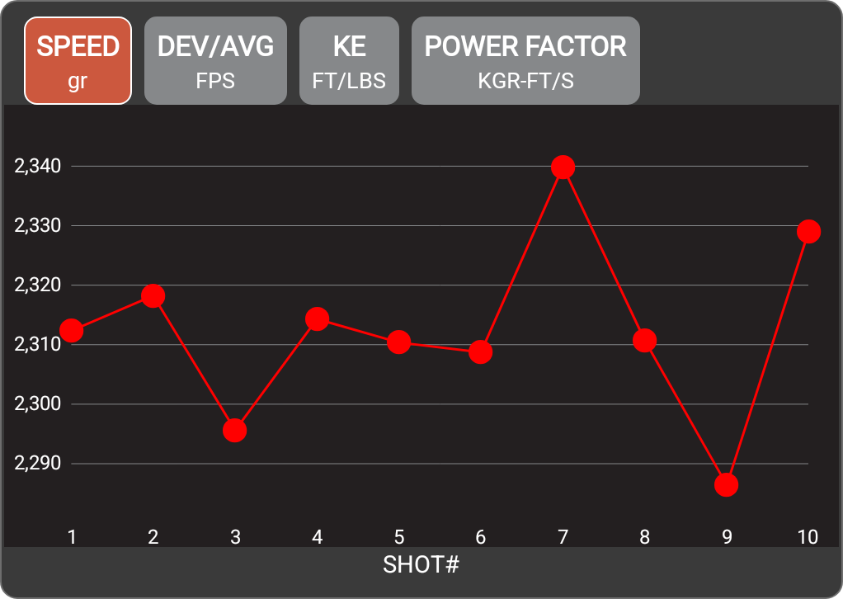

Rifle
Date | 5-Jun-26
Time | 3:04 PM
Projectile weight | 77.0 gr
Average velocity | 2312.6 FPS
Minimum velocity | 2286.4 FPS
Maximum velocity | 2339.9 FPS
Standard deviation | 14.3
Extreme spread | 53.5
Average power factor | 178.1 KGR-FT/S
Average kinetic energy | 914.3 FT/LBS
Session notes

SHOT # | SPEED (FPS) | DEV/AVG (FPS) | KE (FT/LBS) | POWER FACTOR | TIME | CLEAN BORE | COLD BORE | SHOT NOTES
1 | 2312.3 | -0.2 | 914 | 178 | 3:04:55 PM
2 | 2318.2 | 5.7 | 918.7 | 178.5 | 3:05:00 PM
3 | 2295.6 | -17 | 900.9 | 176.8 | 3:05:04 PM
4 | 2314.3 | 1.7 | 915.6 | 178.2 | 3:05:08 PM
5 | 2310.4 | -2.2 | 912.5 | 177.9 | 3:05:21 PM
6 | 2308.7 | -3.8 | 911.2 | 177.8 | 3:05:36 PM
7 | 2339.9 | 27.3 | 936 | 180.2 | 3:05:44 PM
8 | 2310.7 | -1.9 | 912.7 | 177.9 | 3:05:49 PM
9 | 2286.4 | -26.1 | 893.7 | 176.1 | 3:05:53 PM
10 | 2329.1 | 16.5 | 927.3 | 179.3 | 3:06:01 PM

