No Rifle or Bullet association
Cartridge: N/A
Zero distance, yards:
Zero offset: /
Velocity:
Ballistic coefficient: ()
Bullet weight, grains:
Bullet length, in:
Bullet diameter, in:

Rifle: N/A
Twist Rate, inches per turn:
Scope height, :
Vertical click, :
Horizontal click, :
Reticle:

Weather
Temperature, f°: 82.4
Humidity, %: 38
Pressure, in-hg: 29.97
Altitude, ft:

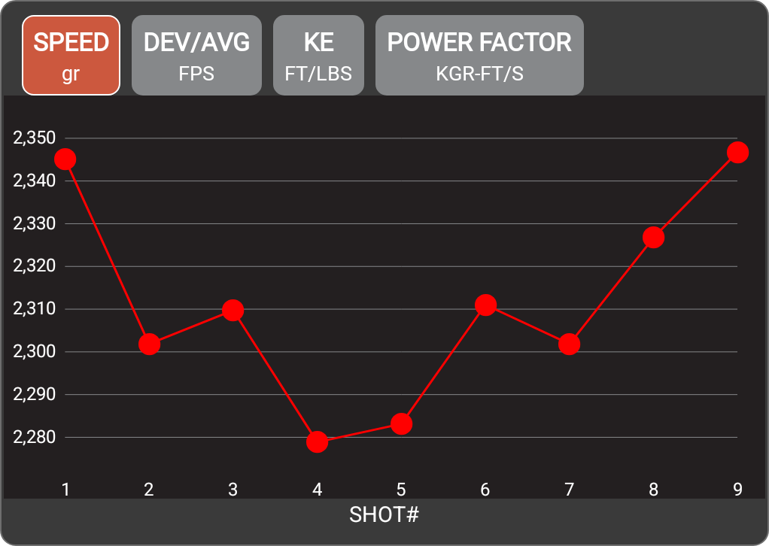

Rifle
Date | 5-Jun-26
Time | 3:15 PM
Projectile weight | 77.0 gr
Average velocity | 2311.7 FPS
Minimum velocity | 2278.9 FPS
Maximum velocity | 2346.8 FPS
Standard deviation | 22.8
Extreme spread | 67.9
Average power factor | 178.0 KGR-FT/S
Average kinetic energy | 913.6 FT/LBS
Session notes

SHOT # | SPEED (FPS) | DEV/AVG (FPS) | KE (FT/LBS) | POWER FACTOR | TIME | CLEAN BORE | COLD BORE | SHOT NOTES
1 | 2345.1 | 33.5 | 940.2 | 180.6 | 3:19:28 PM
2 | 2301.8 | -9.8 | 905.8 | 177.2 | 3:19:34 PM
3 | 2309.7 | -2 | 912 | 177.8 | 3:19:41 PM
4 | 2278.9 | -32.8 | 887.8 | 175.5 | 3:19:48 PM
5 | 2283.1 | -28.5 | 891.1 | 175.8 | 3:20:04 PM
6 | 2311 | -0.7 | 913 | 177.9 | 3:20:07 PM
7 | 2301.8 | -9.8 | 905.8 | 177.2 | 3:20:11 PM
8 | 2326.8 | 15.1 | 925.5 | 179.2 | 3:20:15 PM
9 | 2346.8 | 35.1 | 941.5 | 180.7 | 3:20:18 PM

