No Rifle or Bullet association
Cartridge: N/A
Zero distance, yards:
Zero offset: /
Velocity:
Ballistic coefficient: ()
Bullet weight, grains:
Bullet length, in:
Bullet diameter, in:

Rifle: N/A
Twist Rate, inches per turn:
Scope height, :
Vertical click, :
Horizontal click, :
Reticle:

Weather
Temperature, f°: 82.4
Humidity, %: 38
Pressure, in-hg: 29.97
Altitude, ft:

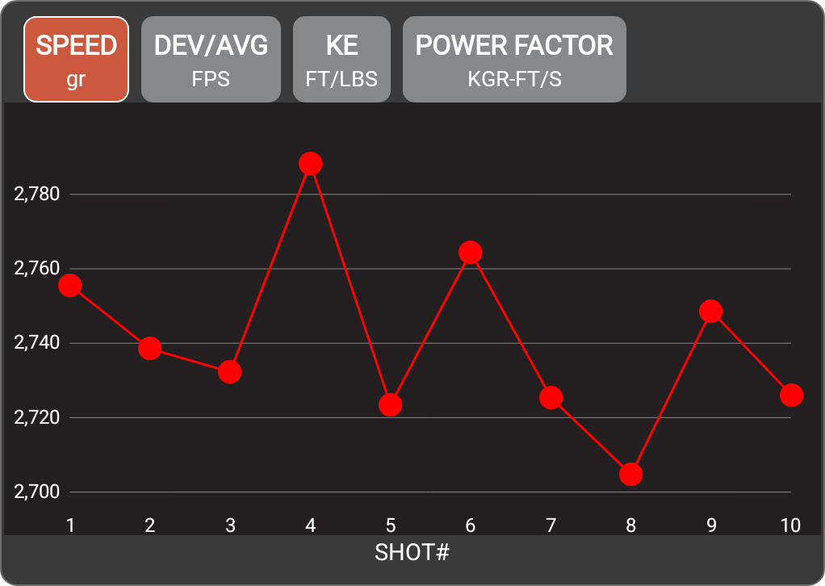

Rifle
Date | December 08, 2024
Time | 3:20 PM
Projectile weight | 55.0 gr
Average velocity | 2740.7 FPS
Minimum velocity | 2704.7 FPS
Maximum velocity | 2788.4 FPS
Standard deviation | 22.9
Extreme spread | 83.7
Average power factor | 150.8 KGR-FT/S
Average kinetic energy | 917.3 FT/LBS
Session notes

SHOT # | SPEED (FPS) | DEV/AVG (FPS) | KE (FT/LBS) | POWER FACTOR | TIME | CLEAN BORE | COLD BORE | SHOT NOTES
1 | 2755.6 | 14.8 | 927.2 | 151.6 | 3:21:26 PM
2 | 2738.5 | -2.2 | 915.7 | 150.6 | 3:21:31 PM
3 | 2732.3 | -8.5 | 911.6 | 150.3 | 3:21:35 PM
4 | 2788.4 | 47.6 | 949.4 | 153.4 | 3:21:40 PM
5 | 2723.4 | -17.3 | 905.7 | 149.8 | 3:21:44 PM
6 | 2764.4 | 23.7 | 933.1 | 152 | 3:21:50 PM
7 | 2725.4 | -15.4 | 907 | 149.9 | 3:21:54 PM
8 | 2704.7 | -36 | 893.3 | 148.8 | 3:21:57 PM
9 | 2748.7 | 7.9 | 922.5 | 151.2 | 3:22:01 PM
10 | 2726 | -14.7 | 907.4 | 149.9 | 3:22:05 PM

