MA Cheat Sheet
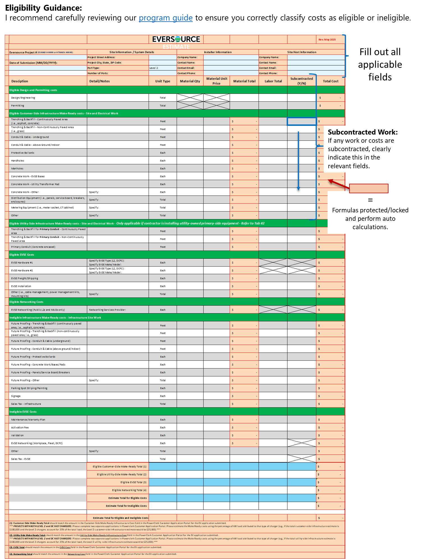
Eligibility Guidance: I recommend carefully reviewing our program guide to ensure you correctly classify costs as eligible or ineligible.

