Grades
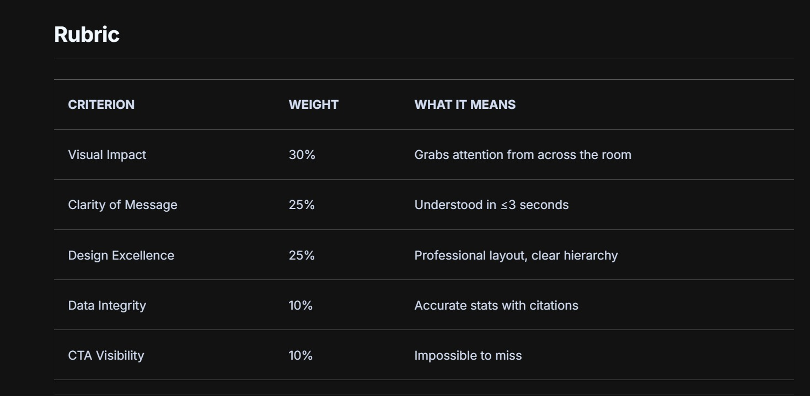
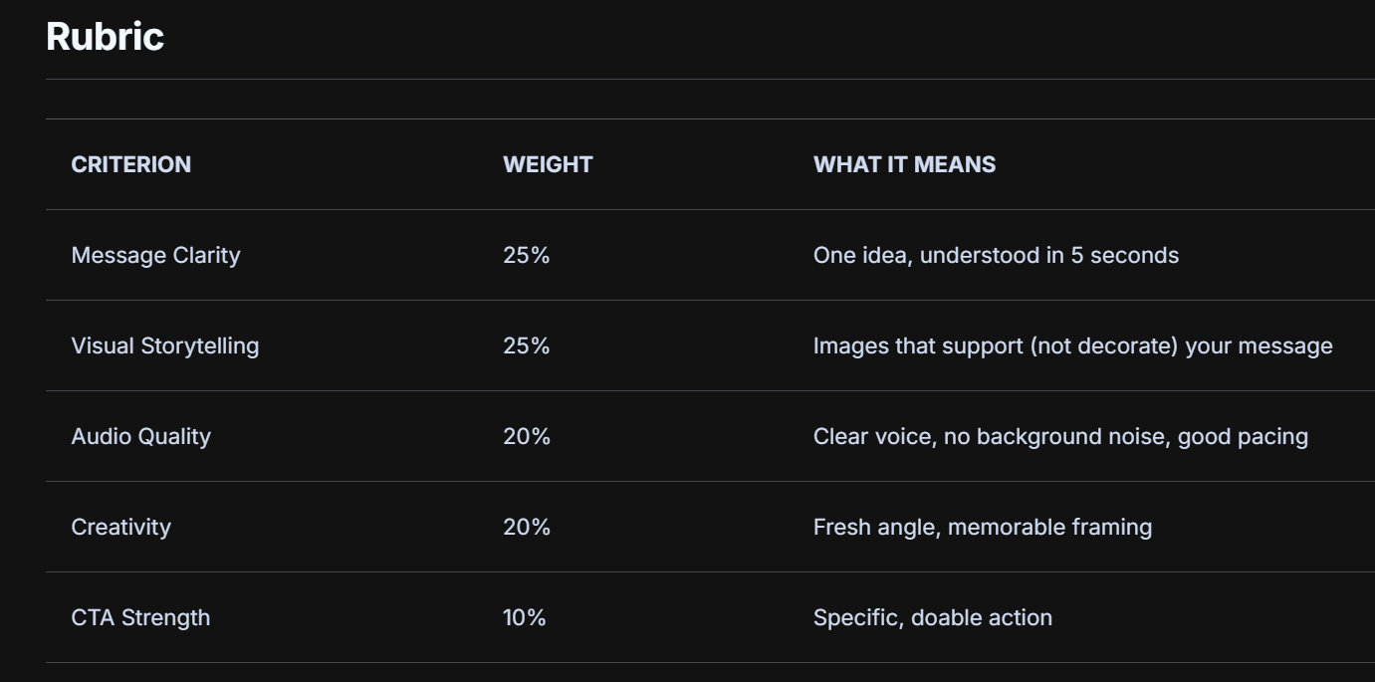
Last Name | First Name | Email | Student # | pXX | Collage_HG | Video_HG | Collage_YT | Video_YT | collage_VL | Video_VL | Collage PL | Video PL | Collage_GC | Video_GC | Essay
Au-Yeung | Yung Mei Charlize | u3656710@connect.hku.hk | 361122 | p23 | 89 | 90 | 85 | 91 | 85 | 89 | 85 | 87 | 87 | 92 | 87
Cheung | Hoi Shun Marco | u3639608@connect.hku.hk | 3036396089 | p41 | 80 | 90 | 81 | 90 | 80 | 88 | 79 | 88 | 80 | 93 | 84
Cheung | Sum Yau | u3659625@connect.hku.hk | 364674 | p29 | 87 | 86 | 88 | 90 | 86 | 88 | 80 | 87 | 85 | 88 | 84
Cheung | Yuen Ki | u3660138@connect.hku.hk | 364699 | p31 | 83 | 90 | 78 | 85 | 79 | 85 | 78 | 87 | 77 | 85 | 90
Chiang | Yu-Xuan | u3652747@connect.hku.hk | 356826 | p21 | 91 | 92 | 88 | 87 | 88 | 89 | 85 | 88 | 84 | 87 | 85
Chow | Chi Kiu | u3658271@connect.hku.hk | 363047 | p24 | 82 | 86 | 79 | 85 | 79 | 85 | 78 | 85 | 79 | 83 | 88
Chum | Chi Yeung | u3639342@connect.hku.hk | 328581 | p10 | 85 | 78 | 82 | 80 | 80 | 79 | 85 | 78 | 85 | 80 | 84
Feng | Shijun | u3648430@connect.hku.hk | 351352 | p12 | 88 | 86 | 86 | 86 | 80 | 86 | 80 | 85 | 85 | 85 | 83
Fu | Ki Chun | u3658839@connect.hku.hk | 3036588395 | p42 | 87 | 86 | 84 | 86 | 86 | 89 | 85 | 83 | 85 | 86 | 95
Fung | Pak Man | jfpm23@connect.hku.hk | 328919 | p02 | 90 | 90 | 82 | 90 | 85 | 90 | 82 | 90 | 85 | 87 | 91
Gergele | Alexandre Olivier Oriol | u3667830@connect.hku.hk | 376517 | p36 | 90 | 93 | 88 | 87 | 88 | 90 | 87 | 87 | 90 | 92 | 83
Hanusch | Benjamin Alfons | u3667832@connect.hku.hk | 376319 | p37 | 84 | 84 | 82 | 85 | 84 | 87 | 86 | 85 | 80 | 85 | 88
Hua | Yanjing | u3657330@connect.hku.hk | 3036573302 | p44 | 89 | 88 | 84 | 90 | 85 | 85 | 86 | 86 | 90 | 90 | 83
Huang | Ze Kai |  |  | p46 | 82 | 81 | 78 | 82 | 80 | 83 | 78 | 86 | 80 | 82
Hui | Keira Ka Yan | u3652727@connect.hku.hk | 356789 | p20 | 90 | 87 | 82 | 90 | 83 | 90 | 87 | 87 | 90 | 87
Hung | Hei Yu | u3638636@connect.hku.hk | 327816 | p09 | 88 | 90 | 84 | 88 | 85 | 89 | 83 | 86 | 90 | 91
Kanwal | Anmol | u3605989@connect.hku.hk | 257025 | p07 | 90 | 90 | 85 | 88 | 88 | 88 | 85 | 87 | 89 | 88 | 90
Kim | Jihoo | u3652505@connect.hku.hk | 356855 | p19 | 87 | 86 | 87 | 90 | 84 | 86 | 79 | 86 | 84 | 84 | 84
Lahriri | Ismael Jibbril Youssef | u3667892@connect.hku.hk | 376403 | p38 | 86 | 83 | 80 | 82 | 85 | 84 | 85 | 80 | 80 | 82 | 84
Lai | Hang Chi | lhclai@connect.hku.hk | 295877 | p03 | 85 | 86 | 83 | 80 | 85 | 83 | 85 | 85 | 83 | 80
Lam | Jeff Chun Fu | u3648459@connect.hku.hk | 351459 | p14 | 89 | 92 | 83 | 90 | 88 | 92 | 87 | 90 | 89 | 92 | 80
Lee | Hong Kiu Jamie | u3659408@connect.hku.hk | 364088 | p28 | 86 | 91 | 87 | 92 | 88 | 88 | 87 | 90 | 85 | 90
Li | Wanying | u3660456@connect.hku.hk | 365248 | p33 | 83 | 86 | 83 | 88 | 85 | 93 | 85 | 92 | 84 | 94 | 83
Lok | Chun Man |  |  | p39 | 82 | 85 | 77 | 87 | 81 | 85 | 82 | 85 | 85 | 86
Lyakoubi | Nour |  |  | p43 | 88 | 95 | 85 | 92 | 80 | 93 | 86 | 92 | 85 | 92
Mak | Yu Hei | u3658380@connect.hku.hk | 363028 | p25 | 88 | 86 | 86 | 84 | 88 | 85 | 85 | 83 | 88 | 80 | 88
Mok | Hui Cheung Matthew | u3662829@connect.hku.hk | 367928 | p34 | 93 | 87 | 83 | 89 | 90 | 90 | 85 | 87 | 90 | 89 | 90
Ng | Wing Lam | u3666642@connect.hku.hk | 372150 | p35 | 83 | 93 | 88 | 90 | 88 | 90 | 84 | 87 | 85 | 90
Ngai | Tsz Ho | u3658415@connect.hku.hk | 363110 | p26 | 82 | 81 | 86 | 81 | 86 | 87 | 83 | 84 | 89 | 84
Poon | Daniel | u3651891@connect.hku.hk | 356878 | p16 | 86 | 90 | 85 | 90 | 80 | 85 | 78 | 80 | 84 | 87
Roy | Anurag | u3646825@connect.hku.hk | 349345 | p11 | 88 | 93 | 83 | 90 | 83 | 88 | 85 | 89 | 83 | 89 | 83
Situ | Matthew Kang You | u3651939@connect.hku.hk | 356283 | p17 | 83 | 90 | 89 | 90 | 87 | 90 | 84 | 87 | 84 | 89
Sy | Martina Bianca Roman | martina7@connect.hku.hk | 357632 | p04 | 87 | 91 | 86 | 88 | 87 | 88 | 86 | 86 | 87 | 88
Tang | Ka Ho | tkh0118@connect.hku.hk | 294341 | p05 | 80 | 82 | 75 | 80 | 80 | 83 | 75 | 82 | 78 | 78
Tang | Marshall | u3659655@connect.hku.hk | 364463 | p30 | 89 | 88 | 89 | 88 | 83 | 88 | 81 | 89 | 88 | 84 | 86
Ting | Chun Hei | u3659024@connect.hku.hk | 363604 | p27 | 80 | 83 | 79 | 83 | 79 | 83 | 83 | 88 | 81 | 89
Tu | Shengyi | u3632081@connect.hku.hk | 320482 | p08 | 90 | 85 | 86 | 85 | 88 | 85 | 86 | 80 | 86 | 80 | 85
Wang | Haochen | u3660334@connect.hku.hk | 365179 | p32 | 88 | 85 | 85 | 86 | 83 | 85 | 84 | 88 | 85 | 85
Wong | Joan Yan Shing | u3656704@connect.hku.hk | 361119 | p22 | 85 | 88 | 79 | 85 | 79 | 85 | 82 | 85 | 80 | 83 | 81
Wong | Tin Hang Anthony | u3648455@connect.hku.hk | 351460 | p13 | 82 | 86 | 80 | 86 | 83 | 85 | 79 | 88 | 85 | 86 | 80
Xu | Shiran | u3651949@connect.hku.hk | 355713 | p18 | 87 | 86 | 86 | 85 | 87 | 89 | 84 | 87 | 85 | 85 | 88
Xu | Yilin | u3651948@connect.hku.hk | 3036519485 | p45 | 84 | 80 | 80 | 80 | 80 | 80 | 78 | 76 | 76 | 79
Yeung | Jason | jasoooon@connect.hku.hk | 357039 | p01 | 83 | 87 | 85 | 89 | 86 | 87 | 82 | 84 | 80 | 86 | 84
Yim | Tsz Chun | u3651572@connect.hku.hk | 355649 | p15 | 80 | 84 | 85 | 87 | 80 | 85 | 79 | 85 | 80 | 82
Yip | Hin Wang | u3639891@connect.hku.hk | 3036398910 | p40 | 75 | 86 | 75 | 87 | 78 | 87 | 80 | 85 | 78 | 89
Zong | Hua | u3585608@connect.hku.hk | 225592 | p06 | 82 | 87 | 80 | 85 | 83 | 85 | 80 | 86 | 80 | 84

