Class List
 | Test 1 | Test 2 | Test 3 | Rounded Average
Allen | 89 | 89 | 89 | 89
Borlin | 67 | 56 | 66 | 63
Catlin | 78 | 76 | 76 | 77
Dorsey | 56 | 34 | 45 | 45
Eugene | 26 | 100 | 99 | 75
Finerran | 99 | 98 | 97 | 98
Greco | 78 | 87 | 88 | 84

Descriptive Statistics
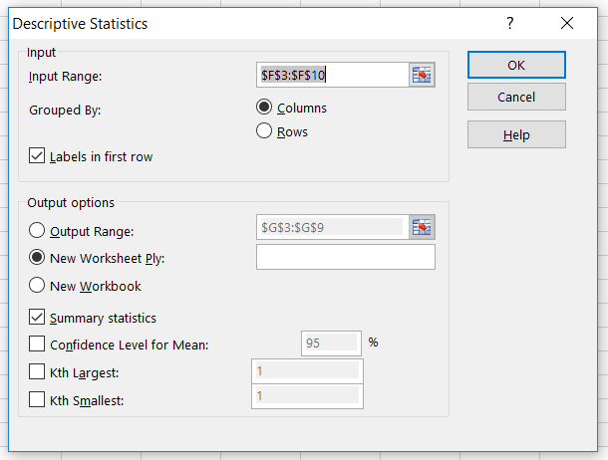
Rounded Average

Mean | 75.857142857
Standard Error | 6.6347877256
Median | 77
Mode | #N/A
Standard Deviation | 17.553998324
Sample Variance | 308.14285714
Kurtosis | 0.53986995365
Skewness | -0.76950189393
Range | 53
Minimum | 45
Maximum | 98
Sum | 531
Count | 7

Descriptive Statistics

