Figures
Land use type | Exchangeable Mg2+
Croplands | 338.8715
Grasslands | 292.0524
Wetlands | 634.1175

Agroecological zones | Silt | Agroecological zones | Exchangeable K
Lowlands | 21.3725 | Lowlands | 125.6529
Foothills | 19.0833 | Foothills | 71.5883
Mountains | 23.6491 | Mountains | 78.2248
Senqu river valley | 20.9524 | Senqu river valley | 46.3838

KRUSKAL&DUNNS (AEZ)
*Nonparametric Tests: Independent Samples.
NPTESTS
/INDEPENDENT TEST (Sand Silt Clay OC Bulkdensitykgm3 pHwater pHKCl ECdSm CECcmolkg Basesaturation ESP SAR TN ExchangeableCa ExchangeableMg ExchangeableK ExchangeableNa ExtractableFe ExtractableMn ExtractableCu ExtractableZn CN CP NP) GROUP (AEZ_num) KRUSKAL_WALLIS(COMPARE=PAIRWISE)
/MISSING SCOPE=ANALYSIS USERMISSING=EXCLUDE
/CRITERIA ALPHA=0.05 CILEVEL=95.

Nonparametric Tests

Notes
Output Created |  | 15-OCT-2026 15:49:14
Comments
Input | Data | C:\Users\libetoe\Desktop\MASTERS THESIS\FINAL THESIS TEMP\CHAPTER 4 ANALYSIS\FINAL ANALYSIS\71.sav
 | Active Dataset | DataSet1
 | Filter | <none>
 | Weight | <none>
 | Split File | <none>
 | N of Rows in Working Data File | 70
Syntax |  | NPTESTS /INDEPENDENT TEST (Sand Silt Clay OC Bulkdensitykgm3 pHwater pHKCl ECdSm CECcmolkg Basesaturation ESP SAR TN ExchangeableCa ExchangeableMg ExchangeableK ExchangeableNa ExtractableFe ExtractableMn ExtractableCu ExtractableZn CN CP NP) GROUP (AEZ_num) KRUSKAL_WALLIS(COMPARE=PAIRWISE) /MISSING SCOPE=ANALYSIS USERMISSING=EXCLUDE /CRITERIA ALPHA=0.05 CILEVEL=95.
Resources | Processor Time | 00:00:09.97
 | Elapsed Time | 00:00:09.82

Hypothesis Test Summary
 | Null Hypothesis | Test | Sig.a,b | Decision
1 | The distribution of % Sand is the same across categories of Agroecological zones. | Independent-Samples Kruskal-Wallis Test | 0.35523 | Retain the null hypothesis.
2 | The distribution of % Silt is the same across categories of Agroecological zones. | Independent-Samples Kruskal-Wallis Test | 0.05358 | Retain the null hypothesis.
3 | The distribution of % Clay is the same across categories of Agroecological zones. | Independent-Samples Kruskal-Wallis Test | 0.00078 | Reject the null hypothesis.
4 | The distribution of % OC is the same across categories of Agroecological zones. | Independent-Samples Kruskal-Wallis Test | 0.00000 | Reject the null hypothesis.
5 | The distribution of Bulk density (kg/m3) is the same across categories of Agroecological zones. | Independent-Samples Kruskal-Wallis Test | 0.00038 | Reject the null hypothesis.
6 | The distribution of pHwater is the same across categories of Agroecological zones. | Independent-Samples Kruskal-Wallis Test | 0.01066 | Reject the null hypothesis.
7 | The distribution of pHKCl is the same across categories of Agroecological zones. | Independent-Samples Kruskal-Wallis Test | 0.00437 | Reject the null hypothesis.
8 | The distribution of EC (dS/m) is the same across categories of Agroecological zones. | Independent-Samples Kruskal-Wallis Test | 0.01388 | Reject the null hypothesis.
9 | The distribution of CEC cmol/kg is the same across categories of Agroecological zones. | Independent-Samples Kruskal-Wallis Test | 0.00129 | Reject the null hypothesis.
10 | The distribution of % Base saturation is the same across categories of Agroecological zones. | Independent-Samples Kruskal-Wallis Test | 0.70763 | Retain the null hypothesis.
11 | The distribution of % ESP is the same across categories of Agroecological zones. | Independent-Samples Kruskal-Wallis Test | 0.00125 | Reject the null hypothesis.
12 | The distribution of SAR is the same across categories of Agroecological zones. | Independent-Samples Kruskal-Wallis Test | 0.00225 | Reject the null hypothesis.
13 | The distribution of % TN is the same across categories of Agroecological zones. | Independent-Samples Kruskal-Wallis Test | 0.00003 | Reject the null hypothesis.
14 | The distribution of Exchangeable Ca++ is the same across categories of Agroecological zones. | Independent-Samples Kruskal-Wallis Test | 0.00678 | Reject the null hypothesis.
15 | The distribution of Exchangeable Mg++ is the same across categories of Agroecological zones. | Independent-Samples Kruskal-Wallis Test | 0.28145 | Retain the null hypothesis.
16 | The distribution of Exchangeable K+ is the same across categories of Agroecological zones. | Independent-Samples Kruskal-Wallis Test | 0.05194 | Retain the null hypothesis.
17 | The distribution of Exchangeable Na+ is the same across categories of Agroecological zones. | Independent-Samples Kruskal-Wallis Test | 0.06855 | Retain the null hypothesis.
18 | The distribution of Extractable Fe is the same across categories of Agroecological zones. | Independent-Samples Kruskal-Wallis Test | 0.09946 | Retain the null hypothesis.
19 | The distribution of Extractable Mn is the same across categories of Agroecological zones. | Independent-Samples Kruskal-Wallis Test | 0.94683 | Retain the null hypothesis.
20 | The distribution of Extractable Cu is the same across categories of Agroecological zones. | Independent-Samples Kruskal-Wallis Test | 0.12056 | Retain the null hypothesis.
21 | The distribution of Extractable Zn is the same across categories of Agroecological zones. | Independent-Samples Kruskal-Wallis Test | 0.00484 | Reject the null hypothesis.
22 | The distribution of C:N is the same across categories of Agroecological zones. | Independent-Samples Kruskal-Wallis Test | 0.00653 | Reject the null hypothesis.
23 | The distribution of C:P is the same across categories of Agroecological zones. | Independent-Samples Kruskal-Wallis Test | 0.00003 | Reject the null hypothesis.
24 | The distribution of N:P is the same across categories of Agroecological zones. | Independent-Samples Kruskal-Wallis Test | 0.00124 | Reject the null hypothesis.
a. The significance level is .050.
b. Asymptotic significance is displayed.

Independent-Samples Kruskal-Wallis Test

% Sand across Agroecological zones

Independent-Samples Kruskal-Wallis Test Summary
Total N | 70
Test Statistic | 3.246a,b
Degree Of Freedom | 3
Asymptotic Sig.(2-sided test) | 0.35523
a. The test statistic is adjusted for ties.
b. Multiple comparisons are not performed because the overall test does not show significant differences across samples.

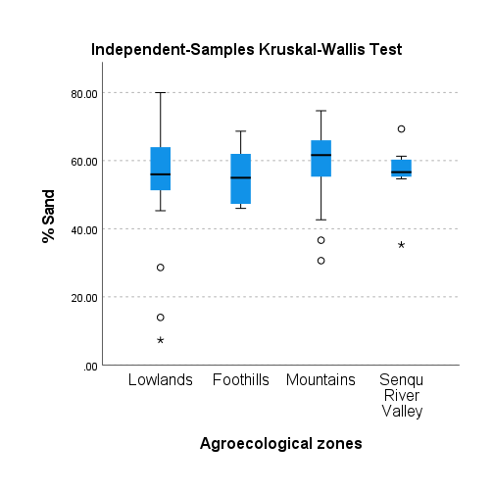

% Silt across Agroecological zones

Independent-Samples Kruskal-Wallis Test Summary
Total N | 70
Test Statistic | 7.660a,b
Degree Of Freedom | 3
Asymptotic Sig.(2-sided test) | 0.05358
a. The test statistic is adjusted for ties.
b. Multiple comparisons are not performed because the overall test does not show significant differences across samples.

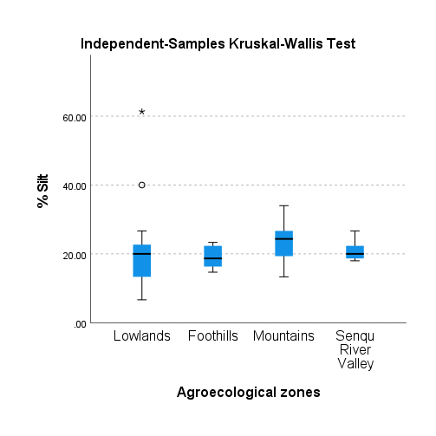

% Clay across Agroecological zones

Independent-Samples Kruskal-Wallis Test Summary
Total N | 70
Test Statistic | 16.800a
Degree Of Freedom | 3
Asymptotic Sig.(2-sided test) | 0.00078
a. The test statistic is adjusted for ties.

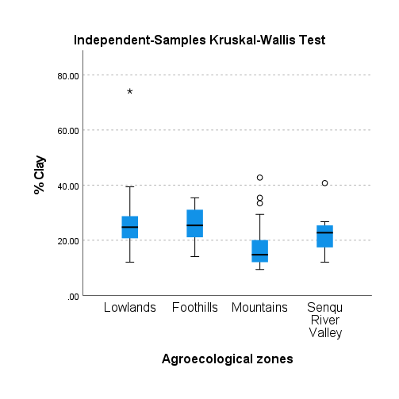
Pairwise Comparisons of Agroecological zones
Sample 1-Sample 2 | Test Statistic | Std. Error | Std. Test Statistic | Sig. | Adj. Sig.a
Mountains-Senqu River Valley | -15.143 | 8.361 | -1.811 | 0.070 | 0.42068
Mountains-Lowlands | 20.294 | 5.931 | 3.422 | 0.001 | 0.00374
Mountains-Foothills | 22.375 | 7.907 | 2.830 | 0.005 | 0.02796
Senqu River Valley-Lowlands | 5.151 | 9.129 | 0.564 | 0.573 | 1.000
Senqu River Valley-Foothills | 7.232 | 10.520 | 0.687 | 0.492 | 1.000
Lowlands-Foothills | -2.081 | 8.715 | -0.239 | 0.811 | 1.000
Each row tests the null hypothesis that the Sample 1 and Sample 2 distributions are the same. Asymptotic significances (2-sided tests) are displayed. The significance level is .050.
a. Significance values have been adjusted by the Bonferroni correction for multiple tests.

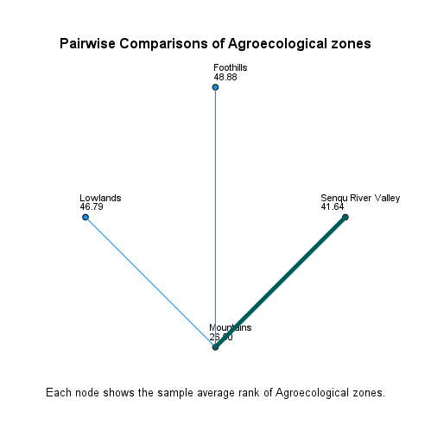

% OC across Agroecological zones

Independent-Samples Kruskal-Wallis Test Summary
Total N | 70
Test Statistic | 33.131a
Degree Of Freedom | 3
Asymptotic Sig.(2-sided test) | 0.00000
a. The test statistic is adjusted for ties.

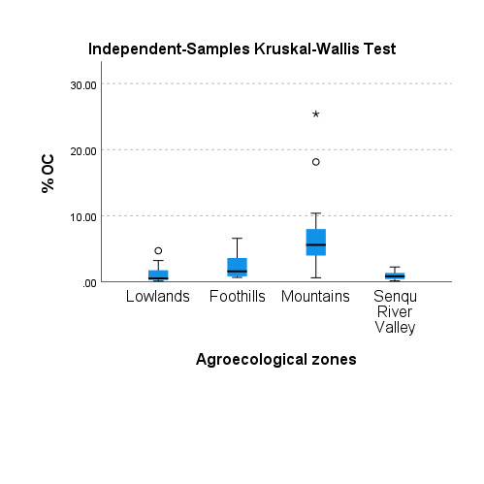
Pairwise Comparisons of Agroecological zones
Sample 1-Sample 2 | Test Statistic | Std. Error | Std. Test Statistic | Sig. | Adj. Sig.a
Senqu River Valley-Lowlands | 0.109 | 9.139 | 0.012 | 0.990 | 1.000
Senqu River Valley-Foothills | 11.723 | 10.532 | 1.113 | 0.266 | 1.000
Senqu River Valley-Mountains | 30.246 | 8.370 | 3.614 | 0.000 | 0.00181
Lowlands-Foothills | -11.614 | 8.725 | -1.331 | 0.183 | 1.000
Lowlands-Mountains | -30.137 | 5.938 | -5.075 | 0.000 | 0.00000
Foothills-Mountains | -18.523 | 7.916 | -2.340 | 0.019 | 0.11571
Each row tests the null hypothesis that the Sample 1 and Sample 2 distributions are the same. Asymptotic significances (2-sided tests) are displayed. The significance level is .050.
a. Significance values have been adjusted by the Bonferroni correction for multiple tests.

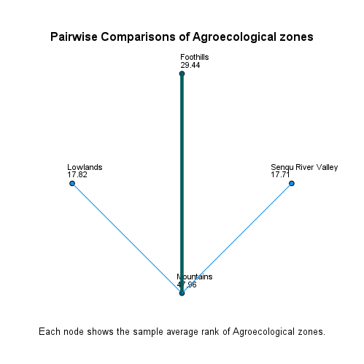

Bulk density (kg/m3) across Agroecological zones

Independent-Samples Kruskal-Wallis Test Summary
Total N | 70
Test Statistic | 18.289a
Degree Of Freedom | 3
Asymptotic Sig.(2-sided test) | 0.000
a. The test statistic is adjusted for ties.

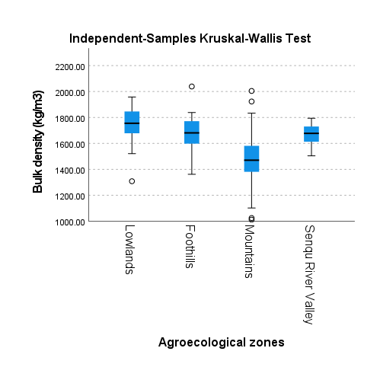
Pairwise Comparisons of Agroecological zones
Sample 1-Sample 2 | Test Statistic | Std. Error | Std. Test Statistic | Sig. | Adj. Sig.a
Mountains-Senqu River Valley | -15.789 | 8.371 | -1.886 | 0.059 | 0.35551
Mountains-Foothills | 17.289 | 7.916 | 2.184 | 0.029 | 0.17377
Mountains-Lowlands | 23.613 | 5.938 | 3.976 | 0.000 | 0.00042
Senqu River Valley-Foothills | 1.500 | 10.533 | 0.142 | 0.887 | 1.000
Senqu River Valley-Lowlands | 7.824 | 9.139 | 0.856 | 0.392 | 1.000
Foothills-Lowlands | 6.324 | 8.725 | 0.725 | 0.469 | 1.000
Each row tests the null hypothesis that the Sample 1 and Sample 2 distributions are the same. Asymptotic significances (2-sided tests) are displayed. The significance level is .050.
a. Significance values have been adjusted by the Bonferroni correction for multiple tests.

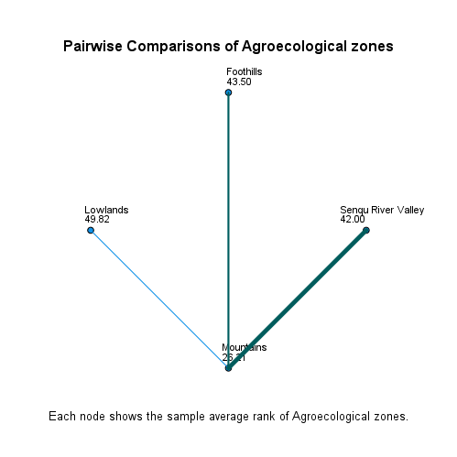

pHwater across Agroecological zones

Independent-Samples Kruskal-Wallis Test Summary
Total N | 70
Test Statistic | 11.206a
Degree Of Freedom | 3
Asymptotic Sig.(2-sided test) | 0.01066
a. The test statistic is adjusted for ties.

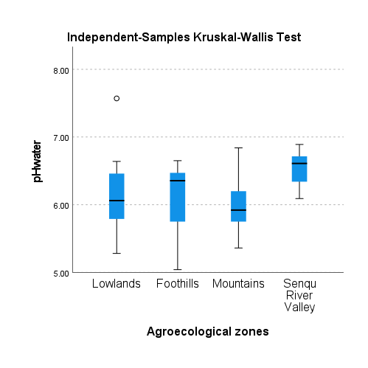
Pairwise Comparisons of Agroecological zones
Sample 1-Sample 2 | Test Statistic | Std. Error | Std. Test Statistic | Sig. | Adj. Sig.a
Mountains-Lowlands | 5.963 | 5.938 | 1.004 | 0.315 | 1.000
Mountains-Foothills | 9.941 | 7.916 | 1.256 | 0.209 | 1.000
Mountains-Senqu River Valley | -27.316 | 8.370 | -3.264 | 0.001 | 0.00660
Lowlands-Foothills | -3.978 | 8.725 | -0.456 | 0.648 | 1.000
Lowlands-Senqu River Valley | -21.353 | 9.138 | -2.337 | 0.019 | 0.11676
Foothills-Senqu River Valley | -17.375 | 10.532 | -1.650 | 0.099 | 0.59390
Each row tests the null hypothesis that the Sample 1 and Sample 2 distributions are the same. Asymptotic significances (2-sided tests) are displayed. The significance level is .050.
a. Significance values have been adjusted by the Bonferroni correction for multiple tests.

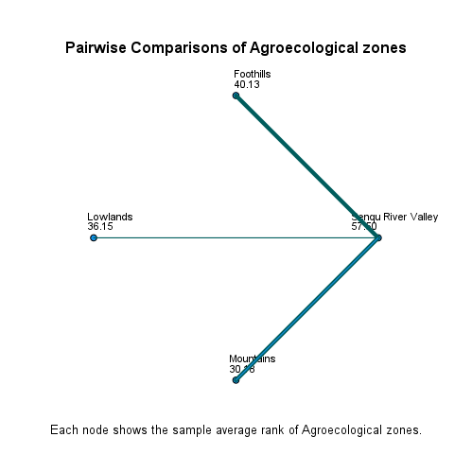

pHKCl across Agroecological zones

Independent-Samples Kruskal-Wallis Test Summary
Total N | 70
Test Statistic | 13.127a
Degree Of Freedom | 3
Asymptotic Sig.(2-sided test) | 0.00437
a. The test statistic is adjusted for ties.

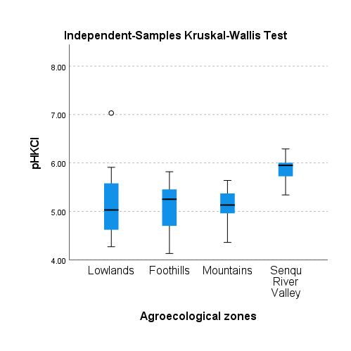
Pairwise Comparisons of Agroecological zones
Sample 1-Sample 2 | Test Statistic | Std. Error | Std. Test Statistic | Sig. | Adj. Sig.a
Mountains-Lowlands | 1.265 | 5.938 | 0.213 | 0.831 | 1.000
Mountains-Foothills | 1.813 | 7.916 | 0.229 | 0.819 | 1.000
Mountains-Senqu River Valley | -29.857 | 8.370 | -3.567 | 0.000 | 0.00217
Lowlands-Foothills | -0.548 | 8.725 | -0.063 | 0.950 | 1.000
Lowlands-Senqu River Valley | -28.592 | 9.139 | -3.129 | 0.002 | 0.01054
Foothills-Senqu River Valley | -28.045 | 10.532 | -2.663 | 0.008 | 0.04649
Each row tests the null hypothesis that the Sample 1 and Sample 2 distributions are the same. Asymptotic significances (2-sided tests) are displayed. The significance level is .050.
a. Significance values have been adjusted by the Bonferroni correction for multiple tests.

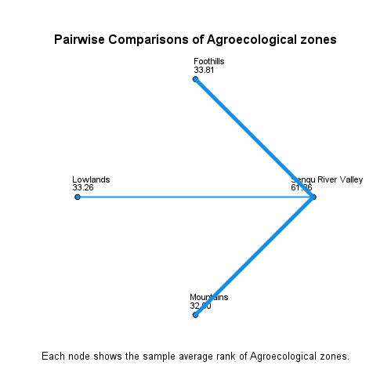

EC (dS/m) across Agroecological zones

Independent-Samples Kruskal-Wallis Test Summary
Total N | 70
Test Statistic | 10.634a
Degree Of Freedom | 3
Asymptotic Sig.(2-sided test) | 0.01388
a. The test statistic is adjusted for ties.

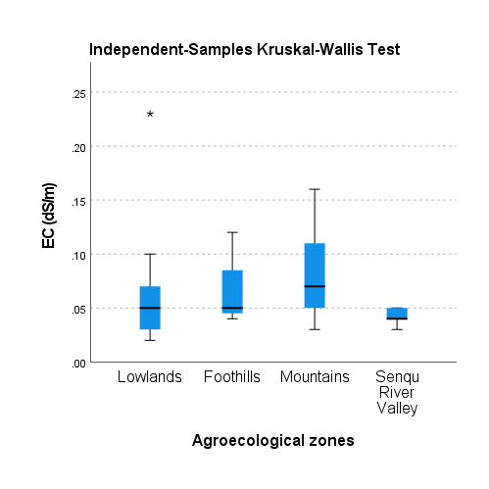
Pairwise Comparisons of Agroecological zones
Sample 1-Sample 2 | Test Statistic | Std. Error | Std. Test Statistic | Sig. | Adj. Sig.a
Senqu River Valley-Lowlands | 8.601 | 9.073 | 0.948 | 0.343 | 1.000
Senqu River Valley-Foothills | 15.384 | 10.456 | 1.471 | 0.141 | 0.84726
Senqu River Valley-Mountains | 22.519 | 8.310 | 2.710 | 0.007 | 0.04037
Lowlands-Foothills | -6.783 | 8.662 | -0.783 | 0.434 | 1.000
Lowlands-Mountains | -13.918 | 5.895 | -2.361 | 0.018 | 0.10936
Foothills-Mountains | -7.135 | 7.859 | -0.908 | 0.364 | 1.000
Each row tests the null hypothesis that the Sample 1 and Sample 2 distributions are the same. Asymptotic significances (2-sided tests) are displayed. The significance level is .050.
a. Significance values have been adjusted by the Bonferroni correction for multiple tests.

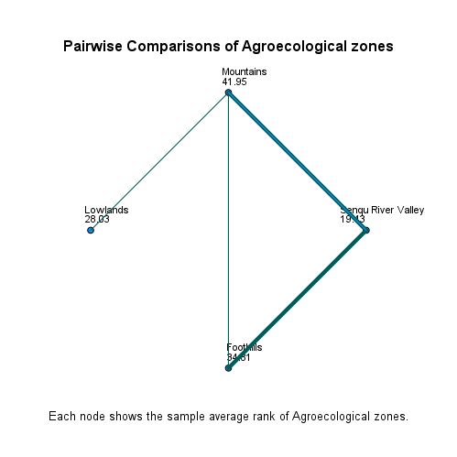

CEC cmol/kg across Agroecological zones

Independent-Samples Kruskal-Wallis Test Summary
Total N | 70
Test Statistic | 15.722a
Degree Of Freedom | 3
Asymptotic Sig.(2-sided test) | 0.00129
a. The test statistic is adjusted for ties.

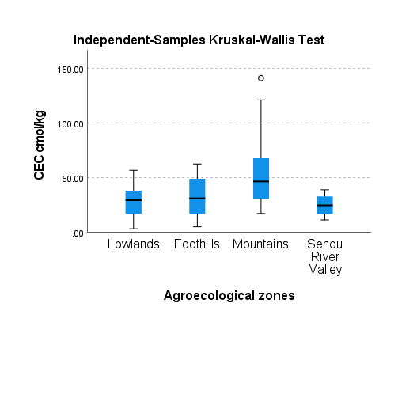
Pairwise Comparisons of Agroecological zones
Sample 1-Sample 2 | Test Statistic | Std. Error | Std. Test Statistic | Sig. | Adj. Sig.a
Senqu River Valley-Lowlands | 4.403 | 9.139 | 0.482 | 0.630 | 1.000
Senqu River Valley-Foothills | 8.661 | 10.533 | 0.822 | 0.411 | 1.000
Senqu River Valley-Mountains | 23.444 | 8.371 | 2.801 | 0.005 | 0.03059
Lowlands-Foothills | -4.257 | 8.725 | -0.488 | 0.626 | 1.000
Lowlands-Mountains | -19.040 | 5.938 | -3.206 | 0.001 | 0.00806
Foothills-Mountains | -14.783 | 7.916 | -1.867 | 0.062 | 0.37110
Each row tests the null hypothesis that the Sample 1 and Sample 2 distributions are the same. Asymptotic significances (2-sided tests) are displayed. The significance level is .050.
a. Significance values have been adjusted by the Bonferroni correction for multiple tests.

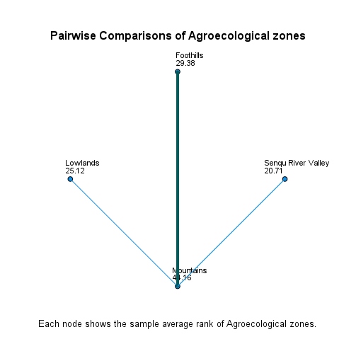

% Base saturation across Agroecological zones

Independent-Samples Kruskal-Wallis Test Summary
Total N | 70
Test Statistic | 1.391a,b
Degree Of Freedom | 3
Asymptotic Sig.(2-sided test) | 0.70763
a. The test statistic is adjusted for ties.
b. Multiple comparisons are not performed because the overall test does not show significant differences across samples.

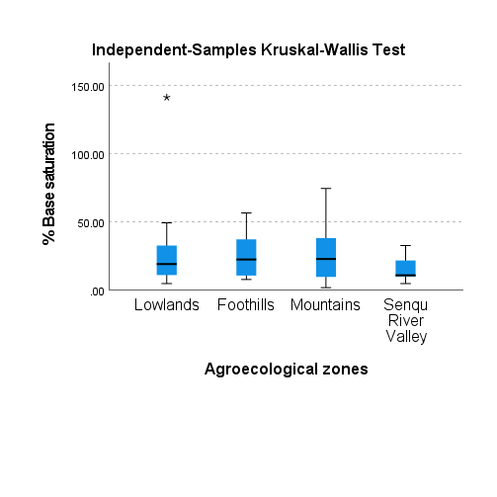

% ESP across Agroecological zones

Independent-Samples Kruskal-Wallis Test Summary
Total N | 70
Test Statistic | 15.788a
Degree Of Freedom | 3
Asymptotic Sig.(2-sided test) | 0.00125
a. The test statistic is adjusted for ties.

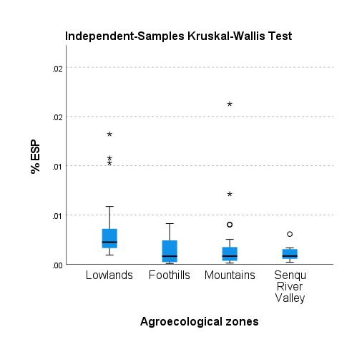
Pairwise Comparisons of Agroecological zones
Sample 1-Sample 2 | Test Statistic | Std. Error | Std. Test Statistic | Sig. | Adj. Sig.a
Foothills-Senqu River Valley | -0.768 | 10.532 | -0.073 | 0.942 | 1.000
Foothills-Mountains | -0.770 | 7.916 | -0.097 | 0.923 | 1.000
Foothills-Lowlands | 23.184 | 8.725 | 2.657 | 0.008 | 0.04727
Senqu River Valley-Mountains | 0.002 | 8.370 | 0.000 | 1.000 | 1.000
Senqu River Valley-Lowlands | 22.416 | 9.139 | 2.453 | 0.014 | 0.08504
Mountains-Lowlands | 22.414 | 5.938 | 3.775 | 0.000 | 0.00096
Each row tests the null hypothesis that the Sample 1 and Sample 2 distributions are the same. Asymptotic significances (2-sided tests) are displayed. The significance level is .050.
a. Significance values have been adjusted by the Bonferroni correction for multiple tests.

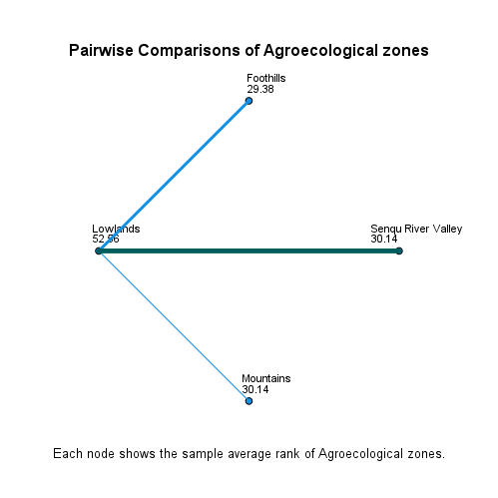

SAR across Agroecological zones

Independent-Samples Kruskal-Wallis Test Summary
Total N | 70
Test Statistic | 14.544a
Degree Of Freedom | 3
Asymptotic Sig.(2-sided test) | 0.002
a. The test statistic is adjusted for ties.

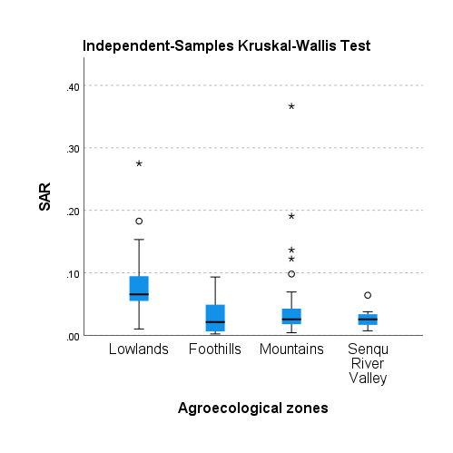
Pairwise Comparisons of Agroecological zones
Sample 1-Sample 2 | Test Statistic | Std. Error | Std. Test Statistic | Sig. | Adj. Sig.a
Foothills-Senqu River Valley | -2.071 | 10.533 | -0.197 | 0.844 | 1.000
Foothills-Mountains | -6.447 | 7.916 | -0.814 | 0.415 | 1.000
Foothills-Lowlands | 25.912 | 8.725 | 2.970 | 0.003 | 0.01789
Senqu River Valley-Mountains | 4.376 | 8.371 | 0.523 | 0.601 | 1.000
Senqu River Valley-Lowlands | 23.840 | 9.139 | 2.609 | 0.009 | 0.05456
Mountains-Lowlands | 19.464 | 5.938 | 3.278 | 0.001 | 0.00628
Each row tests the null hypothesis that the Sample 1 and Sample 2 distributions are the same. Asymptotic significances (2-sided tests) are displayed. The significance level is .050.
a. Significance values have been adjusted by the Bonferroni correction for multiple tests.

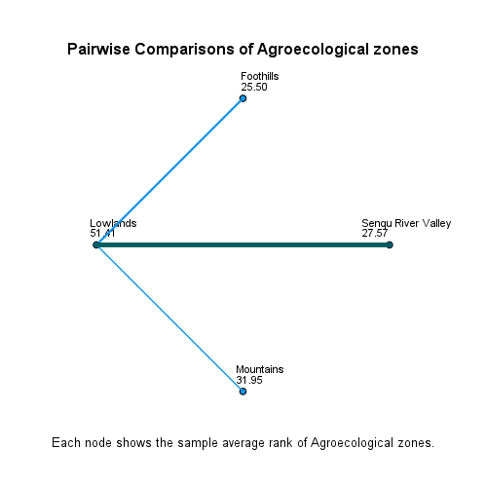

% TN across Agroecological zones

Independent-Samples Kruskal-Wallis Test Summary
Total N | 70
Test Statistic | 23.988a
Degree Of Freedom | 3
Asymptotic Sig.(2-sided test) | 0.00003
a. The test statistic is adjusted for ties.

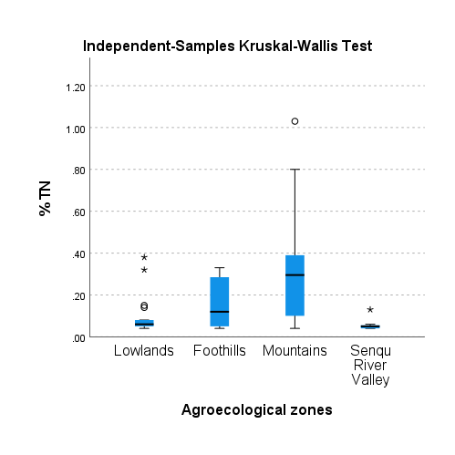
Pairwise Comparisons of Agroecological zones
Sample 1-Sample 2 | Test Statistic | Std. Error | Std. Test Statistic | Sig. | Adj. Sig.a
Senqu River Valley-Lowlands | 10.458 | 9.116 | 1.147 | 0.251 | 1.000
Senqu River Valley-Foothills | 16.491 | 10.505 | 1.570 | 0.116 | 0.69875
Senqu River Valley-Mountains | 32.244 | 8.349 | 3.862 | 0.000 | 0.00067
Lowlands-Foothills | -6.033 | 8.703 | -0.693 | 0.488 | 1.000
Lowlands-Mountains | -21.786 | 5.923 | -3.679 | 0.000 | 0.00141
Foothills-Mountains | -15.753 | 7.896 | -1.995 | 0.046 | 0.27614
Each row tests the null hypothesis that the Sample 1 and Sample 2 distributions are the same. Asymptotic significances (2-sided tests) are displayed. The significance level is .050.
a. Significance values have been adjusted by the Bonferroni correction for multiple tests.

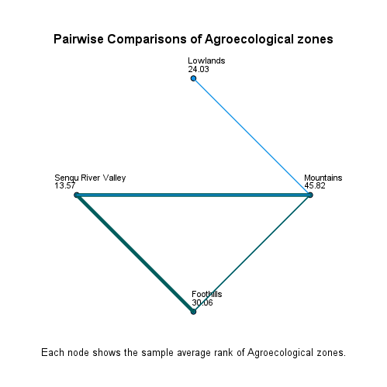

Exchangeable Ca++ across Agroecological zones

Independent-Samples Kruskal-Wallis Test Summary
Total N | 70
Test Statistic | 12.183a
Degree Of Freedom | 3
Asymptotic Sig.(2-sided test) | 0.00678
a. The test statistic is adjusted for ties.

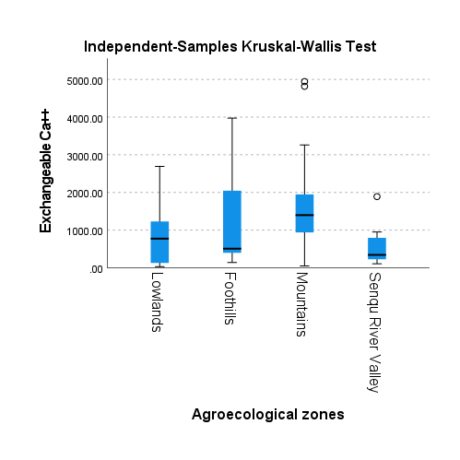
Pairwise Comparisons of Agroecological zones
Sample 1-Sample 2 | Test Statistic | Std. Error | Std. Test Statistic | Sig. | Adj. Sig.a
Senqu River Valley-Lowlands | 3.067 | 9.139 | 0.336 | 0.737 | 1.000
Senqu River Valley-Foothills | 11.464 | 10.533 | 1.088 | 0.276 | 1.000
Senqu River Valley-Mountains | 20.556 | 8.371 | 2.456 | 0.014 | 0.08434
Lowlands-Foothills | -8.397 | 8.725 | -0.962 | 0.336 | 1.000
Lowlands-Mountains | -17.489 | 5.938 | -2.945 | 0.003 | 0.01936
Foothills-Mountains | -9.092 | 7.916 | -1.149 | 0.251 | 1.000
Each row tests the null hypothesis that the Sample 1 and Sample 2 distributions are the same. Asymptotic significances (2-sided tests) are displayed. The significance level is .050.
a. Significance values have been adjusted by the Bonferroni correction for multiple tests.

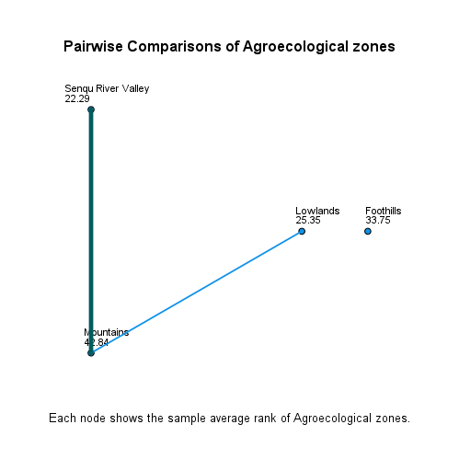

Exchangeable Mg++ across Agroecological zones

Independent-Samples Kruskal-Wallis Test Summary
Total N | 70
Test Statistic | 3.821a,b
Degree Of Freedom | 3
Asymptotic Sig.(2-sided test) | 0.28145
a. The test statistic is adjusted for ties.
b. Multiple comparisons are not performed because the overall test does not show significant differences across samples.

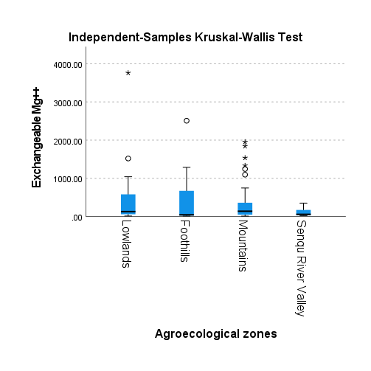

Exchangeable K+ across Agroecological zones

Independent-Samples Kruskal-Wallis Test Summary
Total N | 70
Test Statistic | 7.730a,b
Degree Of Freedom | 3
Asymptotic Sig.(2-sided test) | 0.05194
a. The test statistic is adjusted for ties.
b. Multiple comparisons are not performed because the overall test does not show significant differences across samples.

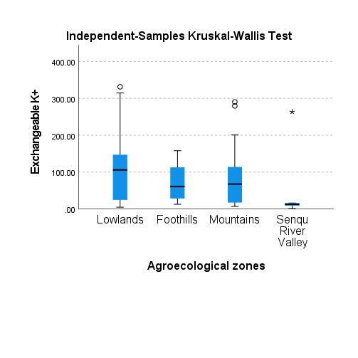

Exchangeable Na+ across Agroecological zones

Independent-Samples Kruskal-Wallis Test Summary
Total N | 70
Test Statistic | 7.107a,b
Degree Of Freedom | 3
Asymptotic Sig.(2-sided test) | 0.0685543
a. The test statistic is adjusted for ties.
b. Multiple comparisons are not performed because the overall test does not show significant differences across samples.

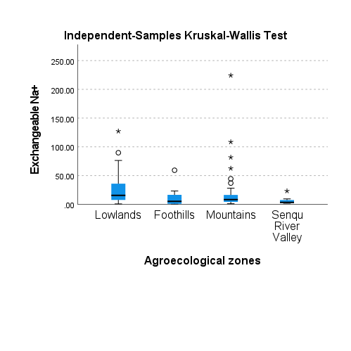

Extractable Fe across Agroecological zones

Independent-Samples Kruskal-Wallis Test Summary
Total N | 70
Test Statistic | 6.264a,b
Degree Of Freedom | 3
Asymptotic Sig.(2-sided test) | 0.09946
a. The test statistic is adjusted for ties.
b. Multiple comparisons are not performed because the overall test does not show significant differences across samples.

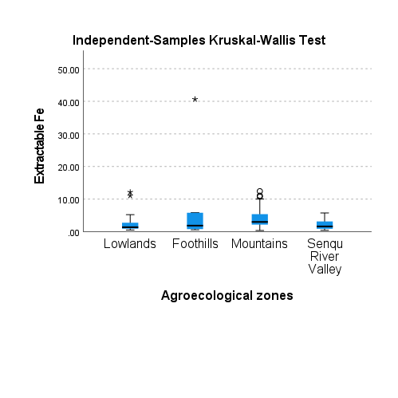

Extractable Mn across Agroecological zones

Independent-Samples Kruskal-Wallis Test Summary
Total N | 70
Test Statistic | .368a,b
Degree Of Freedom | 3
Asymptotic Sig.(2-sided test) | 0.94683
a. The test statistic is adjusted for ties.
b. Multiple comparisons are not performed because the overall test does not show significant differences across samples.

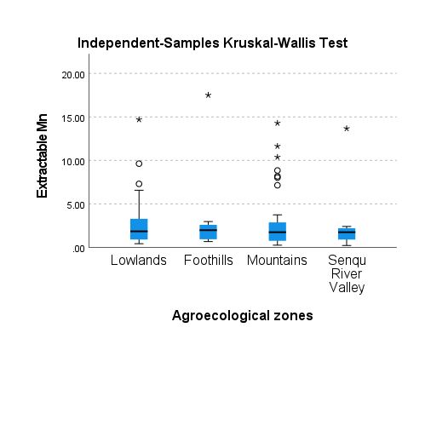

Extractable Cu across Agroecological zones

Independent-Samples Kruskal-Wallis Test Summary
Total N | 70
Test Statistic | 5.823a,b
Degree Of Freedom | 3
Asymptotic Sig.(2-sided test) | 0.12056
a. The test statistic is adjusted for ties.
b. Multiple comparisons are not performed because the overall test does not show significant differences across samples.

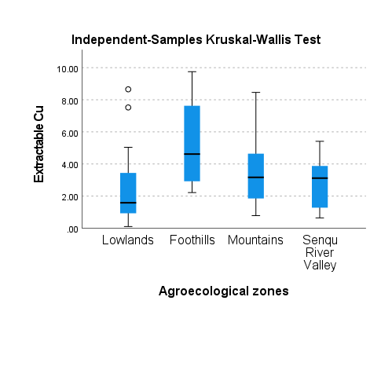

Extractable Zn across Agroecological zones

Independent-Samples Kruskal-Wallis Test Summary
Total N | 70
Test Statistic | 12.909a
Degree Of Freedom | 3
Asymptotic Sig.(2-sided test) | 0.00484
a. The test statistic is adjusted for ties.

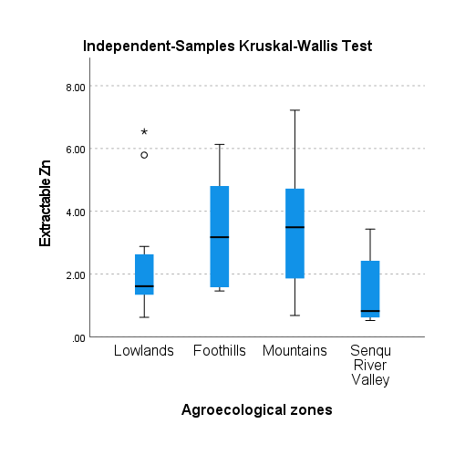
Pairwise Comparisons of Agroecological zones
Sample 1-Sample 2 | Test Statistic | Std. Error | Std. Test Statistic | Sig. | Adj. Sig.a
Senqu River Valley-Lowlands | 9.622 | 9.139 | 1.053 | 0.292 | 1.000
Senqu River Valley-Foothills | 22.857 | 10.533 | 2.170 | 0.030 | 0.17998
Senqu River Valley-Mountains | 24.699 | 8.370 | 2.951 | 0.003 | 0.01902
Lowlands-Foothills | -13.235 | 8.725 | -1.517 | 0.129 | 0.77579
Lowlands-Mountains | -15.077 | 5.938 | -2.539 | 0.011 | 0.06669
Foothills-Mountains | -1.842 | 7.916 | -0.233 | 0.816 | 1.000
Each row tests the null hypothesis that the Sample 1 and Sample 2 distributions are the same. Asymptotic significances (2-sided tests) are displayed. The significance level is .050.
a. Significance values have been adjusted by the Bonferroni correction for multiple tests.

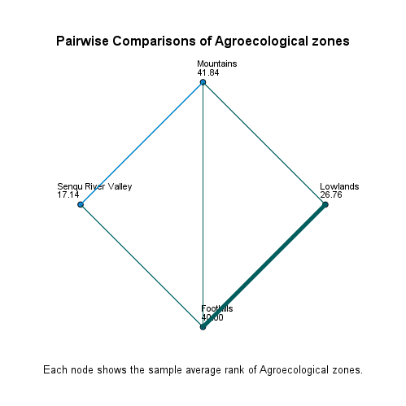

C:N across Agroecological zones

Independent-Samples Kruskal-Wallis Test Summary
Total N | 70
Test Statistic | 12.266a
Degree Of Freedom | 3
Asymptotic Sig.(2-sided test) | 0.00653
a. The test statistic is adjusted for ties.

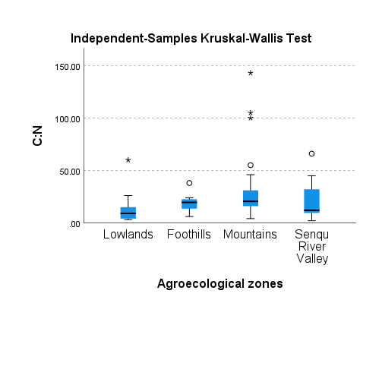
Pairwise Comparisons of Agroecological zones
Sample 1-Sample 2 | Test Statistic | Std. Error | Std. Test Statistic | Sig. | Adj. Sig.a
Lowlands-Senqu River Valley | -9.218 | 9.131 | -1.010 | 0.313 | 1.000
Lowlands-Foothills | -14.147 | 8.717 | -1.623 | 0.105 | 0.62770
Lowlands-Mountains | -20.463 | 5.933 | -3.449 | 0.001 | 0.00337
Senqu River Valley-Foothills | 4.929 | 10.523 | 0.468 | 0.640 | 1.000
Senqu River Valley-Mountains | 11.244 | 8.363 | 1.345 | 0.179 | 1.000
Foothills-Mountains | -6.316 | 7.909 | -0.799 | 0.425 | 1.000
Each row tests the null hypothesis that the Sample 1 and Sample 2 distributions are the same. Asymptotic significances (2-sided tests) are displayed. The significance level is .050.
a. Significance values have been adjusted by the Bonferroni correction for multiple tests.

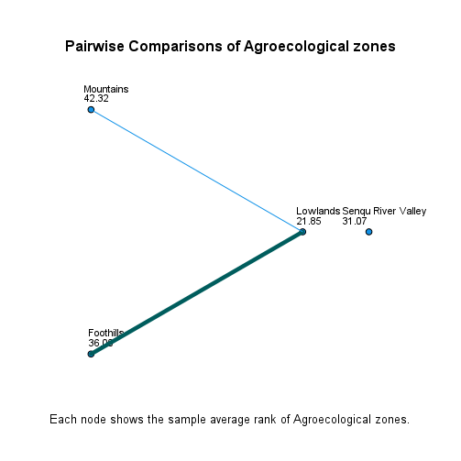

C:P across Agroecological zones

Independent-Samples Kruskal-Wallis Test Summary
Total N | 70
Test Statistic | 23.554a
Degree Of Freedom | 3
Asymptotic Sig.(2-sided test) | 0.00003
a. The test statistic is adjusted for ties.

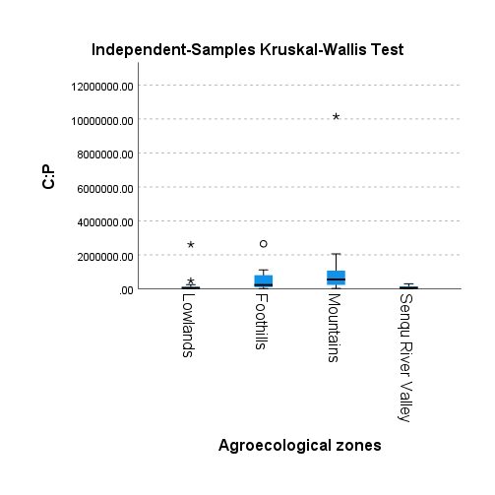
Pairwise Comparisons of Agroecological zones
Sample 1-Sample 2 | Test Statistic | Std. Error | Std. Test Statistic | Sig. | Adj. Sig.a
Lowlands-Senqu River Valley | -0.101 | 9.139 | -0.011 | 0.991 | 1.000
Lowlands-Foothills | -17.904 | 8.725 | -2.052 | 0.040 | 0.24103
Lowlands-Mountains | -25.740 | 5.938 | -4.335 | 0.000 | 0.000088
Senqu River Valley-Foothills | 17.804 | 10.533 | 1.690 | 0.091 | 0.54580
Senqu River Valley-Mountains | 25.639 | 8.371 | 3.063 | 0.002 | 0.01315
Foothills-Mountains | -7.836 | 7.916 | -0.990 | 0.322 | 1.000
Each row tests the null hypothesis that the Sample 1 and Sample 2 distributions are the same. Asymptotic significances (2-sided tests) are displayed. The significance level is .050.
a. Significance values have been adjusted by the Bonferroni correction for multiple tests.

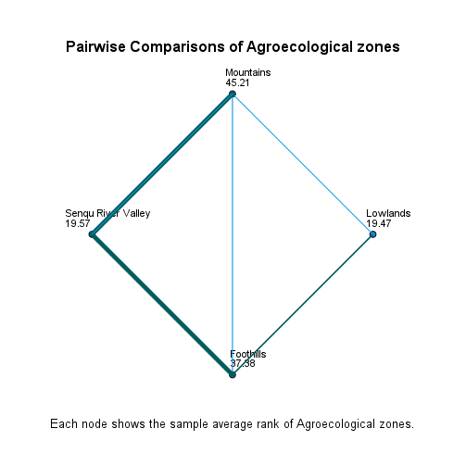

N:P across Agroecological zones

Independent-Samples Kruskal-Wallis Test Summary
Total N | 70
Test Statistic | 15.811a
Degree Of Freedom | 3
Asymptotic Sig.(2-sided test) | 0.001240
a. The test statistic is adjusted for ties.

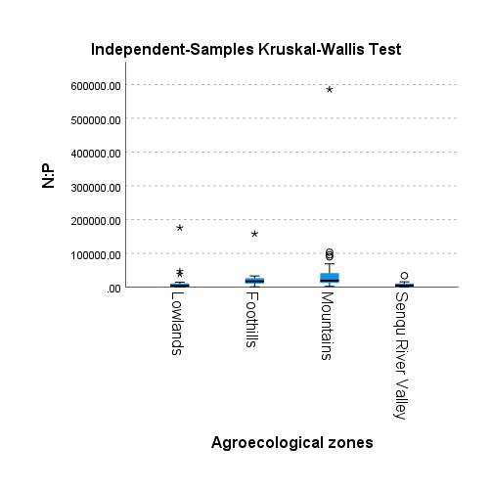
Pairwise Comparisons of Agroecological zones
Sample 1-Sample 2 | Test Statistic | Std. Error | Std. Test Statistic | Sig. | Adj. Sig.a
Senqu River Valley-Lowlands | 1.160 | 9.139 | 0.127 | 0.899 | 1.000
Senqu River Valley-Foothills | 17.321 | 10.533 | 1.645 | 0.100 | 0.60039
Senqu River Valley-Mountains | 21.756 | 8.371 | 2.599 | 0.009 | 0.05609
Lowlands-Foothills | -16.162 | 8.725 | -1.852 | 0.064 | 0.38394
Lowlands-Mountains | -20.596 | 5.938 | -3.468 | 0.001 | 0.00314
Foothills-Mountains | -4.434 | 7.916 | -0.560 | 0.575 | 1.000
Each row tests the null hypothesis that the Sample 1 and Sample 2 distributions are the same. Asymptotic significances (2-sided tests) are displayed. The significance level is .050.
a. Significance values have been adjusted by the Bonferroni correction for multiple tests.

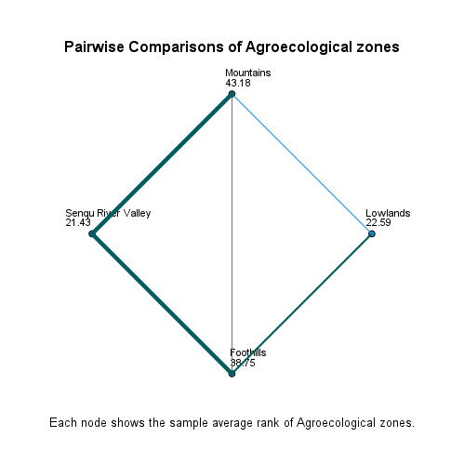
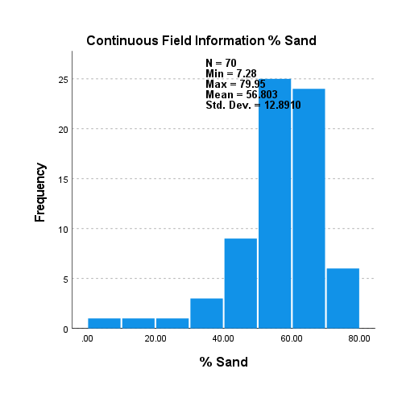
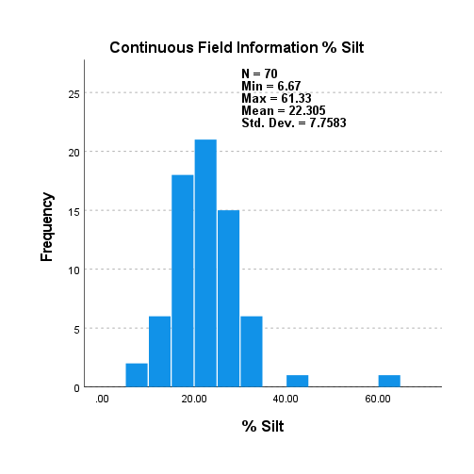
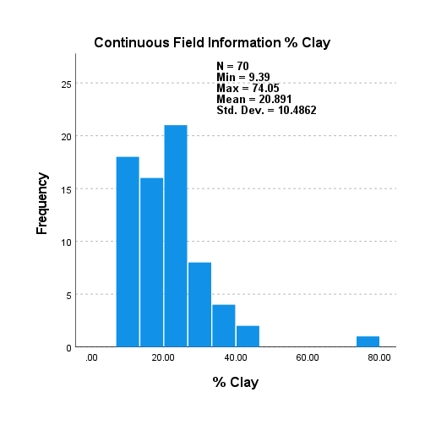
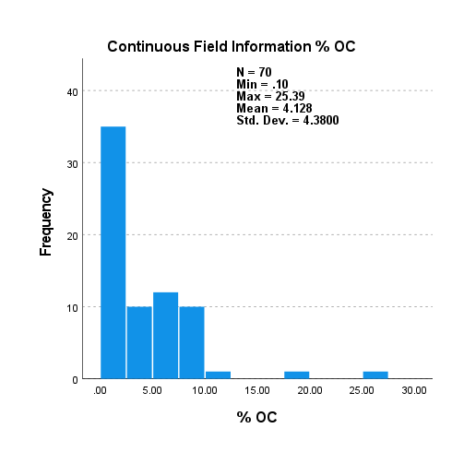
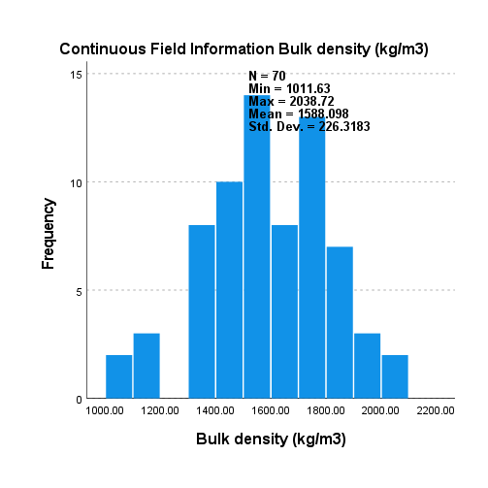
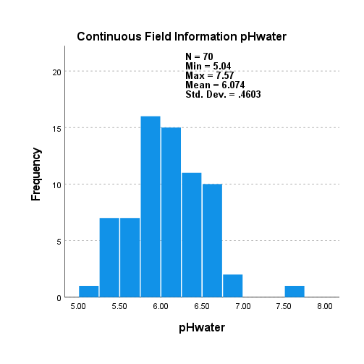
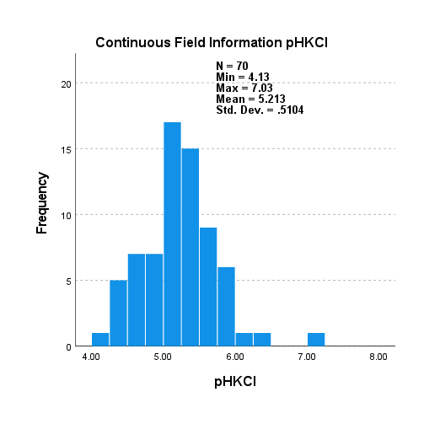
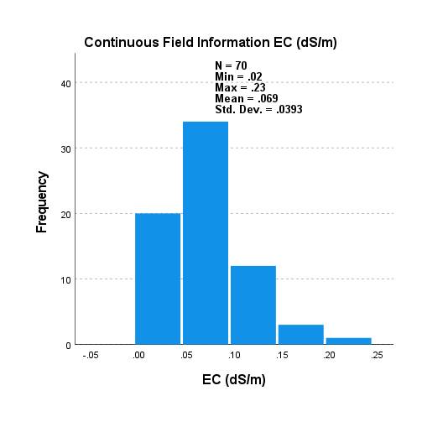
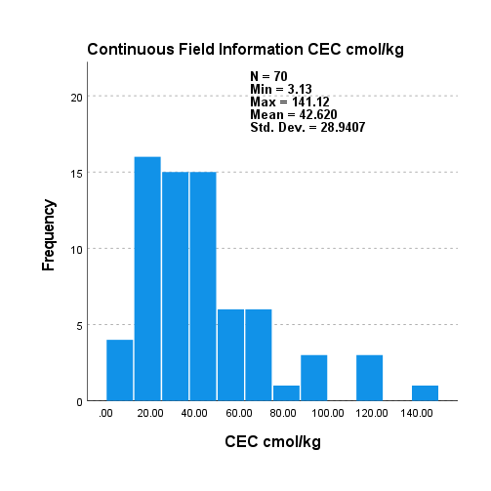
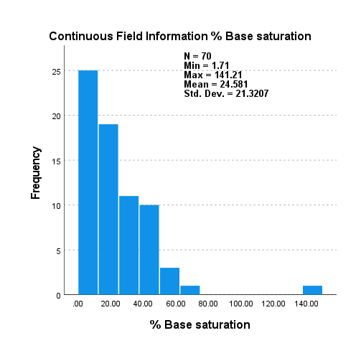
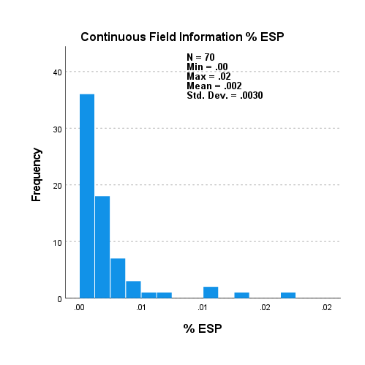















Hypothesis Test Summary
 | Null Hypothesis | Test | Sig.a,b | Decision
1 | The distribution of Available P (mg/kg) is the same across categories of Agroecological zones. | Independent-Samples Kruskal-Wallis Test | 0.49989 | Retain the null hypothesis.
a. The significance level is .050.
b. Asymptotic significance is displayed.

Independent-Samples Kruskal-Wallis Test

Available P (mg/kg) across Agroecological zones

Independent-Samples Kruskal-Wallis Test Summary
Total N | 70
Test Statistic | 2.367a,b
Degree Of Freedom | 3
Asymptotic Sig.(2-sided test) | 0.49989
a. The test statistic is adjusted for ties.
b. Multiple comparisons are not performed because the overall test does not show significant differences across samples.

KRUSKAL & DUNNS (LUT)
*Nonparametric Tests: Independent Samples.
NPTESTS
/INDEPENDENT TEST (Sand Silt Clay OC Bulkdensitykgm3 pHwater pHKCl ECdSm CECcmolkg Basesaturation ESP SAR TN ExchangeableCa ExchangeableMg ExchangeableK ExchangeableNa ExtractableFe ExtractableMn ExtractableCu ExtractableZn CN CP NP) GROUP (LUT) KRUSKAL_WALLIS(COMPARE=PAIRWISE)
/MISSING SCOPE=ANALYSIS USERMISSING=EXCLUDE
/CRITERIA ALPHA=0.05 CILEVEL=95.

Nonparametric Tests

Notes
Output Created |  | 15-OCT-2026 15:51:19
Comments
Input | Data | C:\Users\libetoe\Desktop\MASTERS THESIS\FINAL THESIS TEMP\CHAPTER 4 ANALYSIS\FINAL ANALYSIS\71.sav
 | Active Dataset | DataSet1
 | Filter | <none>
 | Weight | <none>
 | Split File | <none>
 | N of Rows in Working Data File | 70
Syntax |  | NPTESTS /INDEPENDENT TEST (Sand Silt Clay OC Bulkdensitykgm3 pHwater pHKCl ECdSm CECcmolkg Basesaturation ESP SAR TN ExchangeableCa ExchangeableMg ExchangeableK ExchangeableNa ExtractableFe ExtractableMn ExtractableCu ExtractableZn CN CP NP) GROUP (LUT) KRUSKAL_WALLIS(COMPARE=PAIRWISE) /MISSING SCOPE=ANALYSIS USERMISSING=EXCLUDE /CRITERIA ALPHA=0.05 CILEVEL=95.
Resources | Processor Time | 00:00:09.66
 | Elapsed Time | 00:00:09.65

Hypothesis Test Summary
 | Null Hypothesis | Test | Sig.a,b | Decision
1 | The distribution of % Sand is the same across categories of Land use types. | Independent-Samples Kruskal-Wallis Test | 0.00063 | Reject the null hypothesis.
2 | The distribution of % Silt is the same across categories of Land use types. | Independent-Samples Kruskal-Wallis Test | 0.63781 | Retain the null hypothesis.
3 | The distribution of % Clay is the same across categories of Land use types. | Independent-Samples Kruskal-Wallis Test | 0.00010 | Reject the null hypothesis.
4 | The distribution of % OC is the same across categories of Land use types. | Independent-Samples Kruskal-Wallis Test | 0.00350 | Reject the null hypothesis.
5 | The distribution of Bulk density (kg/m3) is the same across categories of Land use types. | Independent-Samples Kruskal-Wallis Test | 0.00004 | Reject the null hypothesis.
6 | The distribution of pHwater is the same across categories of Land use types. | Independent-Samples Kruskal-Wallis Test | 0.39005 | Retain the null hypothesis.
7 | The distribution of pHKCl is the same across categories of Land use types. | Independent-Samples Kruskal-Wallis Test | 0.89340 | Retain the null hypothesis.
8 | The distribution of EC (dS/m) is the same across categories of Land use types. | Independent-Samples Kruskal-Wallis Test | 0.00023 | Reject the null hypothesis.
9 | The distribution of CEC cmol/kg is the same across categories of Land use types. | Independent-Samples Kruskal-Wallis Test | 0.03312 | Reject the null hypothesis.
10 | The distribution of % Base saturation is the same across categories of Land use types. | Independent-Samples Kruskal-Wallis Test | 0.39397 | Retain the null hypothesis.
11 | The distribution of % ESP is the same across categories of Land use types. | Independent-Samples Kruskal-Wallis Test | 0.01233 | Reject the null hypothesis.
12 | The distribution of SAR is the same across categories of Land use types. | Independent-Samples Kruskal-Wallis Test | 0.00091 | Reject the null hypothesis.
13 | The distribution of % TN is the same across categories of Land use types. | Independent-Samples Kruskal-Wallis Test | 0.00021 | Reject the null hypothesis.
14 | The distribution of Exchangeable Ca++ is the same across categories of Land use types. | Independent-Samples Kruskal-Wallis Test | 0.03247 | Reject the null hypothesis.
15 | The distribution of Exchangeable Mg++ is the same across categories of Land use types. | Independent-Samples Kruskal-Wallis Test | 0.05313 | Retain the null hypothesis.
16 | The distribution of Exchangeable K+ is the same across categories of Land use types. | Independent-Samples Kruskal-Wallis Test | 0.87429 | Retain the null hypothesis.
17 | The distribution of Exchangeable Na+ is the same across categories of Land use types. | Independent-Samples Kruskal-Wallis Test | 0.00059 | Reject the null hypothesis.
18 | The distribution of Extractable Fe is the same across categories of Land use types. | Independent-Samples Kruskal-Wallis Test | 0.00054 | Reject the null hypothesis.
19 | The distribution of Extractable Mn is the same across categories of Land use types. | Independent-Samples Kruskal-Wallis Test | 0.73372 | Retain the null hypothesis.
20 | The distribution of Extractable Cu is the same across categories of Land use types. | Independent-Samples Kruskal-Wallis Test | 0.00681 | Reject the null hypothesis.
21 | The distribution of Extractable Zn is the same across categories of Land use types. | Independent-Samples Kruskal-Wallis Test | 0.31421 | Retain the null hypothesis.
22 | The distribution of C:N is the same across categories of Land use types. | Independent-Samples Kruskal-Wallis Test | 0.49877 | Retain the null hypothesis.
23 | The distribution of C:P is the same across categories of Land use types. | Independent-Samples Kruskal-Wallis Test | 0.00173 | Reject the null hypothesis.
24 | The distribution of N:P is the same across categories of Land use types. | Independent-Samples Kruskal-Wallis Test | 0.00041 | Reject the null hypothesis.
a. The significance level is .050.
b. Asymptotic significance is displayed.

Independent-Samples Kruskal-Wallis Test

% Sand across Land use types

Independent-Samples Kruskal-Wallis Test Summary
Total N | 70
Test Statistic | 14.731a
Degree Of Freedom | 2
Asymptotic Sig.(2-sided test) | 0.00063
a. The test statistic is adjusted for ties.


Pairwise Comparisons of Land use types
Sample 1-Sample 2 | Test Statistic | Std. Error | Std. Test Statistic | Sig. | Adj. Sig.a
Cropland-Wetland | -9.656 | 6.749 | -1.43082412 | 0.152 | 0.45744
Cropland-Grassland | -22.823 | 6.195 | -3.68382542 | 0.000 | 0.00069
Wetland-Grassland | 13.167 | 5.677 | 2.31928731 | 0.020 | 0.06114
Each row tests the null hypothesis that the Sample 1 and Sample 2 distributions are the same. Asymptotic significances (2-sided tests) are displayed. The significance level is .050.
a. Significance values have been adjusted by the Bonferroni correction for multiple tests.



% Silt across Land use types

Independent-Samples Kruskal-Wallis Test Summary
Total N | 70
Test Statistic | .899a,b
Degree Of Freedom | 2
Asymptotic Sig.(2-sided test) | 0.63781
a. The test statistic is adjusted for ties.
b. Multiple comparisons are not performed because the overall test does not show significant differences across samples.



% Clay across Land use types

Independent-Samples Kruskal-Wallis Test Summary
Total N | 70
Test Statistic | 18.494a
Degree Of Freedom | 2
Asymptotic Sig.(2-sided test) | 0.00010
a. The test statistic is adjusted for ties.


Pairwise Comparisons of Land use types
Sample 1-Sample 2 | Test Statistic | Std. Error | Std. Test Statistic | Sig. | Adj. Sig.a
Grassland-Wetland | -12.128 | 5.674 | -2.13730600 | 0.033 | 0.09772
Grassland-Cropland | 26.308 | 6.192 | 4.24835889 | 0.000 | 0.00006
Wetland-Cropland | 14.180 | 6.745 | 2.10215701 | 0.036 | 0.10662
Each row tests the null hypothesis that the Sample 1 and Sample 2 distributions are the same. Asymptotic significances (2-sided tests) are displayed. The significance level is .050.
a. Significance values have been adjusted by the Bonferroni correction for multiple tests.



% OC across Land use types

Independent-Samples Kruskal-Wallis Test Summary
Total N | 70
Test Statistic | 11.307a
Degree Of Freedom | 2
Asymptotic Sig.(2-sided test) | 0.00350
a. The test statistic is adjusted for ties.


Pairwise Comparisons of Land use types
Sample 1-Sample 2 | Test Statistic | Std. Error | Std. Test Statistic | Sig. | Adj. Sig.a
Cropland-Grassland | -15.945 | 6.199 | -2.57208036 | 0.010 | 0.03033
Cropland-Wetland | -22.235 | 6.753 | -3.29266283 | 0.001 | 0.00298
Grassland-Wetland | -6.290 | 5.681 | -1.10729260 | 0.268 | 0.80450
Each row tests the null hypothesis that the Sample 1 and Sample 2 distributions are the same. Asymptotic significances (2-sided tests) are displayed. The significance level is .050.
a. Significance values have been adjusted by the Bonferroni correction for multiple tests.



Bulk density (kg/m3) across Land use types

Independent-Samples Kruskal-Wallis Test Summary
Total N | 70
Test Statistic | 20.106a
Degree Of Freedom | 2
Asymptotic Sig.(2-sided test) | 0.00004
a. The test statistic is adjusted for ties.


Pairwise Comparisons of Land use types
Sample 1-Sample 2 | Test Statistic | Std. Error | Std. Test Statistic | Sig. | Adj. Sig.a
Wetland-Grassland | 7.069 | 5.681 | 1.24438959 | 0.213 | 0.64007
Wetland-Cropland | 29.274 | 6.753 | 4.33471400 | 0.000 | 0.00004
Grassland-Cropland | 22.205 | 6.200 | 3.58156830 | 0.000 | 0.00102
Each row tests the null hypothesis that the Sample 1 and Sample 2 distributions are the same. Asymptotic significances (2-sided tests) are displayed. The significance level is .050.
a. Significance values have been adjusted by the Bonferroni correction for multiple tests.



pHwater across Land use types

Independent-Samples Kruskal-Wallis Test Summary
Total N | 70
Test Statistic | 1.883a,b
Degree Of Freedom | 2
Asymptotic Sig.(2-sided test) | 0.39005
a. The test statistic is adjusted for ties.
b. Multiple comparisons are not performed because the overall test does not show significant differences across samples.



pHKCl across Land use types

Independent-Samples Kruskal-Wallis Test Summary
Total N | 70
Test Statistic | .225a,b
Degree Of Freedom | 2
Asymptotic Sig.(2-sided test) | 0.89340
a. The test statistic is adjusted for ties.
b. Multiple comparisons are not performed because the overall test does not show significant differences across samples.



EC (dS/m) across Land use types

Independent-Samples Kruskal-Wallis Test Summary
Total N | 70
Test Statistic | 16.748a
Degree Of Freedom | 2
Asymptotic Sig.(2-sided test) | 0.00023
a. The test statistic is adjusted for ties.


Pairwise Comparisons of Land use types
Sample 1-Sample 2 | Test Statistic | Std. Error | Std. Test Statistic | Sig. | Adj. Sig.a
Cropland-Grassland | -14.579 | 6.155 | -2.36875304 | 0.018 | 0.05354
Cropland-Wetland | -27.403 | 6.704 | -4.08748634 | 0.000 | 0.00013
Grassland-Wetland | -12.825 | 5.640 | -2.27405626 | 0.023 | 0.06889
Each row tests the null hypothesis that the Sample 1 and Sample 2 distributions are the same. Asymptotic significances (2-sided tests) are displayed. The significance level is .050.
a. Significance values have been adjusted by the Bonferroni correction for multiple tests.



CEC cmol/kg across Land use types

Independent-Samples Kruskal-Wallis Test Summary
Total N | 70
Test Statistic | 6.815a
Degree Of Freedom | 2
Asymptotic Sig.(2-sided test) | 0.03312
a. The test statistic is adjusted for ties.


Pairwise Comparisons of Land use types
Sample 1-Sample 2 | Test Statistic | Std. Error | Std. Test Statistic | Sig. | Adj. Sig.a
Cropland-Grassland | -1.752 | 6.200 | -0.28257853 | 0.777 | 1.00000
Cropland-Wetland | -14.955 | 6.753 | -2.21451178 | 0.027 | 0.08038
Grassland-Wetland | -13.203 | 5.681 | -2.32418142 | 0.020 | 0.04035
Each row tests the null hypothesis that the Sample 1 and Sample 2 distributions are the same. Asymptotic significances (2-sided tests) are displayed. The significance level is .050.
a. Significance values have been adjusted by the Bonferroni correction for multiple tests.



% Base saturation across Land use types

Independent-Samples Kruskal-Wallis Test Summary
Total N | 70
Test Statistic | 1.863a,b
Degree Of Freedom | 2
Asymptotic Sig.(2-sided test) | 0.393972
a. The test statistic is adjusted for ties.
b. Multiple comparisons are not performed because the overall test does not show significant differences across samples.



% ESP across Land use types

Independent-Samples Kruskal-Wallis Test Summary
Total N | 70
Test Statistic | 8.792a
Degree Of Freedom | 2
Asymptotic Sig.(2-sided test) | 0.01233
a. The test statistic is adjusted for ties.


Pairwise Comparisons of Land use types
Sample 1-Sample 2 | Test Statistic | Std. Error | Std. Test Statistic | Sig. | Adj. Sig.a
Grassland-Cropland | 4.437 | 6.199 | 0.71566112 | 0.474 | 1.00000
Grassland-Wetland | -16.721 | 5.681 | -2.94353412 | 0.003 | 0.00973
Cropland-Wetland | -12.284 | 6.753 | -1.81911186 | 0.069 | 0.20668
Each row tests the null hypothesis that the Sample 1 and Sample 2 distributions are the same. Asymptotic significances (2-sided tests) are displayed. The significance level is .050.
a. Significance values have been adjusted by the Bonferroni correction for multiple tests.



SAR across Land use types

Independent-Samples Kruskal-Wallis Test Summary
Total N | 70
Test Statistic | 13.996a
Degree Of Freedom | 2
Asymptotic Sig.(2-sided test) | 0.00091
a. The test statistic is adjusted for ties.


Pairwise Comparisons of Land use types
Sample 1-Sample 2 | Test Statistic | Std. Error | Std. Test Statistic | Sig. | Adj. Sig.a
Grassland-Cropland | 5.528 | 6.200 | 0.89172619 | 0.373 | 1.00000
Grassland-Wetland | -21.091 | 5.681 | -3.71259406 | 0.000 | 0.00062
Cropland-Wetland | -15.563 | 6.753 | -2.30441434 | 0.021 | 0.06360
Each row tests the null hypothesis that the Sample 1 and Sample 2 distributions are the same. Asymptotic significances (2-sided tests) are displayed. The significance level is .050.
a. Significance values have been adjusted by the Bonferroni correction for multiple tests.



% TN across Land use types

Independent-Samples Kruskal-Wallis Test Summary
Total N | 70
Test Statistic | 16.914a
Degree Of Freedom | 2
Asymptotic Sig.(2-sided test) | 0.00021
a. The test statistic is adjusted for ties.


Pairwise Comparisons of Land use types
Sample 1-Sample 2 | Test Statistic | Std. Error | Std. Test Statistic | Sig. | Adj. Sig.a
Cropland-Grassland | -14.550 | 6.183 | -2.35309228 | 0.019 | 0.05585
Cropland-Wetland | -27.656 | 6.736 | -4.10594815 | 0.000 | 0.00012
Grassland-Wetland | -13.106 | 5.666 | -2.31309410 | 0.021 | 0.06215
Each row tests the null hypothesis that the Sample 1 and Sample 2 distributions are the same. Asymptotic significances (2-sided tests) are displayed. The significance level is .050.
a. Significance values have been adjusted by the Bonferroni correction for multiple tests.



Exchangeable Ca++ across Land use types

Independent-Samples Kruskal-Wallis Test Summary
Total N | 70
Test Statistic | 6.855a
Degree Of Freedom | 2
Asymptotic Sig.(2-sided test) | 0.03247
a. The test statistic is adjusted for ties.


Pairwise Comparisons of Land use types
Sample 1-Sample 2 | Test Statistic | Std. Error | Std. Test Statistic | Sig. | Adj. Sig.a
Cropland-Grassland | -3.112 | 6.200 | -0.50192057 | 0.616 | 1.00000
Cropland-Wetland | -15.735 | 6.753 | -2.32997488 | 0.020 | 0.04942
Grassland-Wetland | -12.623 | 5.681 | -2.22206985 | 0.026 | 0.07884
Each row tests the null hypothesis that the Sample 1 and Sample 2 distributions are the same. Asymptotic significances (2-sided tests) are displayed. The significance level is .050.
a. Significance values have been adjusted by the Bonferroni correction for multiple tests.



Exchangeable Mg++ across Land use types

Independent-Samples Kruskal-Wallis Test Summary
Total N | 70
Test Statistic | 5.870a,b
Degree Of Freedom | 2
Asymptotic Sig.(2-sided test) | 0.05313
a. The test statistic is adjusted for ties.
b. Multiple comparisons are not performed because the overall test does not show significant differences across samples.



Exchangeable K+ across Land use types

Independent-Samples Kruskal-Wallis Test Summary
Total N | 70
Test Statistic | .269a,b
Degree Of Freedom | 2
Asymptotic Sig.(2-sided test) | 0.87429
a. The test statistic is adjusted for ties.
b. Multiple comparisons are not performed because the overall test does not show significant differences across samples.



Exchangeable Na+ across Land use types

Independent-Samples Kruskal-Wallis Test Summary
Total N | 70
Test Statistic | 14.868a
Degree Of Freedom | 2
Asymptotic Sig.(2-sided test) | 0.00059
a. The test statistic is adjusted for ties.


Pairwise Comparisons of Land use types
Sample 1-Sample 2 | Test Statistic | Std. Error | Std. Test Statistic | Sig. | Adj. Sig.a
Grassland-Cropland | 2.657 | 6.200 | 0.42861039 | 0.668 | 1.000
Grassland-Wetland | -21.208 | 5.681 | -3.73323410 | 0.000 | 0.00057
Cropland-Wetland | -18.551 | 6.753 | -2.74692406 | 0.006 | 0.01805
Each row tests the null hypothesis that the Sample 1 and Sample 2 distributions are the same. Asymptotic significances (2-sided tests) are displayed. The significance level is .050.
a. Significance values have been adjusted by the Bonferroni correction for multiple tests.



Extractable Fe across Land use types

Independent-Samples Kruskal-Wallis Test Summary
Total N | 70
Test Statistic | 15.050a
Degree Of Freedom | 2
Asymptotic Sig.(2-sided test) | 0.00054
a. The test statistic is adjusted for ties.


Pairwise Comparisons of Land use types
Sample 1-Sample 2 | Test Statistic | Std. Error | Std. Test Statistic | Sig. | Adj. Sig.a
Cropland-Grassland | -9.040 | 6.200 | -1.45811797 | 0.145 | 0.43442
Cropland-Wetland | -25.170 | 6.753 | -3.72702287 | 0.000 | 0.00058
Grassland-Wetland | -16.130 | 5.681 | -2.83933631 | 0.005 | 0.01356
Each row tests the null hypothesis that the Sample 1 and Sample 2 distributions are the same. Asymptotic significances (2-sided tests) are displayed. The significance level is .050.
a. Significance values have been adjusted by the Bonferroni correction for multiple tests.



Extractable Mn across Land use types

Independent-Samples Kruskal-Wallis Test Summary
Total N | 70
Test Statistic | .619a,b
Degree Of Freedom | 2
Asymptotic Sig.(2-sided test) | 0.73372
a. The test statistic is adjusted for ties.
b. Multiple comparisons are not performed because the overall test does not show significant differences across samples.



Extractable Cu across Land use types

Independent-Samples Kruskal-Wallis Test Summary
Total N | 70
Test Statistic | 9.980a
Degree Of Freedom | 2
Asymptotic Sig.(2-sided test) | 0.00681
a. The test statistic is adjusted for ties.


Pairwise Comparisons of Land use types
Sample 1-Sample 2 | Test Statistic | Std. Error | Std. Test Statistic | Sig. | Adj. Sig.a
Grassland-Cropland | 6.938 | 6.200 | 1.11918330 | 0.263 | 0.78919
Grassland-Wetland | -17.946 | 5.681 | -3.15903694 | 0.002 | 0.00475
Cropland-Wetland | -11.007 | 6.753 | -1.62995326 | 0.103 | 0.30933
Each row tests the null hypothesis that the Sample 1 and Sample 2 distributions are the same. Asymptotic significances (2-sided tests) are displayed. The significance level is .050.
a. Significance values have been adjusted by the Bonferroni correction for multiple tests.



Extractable Zn across Land use types

Independent-Samples Kruskal-Wallis Test Summary
Total N | 70
Test Statistic | 2.315a,b
Degree Of Freedom | 2
Asymptotic Sig.(2-sided test) | 0.31421
a. The test statistic is adjusted for ties.
b. Multiple comparisons are not performed because the overall test does not show significant differences across samples.



C:N across Land use types

Independent-Samples Kruskal-Wallis Test Summary
Total N | 70
Test Statistic | 1.391a,b
Degree Of Freedom | 2
Asymptotic Sig.(2-sided test) | 0.49877
a. The test statistic is adjusted for ties.
b. Multiple comparisons are not performed because the overall test does not show significant differences across samples.



C:P across Land use types

Independent-Samples Kruskal-Wallis Test Summary
Total N | 70
Test Statistic | 12.723a
Degree Of Freedom | 2
Asymptotic Sig.(2-sided test) | 0.00173
a. The test statistic is adjusted for ties.


Pairwise Comparisons of Land use types
Sample 1-Sample 2 | Test Statistic | Std. Error | Std. Test Statistic | Sig. | Adj. Sig.a
Cropland-Grassland | -15.085 | 6.200 | -2.43323025 | 0.015 | 0.04489
Cropland-Wetland | -24.003 | 6.753 | -3.55423631 | 0.000 | 0.00114
Grassland-Wetland | -8.918 | 5.681 | -1.56977499 | 0.116 | 0.34940
Each row tests the null hypothesis that the Sample 1 and Sample 2 distributions are the same. Asymptotic significances (2-sided tests) are displayed. The significance level is .050.
a. Significance values have been adjusted by the Bonferroni correction for multiple tests.



N:P across Land use types

Independent-Samples Kruskal-Wallis Test Summary
Total N | 70
Test Statistic | 15.599a
Degree Of Freedom | 2
Asymptotic Sig.(2-sided test) | 0.00041
a. The test statistic is adjusted for ties.


Pairwise Comparisons of Land use types
Sample 1-Sample 2 | Test Statistic | Std. Error | Std. Test Statistic | Sig. | Adj. Sig.a
Cropland-Grassland | -13.572 | 6.200 | -2.18914350 | 0.029 | 0.08576
Cropland-Wetland | -26.589 | 6.753 | -3.93720362 | 0.000 | 0.00025
Grassland-Wetland | -13.017 | 5.681 | -2.29141427 | 0.022 | 0.06582
Each row tests the null hypothesis that the Sample 1 and Sample 2 distributions are the same. Asymptotic significances (2-sided tests) are displayed. The significance level is .050.
a. Significance values have been adjusted by the Bonferroni correction for multiple tests.


















Hypothesis Test Summary
 | Null Hypothesis | Test | Sig.a,b | Decision
1 | The distribution of Available P (mg/kg) is the same across categories of Land use types. | Independent-Samples Kruskal-Wallis Test | 0.49868 | Retain the null hypothesis.
a. The significance level is .050.
b. Asymptotic significance is displayed.

Independent-Samples Kruskal-Wallis Test

Available P (mg/kg) across Land use types

Independent-Samples Kruskal-Wallis Test Summary
Total N | 70
Test Statistic | 1.392a,b
Degree Of Freedom | 2
Asymptotic Sig.(2-sided test) | 0.49868
a. The test statistic is adjusted for ties.
b. Multiple comparisons are not performed because the overall test does not show significant differences across samples.

KRUSKAL & DUNNS (INTERACTION
*Nonparametric Tests: Independent Samples.
NPTESTS
/INDEPENDENT TEST (Sand Silt Clay OC Bulkdensitykgm3 pHwater pHKCl ECdSm CECcmolkg Basesaturation ESP SAR TN ExchangeableCa ExchangeableMg ExchangeableK ExchangeableNa ExtractableFe ExtractableMn ExtractableCu ExtractableZn CN CP NP) GROUP (AEZ_LUT) KRUSKAL_WALLIS(COMPARE=PAIRWISE)
/MISSING SCOPE=ANALYSIS USERMISSING=EXCLUDE
/CRITERIA ALPHA=0.05 CILEVEL=95.

Nonparametric Tests

Notes
Output Created |  | 15-OCT-2026 15:53:32
Comments
Input | Data | C:\Users\libetoe\Desktop\MASTERS THESIS\FINAL THESIS TEMP\CHAPTER 4 ANALYSIS\FINAL ANALYSIS\71.sav
 | Active Dataset | DataSet1
 | Filter | <none>
 | Weight | <none>
 | Split File | <none>
 | N of Rows in Working Data File | 70
Syntax |  | NPTESTS /INDEPENDENT TEST (Sand Silt Clay OC Bulkdensitykgm3 pHwater pHKCl ECdSm CECcmolkg Basesaturation ESP SAR TN ExchangeableCa ExchangeableMg ExchangeableK ExchangeableNa ExtractableFe ExtractableMn ExtractableCu ExtractableZn CN CP NP) GROUP (AEZ_LUT) KRUSKAL_WALLIS(COMPARE=PAIRWISE) /MISSING SCOPE=ANALYSIS USERMISSING=EXCLUDE /CRITERIA ALPHA=0.05 CILEVEL=95.
Resources | Processor Time | 00:00:10.97
 | Elapsed Time | 00:00:10.83

Hypothesis Test Summary
 | Null Hypothesis | Test | Sig.a,b | Decision
1 | The distribution of % Sand is the same across categories of AEZ x Land Use Type combination. | Independent-Samples Kruskal-Wallis Test | 0.00375 | Reject the null hypothesis.
2 | The distribution of % Silt is the same across categories of AEZ x Land Use Type combination. | Independent-Samples Kruskal-Wallis Test | 0.15166 | Retain the null hypothesis.
3 | The distribution of % Clay is the same across categories of AEZ x Land Use Type combination. | Independent-Samples Kruskal-Wallis Test | 0.00006 | Reject the null hypothesis.
4 | The distribution of % OC is the same across categories of AEZ x Land Use Type combination. | Independent-Samples Kruskal-Wallis Test | 0.00000 | Reject the null hypothesis.
5 | The distribution of Bulk density (kg/m3) is the same across categories of AEZ x Land Use Type combination. | Independent-Samples Kruskal-Wallis Test | 0.00002 | Reject the null hypothesis.
6 | The distribution of pHwater is the same across categories of AEZ x Land Use Type combination. | Independent-Samples Kruskal-Wallis Test | 0.00418 | Reject the null hypothesis.
7 | The distribution of pHKCl is the same across categories of AEZ x Land Use Type combination. | Independent-Samples Kruskal-Wallis Test | 0.01752 | Reject the null hypothesis.
8 | The distribution of EC (dS/m) is the same across categories of AEZ x Land Use Type combination. | Independent-Samples Kruskal-Wallis Test | 0.00189 | Reject the null hypothesis.
9 | The distribution of CEC cmol/kg is the same across categories of AEZ x Land Use Type combination. | Independent-Samples Kruskal-Wallis Test | 0.00299 | Reject the null hypothesis.
10 | The distribution of % Base saturation is the same across categories of AEZ x Land Use Type combination. | Independent-Samples Kruskal-Wallis Test | 0.25154 | Retain the null hypothesis.
11 | The distribution of % ESP is the same across categories of AEZ x Land Use Type combination. | Independent-Samples Kruskal-Wallis Test | 0.00644 | Reject the null hypothesis.
12 | The distribution of SAR is the same across categories of AEZ x Land Use Type combination. | Independent-Samples Kruskal-Wallis Test | 0.00493 | Reject the null hypothesis.
13 | The distribution of % TN is the same across categories of AEZ x Land Use Type combination. | Independent-Samples Kruskal-Wallis Test | 0.00003 | Reject the null hypothesis.
14 | The distribution of Exchangeable Ca++ is the same across categories of AEZ x Land Use Type combination. | Independent-Samples Kruskal-Wallis Test | 0.00697 | Reject the null hypothesis.
15 | The distribution of Exchangeable Mg++ is the same across categories of AEZ x Land Use Type combination. | Independent-Samples Kruskal-Wallis Test | 0.16760 | Retain the null hypothesis.
16 | The distribution of Exchangeable K+ is the same across categories of AEZ x Land Use Type combination. | Independent-Samples Kruskal-Wallis Test | 0.34099 | Retain the null hypothesis.
17 | The distribution of Exchangeable Na+ is the same across categories of AEZ x Land Use Type combination. | Independent-Samples Kruskal-Wallis Test | 0.02733 | Reject the null hypothesis.
18 | The distribution of Extractable Fe is the same across categories of AEZ x Land Use Type combination. | Independent-Samples Kruskal-Wallis Test | 0.00532 | Reject the null hypothesis.
19 | The distribution of Extractable Mn is the same across categories of AEZ x Land Use Type combination. | Independent-Samples Kruskal-Wallis Test | 0.83160 | Retain the null hypothesis.
20 | The distribution of Extractable Cu is the same across categories of AEZ x Land Use Type combination. | Independent-Samples Kruskal-Wallis Test | 0.03950 | Reject the null hypothesis.
21 | The distribution of Extractable Zn is the same across categories of AEZ x Land Use Type combination. | Independent-Samples Kruskal-Wallis Test | 0.04013 | Reject the null hypothesis.
22 | The distribution of C:N is the same across categories of AEZ x Land Use Type combination. | Independent-Samples Kruskal-Wallis Test | 0.03827 | Reject the null hypothesis.
23 | The distribution of C:P is the same across categories of AEZ x Land Use Type combination. | Independent-Samples Kruskal-Wallis Test | 0.00004 | Reject the null hypothesis.
24 | The distribution of N:P is the same across categories of AEZ x Land Use Type combination. | Independent-Samples Kruskal-Wallis Test | 0.00024 | Reject the null hypothesis.
a. The significance level is .050.
b. Asymptotic significance is displayed.

Independent-Samples Kruskal-Wallis Test

% Sand across AEZ x Land Use Type combination

Independent-Samples Kruskal-Wallis Test Summary
Total N | 70
Test Statistic | 27.583a
Degree Of Freedom | 11
Asymptotic Sig.(2-sided test) | 0.00375
a. The test statistic is adjusted for ties.


Pairwise Comparisons of AEZ x Land Use Type combination
Sample 1-Sample 2 | Test Statistic | Std. Error | Std. Test Statistic | Sig. | Adj. Sig.a
Foothills Cropland-Lowlands Wetland | 2.262 | 14.034 | 0.161 | 0.872 | 1.00000
Foothills Cropland-Mountains Cropland | -3.619 | 14.034 | -0.258 | 0.797 | 1.00000
Foothills Cropland-Senqu River Valley Cropland | -3.833 | 18.565 | -0.206 | 0.836 | 1.00000
Foothills Cropland-Foothills Wetland | -10.583 | 18.565 | -0.570 | 0.569 | 1.00000
Foothills Cropland-Senqu River Valley Grassland | -18.583 | 15.533 | -1.196 | 0.232 | 1.00000
Foothills Cropland-Lowlands Cropland | 22.458 | 15.533 | 1.446 | 0.148 | 1.00000
Foothills Cropland-Mountains Wetland | -25.242 | 13.246 | -1.906 | 0.057 | 1.00000
Foothills Cropland-Lowlands Grassland | 28.917 | 14.381 | 2.011 | 0.044 | 1.00000
Foothills Cropland-Mountains Grassland | -32.883 | 12.592 | -2.612 | 0.009 | 0.59490
Foothills Cropland-Foothills Grassland | -33.667 | 16.605 | -2.027 | 0.043 | 1.00000
Foothills Cropland-Senqu River Valley Wetland | -49.333 | 23.483 | -2.101 | 0.036 | 1.00000
Lowlands Wetland-Mountains Cropland | -1.357 | 10.871 | -0.125 | 0.901 | 1.00000
Lowlands Wetland-Senqu River Valley Cropland | -1.571 | 16.306 | -0.096 | 0.923 | 1.00000
Lowlands Wetland-Foothills Wetland | -8.321 | 16.306 | -0.510 | 0.610 | 1.00000
Lowlands Wetland-Senqu River Valley Grassland | -16.321 | 12.747 | -1.280 | 0.200 | 1.00000
Lowlands Wetland-Lowlands Cropland | 20.196 | 12.747 | 1.584 | 0.113 | 1.00000
Lowlands Wetland-Mountains Wetland | -22.981 | 9.833 | -2.337 | 0.019 | 1.00000
Lowlands Wetland-Lowlands Grassland | 26.655 | 11.315 | 2.356 | 0.018 | 1.00000
Lowlands Wetland-Mountains Grassland | -30.621 | 8.931 | -3.429 | 0.001 | 0.04004
Lowlands Wetland-Foothills Grassland | -31.405 | 14.034 | -2.238 | 0.025 | 1.00000
Lowlands Wetland-Senqu River Valley Wetland | -47.071 | 21.741 | -2.165 | 0.030 | 1.00000
Mountains Cropland-Senqu River Valley Cropland | -0.214 | 16.306 | -0.013 | 0.990 | 1.00000
Mountains Cropland-Foothills Wetland | 6.964 | 16.306 | 0.427 | 0.669 | 1.00000
Mountains Cropland-Senqu River Valley Grassland | -14.964 | 12.747 | -1.174 | 0.240 | 1.00000
Mountains Cropland-Lowlands Cropland | 18.839 | 12.747 | 1.478 | 0.139 | 1.00000
Mountains Cropland-Mountains Wetland | -21.623 | 9.833 | -2.199 | 0.028 | 1.00000
Mountains Cropland-Lowlands Grassland | 25.298 | 11.315 | 2.236 | 0.025 | 1.00000
Mountains Cropland-Mountains Grassland | -29.264 | 8.931 | -3.277 | 0.001 | 0.06933
Mountains Cropland-Foothills Grassland | 30.048 | 14.034 | 2.141 | 0.032 | 1.00000
Mountains Cropland-Senqu River Valley Wetland | -45.714 | 21.741 | -2.103 | 0.035 | 1.00000
Senqu River Valley Cropland-Foothills Wetland | 6.750 | 20.337 | 0.332 | 0.740 | 1.00000
Senqu River Valley Cropland-Senqu River Valley Grassland | -14.750 | 17.613 | -0.837 | 0.402 | 1.00000
Senqu River Valley Cropland-Lowlands Cropland | 18.625 | 17.613 | 1.057 | 0.290 | 1.00000
Senqu River Valley Cropland-Mountains Wetland | 21.409 | 15.633 | 1.369 | 0.171 | 1.00000
Senqu River Valley Cropland-Lowlands Grassland | 25.083 | 16.605 | 1.511 | 0.131 | 1.00000
Senqu River Valley Cropland-Mountains Grassland | 29.050 | 15.082 | 1.926 | 0.054 | 1.00000
Senqu River Valley Cropland-Foothills Grassland | 29.833 | 18.565 | 1.607 | 0.108 | 1.00000
Senqu River Valley Cropland-Senqu River Valley Wetland | -45.500 | 24.908 | -1.827 | 0.068 | 1.00000
Foothills Wetland-Senqu River Valley Grassland | -8.000 | 17.613 | -0.454 | 0.650 | 1.00000
Foothills Wetland-Lowlands Cropland | 11.875 | 17.613 | 0.674 | 0.500 | 1.00000
Foothills Wetland-Mountains Wetland | -14.659 | 15.633 | -0.938 | 0.348 | 1.00000
Foothills Wetland-Lowlands Grassland | 18.333 | 16.605 | 1.104 | 0.270 | 1.00000
Foothills Wetland-Mountains Grassland | -22.300 | 15.082 | -1.479 | 0.139 | 1.00000
Foothills Wetland-Foothills Grassland | 23.083 | 18.565 | 1.243 | 0.214 | 1.00000
Foothills Wetland-Senqu River Valley Wetland | -38.750 | 24.908 | -1.556 | 0.120 | 1.00000
Senqu River Valley Grassland-Lowlands Cropland | 3.875 | 14.381 | 0.269 | 0.788 | 1.00000
Senqu River Valley Grassland-Mountains Wetland | 6.659 | 11.874 | 0.561 | 0.575 | 1.00000
Senqu River Valley Grassland-Lowlands Grassland | 10.333 | 13.128 | 0.787 | 0.431 | 1.00000
Senqu River Valley Grassland-Mountains Grassland | 14.300 | 11.139 | 1.284 | 0.199 | 1.00000
Senqu River Valley Grassland-Foothills Grassland | 15.083 | 15.533 | 0.971 | 0.332 | 1.00000
Senqu River Valley Grassland-Senqu River Valley Wetland | -30.750 | 22.738 | -1.352 | 0.176 | 1.00000
Lowlands Cropland-Mountains Wetland | -2.784 | 11.874 | -0.234 | 0.815 | 1.00000
Lowlands Cropland-Lowlands Grassland | -6.458 | 13.128 | -0.492 | 0.623 | 1.00000
Lowlands Cropland-Mountains Grassland | -10.425 | 11.139 | -0.936 | 0.349 | 1.00000
Lowlands Cropland-Foothills Grassland | -11.208 | 15.533 | -0.722 | 0.471 | 1.00000
Lowlands Cropland-Senqu River Valley Wetland | -26.875 | 22.738 | -1.182 | 0.237 | 1.00000
Mountains Wetland-Lowlands Grassland | 3.674 | 10.322 | 0.356 | 0.722 | 1.00000
Mountains Wetland-Mountains Grassland | 7.641 | 7.634 | 1.001 | 0.317 | 1.00000
Mountains Wetland-Foothills Grassland | 8.424 | 13.246 | 0.636 | 0.525 | 1.00000
Mountains Wetland-Senqu River Valley Wetland | -24.091 | 21.242 | -1.134 | 0.257 | 1.00000
Lowlands Grassland-Mountains Grassland | -3.967 | 9.466 | -0.419 | 0.675 | 1.00000
Lowlands Grassland-Foothills Grassland | -4.750 | 14.381 | -0.330 | 0.741 | 1.00000
Lowlands Grassland-Senqu River Valley Wetland | -20.417 | 21.967 | -0.929 | 0.353 | 1.00000
Mountains Grassland-Foothills Grassland | 0.783 | 12.592 | 0.062 | 0.950 | 1.00000
Mountains Grassland-Senqu River Valley Wetland | -16.450 | 20.839 | -0.789 | 0.430 | 1.00000
Foothills Grassland-Senqu River Valley Wetland | -15.667 | 23.483 | -0.667 | 0.505 | 1.00000
Each row tests the null hypothesis that the Sample 1 and Sample 2 distributions are the same. Asymptotic significances (2-sided tests) are displayed. The significance level is .050.
a. Significance values have been adjusted by the Bonferroni correction for multiple tests.



% Silt across AEZ x Land Use Type combination

Independent-Samples Kruskal-Wallis Test Summary
Total N | 70
Test Statistic | 15.725a,b
Degree Of Freedom | 11
Asymptotic Sig.(2-sided test) | 0.152
a. The test statistic is adjusted for ties.
b. Multiple comparisons are not performed because the overall test does not show significant differences across samples.



% Clay across AEZ x Land Use Type combination

Independent-Samples Kruskal-Wallis Test Summary
Total N | 70
Test Statistic | 38.740a
Degree Of Freedom | 11
Asymptotic Sig.(2-sided test) | 0.00006
a. The test statistic is adjusted for ties.


Pairwise Comparisons of AEZ x Land Use Type combination
Sample 1-Sample 2 | Test Statistic | Std. Error | Std. Test Statistic | Sig. | Adj. Sig.a
Senqu River Valley Wetland-Mountains Grassland | 3.500 | 20.829 | 0.168 | 0.867 | 1.00000
Senqu River Valley Wetland-Mountains Wetland | 16.136 | 21.231 | 0.760 | 0.447 | 1.00000
Senqu River Valley Wetland-Foothills Grassland | 20.500 | 23.472 | 0.873 | 0.382 | 1.00000
Senqu River Valley Wetland-Senqu River Valley Grassland | 28.125 | 22.727 | 1.238 | 0.216 | 1.00000
Senqu River Valley Wetland-Lowlands Grassland | 30.000 | 21.956 | 1.366 | 0.172 | 1.00000
Senqu River Valley Wetland-Lowlands Cropland | 31.375 | 22.727 | 1.381 | 0.167 | 1.00000
Senqu River Valley Wetland-Mountains Cropland | 37.929 | 21.731 | 1.745 | 0.081 | 1.00000
Senqu River Valley Wetland-Lowlands Wetland | 38.429 | 21.731 | 1.768 | 0.077 | 1.00000
Senqu River Valley Wetland-Foothills Wetland | 39.000 | 24.896 | 1.567 | 0.117 | 1.00000
Senqu River Valley Wetland-Senqu River Valley Cropland | 44.000 | 24.896 | 1.767 | 0.077 | 1.00000
Senqu River Valley Wetland-Foothills Cropland | 49.167 | 23.472 | 2.095 | 0.036 | 1.00000
Mountains Grassland-Mountains Wetland | -12.636 | 7.630 | -1.656 | 0.098 | 1.00000
Mountains Grassland-Foothills Grassland | 17.000 | 12.585 | 1.351 | 0.177 | 1.00000
Mountains Grassland-Senqu River Valley Grassland | -24.625 | 11.134 | -2.212 | 0.027 | 1.00000
Mountains Grassland-Lowlands Grassland | 26.500 | 9.462 | 2.801 | 0.005 | 0.33654
Mountains Grassland-Lowlands Cropland | 27.875 | 11.134 | 2.504 | 0.012 | 0.81128
Mountains Grassland-Mountains Cropland | 34.429 | 8.927 | 3.857 | 0.000 | 0.00758
Mountains Grassland-Lowlands Wetland | 34.929 | 8.927 | 3.913 | 0.000 | 0.00602
Mountains Grassland-Foothills Wetland | 35.500 | 15.075 | 2.355 | 0.019 | 1.00000
Mountains Grassland-Senqu River Valley Cropland | -40.500 | 15.075 | -2.687 | 0.007 | 0.47651
Mountains Grassland-Foothills Cropland | 45.667 | 12.585 | 3.629 | 0.000 | 0.01881
Mountains Wetland-Foothills Grassland | 4.364 | 13.240 | 0.330 | 0.742 | 1.00000
Mountains Wetland-Senqu River Valley Grassland | -11.989 | 11.869 | -1.010 | 0.312 | 1.00000
Mountains Wetland-Lowlands Grassland | 13.864 | 10.317 | 1.344 | 0.179 | 1.00000
Mountains Wetland-Lowlands Cropland | 15.239 | 11.869 | 1.284 | 0.199 | 1.00000
Mountains Wetland-Mountains Cropland | 21.792 | 9.828 | 2.217 | 0.027 | 1.00000
Mountains Wetland-Lowlands Wetland | 22.292 | 9.828 | 2.268 | 0.023 | 1.00000
Mountains Wetland-Foothills Wetland | 22.864 | 15.626 | 1.463 | 0.143 | 1.00000
Mountains Wetland-Senqu River Valley Cropland | -27.864 | 15.626 | -1.783 | 0.075 | 1.00000
Mountains Wetland-Foothills Cropland | 33.030 | 13.240 | 2.495 | 0.013 | 0.83195
Foothills Grassland-Senqu River Valley Grassland | -7.625 | 15.525 | -0.491 | 0.623 | 1.00000
Foothills Grassland-Lowlands Grassland | 9.500 | 14.374 | 0.661 | 0.509 | 1.00000
Foothills Grassland-Lowlands Cropland | 10.875 | 15.525 | 0.700 | 0.484 | 1.00000
Foothills Grassland-Mountains Cropland | -17.429 | 14.027 | -1.242 | 0.214 | 1.00000
Foothills Grassland-Lowlands Wetland | 17.929 | 14.027 | 1.278 | 0.201 | 1.00000
Foothills Grassland-Foothills Wetland | -18.500 | 18.556 | -0.997 | 0.319 | 1.00000
Foothills Grassland-Senqu River Valley Cropland | -23.500 | 18.556 | -1.266 | 0.205 | 1.00000
Foothills Grassland-Foothills Cropland | 28.667 | 16.597 | 1.727 | 0.084 | 1.00000
Senqu River Valley Grassland-Lowlands Grassland | 1.875 | 13.121 | 0.143 | 0.886 | 1.00000
Senqu River Valley Grassland-Lowlands Cropland | 3.250 | 14.374 | 0.226 | 0.821 | 1.00000
Senqu River Valley Grassland-Mountains Cropland | 9.804 | 12.741 | 0.769 | 0.442 | 1.00000
Senqu River Valley Grassland-Lowlands Wetland | 10.304 | 12.741 | 0.809 | 0.419 | 1.00000
Senqu River Valley Grassland-Foothills Wetland | 10.875 | 17.604 | 0.618 | 0.537 | 1.00000
Senqu River Valley Grassland-Senqu River Valley Cropland | 15.875 | 17.604 | 0.902 | 0.367 | 1.00000
Senqu River Valley Grassland-Foothills Cropland | 21.042 | 15.525 | 1.355 | 0.175 | 1.00000
Lowlands Grassland-Lowlands Cropland | 1.375 | 13.121 | 0.105 | 0.917 | 1.00000
Lowlands Grassland-Mountains Cropland | -7.929 | 11.309 | -0.701 | 0.483 | 1.00000
Lowlands Grassland-Lowlands Wetland | -8.429 | 11.309 | -0.745 | 0.456 | 1.00000
Lowlands Grassland-Foothills Wetland | -9.000 | 16.597 | -0.542 | 0.588 | 1.00000
Lowlands Grassland-Senqu River Valley Cropland | -14.000 | 16.597 | -0.844 | 0.399 | 1.00000
Lowlands Grassland-Foothills Cropland | -19.167 | 14.374 | -1.333 | 0.182 | 1.00000
Lowlands Cropland-Mountains Cropland | -6.554 | 12.741 | -0.514 | 0.607 | 1.00000
Lowlands Cropland-Lowlands Wetland | -7.054 | 12.741 | -0.554 | 0.580 | 1.00000
Lowlands Cropland-Foothills Wetland | -7.625 | 17.604 | -0.433 | 0.665 | 1.00000
Lowlands Cropland-Senqu River Valley Cropland | -12.625 | 17.604 | -0.717 | 0.473 | 1.00000
Lowlands Cropland-Foothills Cropland | -17.792 | 15.525 | -1.146 | 0.252 | 1.00000
Mountains Cropland-Lowlands Wetland | 0.500 | 10.865 | 0.046 | 0.963 | 1.00000
Mountains Cropland-Foothills Wetland | 1.071 | 16.298 | 0.066 | 0.948 | 1.00000
Mountains Cropland-Senqu River Valley Cropland | -6.071 | 16.298 | -0.373 | 0.710 | 1.00000
Mountains Cropland-Foothills Cropland | 11.238 | 14.027 | 0.801 | 0.423 | 1.00000
Lowlands Wetland-Foothills Wetland | -0.571 | 16.298 | -0.035 | 0.972 | 1.00000
Lowlands Wetland-Senqu River Valley Cropland | -5.571 | 16.298 | -0.342 | 0.732 | 1.00000
Lowlands Wetland-Foothills Cropland | -10.738 | 14.027 | -0.766 | 0.444 | 1.00000
Foothills Wetland-Senqu River Valley Cropland | -5.000 | 20.327 | -0.246 | 0.806 | 1.00000
Foothills Wetland-Foothills Cropland | 10.167 | 18.556 | 0.548 | 0.584 | 1.00000
Senqu River Valley Cropland-Foothills Cropland | 5.167 | 18.556 | 0.278 | 0.781 | 1.00000
Each row tests the null hypothesis that the Sample 1 and Sample 2 distributions are the same. Asymptotic significances (2-sided tests) are displayed. The significance level is .050.
a. Significance values have been adjusted by the Bonferroni correction for multiple tests.



% OC across AEZ x Land Use Type combination

Independent-Samples Kruskal-Wallis Test Summary
Total N | 70
Test Statistic | 48.572a
Degree Of Freedom | 11
Asymptotic Sig.(2-sided test) | 0.00000113
a. The test statistic is adjusted for ties.


Pairwise Comparisons of AEZ x Land Use Type combination
Sample 1-Sample 2 | Test Statistic | Std. Error | Std. Test Statistic | Sig. | Adj. Sig.a
Senqu River Valley Wetland-Lowlands Grassland | 7.417 | 21.980 | 0.337 | 0.736 | 1.00000
Senqu River Valley Wetland-Lowlands Cropland | 7.750 | 22.752 | 0.341 | 0.733 | 1.00000
Senqu River Valley Wetland-Senqu River Valley Grassland | 14.750 | 22.752 | 0.648 | 0.517 | 1.00000
Senqu River Valley Wetland-Foothills Cropland | 17.000 | 23.498 | 0.723 | 0.469 | 1.00000
Senqu River Valley Wetland-Senqu River Valley Cropland | 22.000 | 24.923 | 0.883 | 0.377 | 1.00000
Senqu River Valley Wetland-Mountains Cropland | 23.857 | 21.755 | 1.097 | 0.273 | 1.00000
Senqu River Valley Wetland-Lowlands Wetland | 25.214 | 21.755 | 1.159 | 0.246 | 1.00000
Senqu River Valley Wetland-Foothills Grassland | 31.333 | 23.498 | 1.333 | 0.182 | 1.00000
Senqu River Valley Wetland-Foothills Wetland | 33.250 | 24.923 | 1.334 | 0.182 | 1.00000
Senqu River Valley Wetland-Mountains Grassland | 46.650 | 20.852 | 2.237 | 0.025 | 1.00000
Senqu River Valley Wetland-Mountains Wetland | 55.318 | 21.255 | 2.603 | 0.009 | 0.61058
Lowlands Grassland-Lowlands Cropland | 0.333 | 13.136 | 0.025 | 0.980 | 1.00000
Lowlands Grassland-Senqu River Valley Grassland | -7.333 | 13.136 | -0.558 | 0.577 | 1.00000
Lowlands Grassland-Foothills Cropland | -9.583 | 14.390 | -0.666 | 0.505 | 1.00000
Lowlands Grassland-Senqu River Valley Cropland | -14.583 | 16.616 | -0.878 | 0.380 | 1.00000
Lowlands Grassland-Mountains Cropland | -16.440 | 11.322 | -1.452 | 0.146 | 1.00000
Lowlands Grassland-Lowlands Wetland | -17.798 | 11.322 | -1.572 | 0.116 | 1.00000
Lowlands Grassland-Foothills Grassland | -23.917 | 14.390 | -1.662 | 0.096 | 1.00000
Lowlands Grassland-Foothills Wetland | -25.833 | 16.616 | -1.555 | 0.120 | 1.00000
Lowlands Grassland-Mountains Grassland | -39.233 | 9.472 | -4.142 | 0.000 | 0.00227
Lowlands Grassland-Mountains Wetland | -47.902 | 10.328 | -4.638 | 0.000 | 0.00023
Lowlands Cropland-Senqu River Valley Grassland | -7.000 | 14.390 | -0.486 | 0.627 | 1.00000
Lowlands Cropland-Foothills Cropland | -9.250 | 15.542 | -0.595 | 0.552 | 1.00000
Lowlands Cropland-Senqu River Valley Cropland | -14.250 | 17.623 | -0.809 | 0.419 | 1.00000
Lowlands Cropland-Mountains Cropland | -16.107 | 12.755 | -1.263 | 0.207 | 1.00000
Lowlands Cropland-Lowlands Wetland | -17.464 | 12.755 | -1.369 | 0.171 | 1.00000
Lowlands Cropland-Foothills Grassland | -23.583 | 15.542 | -1.517 | 0.129 | 1.00000
Lowlands Cropland-Foothills Wetland | -25.500 | 17.623 | -1.447 | 0.148 | 1.00000
Lowlands Cropland-Mountains Grassland | -38.900 | 11.146 | -3.490 | 0.000 | 0.03188
Lowlands Cropland-Mountains Wetland | -47.568 | 11.882 | -4.003 | 0.000 | 0.00412
Senqu River Valley Grassland-Foothills Cropland | 2.250 | 15.542 | 0.145 | 0.885 | 1.00000
Senqu River Valley Grassland-Senqu River Valley Cropland | 7.250 | 17.623 | 0.411 | 0.681 | 1.00000
Senqu River Valley Grassland-Mountains Cropland | 9.107 | 12.755 | 0.714 | 0.475 | 1.00000
Senqu River Valley Grassland-Lowlands Wetland | 10.464 | 12.755 | 0.820 | 0.412 | 1.00000
Senqu River Valley Grassland-Foothills Grassland | 16.583 | 15.542 | 1.067 | 0.286 | 1.00000
Senqu River Valley Grassland-Foothills Wetland | 18.500 | 17.623 | 1.050 | 0.294 | 1.00000
Senqu River Valley Grassland-Mountains Grassland | 31.900 | 11.146 | 2.862 | 0.004 | 0.27785
Senqu River Valley Grassland-Mountains Wetland | 40.568 | 11.882 | 3.414 | 0.001 | 0.04220
Foothills Cropland-Senqu River Valley Cropland | -5.000 | 18.577 | -0.269 | 0.788 | 1.00000
Foothills Cropland-Mountains Cropland | -6.857 | 14.043 | -0.488 | 0.625 | 1.00000
Foothills Cropland-Lowlands Wetland | 8.214 | 14.043 | 0.585 | 0.559 | 1.00000
Foothills Cropland-Foothills Grassland | -14.333 | 16.616 | -0.863 | 0.388 | 1.00000
Foothills Cropland-Foothills Wetland | -16.250 | 18.577 | -0.875 | 0.382 | 1.00000
Foothills Cropland-Mountains Grassland | -29.650 | 12.599 | -2.353 | 0.019 | 1.00000
Foothills Cropland-Mountains Wetland | -38.318 | 13.255 | -2.891 | 0.004 | 0.25351
Senqu River Valley Cropland-Mountains Cropland | 1.857 | 16.316 | 0.114 | 0.909 | 1.00000
Senqu River Valley Cropland-Lowlands Wetland | 3.214 | 16.316 | 0.197 | 0.844 | 1.00000
Senqu River Valley Cropland-Foothills Grassland | 9.333 | 18.577 | 0.502 | 0.615 | 1.00000
Senqu River Valley Cropland-Foothills Wetland | 11.250 | 20.350 | 0.553 | 0.580 | 1.00000
Senqu River Valley Cropland-Mountains Grassland | 24.650 | 15.092 | 1.633 | 0.102 | 1.00000
Senqu River Valley Cropland-Mountains Wetland | 33.318 | 15.643 | 2.130 | 0.033 | 1.00000
Mountains Cropland-Lowlands Wetland | 1.357 | 10.877 | 0.125 | 0.901 | 1.00000
Mountains Cropland-Foothills Grassland | 7.476 | 14.043 | 0.532 | 0.594 | 1.00000
Mountains Cropland-Foothills Wetland | 9.393 | 16.316 | 0.576 | 0.565 | 1.00000
Mountains Cropland-Mountains Grassland | -22.793 | 8.937 | -2.550 | 0.011 | 0.71002
Mountains Cropland-Mountains Wetland | -31.461 | 9.839 | -3.198 | 0.001 | 0.09147
Lowlands Wetland-Foothills Grassland | -6.119 | 14.043 | -0.436 | 0.663 | 1.00000
Lowlands Wetland-Foothills Wetland | -8.036 | 16.316 | -0.493 | 0.622 | 1.00000
Lowlands Wetland-Mountains Grassland | -21.436 | 8.937 | -2.399 | 0.016 | 1.00000
Lowlands Wetland-Mountains Wetland | -30.104 | 9.839 | -3.060 | 0.002 | 0.14626
Foothills Grassland-Foothills Wetland | -1.917 | 18.577 | -0.103 | 0.918 | 1.00000
Foothills Grassland-Mountains Grassland | -15.317 | 12.599 | -1.216 | 0.224 | 1.00000
Foothills Grassland-Mountains Wetland | -23.985 | 13.255 | -1.810 | 0.070 | 1.00000
Foothills Wetland-Mountains Grassland | -13.400 | 15.092 | -0.888 | 0.375 | 1.00000
Foothills Wetland-Mountains Wetland | -22.068 | 15.643 | -1.411 | 0.158 | 1.00000
Mountains Grassland-Mountains Wetland | -8.668 | 7.639 | -1.135 | 0.256 | 1.00000
Each row tests the null hypothesis that the Sample 1 and Sample 2 distributions are the same. Asymptotic significances (2-sided tests) are displayed. The significance level is .050.
a. Significance values have been adjusted by the Bonferroni correction for multiple tests.



Bulk density (kg/m3) across AEZ x Land Use Type combination

Independent-Samples Kruskal-Wallis Test Summary
Total N | 70
Test Statistic | 41.990a
Degree Of Freedom | 11
Asymptotic Sig.(2-sided test) | 0.00002
a. The test statistic is adjusted for ties.


Pairwise Comparisons of AEZ x Land Use Type combination
Sample 1-Sample 2 | Test Statistic | Std. Error | Std. Test Statistic | Sig. | Adj. Sig.a
Mountains Wetland-Mountains Grassland | 7.600 | 7.639 | 0.995 | 0.320 | 1.00000
Mountains Wetland-Senqu River Valley Wetland | -14.000 | 21.256 | -0.659 | 0.510 | 1.00000
Mountains Wetland-Foothills Grassland | 20.333 | 13.255 | 1.534 | 0.125 | 1.00000
Mountains Wetland-Lowlands Wetland | 22.429 | 9.840 | 2.279 | 0.023 | 1.00000
Mountains Wetland-Foothills Wetland | 24.500 | 15.644 | 1.566 | 0.117 | 1.00000
Mountains Wetland-Senqu River Valley Grassland | -26.250 | 11.882 | -2.209 | 0.027 | 1.00000
Mountains Wetland-Senqu River Valley Cropland | -35.000 | 15.644 | -2.237 | 0.025 | 1.00000
Mountains Wetland-Mountains Cropland | 39.143 | 9.840 | 3.978 | 0.000 | 0.00459
Mountains Wetland-Foothills Cropland | 39.333 | 13.255 | 2.967 | 0.003 | 0.19826
Mountains Wetland-Lowlands Cropland | 43.500 | 11.882 | 3.661 | 0.000 | 0.01659
Mountains Wetland-Lowlands Grassland | 43.500 | 10.329 | 4.212 | 0.000 | 0.00167
Mountains Grassland-Senqu River Valley Wetland | -6.400 | 20.854 | -0.307 | 0.759 | 1.00000
Mountains Grassland-Foothills Grassland | 12.733 | 12.600 | 1.011 | 0.312 | 1.00000
Mountains Grassland-Lowlands Wetland | 14.829 | 8.937 | 1.659 | 0.097 | 1.00000
Mountains Grassland-Foothills Wetland | 16.900 | 15.093 | 1.120 | 0.263 | 1.00000
Mountains Grassland-Senqu River Valley Grassland | -18.650 | 11.147 | -1.673 | 0.094 | 1.00000
Mountains Grassland-Senqu River Valley Cropland | -27.400 | 15.093 | -1.815 | 0.069 | 1.00000
Mountains Grassland-Mountains Cropland | 31.543 | 8.937 | 3.529 | 0.000 | 0.02749
Mountains Grassland-Foothills Cropland | 31.733 | 12.600 | 2.518 | 0.012 | 0.77788
Mountains Grassland-Lowlands Grassland | 35.900 | 9.473 | 3.790 | 0.000 | 0.00995
Mountains Grassland-Lowlands Cropland | 35.900 | 11.147 | 3.221 | 0.001 | 0.08441
Senqu River Valley Wetland-Foothills Grassland | 6.333 | 23.499 | 0.270 | 0.788 | 1.00000
Senqu River Valley Wetland-Lowlands Wetland | 8.429 | 21.756 | 0.387 | 0.698 | 1.00000
Senqu River Valley Wetland-Foothills Wetland | 10.500 | 24.925 | 0.421 | 0.674 | 1.00000
Senqu River Valley Wetland-Senqu River Valley Grassland | 12.250 | 22.753 | 0.538 | 0.590 | 1.00000
Senqu River Valley Wetland-Senqu River Valley Cropland | 21.000 | 24.925 | 0.843 | 0.399 | 1.00000
Senqu River Valley Wetland-Mountains Cropland | 25.143 | 21.756 | 1.156 | 0.248 | 1.00000
Senqu River Valley Wetland-Foothills Cropland | 25.333 | 23.499 | 1.078 | 0.281 | 1.00000
Senqu River Valley Wetland-Lowlands Grassland | 29.500 | 21.982 | 1.342 | 0.180 | 1.00000
Senqu River Valley Wetland-Lowlands Cropland | 29.500 | 22.753 | 1.297 | 0.195 | 1.00000
Foothills Grassland-Lowlands Wetland | 2.095 | 14.044 | 0.149 | 0.881 | 1.00000
Foothills Grassland-Foothills Wetland | -4.167 | 18.578 | -0.224 | 0.823 | 1.00000
Foothills Grassland-Senqu River Valley Grassland | -5.917 | 15.543 | -0.381 | 0.703 | 1.00000
Foothills Grassland-Senqu River Valley Cropland | -14.667 | 18.578 | -0.789 | 0.430 | 1.00000
Foothills Grassland-Mountains Cropland | -18.810 | 14.044 | -1.339 | 0.180 | 1.00000
Foothills Grassland-Foothills Cropland | 19.000 | 16.617 | 1.143 | 0.253 | 1.00000
Foothills Grassland-Lowlands Cropland | 23.167 | 15.543 | 1.490 | 0.136 | 1.00000
Foothills Grassland-Lowlands Grassland | 23.167 | 14.390 | 1.610 | 0.107 | 1.00000
Lowlands Wetland-Foothills Wetland | -2.071 | 16.317 | -0.127 | 0.899 | 1.00000
Lowlands Wetland-Senqu River Valley Grassland | -3.821 | 12.756 | -0.300 | 0.764 | 1.00000
Lowlands Wetland-Senqu River Valley Cropland | -12.571 | 16.317 | -0.770 | 0.441 | 1.00000
Lowlands Wetland-Mountains Cropland | -16.714 | 10.878 | -1.537 | 0.124 | 1.00000
Lowlands Wetland-Foothills Cropland | -16.905 | 14.044 | -1.204 | 0.229 | 1.00000
Lowlands Wetland-Lowlands Cropland | 21.071 | 12.756 | 1.652 | 0.099 | 1.00000
Lowlands Wetland-Lowlands Grassland | 21.071 | 11.322 | 1.861 | 0.063 | 1.00000
Foothills Wetland-Senqu River Valley Grassland | -1.750 | 17.625 | -0.099 | 0.921 | 1.00000
Foothills Wetland-Senqu River Valley Cropland | -10.500 | 20.351 | -0.516 | 0.606 | 1.00000
Foothills Wetland-Mountains Cropland | -14.643 | 16.317 | -0.897 | 0.370 | 1.00000
Foothills Wetland-Foothills Cropland | 14.833 | 18.578 | 0.798 | 0.425 | 1.00000
Foothills Wetland-Lowlands Cropland | 19.000 | 17.625 | 1.078 | 0.281 | 1.00000
Foothills Wetland-Lowlands Grassland | 19.000 | 16.617 | 1.143 | 0.253 | 1.00000
Senqu River Valley Grassland-Senqu River Valley Cropland | 8.750 | 17.625 | 0.496 | 0.620 | 1.00000
Senqu River Valley Grassland-Mountains Cropland | 12.893 | 12.756 | 1.011 | 0.312 | 1.00000
Senqu River Valley Grassland-Foothills Cropland | 13.083 | 15.543 | 0.842 | 0.400 | 1.00000
Senqu River Valley Grassland-Lowlands Cropland | 17.250 | 14.390 | 1.199 | 0.231 | 1.00000
Senqu River Valley Grassland-Lowlands Grassland | 17.250 | 13.137 | 1.313 | 0.189 | 1.00000
Senqu River Valley Cropland-Mountains Cropland | 4.143 | 16.317 | 0.254 | 0.800 | 1.00000
Senqu River Valley Cropland-Foothills Cropland | 4.333 | 18.578 | 0.233 | 0.816 | 1.00000
Senqu River Valley Cropland-Lowlands Cropland | 8.500 | 17.625 | 0.482 | 0.630 | 1.00000
Senqu River Valley Cropland-Lowlands Grassland | 8.500 | 16.617 | 0.512 | 0.609 | 1.00000
Mountains Cropland-Foothills Cropland | 0.190 | 14.044 | 0.014 | 0.989 | 1.00000
Mountains Cropland-Lowlands Cropland | 4.357 | 12.756 | 0.342 | 0.733 | 1.00000
Mountains Cropland-Lowlands Grassland | 4.357 | 11.322 | 0.385 | 0.700 | 1.00000
Foothills Cropland-Lowlands Grassland | 4.167 | 14.390 | 0.290 | 0.772 | 1.00000
Foothills Cropland-Lowlands Cropland | 4.167 | 15.543 | 0.268 | 0.789 | 1.00000
Lowlands Cropland-Lowlands Grassland | 0.000 | 13.137 | 0.000 | 1.000 | 1.00000
Each row tests the null hypothesis that the Sample 1 and Sample 2 distributions are the same. Asymptotic significances (2-sided tests) are displayed. The significance level is .050.
a. Significance values have been adjusted by the Bonferroni correction for multiple tests.



pHwater across AEZ x Land Use Type combination

Independent-Samples Kruskal-Wallis Test Summary
Total N | 70
Test Statistic | 27.275a
Degree Of Freedom | 11
Asymptotic Sig.(2-sided test) | 0.00418
a. The test statistic is adjusted for ties.


Pairwise Comparisons of AEZ x Land Use Type combination
Sample 1-Sample 2 | Test Statistic | Std. Error | Std. Test Statistic | Sig. | Adj. Sig.a
Foothills Cropland-Mountains Wetland | -4.576 | 13.254 | -0.345 | 0.730 | 1.00000
Foothills Cropland-Mountains Grassland | -9.242 | 12.599 | -0.734 | 0.463 | 1.00000
Foothills Cropland-Lowlands Cropland | 16.042 | 15.542 | 1.032 | 0.302 | 1.00000
Foothills Cropland-Lowlands Grassland | 17.750 | 14.389 | 1.234 | 0.217 | 1.00000
Foothills Cropland-Lowlands Wetland | 20.095 | 14.042 | 1.431 | 0.152 | 1.00000
Foothills Cropland-Foothills Wetland | -30.417 | 18.576 | -1.637 | 0.102 | 1.00000
Foothills Cropland-Mountains Cropland | -33.452 | 14.042 | -2.382 | 0.017 | 1.00000
Foothills Cropland-Senqu River Valley Grassland | -37.292 | 15.542 | -2.399 | 0.016 | 1.00000
Foothills Cropland-Senqu River Valley Cropland | -38.667 | 18.576 | -2.082 | 0.037 | 1.00000
Foothills Cropland-Foothills Grassland | -39.167 | 16.615 | -2.357 | 0.018 | 1.00000
Foothills Cropland-Senqu River Valley Wetland | -51.167 | 23.497 | -2.178 | 0.029 | 1.00000
Mountains Wetland-Mountains Grassland | 4.666 | 7.639 | 0.611 | 0.541 | 1.00000
Mountains Wetland-Lowlands Cropland | 11.466 | 11.881 | 0.965 | 0.335 | 1.00000
Mountains Wetland-Lowlands Grassland | 13.174 | 10.327 | 1.276 | 0.202 | 1.00000
Mountains Wetland-Lowlands Wetland | 15.519 | 9.839 | 1.577 | 0.115 | 1.00000
Mountains Wetland-Foothills Wetland | 25.841 | 15.642 | 1.652 | 0.099 | 1.00000
Mountains Wetland-Mountains Cropland | 28.877 | 9.839 | 2.935 | 0.003 | 0.22012
Mountains Wetland-Senqu River Valley Grassland | -32.716 | 11.881 | -2.754 | 0.006 | 0.38905
Mountains Wetland-Senqu River Valley Cropland | -34.091 | 15.642 | -2.179 | 0.029 | 1.00000
Mountains Wetland-Foothills Grassland | 34.591 | 13.254 | 2.610 | 0.009 | 0.59787
Mountains Wetland-Senqu River Valley Wetland | -46.591 | 21.254 | -2.192 | 0.028 | 1.00000
Mountains Grassland-Lowlands Cropland | 6.800 | 11.146 | 0.610 | 0.542 | 1.00000
Mountains Grassland-Lowlands Grassland | 8.508 | 9.472 | 0.898 | 0.369 | 1.00000
Mountains Grassland-Lowlands Wetland | 10.854 | 8.936 | 1.215 | 0.225 | 1.00000
Mountains Grassland-Foothills Wetland | 21.175 | 15.091 | 1.403 | 0.161 | 1.00000
Mountains Grassland-Mountains Cropland | 24.211 | 8.936 | 2.709 | 0.007 | 0.04451
Mountains Grassland-Senqu River Valley Grassland | -28.050 | 11.146 | -2.517 | 0.012 | 0.78185
Mountains Grassland-Senqu River Valley Cropland | -29.425 | 15.091 | -1.950 | 0.051 | 1.00000
Mountains Grassland-Foothills Grassland | 29.925 | 12.599 | 2.375 | 0.018 | 1.00000
Mountains Grassland-Senqu River Valley Wetland | -41.925 | 20.851 | -2.011 | 0.044 | 1.00000
Lowlands Cropland-Lowlands Grassland | -1.708 | 13.135 | -0.130 | 0.897 | 1.00000
Lowlands Cropland-Lowlands Wetland | -4.054 | 12.754 | -0.318 | 0.751 | 1.00000
Lowlands Cropland-Foothills Wetland | -14.375 | 17.623 | -0.816 | 0.415 | 1.00000
Lowlands Cropland-Mountains Cropland | -17.411 | 12.754 | -1.365 | 0.172 | 1.00000
Lowlands Cropland-Senqu River Valley Grassland | -21.250 | 14.389 | -1.477 | 0.140 | 1.00000
Lowlands Cropland-Senqu River Valley Cropland | -22.625 | 17.623 | -1.284 | 0.199 | 1.00000
Lowlands Cropland-Foothills Grassland | -23.125 | 15.542 | -1.488 | 0.137 | 1.00000
Lowlands Cropland-Senqu River Valley Wetland | -35.125 | 22.751 | -1.544 | 0.123 | 1.00000
Lowlands Grassland-Lowlands Wetland | -2.345 | 11.321 | -0.207 | 0.836 | 1.00000
Lowlands Grassland-Foothills Wetland | -12.667 | 16.615 | -0.762 | 0.446 | 1.00000
Lowlands Grassland-Mountains Cropland | -15.702 | 11.321 | -1.387 | 0.165 | 1.00000
Lowlands Grassland-Senqu River Valley Grassland | -19.542 | 13.135 | -1.488 | 0.137 | 1.00000
Lowlands Grassland-Senqu River Valley Cropland | -20.917 | 16.615 | -1.259 | 0.208 | 1.00000
Lowlands Grassland-Foothills Grassland | -21.417 | 14.389 | -1.488 | 0.137 | 1.00000
Lowlands Grassland-Senqu River Valley Wetland | -33.417 | 21.979 | -1.520 | 0.128 | 1.00000
Lowlands Wetland-Foothills Wetland | -10.321 | 16.315 | -0.633 | 0.527 | 1.00000
Lowlands Wetland-Mountains Cropland | -13.357 | 10.877 | -1.228 | 0.219 | 1.00000
Lowlands Wetland-Senqu River Valley Grassland | -17.196 | 12.754 | -1.348 | 0.178 | 1.00000
Lowlands Wetland-Senqu River Valley Cropland | -18.571 | 16.315 | -1.138 | 0.255 | 1.00000
Lowlands Wetland-Foothills Grassland | -19.071 | 14.042 | -1.358 | 0.174 | 1.00000
Lowlands Wetland-Senqu River Valley Wetland | -31.071 | 21.754 | -1.428 | 0.153 | 1.00000
Foothills Wetland-Mountains Cropland | -3.036 | 16.315 | -0.186 | 0.852 | 1.00000
Foothills Wetland-Senqu River Valley Grassland | -6.875 | 17.623 | -0.390 | 0.696 | 1.00000
Foothills Wetland-Senqu River Valley Cropland | -8.250 | 20.349 | -0.405 | 0.685 | 1.00000
Foothills Wetland-Foothills Grassland | 8.750 | 18.576 | 0.471 | 0.638 | 1.00000
Foothills Wetland-Senqu River Valley Wetland | -20.750 | 24.922 | -0.833 | 0.405 | 1.00000
Mountains Cropland-Senqu River Valley Grassland | -3.839 | 12.754 | -0.301 | 0.763 | 1.00000
Mountains Cropland-Senqu River Valley Cropland | -5.214 | 16.315 | -0.320 | 0.749 | 1.00000
Mountains Cropland-Foothills Grassland | 5.714 | 14.042 | 0.407 | 0.684 | 1.00000
Mountains Cropland-Senqu River Valley Wetland | -17.714 | 21.754 | -0.814 | 0.415 | 1.00000
Senqu River Valley Grassland-Senqu River Valley Cropland | 1.375 | 17.623 | 0.078 | 0.938 | 1.00000
Senqu River Valley Grassland-Foothills Grassland | 1.875 | 15.542 | 0.121 | 0.904 | 1.00000
Senqu River Valley Grassland-Senqu River Valley Wetland | -13.875 | 22.751 | -0.610 | 0.542 | 1.00000
Senqu River Valley Cropland-Foothills Grassland | 0.500 | 18.576 | 0.027 | 0.979 | 1.00000
Senqu River Valley Cropland-Senqu River Valley Wetland | -12.500 | 24.922 | -0.502 | 0.616 | 1.00000
Foothills Grassland-Senqu River Valley Wetland | -12.000 | 23.497 | -0.511 | 0.610 | 1.00000
Each row tests the null hypothesis that the Sample 1 and Sample 2 distributions are the same. Asymptotic significances (2-sided tests) are displayed. The significance level is .050.
a. Significance values have been adjusted by the Bonferroni correction for multiple tests.



pHKCl across AEZ x Land Use Type combination

Independent-Samples Kruskal-Wallis Test Summary
Total N | 70
Test Statistic | 23.028a
Degree Of Freedom | 11
Asymptotic Sig.(2-sided test) | 0.01752
a. The test statistic is adjusted for ties.


Pairwise Comparisons of AEZ x Land Use Type combination
Sample 1-Sample 2 | Test Statistic | Std. Error | Std. Test Statistic | Sig. | Adj. Sig.a
Foothills Cropland-Lowlands Cropland | 13.417 | 15.542 | 0.863 | 0.388 | 1.00000
Foothills Cropland-Mountains Wetland | -14.348 | 13.255 | -1.083 | 0.279 | 1.00000
Foothills Cropland-Mountains Grassland | -18.117 | 12.599 | -1.438 | 0.150 | 1.00000
Foothills Cropland-Lowlands Wetland | 23.024 | 14.043 | 1.640 | 0.101 | 1.00000
Foothills Cropland-Lowlands Grassland | 23.500 | 14.389 | 1.633 | 0.102 | 1.00000
Foothills Cropland-Mountains Cropland | -32.452 | 14.043 | -2.311 | 0.021 | 1.00000
Foothills Cropland-Foothills Grassland | -32.500 | 16.615 | -1.956 | 0.050 | 1.00000
Foothills Cropland-Foothills Wetland | -37.167 | 18.577 | -2.001 | 0.045 | 1.00000
Foothills Cropland-Senqu River Valley Cropland | -48.167 | 18.577 | -2.593 | 0.010 | 0.62819
Foothills Cropland-Senqu River Valley Grassland | -48.417 | 15.542 | -3.115 | 0.002 | 0.01213
Foothills Cropland-Senqu River Valley Wetland | -56.667 | 23.498 | -2.412 | 0.016 | 1.00000
Lowlands Cropland-Mountains Wetland | -0.932 | 11.882 | -0.078 | 0.937 | 1.00000
Lowlands Cropland-Mountains Grassland | -4.700 | 11.146 | -0.422 | 0.673 | 1.00000
Lowlands Cropland-Lowlands Wetland | -9.607 | 12.755 | -0.753 | 0.451 | 1.00000
Lowlands Cropland-Lowlands Grassland | -10.083 | 13.136 | -0.768 | 0.443 | 1.00000
Lowlands Cropland-Mountains Cropland | -19.036 | 12.755 | -1.492 | 0.136 | 1.00000
Lowlands Cropland-Foothills Grassland | -19.083 | 15.542 | -1.228 | 0.220 | 1.00000
Lowlands Cropland-Foothills Wetland | -23.750 | 17.623 | -1.348 | 0.178 | 1.00000
Lowlands Cropland-Senqu River Valley Cropland | -34.750 | 17.623 | -1.972 | 0.049 | 1.00000
Lowlands Cropland-Senqu River Valley Grassland | -35.000 | 14.389 | -2.432 | 0.015 | 0.99008
Lowlands Cropland-Senqu River Valley Wetland | -43.250 | 22.752 | -1.901 | 0.057 | 1.00000
Mountains Wetland-Mountains Grassland | 3.768 | 7.639 | 0.493 | 0.622 | 1.00000
Mountains Wetland-Lowlands Wetland | 8.675 | 9.839 | 0.882 | 0.378 | 1.00000
Mountains Wetland-Lowlands Grassland | 9.152 | 10.328 | 0.886 | 0.376 | 1.00000
Mountains Wetland-Mountains Cropland | 18.104 | 9.839 | 1.840 | 0.066 | 1.00000
Mountains Wetland-Foothills Grassland | 18.152 | 13.255 | 1.369 | 0.171 | 1.00000
Mountains Wetland-Foothills Wetland | 22.818 | 15.643 | 1.459 | 0.145 | 1.00000
Mountains Wetland-Senqu River Valley Cropland | -33.818 | 15.643 | -2.162 | 0.031 | 1.00000
Mountains Wetland-Senqu River Valley Grassland | -34.068 | 11.882 | -2.867 | 0.004 | 0.27324
Mountains Wetland-Senqu River Valley Wetland | -42.318 | 21.255 | -1.991 | 0.046 | 1.00000
Mountains Grassland-Lowlands Wetland | 4.907 | 8.937 | 0.549 | 0.583 | 1.00000
Mountains Grassland-Lowlands Grassland | 5.383 | 9.472 | 0.568 | 0.570 | 1.00000
Mountains Grassland-Mountains Cropland | 14.336 | 8.937 | 1.604 | 0.109 | 1.00000
Mountains Grassland-Foothills Grassland | 14.383 | 12.599 | 1.142 | 0.254 | 1.00000
Mountains Grassland-Foothills Wetland | 19.050 | 15.092 | 1.262 | 0.207 | 1.00000
Mountains Grassland-Senqu River Valley Cropland | -30.050 | 15.092 | -1.991 | 0.046 | 1.00000
Mountains Grassland-Senqu River Valley Grassland | -30.300 | 11.146 | -2.718 | 0.007 | 0.43286
Mountains Grassland-Senqu River Valley Wetland | -38.550 | 20.852 | -1.849 | 0.064 | 1.00000
Lowlands Wetland-Lowlands Grassland | 0.476 | 11.322 | 0.042 | 0.966 | 1.00000
Lowlands Wetland-Mountains Cropland | -9.429 | 10.877 | -0.867 | 0.386 | 1.00000
Lowlands Wetland-Foothills Grassland | -9.476 | 14.043 | -0.675 | 0.500 | 1.00000
Lowlands Wetland-Foothills Wetland | -14.143 | 16.316 | -0.867 | 0.386 | 1.00000
Lowlands Wetland-Senqu River Valley Cropland | -25.143 | 16.316 | -1.541 | 0.123 | 1.00000
Lowlands Wetland-Senqu River Valley Grassland | -25.393 | 12.755 | -1.991 | 0.046 | 1.00000
Lowlands Wetland-Senqu River Valley Wetland | -33.643 | 21.755 | -1.546 | 0.122 | 1.00000
Lowlands Grassland-Mountains Cropland | -8.952 | 11.322 | -0.791 | 0.429 | 1.00000
Lowlands Grassland-Foothills Grassland | -9.000 | 14.389 | -0.625 | 0.532 | 1.00000
Lowlands Grassland-Foothills Wetland | -13.667 | 16.615 | -0.823 | 0.411 | 1.00000
Lowlands Grassland-Senqu River Valley Cropland | -24.667 | 16.615 | -1.485 | 0.138 | 1.00000
Lowlands Grassland-Senqu River Valley Grassland | -24.917 | 13.136 | -1.897 | 0.058 | 1.00000
Lowlands Grassland-Senqu River Valley Wetland | -33.167 | 21.980 | -1.509 | 0.131 | 1.00000
Mountains Cropland-Foothills Grassland | 0.048 | 14.043 | 0.003 | 0.997 | 1.00000
Mountains Cropland-Foothills Wetland | 4.714 | 16.316 | 0.289 | 0.773 | 1.00000
Mountains Cropland-Senqu River Valley Cropland | -15.714 | 16.316 | -0.963 | 0.335 | 1.00000
Mountains Cropland-Senqu River Valley Grassland | -15.964 | 12.755 | -1.252 | 0.211 | 1.00000
Mountains Cropland-Senqu River Valley Wetland | -24.214 | 21.755 | -1.113 | 0.266 | 1.00000
Foothills Grassland-Foothills Wetland | -4.667 | 18.577 | -0.251 | 0.802 | 1.00000
Foothills Grassland-Senqu River Valley Cropland | -15.667 | 18.577 | -0.843 | 0.399 | 1.00000
Foothills Grassland-Senqu River Valley Grassland | -15.917 | 15.542 | -1.024 | 0.306 | 1.00000
Foothills Grassland-Senqu River Valley Wetland | -24.167 | 23.498 | -1.028 | 0.304 | 1.00000
Foothills Wetland-Senqu River Valley Cropland | -11.000 | 20.350 | -0.541 | 0.589 | 1.00000
Foothills Wetland-Senqu River Valley Grassland | -11.250 | 17.623 | -0.638 | 0.523 | 1.00000
Foothills Wetland-Senqu River Valley Wetland | -19.500 | 24.923 | -0.782 | 0.434 | 1.00000
Senqu River Valley Cropland-Senqu River Valley Grassland | -0.250 | 17.623 | -0.014 | 0.989 | 1.00000
Senqu River Valley Cropland-Senqu River Valley Wetland | -8.500 | 24.923 | -0.341 | 0.733 | 1.00000
Senqu River Valley Grassland-Senqu River Valley Wetland | -8.250 | 22.752 | -0.363 | 0.717 | 1.00000
Each row tests the null hypothesis that the Sample 1 and Sample 2 distributions are the same. Asymptotic significances (2-sided tests) are displayed. The significance level is .050.
a. Significance values have been adjusted by the Bonferroni correction for multiple tests.



EC (dS/m) across AEZ x Land Use Type combination

Independent-Samples Kruskal-Wallis Test Summary
Total N | 70
Test Statistic | 29.508a
Degree Of Freedom | 11
Asymptotic Sig.(2-sided test) | 0.00189
a. The test statistic is adjusted for ties.


Pairwise Comparisons of AEZ x Land Use Type combination
Sample 1-Sample 2 | Test Statistic | Std. Error | Std. Test Statistic | Sig. | Adj. Sig.a
Lowlands Cropland-Senqu River Valley Grassland | -5.500 | 14.286 | -0.385 | 0.700 | 1.00000
Lowlands Cropland-Foothills Cropland | -8.625 | 15.430 | -0.559 | 0.576 | 1.00000
Lowlands Cropland-Lowlands Grassland | -10.042 | 13.041 | -0.770 | 0.441 | 1.00000
Lowlands Cropland-Senqu River Valley Cropland | -10.625 | 17.496 | -0.607 | 0.544 | 1.00000
Lowlands Cropland-Mountains Cropland | -15.054 | 12.663 | -1.189 | 0.235 | 1.00000
Lowlands Cropland-Senqu River Valley Wetland | -16.625 | 22.588 | -0.736 | 0.462 | 1.00000
Lowlands Cropland-Foothills Grassland | -23.958 | 15.430 | -1.553 | 0.120 | 1.00000
Lowlands Cropland-Mountains Grassland | -32.075 | 11.066 | -2.899 | 0.004 | 0.24737
Lowlands Cropland-Lowlands Wetland | -33.054 | 12.663 | -2.610 | 0.009 | 0.59710
Lowlands Cropland-Mountains Wetland | -39.443 | 11.796 | -3.344 | 0.001 | 0.54546
Lowlands Cropland-Foothills Wetland | -46.875 | 17.496 | -2.679 | 0.007 | 0.48715
Senqu River Valley Grassland-Foothills Cropland | 3.125 | 15.430 | 0.203 | 0.840 | 1.00000
Senqu River Valley Grassland-Lowlands Grassland | 4.542 | 13.041 | 0.348 | 0.728 | 1.00000
Senqu River Valley Grassland-Senqu River Valley Cropland | 5.125 | 17.496 | 0.293 | 0.770 | 1.00000
Senqu River Valley Grassland-Mountains Cropland | 9.554 | 12.663 | 0.754 | 0.451 | 1.00000
Senqu River Valley Grassland-Senqu River Valley Wetland | -11.125 | 22.588 | -0.493 | 0.622 | 1.00000
Senqu River Valley Grassland-Foothills Grassland | 18.458 | 15.430 | 1.196 | 0.232 | 1.00000
Senqu River Valley Grassland-Mountains Grassland | 26.575 | 11.066 | 2.402 | 0.016 | 1.00000
Senqu River Valley Grassland-Lowlands Wetland | 27.554 | 12.663 | 2.176 | 0.030 | 1.00000
Senqu River Valley Grassland-Mountains Wetland | 33.943 | 11.796 | 2.878 | 0.004 | 0.02645
Senqu River Valley Grassland-Foothills Wetland | 41.375 | 17.496 | 2.365 | 0.018 | 1.00000
Foothills Cropland-Lowlands Grassland | 1.417 | 14.286 | 0.099 | 0.921 | 1.00000
Foothills Cropland-Senqu River Valley Cropland | -2.000 | 18.443 | -0.108 | 0.914 | 1.00000
Foothills Cropland-Mountains Cropland | -6.429 | 13.941 | -0.461 | 0.645 | 1.00000
Foothills Cropland-Senqu River Valley Wetland | -8.000 | 23.328 | -0.343 | 0.732 | 1.00000
Foothills Cropland-Foothills Grassland | -15.333 | 16.496 | -0.930 | 0.353 | 1.00000
Foothills Cropland-Mountains Grassland | -23.450 | 12.508 | -1.875 | 0.061 | 1.00000
Foothills Cropland-Lowlands Wetland | 24.429 | 13.941 | 1.752 | 0.080 | 1.00000
Foothills Cropland-Mountains Wetland | -30.818 | 13.159 | -2.342 | 0.019 | 1.00000
Foothills Cropland-Foothills Wetland | -38.250 | 18.443 | -2.074 | 0.038 | 1.00000
Lowlands Grassland-Senqu River Valley Cropland | -0.583 | 16.496 | -0.035 | 0.972 | 1.00000
Lowlands Grassland-Mountains Cropland | -5.012 | 11.240 | -0.446 | 0.656 | 1.00000
Lowlands Grassland-Senqu River Valley Wetland | -6.583 | 21.822 | -0.302 | 0.763 | 1.00000
Lowlands Grassland-Foothills Grassland | -13.917 | 14.286 | -0.974 | 0.330 | 1.00000
Lowlands Grassland-Mountains Grassland | -22.033 | 9.404 | -2.343 | 0.019 | 1.00000
Lowlands Grassland-Lowlands Wetland | -23.012 | 11.240 | -2.047 | 0.041 | 1.00000
Lowlands Grassland-Mountains Wetland | -29.402 | 10.253 | -2.867 | 0.004 | 0.27307
Lowlands Grassland-Foothills Wetland | -36.833 | 16.496 | -2.233 | 0.026 | 1.00000
Senqu River Valley Cropland-Mountains Cropland | 4.429 | 16.198 | 0.273 | 0.785 | 1.00000
Senqu River Valley Cropland-Senqu River Valley Wetland | -6.000 | 24.743 | -0.242 | 0.808 | 1.00000
Senqu River Valley Cropland-Foothills Grassland | 13.333 | 18.443 | 0.723 | 0.470 | 1.00000
Senqu River Valley Cropland-Mountains Grassland | 21.450 | 14.983 | 1.432 | 0.152 | 1.00000
Senqu River Valley Cropland-Lowlands Wetland | 22.429 | 16.198 | 1.385 | 0.166 | 1.00000
Senqu River Valley Cropland-Mountains Wetland | 28.818 | 15.530 | 1.856 | 0.064 | 1.00000
Senqu River Valley Cropland-Foothills Wetland | 36.250 | 20.203 | 1.794 | 0.073 | 1.00000
Mountains Cropland-Senqu River Valley Wetland | -1.571 | 21.598 | -0.073 | 0.942 | 1.00000
Mountains Cropland-Foothills Grassland | 8.905 | 13.941 | 0.639 | 0.523 | 1.00000
Mountains Cropland-Mountains Grassland | -17.021 | 8.872 | -1.919 | 0.055 | 1.00000
Mountains Cropland-Lowlands Wetland | 18.000 | 10.799 | 1.667 | 0.096 | 1.00000
Mountains Cropland-Mountains Wetland | -24.390 | 9.768 | -2.497 | 0.013 | 0.82690
Mountains Cropland-Foothills Wetland | 31.821 | 16.198 | 1.964 | 0.049 | 1.00000
Senqu River Valley Wetland-Foothills Grassland | 7.333 | 23.328 | 0.314 | 0.753 | 1.00000
Senqu River Valley Wetland-Mountains Grassland | 15.450 | 20.702 | 0.746 | 0.455 | 1.00000
Senqu River Valley Wetland-Lowlands Wetland | 16.429 | 21.598 | 0.761 | 0.447 | 1.00000
Senqu River Valley Wetland-Mountains Wetland | 22.818 | 21.101 | 1.081 | 0.280 | 1.00000
Senqu River Valley Wetland-Foothills Wetland | 30.250 | 24.743 | 1.223 | 0.222 | 1.00000
Foothills Grassland-Mountains Grassland | -8.117 | 12.508 | -0.649 | 0.516 | 1.00000
Foothills Grassland-Lowlands Wetland | 9.095 | 13.941 | 0.652 | 0.514 | 1.00000
Foothills Grassland-Mountains Wetland | -15.485 | 13.159 | -1.177 | 0.239 | 1.00000
Foothills Grassland-Foothills Wetland | -22.917 | 18.443 | -1.243 | 0.214 | 1.00000
Mountains Grassland-Lowlands Wetland | 0.979 | 8.872 | 0.110 | 0.912 | 1.00000
Mountains Grassland-Mountains Wetland | -7.368 | 7.584 | -0.972 | 0.331 | 1.00000
Mountains Grassland-Foothills Wetland | 14.800 | 14.983 | 0.988 | 0.323 | 1.00000
Lowlands Wetland-Mountains Wetland | -6.390 | 9.768 | -0.654 | 0.513 | 1.00000
Lowlands Wetland-Foothills Wetland | -13.821 | 16.198 | -0.853 | 0.394 | 1.00000
Mountains Wetland-Foothills Wetland | 7.432 | 15.530 | 0.479 | 0.632 | 1.00000
Each row tests the null hypothesis that the Sample 1 and Sample 2 distributions are the same. Asymptotic significances (2-sided tests) are displayed. The significance level is .050.
a. Significance values have been adjusted by the Bonferroni correction for multiple tests.



CEC cmol/kg across AEZ x Land Use Type combination

Independent-Samples Kruskal-Wallis Test Summary
Total N | 70
Test Statistic | 28.224a
Degree Of Freedom | 11
Asymptotic Sig.(2-sided test) | 0.00299
a. The test statistic is adjusted for ties.


Pairwise Comparisons of AEZ x Land Use Type combination
Sample 1-Sample 2 | Test Statistic | Std. Error | Std. Test Statistic | Sig. | Adj. Sig.a
Senqu River Valley Cropland-Lowlands Cropland | 6.500 | 17.625 | 0.369 | 0.712 | 1.00000
Senqu River Valley Wetland-Foothills Cropland | 8.000 | 23.499 | 0.340 | 0.734 | 1.00000
Senqu River Valley Cropland-Lowlands Grassland | 6.500 | 16.617 | 0.391 | 0.696 | 1.00000
Senqu River Valley Cropland-Foothills Cropland | 8.000 | 18.578 | 0.431 | 0.667 | 1.00000
Senqu River Valley Wetland-Lowlands Grassland | 6.500 | 21.982 | 0.296 | 0.767 | 1.00000
Senqu River Valley Wetland-Mountains Grassland | 24.100 | 20.854 | 1.156 | 0.248 | 1.00000
Senqu River Valley Wetland-Mountains Cropland | 34.429 | 21.756 | 1.582 | 0.114 | 1.00000
Senqu River Valley Cropland-Mountains Cropland | 34.429 | 16.317 | 2.110 | 0.035 | 1.00000
Senqu River Valley Wetland-Lowlands Cropland | 6.500 | 22.753 | 0.286 | 0.775 | 1.00000
Senqu River Valley Wetland-Senqu River Valley Grassland | 15.250 | 22.753 | 0.670 | 0.503 | 1.00000
Senqu River Valley Wetland-Foothills Wetland | 19.500 | 24.925 | 0.782 | 0.434 | 1.00000
Senqu River Valley Cropland-Foothills Wetland | 19.500 | 20.351 | 0.958 | 0.338 | 1.00000
Senqu River Valley Cropland-Lowlands Wetland | 22.571 | 16.317 | 1.383 | 0.167 | 1.00000
Senqu River Valley Cropland-Mountains Grassland | 24.100 | 15.093 | 1.597 | 0.110 | 1.00000
Senqu River Valley Wetland-Lowlands Wetland | 22.571 | 21.756 | 1.037 | 0.300 | 1.00000
Senqu River Valley Wetland-Foothills Grassland | 25.333 | 23.499 | 1.078 | 0.281 | 1.00000
Senqu River Valley Cropland-Foothills Grassland | 25.333 | 18.578 | 1.364 | 0.173 | 1.00000
Senqu River Valley Cropland-Mountains Wetland | 45.364 | 15.644 | 2.900 | 0.004 | 0.24649
Senqu River Valley Wetland-Mountains Wetland | 45.364 | 21.256 | 2.134 | 0.033 | 1.00000
Senqu River Valley Cropland-Senqu River Valley Wetland | 0.000 | 24.925 | 0.000 | 1.000 | 1.00000
Senqu River Valley Cropland-Senqu River Valley Grassland | -15.250 | 17.625 | -0.865 | 0.387 | 1.00000
Lowlands Cropland-Senqu River Valley Grassland | -8.750 | 14.390 | -0.608 | 0.543 | 1.00000
Lowlands Cropland-Mountains Grassland | -17.600 | 11.147 | -1.579 | 0.114 | 1.00000
Lowlands Cropland-Mountains Cropland | -27.929 | 12.756 | -2.189 | 0.029 | 1.00000
Lowlands Cropland-Mountains Wetland | -38.864 | 11.882 | -3.271 | 0.001 | 0.07081
Lowlands Grassland-Foothills Cropland | -1.500 | 14.390 | -0.104 | 0.917 | 1.00000
Lowlands Grassland-Senqu River Valley Grassland | -8.750 | 13.137 | -0.666 | 0.505 | 1.00000
Lowlands Grassland-Foothills Wetland | -13.000 | 16.617 | -0.782 | 0.434 | 1.00000
Lowlands Grassland-Lowlands Wetland | -16.071 | 11.322 | -1.419 | 0.156 | 1.00000
Lowlands Grassland-Mountains Grassland | -17.600 | 9.473 | -1.858 | 0.063 | 1.00000
Lowlands Grassland-Foothills Grassland | -18.833 | 14.390 | -1.309 | 0.191 | 1.00000
Lowlands Grassland-Mountains Cropland | -27.929 | 11.322 | -2.467 | 0.014 | 0.90004
Lowlands Grassland-Mountains Wetland | -38.864 | 10.329 | -3.763 | 0.000 | 0.01109
Lowlands Cropland-Lowlands Grassland | 0.000 | 13.137 | 0.000 | 1.000 | 1.00000
Lowlands Cropland-Foothills Cropland | -1.500 | 15.543 | -0.097 | 0.923 | 1.00000
Lowlands Cropland-Foothills Wetland | -13.000 | 17.625 | -0.738 | 0.461 | 1.00000
Lowlands Cropland-Lowlands Wetland | -16.071 | 12.756 | -1.260 | 0.208 | 1.00000
Lowlands Cropland-Foothills Grassland | -18.833 | 15.543 | -1.212 | 0.226 | 1.00000
Foothills Cropland-Senqu River Valley Grassland | -7.250 | 15.543 | -0.466 | 0.641 | 1.00000
Foothills Cropland-Foothills Wetland | -11.500 | 18.578 | -0.619 | 0.536 | 1.00000
Foothills Cropland-Lowlands Wetland | 14.571 | 14.044 | 1.038 | 0.299 | 1.00000
Foothills Cropland-Mountains Grassland | -16.100 | 12.600 | -1.278 | 0.201 | 1.00000
Foothills Cropland-Foothills Grassland | -17.333 | 16.617 | -1.043 | 0.297 | 1.00000
Foothills Cropland-Mountains Cropland | -26.429 | 14.044 | -1.882 | 0.060 | 1.00000
Foothills Cropland-Mountains Wetland | -37.364 | 13.255 | -2.819 | 0.005 | 0.31821
Senqu River Valley Grassland-Foothills Wetland | 4.250 | 17.625 | 0.241 | 0.809 | 1.00000
Senqu River Valley Grassland-Lowlands Wetland | 7.321 | 12.756 | 0.574 | 0.566 | 1.00000
Senqu River Valley Grassland-Mountains Grassland | 8.850 | 11.147 | 0.794 | 0.427 | 1.00000
Senqu River Valley Grassland-Foothills Grassland | 10.083 | 15.543 | 0.649 | 0.517 | 1.00000
Senqu River Valley Grassland-Mountains Cropland | 19.179 | 12.756 | 1.504 | 0.133 | 1.00000
Senqu River Valley Grassland-Mountains Wetland | 30.114 | 11.882 | 2.534 | 0.011 | 0.74366
Foothills Wetland-Lowlands Wetland | 3.071 | 16.317 | 0.188 | 0.851 | 1.00000
Foothills Wetland-Mountains Grassland | -4.600 | 15.093 | -0.305 | 0.761 | 1.00000
Foothills Wetland-Foothills Grassland | 5.833 | 18.578 | 0.314 | 0.754 | 1.00000
Foothills Wetland-Mountains Cropland | -14.929 | 16.317 | -0.915 | 0.360 | 1.00000
Foothills Wetland-Mountains Wetland | -25.864 | 15.644 | -1.653 | 0.098 | 1.00000
Lowlands Wetland-Mountains Grassland | -1.529 | 8.937 | -0.171 | 0.864 | 1.00000
Lowlands Wetland-Foothills Grassland | -2.762 | 14.044 | -0.197 | 0.844 | 1.00000
Lowlands Wetland-Mountains Cropland | -11.857 | 10.878 | -1.090 | 0.276 | 1.00000
Lowlands Wetland-Mountains Wetland | -22.792 | 9.840 | -2.316 | 0.021 | 1.00000
Mountains Grassland-Foothills Grassland | 1.233 | 12.600 | 0.098 | 0.922 | 1.00000
Mountains Grassland-Mountains Cropland | 10.329 | 8.937 | 1.156 | 0.248 | 1.00000
Mountains Grassland-Mountains Wetland | -21.264 | 7.639 | -2.783 | 0.005 | 0.35500
Foothills Grassland-Mountains Cropland | -9.095 | 14.044 | -0.648 | 0.517 | 1.00000
Foothills Grassland-Mountains Wetland | -20.030 | 13.255 | -1.511 | 0.131 | 1.00000
Mountains Cropland-Mountains Wetland | -10.935 | 9.840 | -1.111 | 0.266 | 1.00000
Each row tests the null hypothesis that the Sample 1 and Sample 2 distributions are the same. Asymptotic significances (2-sided tests) are displayed. The significance level is .050.
a. Significance values have been adjusted by the Bonferroni correction for multiple tests.



% Base saturation across AEZ x Land Use Type combination

Independent-Samples Kruskal-Wallis Test Summary
Total N | 70
Test Statistic | 13.674a,b
Degree Of Freedom | 11
Asymptotic Sig.(2-sided test) | 0.25154
a. The test statistic is adjusted for ties.
b. Multiple comparisons are not performed because the overall test does not show significant differences across samples.



% ESP across AEZ x Land Use Type combination

Independent-Samples Kruskal-Wallis Test Summary
Total N | 70
Test Statistic | 26.020a
Degree Of Freedom | 11
Asymptotic Sig.(2-sided test) | 0.00644
a. The test statistic is adjusted for ties.


Pairwise Comparisons of AEZ x Land Use Type combination
Sample 1-Sample 2 | Test Statistic | Std. Error | Std. Test Statistic | Sig. | Adj. Sig.a
Foothills Grassland-Foothills Cropland | 1.333 | 16.615 | 0.080 | 0.936 | 1.00000
Foothills Grassland-Senqu River Valley Grassland | -6.875 | 15.542 | -0.442 | 0.658 | 1.00000
Foothills Grassland-Mountains Grassland | -9.650 | 12.599 | -0.766 | 0.444 | 1.00000
Foothills Grassland-Mountains Cropland | -11.571 | 14.043 | -0.824 | 0.410 | 1.00000
Foothills Grassland-Mountains Wetland | -17.045 | 13.255 | -1.286 | 0.198 | 1.00000
Foothills Grassland-Senqu River Valley Cropland | -17.750 | 18.577 | -0.956 | 0.339 | 1.00000
Foothills Grassland-Senqu River Valley Wetland | -22.000 | 23.498 | -0.936 | 0.349 | 1.00000
Foothills Grassland-Lowlands Grassland | 26.333 | 14.389 | 1.830 | 0.067 | 1.00000
Foothills Grassland-Lowlands Cropland | 33.500 | 15.542 | 2.155 | 0.031 | 1.00000
Foothills Grassland-Lowlands Wetland | 42.214 | 14.043 | 3.006 | 0.003 | 0.17462
Foothills Grassland-Foothills Wetland | -43.500 | 18.577 | -2.342 | 0.019 | 1.00000
Foothills Cropland-Senqu River Valley Grassland | -5.542 | 15.542 | -0.357 | 0.721 | 1.00000
Foothills Cropland-Mountains Grassland | -8.317 | 12.599 | -0.660 | 0.509 | 1.00000
Foothills Cropland-Mountains Cropland | -10.238 | 14.043 | -0.729 | 0.466 | 1.00000
Foothills Cropland-Mountains Wetland | -15.712 | 13.255 | -1.185 | 0.236 | 1.00000
Foothills Cropland-Senqu River Valley Cropland | -16.417 | 18.577 | -0.884 | 0.377 | 1.00000
Foothills Cropland-Senqu River Valley Wetland | -20.667 | 23.498 | -0.880 | 0.379 | 1.00000
Foothills Cropland-Lowlands Grassland | 25.000 | 14.389 | 1.737 | 0.082 | 1.00000
Foothills Cropland-Lowlands Cropland | 32.167 | 15.542 | 2.070 | 0.038 | 1.00000
Foothills Cropland-Lowlands Wetland | 40.881 | 14.043 | 2.911 | 0.004 | 0.23762
Foothills Cropland-Foothills Wetland | -42.167 | 18.577 | -2.270 | 0.023 | 1.00000
Senqu River Valley Grassland-Mountains Grassland | 2.775 | 11.146 | 0.249 | 0.803 | 1.00000
Senqu River Valley Grassland-Mountains Cropland | 4.696 | 12.755 | 0.368 | 0.713 | 1.00000
Senqu River Valley Grassland-Mountains Wetland | 10.170 | 11.882 | 0.856 | 0.392 | 1.00000
Senqu River Valley Grassland-Senqu River Valley Cropland | 10.875 | 17.623 | 0.617 | 0.537 | 1.00000
Senqu River Valley Grassland-Senqu River Valley Wetland | -15.125 | 22.752 | -0.665 | 0.506 | 1.00000
Senqu River Valley Grassland-Lowlands Grassland | 19.458 | 13.136 | 1.481 | 0.139 | 1.00000
Senqu River Valley Grassland-Lowlands Cropland | 26.625 | 14.389 | 1.850 | 0.064 | 1.00000
Senqu River Valley Grassland-Lowlands Wetland | 35.339 | 12.755 | 2.771 | 0.006 | 0.36922
Senqu River Valley Grassland-Foothills Wetland | 36.625 | 17.623 | 2.078 | 0.038 | 1.00000
Mountains Grassland-Mountains Cropland | 1.921 | 8.937 | 0.215 | 0.830 | 1.00000
Mountains Grassland-Mountains Wetland | -7.395 | 7.639 | -0.968 | 0.333 | 1.00000
Mountains Grassland-Senqu River Valley Cropland | -8.100 | 15.092 | -0.537 | 0.591 | 1.00000
Mountains Grassland-Senqu River Valley Wetland | -12.350 | 20.852 | -0.592 | 0.554 | 1.00000
Mountains Grassland-Lowlands Grassland | 16.683 | 9.472 | 1.761 | 0.078 | 1.00000
Mountains Grassland-Lowlands Cropland | 23.850 | 11.146 | 2.140 | 0.032 | 1.00000
Mountains Grassland-Lowlands Wetland | 32.564 | 8.937 | 3.644 | 0.000 | 0.01772
Mountains Grassland-Foothills Wetland | 33.850 | 15.092 | 2.243 | 0.025 | 1.00000
Mountains Cropland-Mountains Wetland | -5.474 | 9.839 | -0.556 | 0.578 | 1.00000
Mountains Cropland-Senqu River Valley Cropland | -6.179 | 16.316 | -0.379 | 0.705 | 1.00000
Mountains Cropland-Senqu River Valley Wetland | -10.429 | 21.755 | -0.479 | 0.632 | 1.00000
Mountains Cropland-Lowlands Grassland | 14.762 | 11.322 | 1.304 | 0.192 | 1.00000
Mountains Cropland-Lowlands Cropland | 21.929 | 12.755 | 1.719 | 0.086 | 1.00000
Mountains Cropland-Lowlands Wetland | 30.643 | 10.877 | 2.817 | 0.005 | 0.31981
Mountains Cropland-Foothills Wetland | 31.929 | 16.316 | 1.957 | 0.050 | 1.00000
Mountains Wetland-Senqu River Valley Cropland | -0.705 | 15.643 | -0.045 | 0.964 | 1.00000
Mountains Wetland-Senqu River Valley Wetland | -4.955 | 21.255 | -0.233 | 0.816 | 1.00000
Mountains Wetland-Lowlands Grassland | 9.288 | 10.328 | 0.899 | 0.368 | 1.00000
Mountains Wetland-Lowlands Cropland | 16.455 | 11.882 | 1.385 | 0.166 | 1.00000
Mountains Wetland-Lowlands Wetland | 25.169 | 9.839 | 2.558 | 0.011 | 0.69465
Mountains Wetland-Foothills Wetland | 26.455 | 15.643 | 1.691 | 0.091 | 1.00000
Senqu River Valley Cropland-Senqu River Valley Wetland | -4.250 | 24.923 | -0.171 | 0.865 | 1.00000
Senqu River Valley Cropland-Lowlands Grassland | 8.583 | 16.615 | 0.517 | 0.605 | 1.00000
Senqu River Valley Cropland-Lowlands Cropland | 15.750 | 17.623 | 0.894 | 0.371 | 1.00000
Senqu River Valley Cropland-Lowlands Wetland | 24.464 | 16.316 | 1.499 | 0.134 | 1.00000
Senqu River Valley Cropland-Foothills Wetland | 25.750 | 20.350 | 1.265 | 0.206 | 1.00000
Senqu River Valley Wetland-Lowlands Grassland | 4.333 | 21.980 | 0.197 | 0.844 | 1.00000
Senqu River Valley Wetland-Lowlands Cropland | 11.500 | 22.752 | 0.505 | 0.613 | 1.00000
Senqu River Valley Wetland-Lowlands Wetland | 20.214 | 21.755 | 0.929 | 0.353 | 1.00000
Senqu River Valley Wetland-Foothills Wetland | 21.500 | 24.923 | 0.863 | 0.388 | 1.00000
Lowlands Grassland-Lowlands Cropland | 7.167 | 13.136 | 0.546 | 0.585 | 1.00000
Lowlands Grassland-Lowlands Wetland | -15.881 | 11.322 | -1.403 | 0.161 | 1.00000
Lowlands Grassland-Foothills Wetland | -17.167 | 16.615 | -1.033 | 0.302 | 1.00000
Lowlands Cropland-Lowlands Wetland | -8.714 | 12.755 | -0.683 | 0.494 | 1.00000
Lowlands Cropland-Foothills Wetland | -10.000 | 17.623 | -0.567 | 0.570 | 1.00000
Lowlands Wetland-Foothills Wetland | -1.286 | 16.316 | -0.079 | 0.937 | 1.00000
Each row tests the null hypothesis that the Sample 1 and Sample 2 distributions are the same. Asymptotic significances (2-sided tests) are displayed. The significance level is .050.
a. Significance values have been adjusted by the Bonferroni correction for multiple tests.



SAR across AEZ x Land Use Type combination

Independent-Samples Kruskal-Wallis Test Summary
Total N | 70
Test Statistic | 26.795a
Degree Of Freedom | 11
Asymptotic Sig.(2-sided test) | 0.00493
a. The test statistic is adjusted for ties.


Pairwise Comparisons of AEZ x Land Use Type combination
Sample 1-Sample 2 | Test Statistic | Std. Error | Std. Test Statistic | Sig. | Adj. Sig.a
Foothills Grassland-Foothills Cropland | 5.000 | 16.617 | 0.301 | 0.763 | 1.00000
Foothills Grassland-Senqu River Valley Cropland | -11.000 | 18.578 | -0.592 | 0.554 | 1.00000
Foothills Grassland-Senqu River Valley Grassland | -11.750 | 15.543 | -0.756 | 0.450 | 1.00000
Foothills Grassland-Mountains Grassland | -12.150 | 12.600 | -0.964 | 0.335 | 1.00000
Foothills Grassland-Mountains Cropland | -17.143 | 14.044 | -1.221 | 0.222 | 1.00000
Foothills Grassland-Senqu River Valley Wetland | -26.000 | 23.499 | -1.106 | 0.269 | 1.00000
Foothills Grassland-Lowlands Grassland | 28.167 | 14.390 | 1.957 | 0.050 | 1.00000
Foothills Grassland-Mountains Wetland | -29.000 | 13.255 | -2.188 | 0.029 | 1.00000
Foothills Grassland-Lowlands Cropland | 38.500 | 15.543 | 2.477 | 0.013 | 0.87460
Foothills Grassland-Foothills Wetland | -38.500 | 18.578 | -2.072 | 0.038 | 1.00000
Foothills Grassland-Lowlands Wetland | 44.714 | 14.044 | 3.184 | 0.001 | 0.09588
Foothills Cropland-Senqu River Valley Cropland | -6.000 | 18.578 | -0.323 | 0.747 | 1.00000
Foothills Cropland-Senqu River Valley Grassland | -6.750 | 15.543 | -0.434 | 0.664 | 1.00000
Foothills Cropland-Mountains Grassland | -7.150 | 12.600 | -0.567 | 0.570 | 1.00000
Foothills Cropland-Mountains Cropland | -12.143 | 14.044 | -0.865 | 0.387 | 1.00000
Foothills Cropland-Senqu River Valley Wetland | -21.000 | 23.499 | -0.894 | 0.372 | 1.00000
Foothills Cropland-Lowlands Grassland | 23.167 | 14.390 | 1.610 | 0.107 | 1.00000
Foothills Cropland-Mountains Wetland | -24.000 | 13.255 | -1.811 | 0.070 | 1.00000
Foothills Cropland-Lowlands Cropland | 33.500 | 15.543 | 2.155 | 0.031 | 1.00000
Foothills Cropland-Foothills Wetland | -33.500 | 18.578 | -1.803 | 0.071 | 1.00000
Foothills Cropland-Lowlands Wetland | 39.714 | 14.044 | 2.828 | 0.005 | 0.30921
Senqu River Valley Cropland-Senqu River Valley Grassland | -0.750 | 17.625 | -0.043 | 0.966 | 1.00000
Senqu River Valley Cropland-Mountains Grassland | 1.150 | 15.093 | 0.076 | 0.939 | 1.00000
Senqu River Valley Cropland-Mountains Cropland | 6.143 | 16.317 | 0.376 | 0.707 | 1.00000
Senqu River Valley Cropland-Senqu River Valley Wetland | -15.000 | 24.925 | -0.602 | 0.547 | 1.00000
Senqu River Valley Cropland-Lowlands Grassland | 17.167 | 16.617 | 1.033 | 0.302 | 1.00000
Senqu River Valley Cropland-Mountains Wetland | 18.000 | 15.644 | 1.151 | 0.250 | 1.00000
...
Pairwise Comparisons of AEZ x Land Use Type combination
Lowlands Grassland-Lowlands Wetland | -16.548 | 11.322 | -1.462 | 0.144 | 1.00000
Mountains Wetland-Foothills Wetland | 9.500 | 15.644 | 0.607 | 0.544 | 1.00000
Mountains Wetland-Lowlands Cropland | 9.500 | 11.882 | 0.799 | 0.424 | 1.00000
Mountains Wetland-Lowlands Wetland | 15.714 | 9.840 | 1.597 | 0.110 | 1.00000
Lowlands Cropland-Foothills Wetland | 0.000 | 17.625 | 0.000 | 1.000 | 1.00000
Lowlands Cropland-Lowlands Wetland | -6.214 | 12.756 | -0.487 | 0.626 | 1.00000
Foothills Wetland-Lowlands Wetland | 6.214 | 16.317 | 0.381 | 0.703 | 1.00000
Each row tests the null hypothesis that the Sample 1 and Sample 2 distributions are the same. Asymptotic significances (2-sided tests) are displayed. The significance level is .050.
a. Significance values have been adjusted by the Bonferroni correction for multiple tests.



% TN across AEZ x Land Use Type combination

Independent-Samples Kruskal-Wallis Test Summary
Total N | 70
Test Statistic | 40.752a
Degree Of Freedom | 11
Asymptotic Sig.(2-sided test) | 0.00003
a. The test statistic is adjusted for ties.


Pairwise Comparisons of AEZ x Land Use Type combination
Sample 1-Sample 2 | Test Statistic | Std. Error | Std. Test Statistic | Sig. | Adj. Sig.a
Senqu River Valley Cropland-Lowlands Cropland | 4.000 | 17.578 | 0.228 | 0.820 | 1.00000
Senqu River Valley Cropland-Senqu River Valley Grassland | -5.250 | 17.578 | -0.299 | 0.765 | 1.00000
Senqu River Valley Cropland-Lowlands Grassland | 8.333 | 16.573 | 0.503 | 0.615 | 1.00000
Senqu River Valley Cropland-Senqu River Valley Wetland | -11.000 | 24.860 | -0.442 | 0.658 | 1.00000
Senqu River Valley Cropland-Foothills Cropland | 14.667 | 18.529 | 0.792 | 0.429 | 1.00000
Senqu River Valley Cropland-Mountains Cropland | 17.357 | 16.274 | 1.067 | 0.286 | 1.00000
Senqu River Valley Cropland-Foothills Grassland | 19.000 | 18.529 | 1.025 | 0.305 | 1.00000
Senqu River Valley Cropland-Lowlands Wetland | 27.071 | 16.274 | 1.663 | 0.096 | 1.00000
...
Foothills Grassland-Mountains Wetland | -31.091 | 13.221 | -2.352 | 0.019 | 1.00000
Lowlands Wetland-Foothills Wetland | -6.679 | 16.274 | -0.410 | 0.682 | 1.00000
Lowlands Wetland-Mountains Grassland | -9.254 | 8.914 | -1.038 | 0.299 | 1.00000
Lowlands Wetland-Mountains Wetland | -23.019 | 9.814 | -2.346 | 0.019 | 1.00000
Foothills Wetland-Mountains Grassland | -2.575 | 15.053 | -0.171 | 0.864 | 1.00000
Foothills Wetland-Mountains Wetland | -16.341 | 15.603 | -1.047 | 0.295 | 1.00000
Mountains Grassland-Mountains Wetland | -13.766 | 7.619 | -1.807 | 0.071 | 1.00000
Each row tests the null hypothesis that the Sample 1 and Sample 2 distributions are the same. Asymptotic significances (2-sided tests) are displayed. The significance level is .050.
a. Significance values have been adjusted by the Bonferroni correction for multiple tests.



Exchangeable Ca++ across AEZ x Land Use Type combination

Independent-Samples Kruskal-Wallis Test Summary
Total N | 70
Test Statistic | 25.790a
Degree Of Freedom | 11
Asymptotic Sig.(2-sided test) | 0.00697
a. The test statistic is adjusted for ties.


Pairwise Comparisons of AEZ x Land Use Type combination
Sample 1-Sample 2 | Test Statistic | Std. Error | Std. Test Statistic | Sig. | Adj. Sig.a
Senqu River Valley Wetland-Lowlands Grassland | 1.167 | 21.982 | 0.053 | 0.958 | 1.00000
Senqu River Valley Wetland-Foothills Cropland | 2.000 | 23.499 | 0.085 | 0.932 | 1.00000
Senqu River Valley Wetland-Lowlands Cropland | 4.250 | 22.753 | 0.187 | 0.852 | 1.00000
Senqu River Valley Wetland-Senqu River Valley Cropland | 8.000 | 24.925 | 0.321 | 0.748 | 1.00000
Senqu River Valley Wetland-Senqu River Valley Grassland | 12.250 | 22.753 | 0.538 | 0.590 | 1.00000
Senqu River Valley Wetland-Mountains Grassland | 24.500 | 20.854 | 1.175 | 0.240 | 1.00000
Senqu River Valley Wetland-Lowlands Wetland | 26.571 | 21.756 | 1.221 | 0.222 | 1.00000
Senqu River Valley Wetland-Foothills Grassland | 31.667 | 23.499 | 1.348 | 0.178 | 1.00000
...
Lowlands Wetland-Mountains Wetland | -11.792 | 9.840 | -1.198 | 0.231 | 1.00000
Foothills Grassland-Mountains Cropland | -0.048 | 14.044 | -0.003 | 0.997 | 1.00000
Foothills Grassland-Foothills Wetland | -0.833 | 18.578 | -0.045 | 0.964 | 1.00000
Foothills Grassland-Mountains Wetland | -6.697 | 13.255 | -0.505 | 0.613 | 1.00000
Mountains Cropland-Foothills Wetland | 0.786 | 16.317 | 0.048 | 0.962 | 1.00000
Mountains Cropland-Mountains Wetland | -6.649 | 9.840 | -0.676 | 0.499 | 1.00000
Foothills Wetland-Mountains Wetland | -5.864 | 15.644 | -0.375 | 0.708 | 1.00000
Each row tests the null hypothesis that the Sample 1 and Sample 2 distributions are the same. Asymptotic significances (2-sided tests) are displayed. The significance level is .050.
a. Significance values have been adjusted by the Bonferroni correction for multiple tests.



Exchangeable Mg++ across AEZ x Land Use Type combination

Independent-Samples Kruskal-Wallis Test Summary
Total N | 70
Test Statistic | 15.337a,b
Degree Of Freedom | 11
Asymptotic Sig.(2-sided test) | 0.168
a. The test statistic is adjusted for ties.
b. Multiple comparisons are not performed because the overall test does not show significant differences across samples.



Exchangeable K+ across AEZ x Land Use Type combination

Independent-Samples Kruskal-Wallis Test Summary
Total N | 70
Test Statistic | 12.307a,b
Degree Of Freedom | 11
Asymptotic Sig.(2-sided test) | 0.341
a. The test statistic is adjusted for ties.
b. Multiple comparisons are not performed because the overall test does not show significant differences across samples.



Exchangeable Na+ across AEZ x Land Use Type combination

Independent-Samples Kruskal-Wallis Test Summary
Total N | 70
Test Statistic | 21.638a
Degree Of Freedom | 11
Asymptotic Sig.(2-sided test) | 0.02733
a. The test statistic is adjusted for ties.


Pairwise Comparisons of AEZ x Land Use Type combination
Sample 1-Sample 2 | Test Statistic | Std. Error | Std. Test Statistic | Sig. | Adj. Sig.a
Foothills Cropland-Foothills Grassland | -6.000 | 16.616 | -0.361 | 0.718 | 1.00000
Foothills Cropland-Senqu River Valley Grassland | -8.792 | 15.543 | -0.566 | 0.572 | 1.00000
Foothills Cropland-Senqu River Valley Cropland | -10.667 | 18.578 | -0.574 | 0.566 | 1.00000
Foothills Cropland-Senqu River Valley Wetland | -11.667 | 23.499 | -0.496 | 0.620 | 1.00000
Foothills Cropland-Mountains Grassland | -15.217 | 12.600 | -1.208 | 0.227 | 1.00000
Foothills Cropland-Lowlands Grassland | 18.500 | 14.390 | 1.286 | 0.199 | 1.00000
Foothills Cropland-Mountains Cropland | -21.310 | 14.043 | -1.517 | 0.129 | 1.00000
Foothills Cropland-Lowlands Cropland | 24.792 | 15.543 | 1.595 | 0.111 | 1.00000
...
Mountains Cropland-Lowlands Wetland | 21.357 | 10.878 | 1.963 | 0.050 | 1.00000
Lowlands Cropland-Mountains Wetland | -7.739 | 11.882 | -0.651 | 0.515 | 1.00000
Lowlands Cropland-Foothills Wetland | -12.875 | 17.624 | -0.731 | 0.465 | 1.00000
Lowlands Cropland-Lowlands Wetland | -17.875 | 12.755 | -1.401 | 0.161 | 1.00000
Mountains Wetland-Foothills Wetland | 5.136 | 15.644 | 0.328 | 0.743 | 1.00000
Mountains Wetland-Lowlands Wetland | 10.136 | 9.839 | 1.030 | 0.303 | 1.00000
Foothills Wetland-Lowlands Wetland | 5.000 | 16.317 | 0.306 | 0.759 | 1.00000
Each row tests the null hypothesis that the Sample 1 and Sample 2 distributions are the same. Asymptotic significances (2-sided tests) are displayed. The significance level is .050.
a. Significance values have been adjusted by the Bonferroni correction for multiple tests.



Extractable Fe across AEZ x Land Use Type combination

Independent-Samples Kruskal-Wallis Test Summary
Total N | 70
Test Statistic | 26.577a
Degree Of Freedom | 11
Asymptotic Sig.(2-sided test) | 0.005
a. The test statistic is adjusted for ties.


Pairwise Comparisons of AEZ x Land Use Type combination
Sample 1-Sample 2 | Test Statistic | Std. Error | Std. Test Statistic | Sig. | Adj. Sig.a
Lowlands Grassland-Foothills Cropland | -1.500 | 14.390 | -0.104 | 0.917 | 1.00000
Lowlands Grassland-Senqu River Valley Cropland | -8.333 | 16.616 | -0.502 | 0.616 | 1.00000
Lowlands Grassland-Mountains Cropland | -13.119 | 11.322 | -1.159 | 0.247 | 1.00000
Lowlands Grassland-Lowlands Cropland | 13.833 | 13.136 | 1.053 | 0.292 | 1.00000
Lowlands Grassland-Senqu River Valley Wetland | -13.833 | 21.981 | -0.629 | 0.529 | 1.00000
Lowlands Grassland-Senqu River Valley Grassland | -14.083 | 13.136 | -1.072 | 0.284 | 1.00000
Lowlands Grassland-Foothills Grassland | -21.833 | 14.390 | -1.517 | 0.129 | 1.00000
Lowlands Grassland-Mountains Grassland | -26.183 | 9.473 | -2.764 | 0.006 | 0.37679
...
Foothills Grassland-Foothills Wetland | -24.500 | 18.578 | -1.319 | 0.187 | 1.00000
Mountains Grassland-Lowlands Wetland | 3.507 | 8.937 | 0.392 | 0.695 | 1.00000
Mountains Grassland-Mountains Wetland | -13.377 | 7.639 | -1.751 | 0.080 | 1.00000
Mountains Grassland-Foothills Wetland | 20.150 | 15.093 | 1.335 | 0.182 | 1.00000
Lowlands Wetland-Mountains Wetland | -9.870 | 9.840 | -1.003 | 0.316 | 1.00000
Lowlands Wetland-Foothills Wetland | -16.643 | 16.317 | -1.020 | 0.308 | 1.00000
Mountains Wetland-Foothills Wetland | 6.773 | 15.644 | 0.433 | 0.665 | 1.00000
Each row tests the null hypothesis that the Sample 1 and Sample 2 distributions are the same. Asymptotic significances (2-sided tests) are displayed. The significance level is .050.
a. Significance values have been adjusted by the Bonferroni correction for multiple tests.



Extractable Mn across AEZ x Land Use Type combination

Independent-Samples Kruskal-Wallis Test Summary
Total N | 70
Test Statistic | 6.585a,b
Degree Of Freedom | 11
Asymptotic Sig.(2-sided test) | 0.83160
a. The test statistic is adjusted for ties.
b. Multiple comparisons are not performed because the overall test does not show significant differences across samples.



Extractable Cu across AEZ x Land Use Type combination

Independent-Samples Kruskal-Wallis Test Summary
Total N | 70
Test Statistic | 20.453a
Degree Of Freedom | 11
Asymptotic Sig.(2-sided test) | 0.03950
a. The test statistic is adjusted for ties.


Pairwise Comparisons of AEZ x Land Use Type combination
Sample 1-Sample 2 | Test Statistic | Std. Error | Std. Test Statistic | Sig. | Adj. Sig.a
Lowlands Grassland-Lowlands Cropland | 17.000 | 13.136 | 1.294 | 0.196 | 1.00000
Lowlands Grassland-Senqu River Valley Grassland | -18.125 | 13.136 | -1.380 | 0.168 | 1.00000
Lowlands Grassland-Senqu River Valley Cropland | -22.500 | 16.616 | -1.354 | 0.176 | 1.00000
Lowlands Grassland-Mountains Grassland | -22.700 | 9.473 | -2.396 | 0.017 | 1.00000
Lowlands Grassland-Mountains Cropland | -27.714 | 11.322 | -2.448 | 0.014 | 0.94862
Lowlands Grassland-Foothills Grassland | -33.833 | 14.390 | -2.351 | 0.019 | 1.00000
Lowlands Grassland-Mountains Wetland | -34.455 | 10.328 | -3.336 | 0.001 | 0.00561
Lowlands Grassland-Foothills Cropland | -36.167 | 14.390 | -2.513 | 0.012 | 0.78942
...
Mountains Wetland-Foothills Wetland | 18.045 | 15.644 | 1.154 | 0.249 | 1.00000
Foothills Cropland-Lowlands Wetland | 0.190 | 14.043 | 0.014 | 0.989 | 1.00000
Foothills Cropland-Senqu River Valley Wetland | -1.833 | 23.499 | -0.078 | 0.938 | 1.00000
Foothills Cropland-Foothills Wetland | -16.333 | 18.578 | -0.879 | 0.379 | 1.00000
Lowlands Wetland-Senqu River Valley Wetland | -1.643 | 21.756 | -0.076 | 0.940 | 1.00000
Lowlands Wetland-Foothills Wetland | -16.143 | 16.317 | -0.989 | 0.322 | 1.00000
Senqu River Valley Wetland-Foothills Wetland | 14.500 | 24.924 | 0.582 | 0.561 | 1.00000
Each row tests the null hypothesis that the Sample 1 and Sample 2 distributions are the same. Asymptotic significances (2-sided tests) are displayed. The significance level is .050.
a. Significance values have been adjusted by the Bonferroni correction for multiple tests.



Extractable Zn across AEZ x Land Use Type combination

Independent-Samples Kruskal-Wallis Test Summary
Total N | 70
Test Statistic | 20.402a
Degree Of Freedom | 11
Asymptotic Sig.(2-sided test) | 0.04013
a. The test statistic is adjusted for ties.


Pairwise Comparisons of AEZ x Land Use Type combination
Sample 1-Sample 2 | Test Statistic | Std. Error | Std. Test Statistic | Sig. | Adj. Sig.a
Senqu River Valley Wetland-Senqu River Valley Cropland | 9.500 | 24.925 | 0.381 | 0.703 | 1.00000
Senqu River Valley Wetland-Lowlands Grassland | 17.167 | 21.981 | 0.781 | 0.435 | 1.00000
Senqu River Valley Wetland-Senqu River Valley Grassland | 21.750 | 22.753 | 0.956 | 0.339 | 1.00000
Senqu River Valley Wetland-Mountains Cropland | 27.429 | 21.756 | 1.261 | 0.207 | 1.00000
Senqu River Valley Wetland-Lowlands Wetland | 27.429 | 21.756 | 1.261 | 0.207 | 1.00000
Senqu River Valley Wetland-Lowlands Cropland | 31.500 | 22.753 | 1.384 | 0.166 | 1.00000
Senqu River Valley Wetland-Foothills Grassland | 32.000 | 23.499 | 1.362 | 0.173 | 1.00000
Senqu River Valley Wetland-Foothills Cropland | 33.333 | 23.499 | 1.418 | 0.156 | 1.00000
...
Foothills Grassland-Foothills Wetland | -22.000 | 18.578 | -1.184 | 0.236 | 1.00000
Foothills Cropland-Mountains Grassland | -8.367 | 12.600 | -0.664 | 0.507 | 1.00000
Foothills Cropland-Mountains Wetland | -11.030 | 13.255 | -0.832 | 0.405 | 1.00000
Foothills Cropland-Foothills Wetland | -20.667 | 18.578 | -1.112 | 0.266 | 1.00000
Mountains Grassland-Mountains Wetland | -2.664 | 7.639 | -0.349 | 0.727 | 1.00000
Mountains Grassland-Foothills Wetland | 12.300 | 15.093 | 0.815 | 0.415 | 1.00000
Mountains Wetland-Foothills Wetland | 9.636 | 15.644 | 0.616 | 0.538 | 1.00000
Each row tests the null hypothesis that the Sample 1 and Sample 2 distributions are the same. Asymptotic significances (2-sided tests) are displayed. The significance level is .050.
a. Significance values have been adjusted by the Bonferroni correction for multiple tests.



C:N across AEZ x Land Use Type combination

Independent-Samples Kruskal-Wallis Test Summary
Total N | 70
Test Statistic | 20.556a
Degree Of Freedom | 11
Asymptotic Sig.(2-sided test) | 0.03827
a. The test statistic is adjusted for ties.


Pairwise Comparisons of AEZ x Land Use Type combination
Sample 1-Sample 2 | Test Statistic | Std. Error | Std. Test Statistic | Sig. | Adj. Sig.a
Senqu River Valley Wetland-Lowlands Grassland | 17.000 | 21.961 | 0.774 | 0.439 | 1.00000
Senqu River Valley Wetland-Lowlands Cropland | 18.500 | 22.732 | 0.814 | 0.416 | 1.00000
Senqu River Valley Wetland-Foothills Wetland | 22.750 | 24.902 | 0.914 | 0.361 | 1.00000
Senqu River Valley Wetland-Lowlands Wetland | 25.500 | 21.736 | 1.173 | 0.241 | 1.00000
Senqu River Valley Wetland-Senqu River Valley Grassland | 27.250 | 22.732 | 1.199 | 0.231 | 1.00000
Senqu River Valley Wetland-Foothills Cropland | 28.333 | 23.477 | 1.207 | 0.227 | 1.00000
Senqu River Valley Wetland-Mountains Cropland | 37.429 | 21.736 | 1.722 | 0.085 | 1.00000
Senqu River Valley Wetland-Mountains Wetland | 39.227 | 21.236 | 1.847 | 0.065 | 1.00000
...
Mountains Cropland-Senqu River Valley Cropland | -13.321 | 16.302 | -0.817 | 0.414 | 1.00000
Mountains Wetland-Mountains Grassland | 4.598 | 7.632 | 0.602 | 0.547 | 1.00000
Mountains Wetland-Foothills Grassland | 10.606 | 13.243 | 0.801 | 0.423 | 1.00000
Mountains Wetland-Senqu River Valley Cropland | -11.523 | 15.629 | -0.737 | 0.461 | 1.00000
Mountains Grassland-Foothills Grassland | 6.008 | 12.588 | 0.477 | 0.633 | 1.00000
Mountains Grassland-Senqu River Valley Cropland | -6.925 | 15.079 | -0.459 | 0.646 | 1.00000
Foothills Grassland-Senqu River Valley Cropland | -0.917 | 18.561 | -0.049 | 0.961 | 1.00000
Each row tests the null hypothesis that the Sample 1 and Sample 2 distributions are the same. Asymptotic significances (2-sided tests) are displayed. The significance level is .050.
a. Significance values have been adjusted by the Bonferroni correction for multiple tests.



C:P across AEZ x Land Use Type combination

Independent-Samples Kruskal-Wallis Test Summary
Total N | 70
Test Statistic | 39.640a
Degree Of Freedom | 11
Asymptotic Sig.(2-sided test) | 0.00004
a. The test statistic is adjusted for ties.


Pairwise Comparisons of AEZ x Land Use Type combination
Sample 1-Sample 2 | Test Statistic | Std. Error | Std. Test Statistic | Sig. | Adj. Sig.a
Lowlands Grassland-Senqu River Valley Wetland | -2.333 | 21.982 | -0.106 | 0.915 | 1.00000
Lowlands Grassland-Lowlands Cropland | 3.833 | 13.137 | 0.292 | 0.770 | 1.00000
Lowlands Grassland-Senqu River Valley Cropland | -4.333 | 16.617 | -0.261 | 0.794 | 1.00000
Lowlands Grassland-Foothills Cropland | -12.333 | 14.390 | -0.857 | 0.391 | 1.00000
Lowlands Grassland-Senqu River Valley Grassland | -14.583 | 13.137 | -1.110 | 0.267 | 1.00000
Lowlands Grassland-Mountains Cropland | -17.619 | 11.322 | -1.556 | 0.120 | 1.00000
Lowlands Grassland-Lowlands Wetland | -21.619 | 11.322 | -1.909 | 0.056 | 1.00000
Lowlands Grassland-Foothills Grassland | -35.000 | 14.390 | -2.432 | 0.015 | 0.99055
...
Lowlands Wetland-Mountains Wetland | -24.987 | 9.840 | -2.539 | 0.011 | 0.73282
Foothills Grassland-Mountains Grassland | -0.733 | 12.600 | -0.058 | 0.954 | 1.00000
Foothills Grassland-Foothills Wetland | -4.833 | 18.578 | -0.260 | 0.795 | 1.00000
Foothills Grassland-Mountains Wetland | -11.606 | 13.255 | -0.876 | 0.381 | 1.00000
Mountains Grassland-Foothills Wetland | 4.100 | 15.093 | 0.272 | 0.786 | 1.00000
Mountains Grassland-Mountains Wetland | -10.873 | 7.639 | -1.423 | 0.155 | 1.00000
Foothills Wetland-Mountains Wetland | -6.773 | 15.644 | -0.433 | 0.665 | 1.00000
Each row tests the null hypothesis that the Sample 1 and Sample 2 distributions are the same. Asymptotic significances (2-sided tests) are displayed. The significance level is .050.
a. Significance values have been adjusted by the Bonferroni correction for multiple tests.



N:P across AEZ x Land Use Type combination

Independent-Samples Kruskal-Wallis Test Summary
Total N | 70
Test Statistic | 35.097a
Degree Of Freedom | 11
Asymptotic Sig.(2-sided test) | 0.00024
a. The test statistic is adjusted for ties.


Pairwise Comparisons of AEZ x Land Use Type combination
Sample 1-Sample 2 | Test Statistic | Std. Error | Std. Test Statistic | Sig. | Adj. Sig.a
Senqu River Valley Cropland-Lowlands Grassland | 7.333 | 16.617 | 0.441 | 0.659 | 1.00000
Senqu River Valley Cropland-Lowlands Cropland | 16.000 | 17.625 | 0.908 | 0.364 | 1.00000
Senqu River Valley Cropland-Mountains Cropland | 19.500 | 16.317 | 1.195 | 0.232 | 1.00000
Senqu River Valley Cropland-Senqu River Valley Grassland | -21.750 | 17.625 | -1.234 | 0.217 | 1.00000
Senqu River Valley Cropland-Foothills Cropland | 21.833 | 18.578 | 1.175 | 0.240 | 1.00000
Senqu River Valley Cropland-Lowlands Wetland | 28.500 | 16.317 | 1.747 | 0.081 | 1.00000
Senqu River Valley Cropland-Senqu River Valley Wetland | -31.500 | 24.925 | -1.264 | 0.206 | 1.00000
Senqu River Valley Cropland-Foothills Grassland | 36.833 | 18.578 | 1.983 | 0.047 | 1.00000
...
Senqu River Valley Wetland-Mountains Wetland | 21.091 | 21.256 | 0.992 | 0.321 | 1.00000
Foothills Grassland-Mountains Grassland | -0.917 | 12.600 | -0.073 | 0.942 | 1.00000
Foothills Grassland-Foothills Wetland | -12.167 | 18.578 | -0.655 | 0.513 | 1.00000
Foothills Grassland-Mountains Wetland | -15.758 | 13.255 | -1.189 | 0.235 | 1.00000
Mountains Grassland-Foothills Wetland | 11.250 | 15.093 | 0.745 | 0.456 | 1.00000
Mountains Grassland-Mountains Wetland | -14.841 | 7.639 | -1.943 | 0.052 | 1.00000
Foothills Wetland-Mountains Wetland | -3.591 | 15.644 | -0.230 | 0.818 | 1.00000
Each row tests the null hypothesis that the Sample 1 and Sample 2 distributions are the same. Asymptotic significances (2-sided tests) are displayed. The significance level is .050.
a. Significance values have been adjusted by the Bonferroni correction for multiple tests.








Hypothesis Test Summary
 | Null Hypothesis | Test | Sig.a,b | Decision
1 | The distribution of Available P (mg/kg) is the same across categories of AEZ x Land Use Type combination. | Independent-Samples Kruskal-Wallis Test | 0.65602 | Retain the null hypothesis.
a. The significance level is .050.
b. Asymptotic significance is displayed.

Independent-Samples Kruskal-Wallis Test
...

Boxplots


































Available P
...
 | y
0 | 0
1 | 0.125
2 | 0.234
3 | 0.374
4 | 0.472
...

Sheet4
...
 | y
0 | 0
1 | 0.125
2 | 0.234
3 | 0.374
4 | 0.472
...

