Main_page_wide
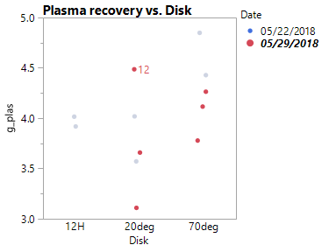
Date | tube | Disk | Sex | HCT | CollectionDelaySeconds | Plas_initial | Plas_final | gplas_tot | Holdup | HCT_plas | UV280 | UV421 | UV600 | UV700 | Comments
2018-05-22 | 1 | 12H | M | 48 |  |  |  | 4.0157
2018-05-22 | 2 | 12H | M | 48 |  |  |  | 3.9188
2018-05-22 | 3 | 70deg_16 | M | 48 |  |  |  | 4.4285 |  |  |  |  |  |  |  |  |  | Oneway Analysis of g_plas By Disk
2018-05-22 | 4 | 70deg_16 | M | 48 |  |  |  | 4.8489
2018-05-22 | 5 | 20deg_16 | M | 48 |  |  |  | 3.5715
2018-05-22 | 6 | 20deg_16 | M | 48 |  |  |  | 4.0187
Weir holdup vs plasma recovery
2018-06-07 | 1 | 20deg_0 | M | 49 | 60 | 3.089 | 3.089 | 3.089 | 0.35 | 2.7 |  |  |  |  |  |  |  | Std Err Dif | 0.25727 | DF | 6.725907
2018-06-07 | 2 | 70deg_0 | M | 49 | 60 | 2.4636857143 | 0.617 | 3.0806857143 | 0.55 | 3.185 |  |  |  |  |  |  |  | Upper CL Dif | 1.31089 | Prob > |t| | 0.0313
2018-06-07 | 3 | 70deg_0 | M | 49 | 60 | 2.1307 | 0.8186 | 2.9493 | 0.8 | 3.81 |  |  |  |  |  |  |  | Lower CL Dif | 0.08405 | Prob > t | 0.0157
2018-06-07 | 4 | 70deg_0 | M | 49 | 60 | 3.2942 | 0.5012 | 3.7954 | 0.6 | 3.895 |  |  |  |  |  |  |  | Confidence | 0.95 | Prob < t | 0.9843
2018-06-07 | 5 | 20deg_0 | M | 49 | 60 | 3.2372 | 0.0847 | 3.3219 | 0.4 | 3.07
2018-06-07 | 6 | 20deg_0 | M | 49 | 60 | 3.2792 | 0.152 | 3.4312 | 0.5 | 3.79
2018-06-07 | 7 | 20deg_0 | M | 49 | 60 | 3.5135 | 0.2195 | 3.733 | 0.7 | 6.15 |  |  |  |  |  |  |  | Excluded Rows | 3
2018-06-07 | 8 | 70deg_0 | M | 49 | 60 | 3.7809 | 0.1241 | 3.905 | 0.6 | 4.44
2018-06-13 | 1 | 70deg_0 | M |  | 30 | 3.0929 | 0.0495 | 3.1424
2018-06-13 | 2 | 70deg_0 | M |  | 30 | 3.5048 | 0.3642 | 3.869
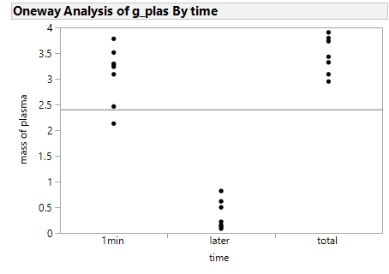
2018-06-13 | 3 | 70deg_0 | M |  | 30 | 1.5943 | 0.1285 | 1.7228 |  |  |  |  |  |  | Tube | Type | HCT
2018-06-13 | 4 | 12H | M |  | 30 | 4.211 | 0.2871 | 4.4981 |  |  |  |  |  |  | 1 | whole | 49.3 | 0.3149142099 | SE
2018-06-13 | 5 | 20deg_0 | M |  | 30 | 3.2353 | 0.5803 | 3.8156 |  |  |  |  |  |  | 1 | whole | 49.2 | 2.2009851601 | t_crit_95
2018-06-13 | 6 | 70deg_0 | M |  | 30 | 3.1165 | 0.7525 | 3.869 |  |  |  |  |  |  | 2 | whole | 48.7 | 0.69312150269 | 95% confidence
 |  |  |  |  |  |  |  |  |  |  |  |  |  |  | 2 | whole | 49.2
 |  |  |  |  |  |  |  |  |  |  |  |  |  |  | 3 | whole | 49.23
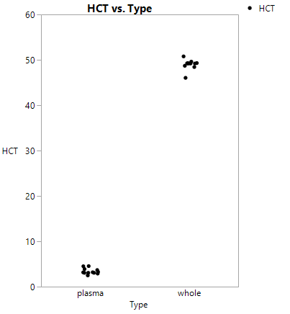
 |  |  |  |  |  |  |  |  |  |  |  |  |  |  | 3 | whole | 49.25
 |  |  |  |  |  |  |  |  |  |  |  |  |  |  | 4 | whole | 48.43
 |  |  |  |  |  |  |  |  |  |  |  |  |  |  | 4 | whole | 49.62
 |  |  |  |  |  |  |  |  |  |  |  |  |  |  | 5 | whole | 50.77
 |  |  |  |  |  |  |  |  |  |  |  |  |  |  | 5 | whole | 49.25
 |  |  |  |  |  |  |  |  |  |  |  |  |  |  | 6 | whole | 46.04
 |  |  |  |  |  |  |  |  |  |  |  |  |  |  | 6 | whole | 49.23
 |  |  |  |  |  |  |  |  |  |  |  |  |  |  | 1 | plasma | 2.9 | 0.18259424023 | SE
 |  |  |  |  |  |  |  |  |  |  |  |  |  |  | 1 | plasma | 2.5 | 2.2009851601 | t_crit_95
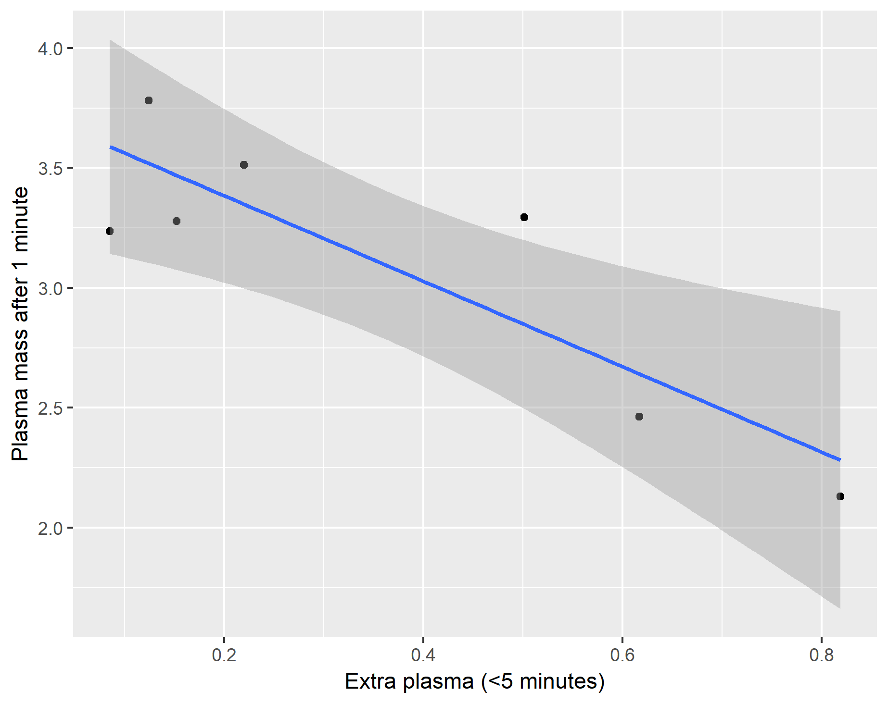
 |  |  |  |  |  |  |  |  |  |  |  |  |  |  | 2 | plasma | 3.2 | 0.40188721307 | 95% confidence
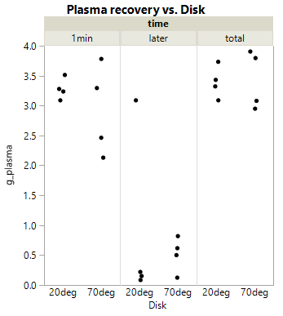
 |  |  |  |  |  |  |  |  |  |  |  |  |  |  | 2 | plasma | 3.17
 |  |  |  |  |  |  |  |  |  |  |  |  |  |  | 3 | plasma | 3.07
 |  |  |  |  |  |  |  |  |  |  |  |  |  |  | 3 | plasma | 4.55
 |  |  |  |  |  |  |  |  |  |  |  |  |  |  | 4 | plasma | 4.52
 |  |  |  |  |  |  |  |  |  |  |  |  |  |  | 4 | plasma | 3.27
 |  |  |  |  |  |  |  |  |  |  |  |  |  |  | 5 | plasma | 3.07
 |  |  |  |  |  |  |  |  |  |  |  |  |  |  | 5 | plasma | 3.07
 |  |  |  |  |  |  |  |  |  |  |  |  |  |  | 6 | plasma | 3.68
 |  |  |  |  |  |  |  |  |  |  |  |  |  |  | 6 | plasma | 3.9

