HowTo
Phase 1:
 | Step 1: | Download the zip file Below
 |  | Optimize_Compare.zip
 | Step 2: | Put it in your local directory and expand.
 | Step 3: | If required, complete Phase 2. Otherwise. Go to phase 3:

Phase 2: |  | This only has to be completed once.
 | Step 1: | Close browser and open this file (Howto.xlsx) in your local directory
 | Step 2: | File -> More -> Options -> Trust Center (Left-bottom) -> Trust Center Setting button (Right)
 | Step 3: | Trusted Locations (Left) -> Add New Location… Button (Right)
 | Step 4: | Browse Button -> Browse up to Share folder -> OK
 | Step 5: | Click on "Subfolders of this location are also trusted" checkbox
 | Step 6: | OK -> OK -> OK
 | Step 7: | Go to Phase 3

Phase 3:
 | Step 1: | Close This File, Open Macro\Compare_Gen.xlsx. You may have to enable macros.
 | Step 2: | You (Hopefully) are looking at a screen like:

 |  | User Filename |  | CO2 Type | CO2 Value
 | Results\ Lib_Compare_ | 2025-02-21 | .xlsm | -<0>- | -<0>-

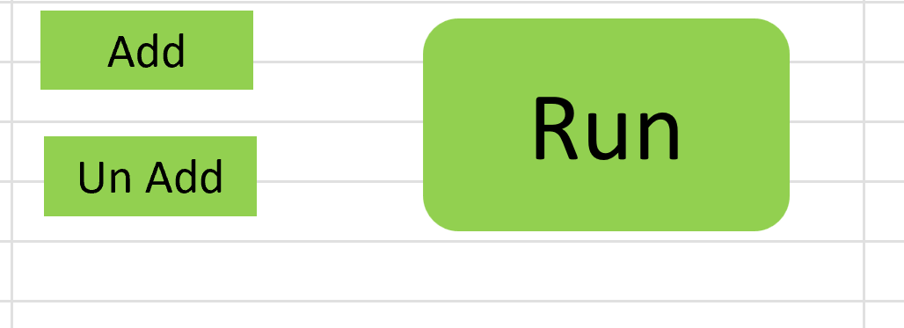

 |  | Cases | 0
 | Step 3: | In general, green indicates stuff for you to do Let's start by clicking the green below Analysis Type
 | Step 4: | Now, you can see an arrow down, for a pulldown. If you click that arrow, you can see options for Analysis type
 | Step 5: | Analysis type "nominal" leaves everything as expected from my various sources. Next in Case, choose Nominal again.
 | Step 6: | The one thing we want to vary in the nominal case is how a price on CO2 affects the results. So, for every Ton of CO2 emitted, we add a cost that the supplier will have to pay. We won't worry about details of how this works.
 | Step 7: | In CO2 Type, there are two options: Fixed and Increasing. In fixed, we apply a fixed price in year 1, and the same price in every subsequent year. With increasing, we increase the price every subsequent year.
 | Step 8: | Pick one CO2 Type,, then choose a value under "CO2 Value".
 | Step 9: | Now you are ready to Add this case to the ones you will compare. You can see it near the bottom.
 | Step 10: | Now , choose another CO3 Value and add.
 | Step 11> | Click Run, and watch the fun begin!

