CO2
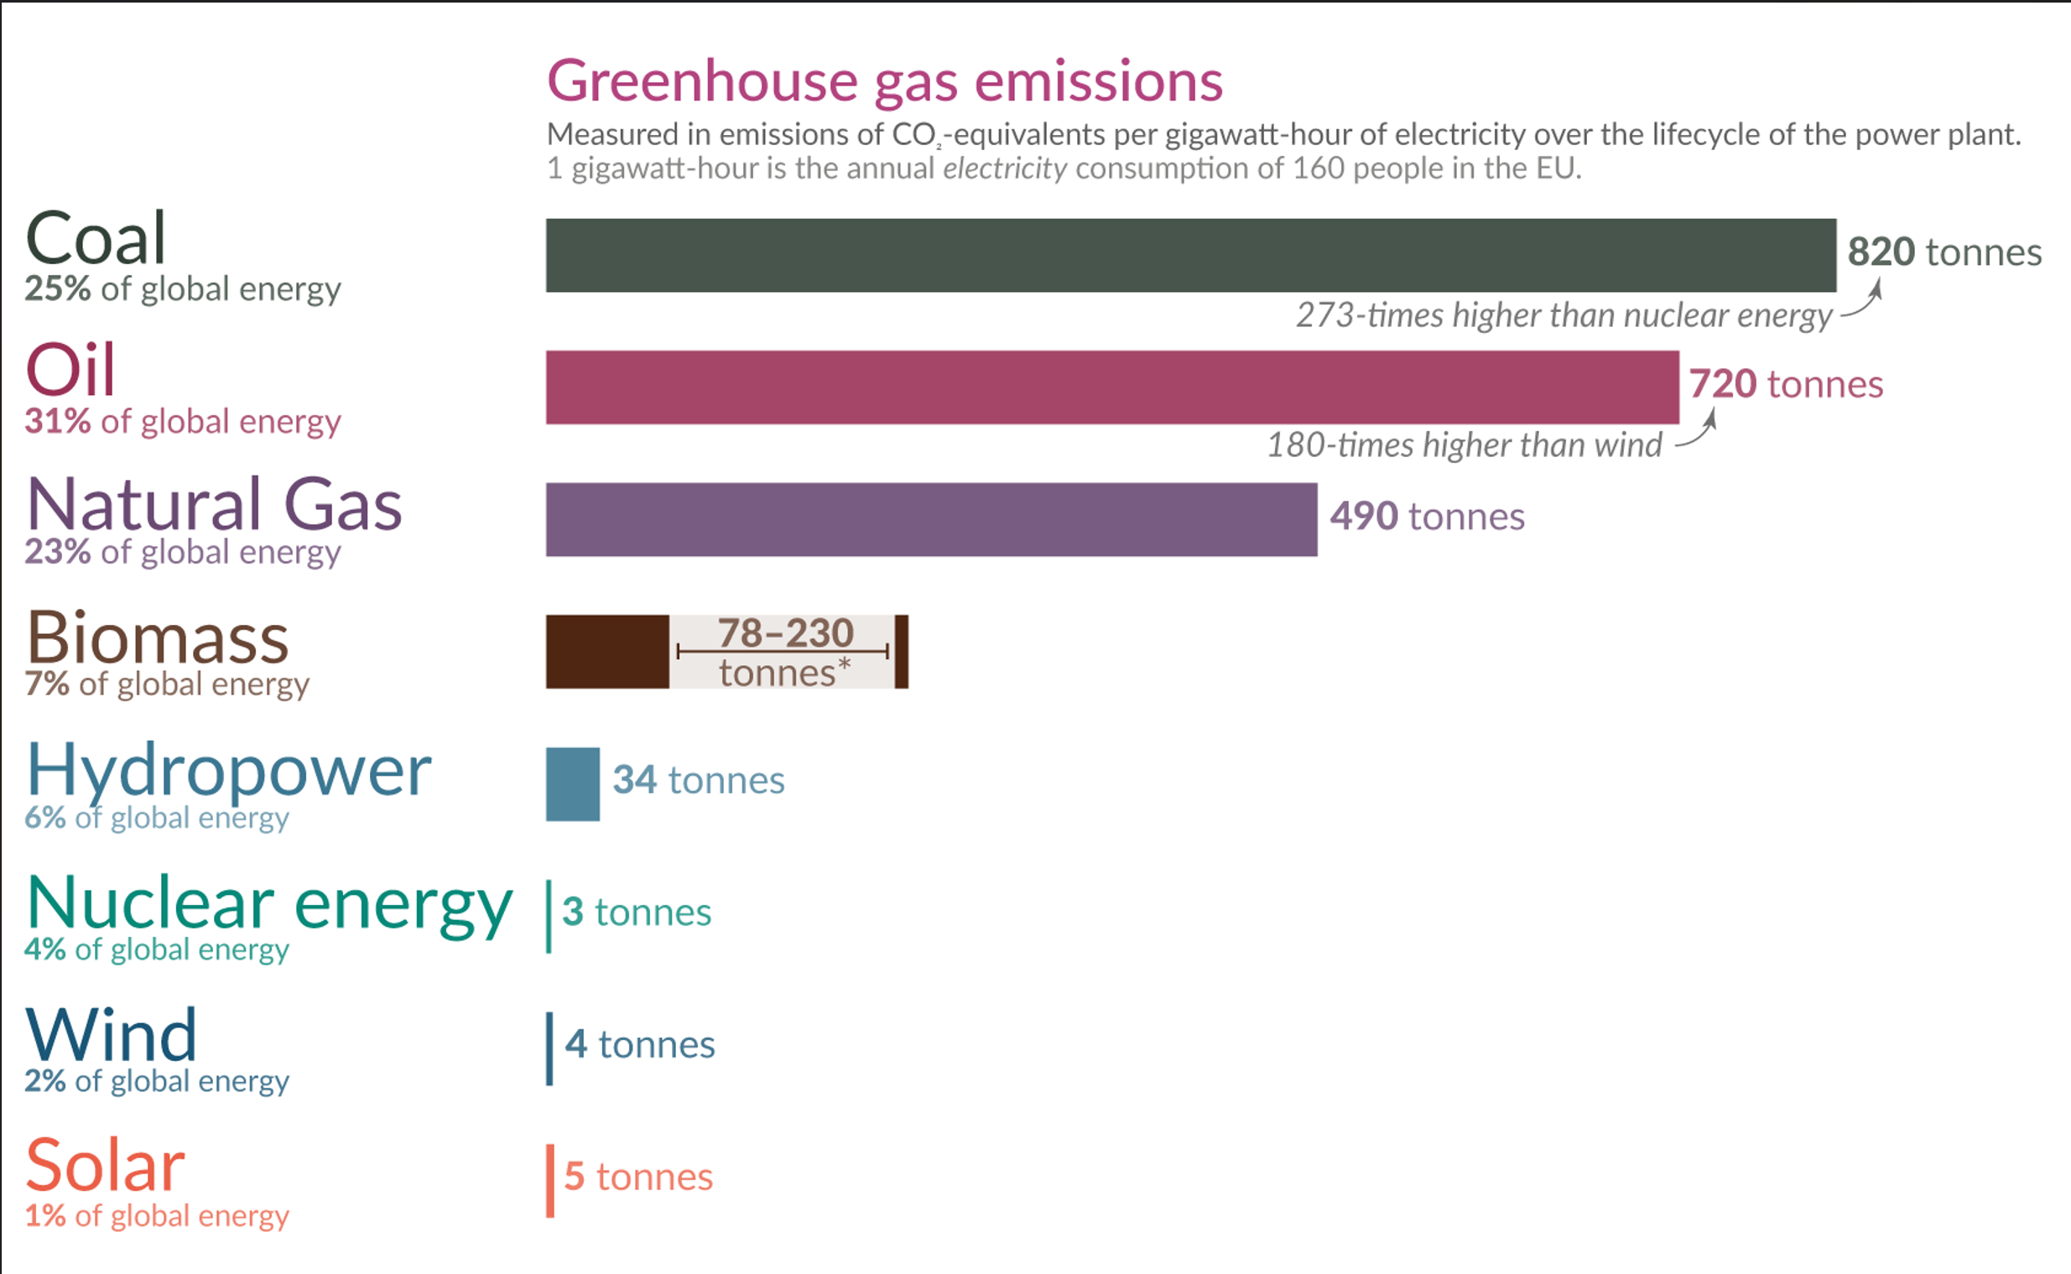
 |  |  |  |  |  |  | What are the safest and cleanest sources of energy? - Our World in Data
 | Solar | Wind | Nuclear | Gas | Coal | Battery
Tonnes/GWh | 5 | 4 | 3 | 490 | 820
CO2_gen | CO2_gen_Solar | CO2_gen_Wind | CO2_gen_Nuclear | CO2_gen_Gas | CO2_gen_Coal | CO2_gen_Battery
MTons/MWh | 5.00E-09 | 4.00E-09 | 3.00E-09 | 4.90E-07 | 8.20E-07 | 1.11E-07

Estimating The Carbon Footprint Of Utility-Scale Battery Storage (forbes.com)

Thus, the combination of the steps led to an overall carbon emissions range of 59-119 kg CO2-eq/kWh battery, with a midpoint of 89 kg CO2-eq/kWh. This is a cradle-to-gate number.

89 | kg/kWh | of Capacity. If we assume 800 cycles/battery:
0.11125 | kg/kWh | of running
0.11125 | tonnes/MWh

