Master data
ID | Industry | Company | Owneship | Website | Operational emissions (thousands CO2e) | Revenues (Billion URB)
PT_01402 | Chemicals | PhosAgro | Public | https://www.phosagro.com | 5625.7 | 507.689 | Chemicals
PT_00645 | Conglomerates | Cemros | Private | https://cemros.ru | 0 | No public disclosure | Conglomerates
PT_02399 | Construction & Engineering | PIK Group | Private | https://pik-group.com | 0 | 675.1 | Construction & Engineering
PT_02162 | Food Production | RusAgro | Public | https://www.rusagrogroup.ru | 0 | 424 | Food Production
PT_01115 | Food Retailers | Magnit | Public | https://magnit-info.ru | 5460 | 3043 | Food Retailers
PT_01958 | Food Retailers | X5 Retail Group | Public | https://www.x5.ru | 3461.577 | 3908.047 | IT Software & Services
PT_02917 | IT Software & Services | Yandex | Public | https://yandex.com | 301.382 | 798 | Metals & Mining
PT_02822 | IT Software & Services | VK | Public | https://vk.company | 35.504 | 147.573 | Oil & Gas
PT_01298 | Metals & Mining | Nornickel | Public | https://www.nornickel.com | 8600 | 1163.4 | Passenger Transport
PT_01307 | Metals & Mining | NLMK | Private | https://nlmk.com | 31471 | 737.513007 | Telecommunications
PT_01567 | Metals & Mining | Severstal | Public | https://severstal.com | 23920 | 829.779 | Utilities
PT_02084 | Metals & Mining | Rusal | Public | https://rusal.ru | 27306.032 | 1121.550676
PT_02248 | Metals & Mining | Polyus | Public | https://polyus.com | 2116.807 | 7.343
PT_00734 | Oil & Gas | Gazprom | Public | https://www.gazprom.com | 233640 | 10714.686
PT_01102 | Oil & Gas | Lukoil | Public | https://www.lukoil.com | 39844 | 3046.944
PT_01305 | Oil & Gas | Novatek | Public | https://www.novatek.ru | 9749.999 | 1546
PT_01498 | Oil & Gas | Rosneft | Public | https://www.rosneft.com | 80100 | 10139
PT_01701 | Oil & Gas | Surgutneftegas | Public | https://www.surgutneftegas.ru | 0 | 923.3
PT_01734 | Oil & Gas | Tatneft | Public | https://www.tatneft.ru | 13350 | 2030.371
PT_00032 | Passenger Transport | Aeroflot | Public | https://ir.aeroflot.com | 11283.6 | 856.785
PT_01501 | Passenger Transport | Russian Railways | Government | https://www.rzd.ru | 35600 | 3296.3
PT_01147 | Telecommunications | MegaFon | Private | https://moscow.megafon.ru | 0 | 485.923
PT_01191 | Telecommunications | MTS | Public | http://ir.mts.ru | 85217.317 | 703.7
PT_01502 | Telecommunications | Rostelecom | Public | https://www.company.rt.ru | 1569.392 | 707.8
PT_00914 | Utilities | Inter RAO | Public | https://www.interrao.ru | 78135 | 1548.447
PT_01500 | Utilities | Rosseti | Public | https://www.rosseti.ru | 266 | 1505.655
PT_02617 | Utilities | Mosvodokanal | Government | http://www.mosvodokanal.ru | 0 | 89.217099

 |  |  |  | Total territorial emissions in 2024 | 2575654.764
 |  |  |  | Russia Greenhouse Gas (GHG) Emissions - Worldometer
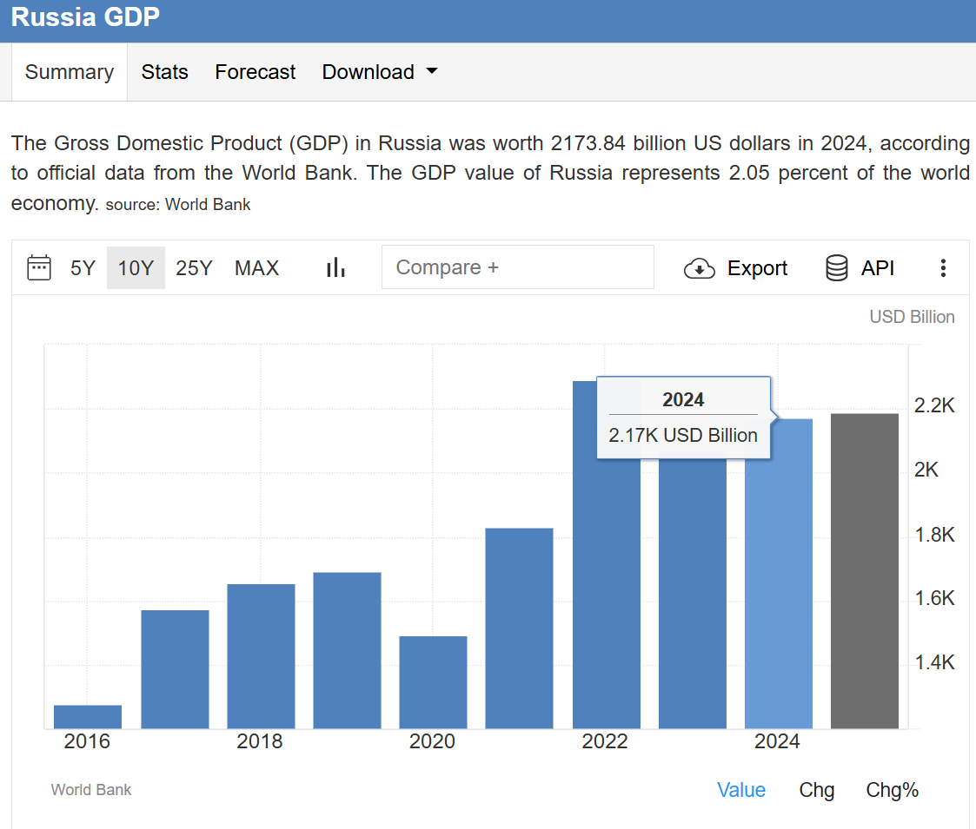
 |  |  |  | Total economic output in 2024
 |  |  |  | Russian economy grew to $2.4T in 2024, says premier | 200000 | Billions

 |  |  |  | Total GHG emisisons globaly in 2024
 |  |  |  | EDGAR - The Emissions Database for Global Atmospheric Research | 53.2 | Gt
 |  |  |  |  | No LULUCF

GHG disclosure
ID | Industry | Company | Methedology reported | Emissions discolure per category in 2024
PT_01402 | Chemicals | PhosAgro |  | S1 | S2 | S1+2 | S3.01 | S3.02 | S3.03 | S3.04 | S3.05 | S3.06 | S3.07 | S3.08 | S3.09 | S3.10 | S3.11 | S3.12 | S3.13 | S3.14 | S3.15 | S3
PT_00645 | Conglomerates | Cemros
PT_02399 | Construction & Engineering | PIK Group |  | S3.15
PT_02162 | Food Production | RusAgro |  | S3.15
PT_01115 | Food Retailers | Magnit |  | S1 | S2 | S1+2 | S3.02 | S3.03 | S3.04 | S3.05 | S3.06 | S3.07 | S3.08 | S3.09 | S3.10 | S3.11 | S3.12 | S3.13 | S3.14 | S3.15
PT_01958 | Food Retailers | X5 Retail Group |  | S1 | S2.MB | S2.LB | S2 | S1+2 | S3.01 | S3.02 | S3.03 | S3.04 | S3.05 | S3.06 | S3.07 | S3.08 | S3.09 | S3.10 | S3.11 | S3.12 | S3.13 | S3.14 | S3.15 | S3
PT_02917 | IT Software & Services | Yandex |  | S1 | S2.LB | S2 | S1+2 | S3.01 | S3.02 | S3.03 | S3.04 | S3.05 | S3.07 | S3.09 | S3.10 | S3.11 | S3.13 | S3.14 | S3.15
PT_02822 | IT Software & Services | VK |  | S1 | S2 | S1+2 | S3.01 | S3.02 | S3.03 | S3.04 | S3.05 | S3.07 | S3.09 | S3.10 | S3.11 | S3.12 | S3.13 | S3.14 | S3.15
PT_01298 | Metals & Mining | Nornickel |  | S1 | S2.LB | S2 | S1+2 | S3.01 | S3.02 | S3.03 | S3.04 | S3.05 | S3.06 | S3.07 | S3.08 | S3.09 | S3.10 | S3.11 | S3.12 | S3.13 | S3.14 | S3.15 | S3
PT_01307 | Metals & Mining | NLMK |  | S1 | S2.MB | S2.LB | S2 | S1+2 | S3.01 | S3.02 | S3.03 | S3.04 | S3.05 | S3.06 | S3.07 | S3.08 | S3.09 | S3.10 | S3.11 | S3.12 | S3.13 | S3.14 | S3.15 | S3
PT_01567 | Metals & Mining | Severstal |  | S1 | S2.MB | S2.LB | S2 | S1+2 | S3.01 | S3.02 | S3.03 | S3.04 | S3.05 | S3.06 | S3.07 | S3.08 | S3.09 | S3.10 | S3.11 | S3.12 | S3.13 | S3.14 | S3.15 | S3
PT_02084 | Metals & Mining | Rusal |  | S1 | S2 | S1+2 | S3.02 | S3.03 | S3.04 | S3.05 | S3.06 | S3.07 | S3.08 | S3.09 | S3.10 | S3.11 | S3.12 | S3.13 | S3.14 | S3.15 | S3
PT_02248 | Metals & Mining | Polyus |  | S1 | S2.MB | S2.LB | S2 | S1+2 | S3.01 | S3.02 | S3.03 | S3.04 | S3.05 | S3.06 | S3.07 | S3.08 | S3.09 | S3.10 | S3.11 | S3.12 | S3.13 | S3.14 | S3.15 | S3
PT_00734 | Oil & Gas | Gazprom |  | S1 | S2 | S1+2 | S3.01 | S3.02 | S3.03 | S3.04 | S3.05 | S3.06 | S3.07 | S3.08 | S3.09 | S3.10 | S3.12 | S3.13 | S3.14 | S3.15
PT_01102 | Oil & Gas | Lukoil |  | S1 | S2.LB | S2 | S1+2 | S3.01 | S3.02 | S3.03 | S3.04 | S3.05 | S3.07 | S3.08 | S3.09 | S3.10 | S3.11 | S3.12 | S3.13 | S3.14 | S3.15 | S3
PT_01305 | Oil & Gas | Novatek |  | S1 | S2.LB | S2 | S1+2 | S3.01 | S3.02 | S3.03 | S3.04 | S3.05 | S3.06 | S3.07 | S3.08 | S3.09 | S3.10 | S3.11 | S3.12 | S3.13 | S3.14 | S3.15 | S3
PT_01498 | Oil & Gas | Rosneft |  | S1 | S2 | S1+2 | S3.01 | S3.02 | S3.03 | S3.04 | S3.05 | S3.06 | S3.07 | S3.08 | S3.09 | S3.10 | S3.12 | S3.13 | S3.14 | S3.15
PT_01701 | Oil & Gas | Surgutneftegas
PT_01734 | Oil & Gas | Tatneft |  | S1 | S2 | S1+2 | S3.01 | S3.02 | S3.03 | S3.05 | S3.07 | S3.08 | S3.12 | S3.13 | S3.14 | S3.15 | S3
PT_00032 | Passenger Transport | Aeroflot |  | S1 | S2 | S1+2 | S3.02 | S3.06 | S3.07 | S3.08 | S3.09 | S3.10 | S3.11 | S3.12 | S3.13 | S3.14 | S3.15 | S3
PT_01501 | Passenger Transport | Russian Railways |  | S1 | S2 | S1+2 | S3.01 | S3.02 | S3.03 | S3.05 | S3.06 | S3.07 | S3.08 | S3.09 | S3.10 | S3.11 | S3.12 | S3.13 | S3.14 | S3.15
PT_01147 | Telecommunications | MegaFon
PT_01191 | Telecommunications | MTS |  | S1 | S2.LB | S2 | S1+2 | S3
PT_01502 | Telecommunications | Rostelecom |  | S1 | S2 | S1+2 | S3.02 | S3.03 | S3.04 | S3.05 | S3.06 | S3.07 | S3.09 | S3.10 | S3
PT_00914 | Utilities | Inter RAO |  | S1
PT_01500 | Utilities | Rosseti |  | S1 | S3.01 | S3.02 | S3.04 | S3.05 | S3.06 | S3.07 | S3.08 | S3.09 | S3.10 | S3.12 | S3.13 | S3.14 | S3.15
PT_02617 | Utilities | Mosvodokanal
 |  |  |  | 0.85185185185

 | % reporting
Purchased goods and services | 55.6
Capital goods | 70.4
Fuel- and energy-related activities | 63.0
Upstream transportation and distribution | 59.3
Waste generated in operations | 66.7
Business travel | 55.6
Employee commuting | 70.4
Upstream leased assets | 59.3
Scope 1 | 77.8
Scope 2 (any) | 70.4
Scope 2 (location based) | 33.3
Scope 2 (market based) | 14.8
Downstream transportation and distribution | 66.7
Processing of sold products | 66.7
Use of sold products | 51.9
End-of-life treatment of sold products | 63.0
Downstream leased assets | 66.7
Franchises | 66.7
Investments | 74.1
Scope 1+2 | 70.4
Scope 3 | 48.1
 |  |  |  | Category |  |  | % reporting |  | # reporting

 |  |  |  | S3.01 | Purchased goods and services |  | 55.6 |  | 15
 |  |  |  | S3.02 | Capital goods |  | 70.4 |  | 19
 |  |  |  | S3.03 | Fuel- and energy-related activities |  | 63.0 |  | 17
 |  |  |  | S3.04 | Upstream transportation and distribution |  | 59.3 |  | 16
 |  |  |  | S3.05 | Waste generated in operations |  | 66.7 |  | 18
 |  |  |  | S3.06 | Business travel |  | 55.6 |  | 15
 |  |  |  | S3.07 | Employee commuting |  | 70.4 |  | 19
 |  |  |  | S3.08 | Upstream leased assets |  | 59.3 |  | 16

 |  |  |  | S1 | Scope 1 |  | 77.8 |  | 21
 |  |  |  | S2 | Scope 2 (any) |  | 70.4 |  | 19
 |  |  |  | S2.LB | Scope 2 (location based) |  | 33.3 |  | 9
 |  |  |  | S2.MB | Scope 2 (market based) |  | 14.8 |  | 4

 |  |  |  | S3.09 | Downstream transportation and distribution |  | 66.7 |  | 18
 |  |  |  | S3.10 | Processing of sold products |  | 66.7 |  | 18
 |  |  |  | S3.11 | Use of sold products |  | 51.9 |  | 14
 |  |  |  | S3.12 | End-of-life treatment of sold products |  | 63.0 |  | 17
 |  |  |  | S3.13 | Downstream leased assets |  | 66.7 |  | 18
 |  |  |  | S3.14 | Franchises |  | 66.7 |  | 18
 |  |  |  | S3.15 | Investments |  | 74.1 |  | 20

 |  |  |  | S1+2 | Scope 1+2 |  | 70.4 |  | 19
 |  |  |  | S3 | Scope 3 |  | 48.1 |  | 13

PT_00032 | Passenger Transport | Aeroflot | GHG Protocol |  | GHG Protocol | 14 | 0.51851851852
PT_00645 | Conglomerates | Cemros |  |  | ISO 14064-1 | 1 | 0.037037037037 | 0.556
PT_00734 | Oil & Gas | Gazprom | ISO 14064-1 |  | None | 5 | 0.18518518519
PT_00914 | Utilities | Inter RAO | None |  | Other | 3 | 0.11111111111
PT_01102 | Oil & Gas | Lukoil | GHG Protocol |  | No reporting | 4 | 0.14814814815
PT_01115 | Food Retailers | Magnit | GHG Protocol
PT_01147 | Telecommunications | MegaFon | None |  |  | 27 | 1
PT_01191 | Telecommunications | MTS | None
PT_01298 | Metals & Mining | Nornickel | GHG Protocol
PT_01305 | Oil & Gas | Novatek | GHG Protocol
PT_01307 | Metals & Mining | NLMK | GHG Protocol
PT_01402 | Chemicals | PhosAgro | GHG Protocol
PT_01498 | Oil & Gas | Rosneft | Other
PT_01500 | Utilities | Rosseti | Other
PT_01501 | Passenger Transport | Russian Railways | GHG Protocol
PT_01502 | Telecommunications | Rostelecom | None
PT_01567 | Metals & Mining | Severstal | GHG Protocol
PT_01701 | Oil & Gas | Surgutneftegas | None
PT_01734 | Oil & Gas | Tatneft | GHG Protocol
PT_01958 | Food Retailers | X5 Retail Group | GHG Protocol
PT_02084 | Metals & Mining | Rusal | GHG Protocol
PT_02162 | Food Production | RusAgro
PT_02248 | Metals & Mining | Polyus | GHG Protocol
PT_02399 | Construction & Engineering | PIK Group
PT_02617 | Utilities | Mosvodokanal
PT_02822 | IT Software & Services | VK | Other
PT_02917 | IT Software & Services | Yandex | GHG Protocol

