probtypes
$$x^{b}$$
$$24x^{3}+5$$
$$ax^{b}$$
a1 | expressions
1 | Identify the variable.
2 | Identify the coefficient.
$$x^{b}+c$$
3 | Identify the exponent.
$$ax^{b}+c$$
4 | Identify the constant.
$$−3xy^{2}+2x^{2}y^{3}−x−19$$
$$a$$
$$a+b$$
$$a+b+c$$
$$a+b+c+d$$
$$a+b+c+d+e$$
5 | How many terms are in the expression?
6 | Which expression represents 'five times the sum of 3 and a number'?
$$5(3+n)$$
$$5+(3+n)$$
 |  |  |  |  |  | not sure how to generically represent this kind of problem; dozens of iterations; will pick several and represent only those
$$5n+3$$
$$5∙3n$$
$$6\left(3x\right)$$
$$a\left(bx\right)$$
$$a\left(bx^{c}\right)$$
7 | What is the coefficient?
$$2\left(3\right)\left(6\right)x$$
$$a\left(b\right)x$$
$$a\left(b\right)\left(c\right)x$$

a2 | combine like terms
1 | Select all the like terms.
$$3x^{2}y^{3}$$
$$ax^{b}$$
$$ax^{b}y^{c}$$
$$ax^{b}y^{c}z^{d}$$
$$4{xy}^{3}$$
$$−2x^{2}y^{3}$$
$$−x^{3}y^{2}$$
$$7xy$$
$$5x^{2}y^{3}$$
$$a+b+c$$
$$a+b+c+d$$
$$3x^{2}y^{3}+4{xy}^{3}−2x^{2}y^{3}−xy^{3}+7xy+5x^{2}y^{3}$$
$$a+b+c+d+e$$
 |  |  |  |  |  |  |  | dozens of iterations for like terms; will pick several to represent
2 | Simplify the expression.
$$a+b+c+d+e+f$$

$$4+3=3+4$$
$$a+b=b+a$$
a3 | properties of real numbers
1 | Select the property that justifies the statement.
 |  |  |  | commutative property of addition
$$5∙x=x∙5$$
$$ab=ba$$
 |  |  |  | commutative property of multiplication
$$4+\left(6+2\right)=\left(4+6\right)+2$$
$$a+\left(b+c\right)=\left(a+b\right)+c$$
 |  |  |  | associative property of addition
$$3∙\left(2∙7\right)=\left(3∙2\right)∙7$$
$$a\left(bc\right)=\left(ab\right)c$$
 |  |  |  | associative property of multiplication
$$6\left(x+3\right)=6∙x+6∙3$$
$$a\left(b+c\right)=ab+ac$$
 |  |  |  | distributive property
$$2∙4+2∙1=2\left(4+1\right)$$
$$a+0=a$$
 |  |  |  | additive identity
$$3+0=3$$
$$a∙1=a$$
 |  |  |  | multiplicative identity
$$9∙1=9$$
$$a+\left(−a\right)=0$$
 |  |  |  | additive inverse
$$6+\left(−6\right)=0$$
$$a∙\frac{1}{a}=1$$
 |  |  |  | multiplicative inverse
$$5∙\frac{1}{5}=1$$
 |  |  |  | transitive property
$$if a=b and b=c then a=c$$
$$if 3+2=5 and 4+1=5 then 3+2=4+1$$
$$if x=12 and y=12 then x=y$$

2 | Joe solved the following problem as shown. Write the names of the properties he used.
$$2x+6+8x+4$$
$$ax+b+cx+d$$
$$ax+b+cx+d$$
$$ax+b+cx+d$$
$$ax+b+cx+d$$
$$2x+8x+6+4$$
$$ax+cx+b+d$$
$$ax+cx+b+d$$
$$ax+cx+b+d$$
$$ax+cx+b+d$$
$$\left(2x+8x\right)+\left(6+4\right)$$
$$\left(ax+cx\right)+\left(b+d\right)$$
$$\left(ax+cx\right)+\left(b+d\right)$$
$$\left(ax+cx\right)+\left(b+d\right)$$
$$\left(ax+cx\right)+\left(b+d\right)$$
$$10x+10$$
$$(a+c)x+(b+d)$$
$$(a+c)x+(b+d)$$
$$(a+c)x+(b+d)$$
$$(a+c)x+(b+d)$$
$10(x+1$)
$$\left(\frac{a+c}{a+c}\right)\left(x+\left(\frac{b+d}{a+c}\right)\right)$$
$$\left(\frac{a+c}{b+d}\right)\left(x+\left(\frac{b+d}{b+d}\right)\right)$$
$$\left(\frac{a+c}{e}\right)\left(x+\left(\frac{b+d}{e}\right)\right)$$

3 | Write the additive or multiplicative inverse to complete the statement.
$$−8+x=0$$
$$a+x=0$$
$$−5\left(x−4\right)=1$$
$$a\left(x+b\right)=1$$
$$6∙x=1$$
$$a∙x=1$$

$$ax^{b}$$
$${18x}^{3}$$
a4 | exponents and order of operations
1 | Identify the base.
2 | Identify the exponent. |  |  |  |  |  |  |  | I'm using a,b,c,d to represent numbers (that will vary in actual problems); x,y,z represent static variables in the displayed problem (although the variable in the actual problem may be something other than x,y, or z). I'm also using + in all generic representations, although the actual problem may have a - sign as the operation.
3 | Identify the coefficient.
4 | Find the value.
$$2^{3}$$
$$a^{b}$$
$${\left(\frac{2}{3}\right)}^{4}$$
$${\left(\frac{a}{b}\right)}^{c}$$

$${−(a)}^{b}$$
$$−3^{2}$$
$${\left(−3\right)}^{2}$$
5 | Write in expanded notation.
$$4^{5}$$
$$a^{b}$$
6 | Write using exponents.
$$5∙5∙5∙5∙5∙5∙5∙5$$
7 | Evaluate the expression.
$$\text{120 − 5}\text{2}\text{(8 − 6)}$$
$$a^{b}+c^{d}$$
$$a^{b}+\left[c^{d}+\left(e^{f}+g^{h}\right)\right]$$
$$a^{b}(c^{d}+e^{f})÷g^{h}$$
$$\frac{5^{2}−4}{3+4}$$
$$a^{b}\left(c^{d}+e^{f}\right)+g^{h}$$
$$a^{b}+c^{d}\left(e^{f}+g^{h}\right)$$

$$\text{8(2 + 2}\text{2}\text{) ÷ 16}$$
$$a^{b}+\left[c^{d}+\left(e^{f}+g^{h}÷i^{j}\right)\right]$$
$$\frac{a^{b}+c^{d}}{e^{f}+g^{h}}$$
 |  |  |  |  |  |  | dozens of iterations…will chose several
$$83−\left[59−(2^{5}−18)\right]$$

$$\text{3[}5^{2}\text{ − (20 − 10 ÷ 2)]}$$
$$10+8÷2−1$$
$$a+b÷c+d$$
8 | Which operation would you do first?
 |  |  |  | addition
 |  |  |  | subtraction | there are dozens of iterations…will choose several and represent only those
 |  |  |  | multiplication
 |  |  |  | division

$$\left|8\right|$$
$$\left|a\right|$$
-$\left|8\right|$
-$\left|a\right|$
a5 | absolute value
1 | Evaluate
 | Evaluate
$$\left|3−9\right|$$
$$\left|a+b\right|$$
$$a\left|b+c\right|$$
 | Evaluate
$$3\left|6−8\right|$$
 | Evaluate
$$\left|−5\right| − \left|6\right|$$
$$\left|a\right|+\left|b\right|$$
 | Evaluate
$$\left|x+y−z\right|$$
$$\left|x+y+z\right| x=a, y=b, z=c$$
 | Evaluate |  | when x = 3, y = -5, and z = 2
$$\left|{−x}^{c}\right|$$
$$\left|{−x}^{c}\right| x=a$$
 | Evaluate |  | when x = 6
$$\left|xy\right|$$
$$\left|xy\right| x=a, y=b$$
 | Evaluate |  | when x = -4 and y = 5
$$\left|x^{2}+ y^{3}\right|$$
$$\left|x^{c}+ y^{d}\right| x=a, y=b$$
 | Evaluate |  | when x = -2 and y = -3
-$\left|−5\right|+3\left|6\right| −8+ \left|−8\right|$
 | Evaluate |  |  |  | dozens of iterations…will pick several and represent only those
$$−\left|−5\right|$$
$$\left|5\right|$$
$$−\left|5\right|$$
$$\left|−5\right|$$
$$−\left|−3\right|+ \left|−8\right|$$
 | Select all the expressions that are equal to 5. |  |  |  |  |  | not sure how to represent this kind of problem

a6 | simplify expressions
1 | Simplify the expression.
($10x^{2}yz^{3}+3xy^{2}+4xyz)+\left(14xyz−2xy^{2}+5x^{2}yz^{3}\right)$
$$\left(11xy−2x+3y−1\right)+\left(3xy−y−x−1\right)$$
$$\left(15xyz−9xz+8yz+5x−4y\right)−\left(10xz+2y−10xyz−5x+2yz\right)$$
$$−3xyz−2\left(6y^{2}z−4xyz\right)$$
$${2x}^{2}+5x−3−2\left(−3x^{2}−x+5\right)$$

a7 | evaluate expressions
1 | Evaluate the espression.
$$x+8 for x=12$$
$${ax}^{b}+c given x$$
$${2x}^{3} for x=2$$
$$xy+z for x=3, y=4 and z=5$$
$$x^{2}y^{2}z^{2} for x=2, y=3 and z=4$$
$${\left(x+y\right)}^{2} for x=3 and y=4$$
$$5\left(2x−{3y}^{2}\right)−3\left(6x−4y^{2}+2xy\right) for x=−1 and y=2$$

a8 | write expression from verbal statement
1 | Write an expression that represents 'the sum of five times a number and six'.
2 | Which expression means the same as 'the quotient of four less than a number and two times that number less 3'.
$$\frac{4−x}{2x−3}$$

$$\frac{x−4}{2x−3}$$

$$x−4+2x−3$$

$$\frac{4−x+2}{x−3}$$

3 | Write an expression that represents the area of a rectangle with a width of x+5 and a length of six more than one-fourth of the width.
 |  | A=

a9 | intro to equations
1 | Identify as an expression or equation.
$$\text{8(2 + 2}\text{2}\text{) ÷ 16}$$
$$x−4+2x=5x−2$$

2 | Write an equation to represent the situation.
 | Avery had 327 Pokemon cards. He gave all the duplicates to his younger brother. Avery now has 283 cards.

a10 | patterns, equations and graphs
1 | The table shows the relationship between the number of red marbles and the total number of marbles.

 | What is the total number of marbles in a figure with 9 red marbles?
2 | Graph the relationship between the number of red marbles and the total number of marbles.
3 | Write an equation showing the relationship between the number of red marbles and the total number of marbles.
4 | Create a table showing the relationship between the number of green marbles and the total number of marbles.
5 | Find the pattern.
 | 1, 3, 7, 15, 31

6 | Write an equation to represent the pattern.

b1 | solve 1 step equations
1 | Solve for x.
$$3+x=12$$
$$a+bx=c$$
$$2x=−10$$
$$ax=b$$
$$\frac{x}{3}=7$$
$$\frac{a}{x}=b$$
$$x−6=8$$

2 | Write an equation that represents the situation, then solve the equation.
 | Sofia needs 17 more signatures to reach the required 150 signatures she needs to run for student council president. How many signatures does she currently have?
 | The difference between a number and five is twenty two.
 | A number increased by ten is fifty.

$$ax+b=c$$
b2 | solve 2 step equations
1 | Solve for x.
$$5x−3=12$$
$$\frac{3}{5}x+6=9$$
$$\frac{a}{b}x+c=d$$

$$14−2x=8$$
2 | Write an equation that represents the situation, then solve the equation.
 | Jess started a savings account with $25. She adds $15 each week to the account. How many weeks will it take her to have $500 in her account?
 | Eight more than twice a number is fifty.
 | The square of the sum of a number and four is thirty-six.
 | The difference between ten and a number is the sum of eight and that number.

b3 | solve multiple step equations
1 | Solve for x.
$$3\left(x+2\right)=27$$
$$a\left(bx+c\right)=e$$
$$−2\left(−4x−6\right)=−20$$
$$a\left(bx+c\right)+d=e$$
$$3\left(2x+4\right)−1=29$$
$a\left(bx+c\right)+d(ex+f)=$g

$−\left(x−8\right)+5(2x+3)=$5

b4 | solve equations with variables on both sides
1 | Solve.
$$3x+5=4x$$
$$ax+b=cx$$
$$3x+5=6x−10$$
$$ax+b=cx+d$$

b5 | literal equations and formulas
1 | Solve for (given variable).
$$ax+b=c for b$$
$$ax+by=cz for y$$
$$a+b=c for b$$
$$axy+b=c for x$$
$$axy+bz=cm for z$$
$$P=2L+2W for L$$
$$V=πr^{2}h for h$$

b6 | solve word problems with 1 unknown
1 | Write and equation to represent the problem and solve.
 | Three times a number increased by 5 is 12. Find the number.
 | The length of a rectangle is 12 more than the width. What is the width if the perimeter is 42?
 | One half of a number is 95. What is the number?

b7 | solve word problems with 2 or more unknowns
1 | Write an equation to represent the problem and solve.
 | Sam is 3 years younger than Dana. If Dana is x years old, how old is Sam?
 | If Luke is 24 years younder than Shay and the sum of their ages is 68, how old is Luke?
 | Cooper is 8 years older than Finn. Five years ago, Cooper was 3 times as old as Finn. How old is Finn now?
 | The perimeter of a rectangle is 68. The perimeter equals twice the length (L) plus twice the width of 9. What is the length?
 | A classroom of 19 students has 5 more girls than boys. How many girls are there? How many boys?
 | The sum of 2 consecutive odd integers is 12. Find the integers.

b8 | absolute value equations
1 | Solve.
$$\left|5x\right|=45$$
$$\left|ax\right|=b$$
$$\left|5x\right|=−5$$
$$\left|5x\right|+3=48$$
$$\left|ax\right|+b=c$$
$$\left|5x−4\right|=21$$
$$\left|5x−8\right|+2=5$$
$$3\left|5x\right|=30$$
$$a\left|bx\right|=c$$
$$3\left|5x\right|−20=70$$
$$a\left|bx\right|+c=d$$
$$3\left|5x−19\right|=27$$
$$a\left|bx+c\right|=d$$
$$3\left|5x−19\right|+6=18$$
$$a\left|bx+c\right|+d=e$$

b9 | ratios and proportions
1 | Write an equivalent ratio.

2 | Find the constant of proportionality.

3 | Is this a proportion?

b10 | solve proportions
1 | Solve the proportion.

b11 | percent
1 | Convert the decimal to a percent.

2 | Convert the fraction to a percent.

3 | Convert the percent to a decimal.

4 | Convert the percent to a fraction in lowest terms.

5
6
7

b12 | percent change
1 | Find the percent increase.
 | Enrollment in a music class increased from 25 to 35 students.
 | The temperature rose thirty-eight degrees from the morning to the afternoon, ending up at 78⁰. What was the percent increase?
2 | Find the percent decrease.
 | Toby weighed 134 pounds. He had to lose 5 pounds to be eligible to wrestle in a tournament. What was the percent decrease in his weight?
 | Bri had $247 in her bank account. After she made a withdrawal, she had $173. What was the percent decrease?
3 | If you have $45 and have a 25% increase in that amount, how much do you now have?
4 | The local farmer experienced a 47% decrease in the number of cracked eggs his chickens this week compared to last week. He found only 33 cracked eggs this week. How many cracked eggs did he find last week?

c1 | properties of sets
1 | How many elements are in the given set?

2 | How many subsets are in the given set?

3 | Write the set using set-builder notation.

4 | True or False?

c2 | write and graph inequalities
1 | Graph the given set.

2 | Write the solution set represented by the graph using set-builder notation.

c3 | solve inequalities using addition and subtraction
1 | Solve (and graph the solution set).

c4 | solve inequalities using multiplication and division
1 | Solve (and graph the solution set).

c5 | solve multi-step inequalities
1 | Solve (and graph the solution set).

c6 | union and intersection of sets and compound inequalities
1 | Find union (or ) (and graph solution set).

2 | Find intersection (or ) (and graph solution set).

3 | What is the solution set? (multiple choice)
 |  |  | all real numbers
 |  |  | the empty set
 |  |  | the numbers between -5 and 5
 |  |  | the numbers less than -5 and greater than 5

 |  |  | all real numbers
 |  |  | the numbers less than -2 and greater than 3
 |  |  | the numbers between and including -2 and 3
 |  |  | the numbers between -2 and 3

4 | Solve.

d1 | coordinate plane
1 | Label the quadrants.
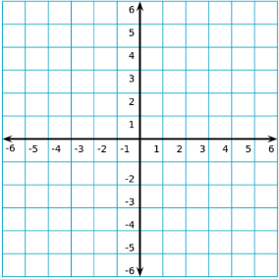

2 | In which quadrant is each point? (multiple choice)
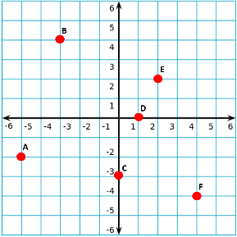
 |  |  | I | between I and II
 |  |  | II | between I and III
 |  |  | III | between II and III
 |  |  | IV | between III and IV

3 | What are the coordinates of each point?

4 | Which represents 'the ordinate is twice the abscissa'?

 | Which represents 'the sum of the abscissa and ordinate is 6'?

d2 | identify relations and functions
1 | Is this a relation, a function, or neither?

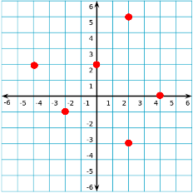

2 | What is the domain of the function? The range?

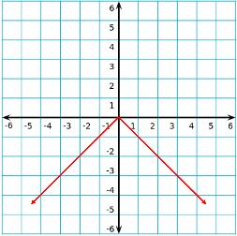

d3 | function notation
1 | This is a graph of function B. Find .

2 | This is a graph of function B. If , what is x?

2 | Use the table to find x if .

3 | Select the points that lie on the function .

4 | If , find .

5 | If find x.

6 | Find the value of a in the function

d4 | write and graph a function rule
1 | Write the rule for the function.

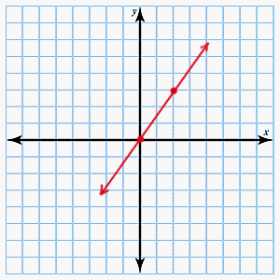

 | The area of a square as a function of a side.

 | The total sales of candy that sells for $2.75 a box, if B boxes are sold.

 | The total cost to ski for h hours if it costs $45.00 to rent skis and $75.00 an hour to ski.

2 | The graph shows the total cost to rent a car, f(x), in relation to the miles driven, x. Write the function rule.
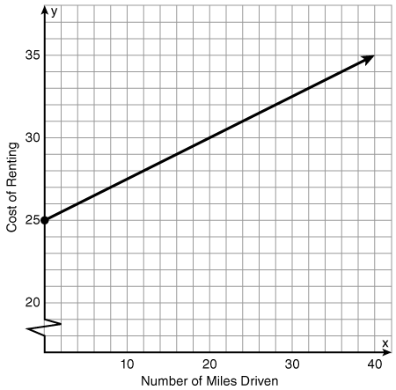

3 | Sneakers are on sale for 20% off the regular price. Which of the following could be used to find the sale price of a pair of sneakers?

d5 | direct variation
1 | Which equation is read "y varies directly with x"?

2 | Which of the following represents a direct variation?

3 | Which equation is read "y varies inversely with x"?

4 | Which of the following represents an inverse variation?

5 | Find the constant of variation.

6 | Solve. Assume y varies directly with x.

7 | Solve. Assume y varies inversely with x.

d6 | slope
1 | A line has a rise of 3 and a run of 12. What is the slope?

2 | A line has a slope of and a run of 60. What is the rise?

3 | A line has a slope of and a rise of 6. What is the run?

4 | Find the slope of the line.
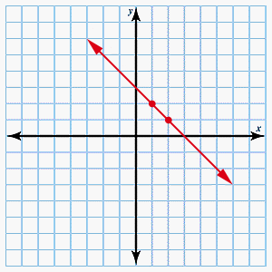

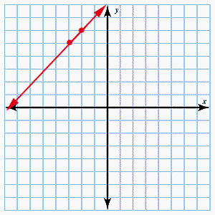

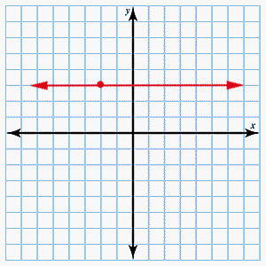

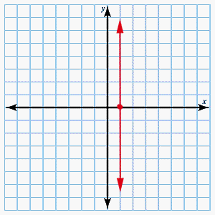

5 | Find the slope of the line that passes through the given points.

6 | Graph the line with the given slope and point on the line.

7 | Find the average rate of change in the function.

8 | Find the average rate of change in a function that contains the given points.

d7 | write and graph equations using slope-intercept form
1 | What is the slope of the given line?

2 | What is the y-intercept of the given line?

3 | Write the equation in slope-intercept form.

4 | Using slope-intercept form, write the equation for a line with the given slope and y-intercept.

5 | Graph the line with the given slope and y-intercept.

6 | Graph the line.

d7 | write and graph equations using point-slope form

