Problem 1
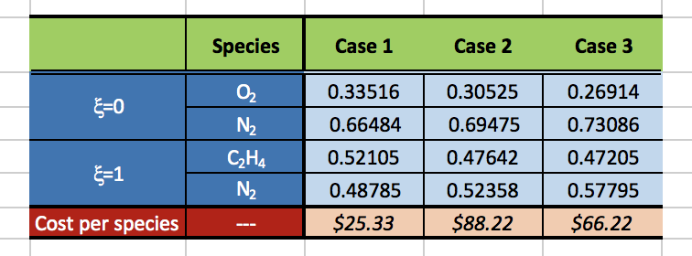
Reproduce the following table. Pay attention to the details. Note, select cell --> format cells allows you to select a subscript. Greek symbols can be inserted with the "symbol" font. The Greek symbol in blue is "xi", and is the "x" on the keyboard.

Problem 2
Find the value of the formula given below for a=2, b=3, c=4 in two ways in excel:
"= a/(b*c)"
"=a/b/c"
Are these the same and does this make sense?

Problem 3
