meta-LEVELS
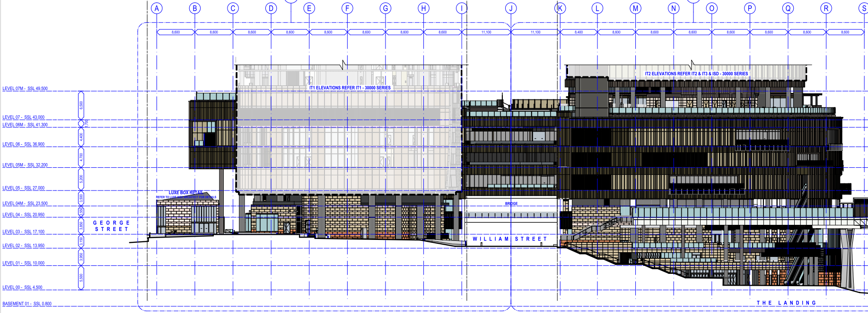
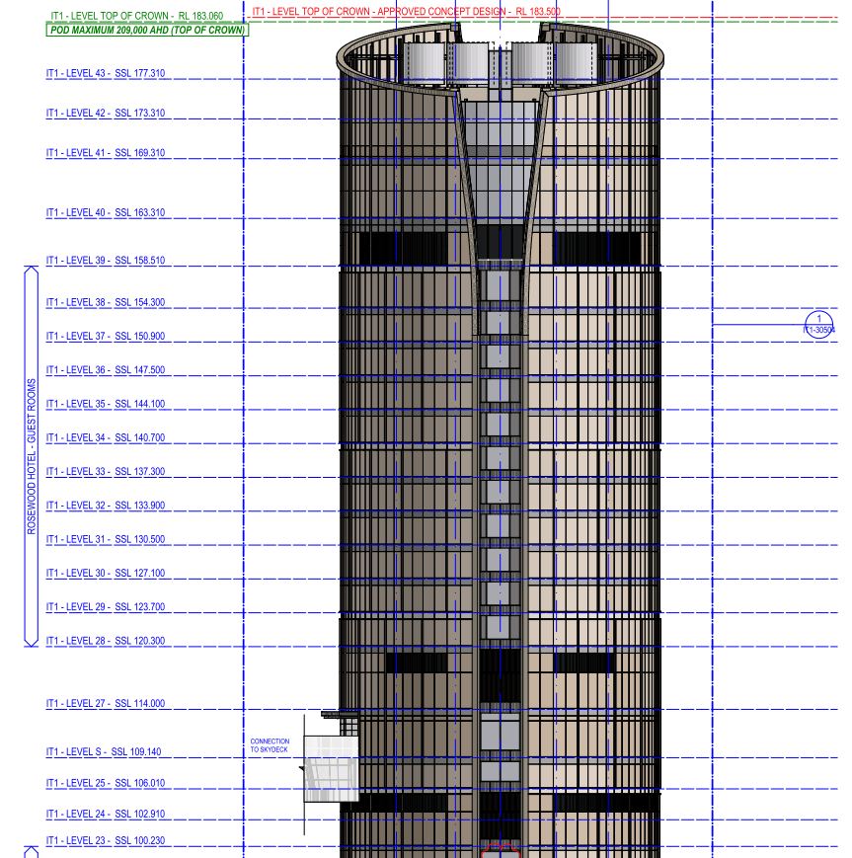
LEVEL | BUILDING | REMARKS
ICG-B01 | ICG BASEMENT
ICG-B02 | ICG BASEMENT
ICG-B03 | ICG BASEMENT
ICG-B04 | ICG BASEMENT
ICG-B05 | ICG BASEMENT
ICG-L00 | ICG PODIUM
ICG-L01 | ICG PODIUM
ICG-L02 | ICG PODIUM
ICG-L03 | ICG PODIUM
ICG-L04 | ICG PODIUM
ICG-L04M | ICG PODIUM
ICG-L05 | ICG PODIUM
ICG-L05M | ICG PODIUM
ICG-L06 | ICG PODIUM
ICG-L06M | ICG PODIUM
ICG-L07 | ICG PODIUM
ICG-L07M | ICG PODIUM
IT1-L08 | IT1
IT1-L09 | IT1
IT1-L10 | IT1 | DORSETT HOTEL - GUEST ROOMS
IT1-L11 | IT1 | DORSETT HOTEL - GUEST ROOMS
IT1-L12 | IT1 | DORSETT HOTEL - GUEST ROOMS
IT1-L13 | IT1 | DORSETT HOTEL - GUEST ROOMS
IT1-L14 | IT1 | DORSETT HOTEL - GUEST ROOMS
IT1-L15 | IT1 | DORSETT HOTEL - GUEST ROOMS
IT1-L16 | IT1 | DORSETT HOTEL - GUEST ROOMS
IT1-L17 | IT1 | DORSETT HOTEL - GUEST ROOMS
IT1-L18 | IT1 | DORSETT HOTEL - GUEST ROOMS
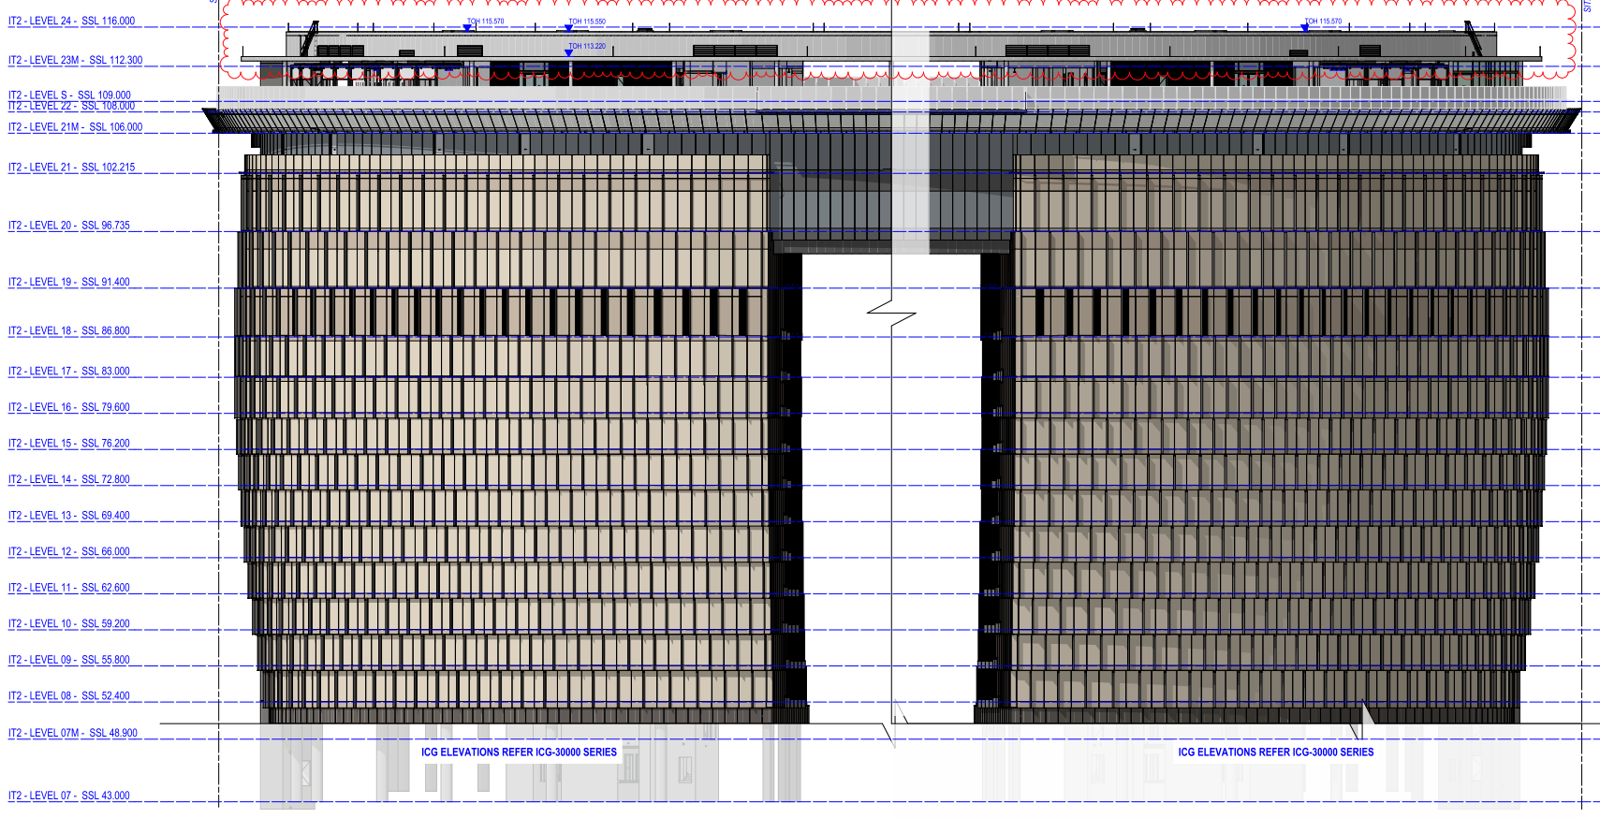
IT1-L19 | IT1 | DORSETT HOTEL - GUEST ROOMS
IT1-L20 | IT1 | DORSETT HOTEL - GUEST ROOMS
IT1-L21 | IT1 | DORSETT HOTEL - GUEST ROOMS
IT1-L22 | IT1 | DORSETT HOTEL - GUEST ROOMS
IT1-L23 | IT1
IT1-L24 | IT1
IT1-L25 | IT1
IT1-L27 | IT1
IT1-L28 | IT1 | ROSEWOOD HOTEL - GUEST ROOMS
IT1-L29 | IT1 | ROSEWOOD HOTEL - GUEST ROOMS
IT1-L30 | IT1 | ROSEWOOD HOTEL - GUEST ROOMS
IT1-L31 | IT1 | ROSEWOOD HOTEL - GUEST ROOMS
IT1-L32 | IT1 | ROSEWOOD HOTEL - GUEST ROOMS
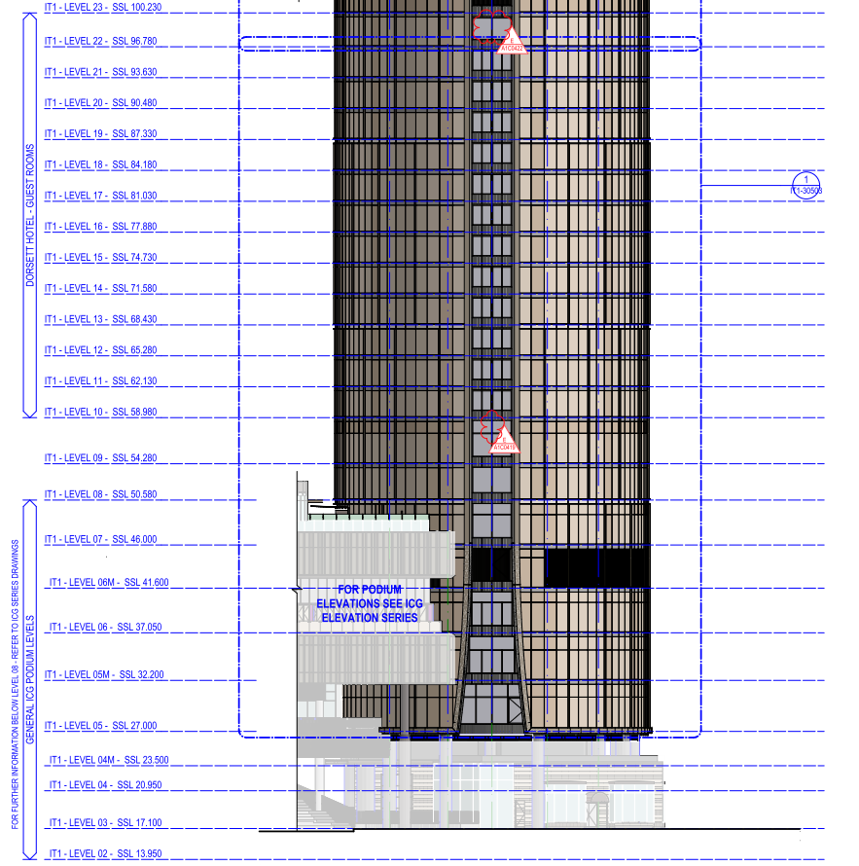
IT1-L33 | IT1 | ROSEWOOD HOTEL - GUEST ROOMS
IT1-L34 | IT1 | ROSEWOOD HOTEL - GUEST ROOMS
IT1-L35 | IT1 | ROSEWOOD HOTEL - GUEST ROOMS
IT1-L36 | IT1 | ROSEWOOD HOTEL - GUEST ROOMS
IT1-L37 | IT1 | ROSEWOOD HOTEL - GUEST ROOMS
IT1-L38 | IT1 | ROSEWOOD HOTEL - GUEST ROOMS
IT1-L39 | IT1
IT1-L40 | IT1
IT1-L41 | IT1
IT1-L42 | IT1
IT1-L43 | IT1 | CONDENSER WATER COOLING TOWERS
IT2-L08 | IT2 | STAR GRAND HOTEL - GUEST ROOMS TOWER 2 (TOWER 1 IN SIGNAGE)
IT2-L09 | IT2 | STAR GRAND HOTEL - GUEST ROOMS TOWER 2 (TOWER 1 IN SIGNAGE)
IT2-L10 | IT2 | STAR GRAND HOTEL - GUEST ROOMS TOWER 2 (TOWER 1 IN SIGNAGE)
IT2-L11 | IT2 | STAR GRAND HOTEL - GUEST ROOMS TOWER 2 (TOWER 1 IN SIGNAGE)
IT2-L12 | IT2 | STAR GRAND HOTEL - GUEST ROOMS TOWER 2 (TOWER 1 IN SIGNAGE)
IT2-L13 | IT2 | STAR GRAND HOTEL - GUEST ROOMS TOWER 2 (TOWER 1 IN SIGNAGE)
IT2-L14 | IT2 | STAR GRAND HOTEL - GUEST ROOMS TOWER 2 (TOWER 1 IN SIGNAGE)
IT2-L15 | IT2 | STAR GRAND HOTEL - GUEST ROOMS TOWER 2 (TOWER 1 IN SIGNAGE)
IT2-L16 | IT2 | STAR GRAND HOTEL - GUEST ROOMS TOWER 2 (TOWER 1 IN SIGNAGE)
IT2-L17 | IT2 | STAR GRAND HOTEL - GUEST ROOMS TOWER 2 (TOWER 1 IN SIGNAGE)
ISD-L18-Z2 | ISD | ISD LEVEL 18 ZONE 2 (TOWER 2)
ISD-L18-Z3 | ISD | ISD LEVEL 18 ZONE 3 (TOWER 3)
ISD-L19 | ISD
ISD-L20 | ISD
ISD-L21 | ISD
ISD-L21M | ISD
ISD-L22 | ISD
ISD-LS | ISD | SKYDECK
ISD-L23M | ISD
ISD-L24 | ISD
IT3-L08 | IT3 | STAR GRAND HOTEL - GUEST ROOMS TOWER 2 (TOWER 1 IN SIGNAGE)
IT3-L09 | IT3 | STAR GRAND HOTEL - GUEST ROOMS TOWER 2 (TOWER 1 IN SIGNAGE)
IT3-L10 | IT3 | STAR GRAND HOTEL - GUEST ROOMS TOWER 2 (TOWER 1 IN SIGNAGE)
IT3-L11 | IT3 | STAR GRAND HOTEL - GUEST ROOMS TOWER 2 (TOWER 1 IN SIGNAGE)
IT3-L12 | IT3 | STAR GRAND HOTEL - GUEST ROOMS TOWER 2 (TOWER 1 IN SIGNAGE)
IT3-L13 | IT3 | STAR GRAND HOTEL - GUEST ROOMS TOWER 2 (TOWER 1 IN SIGNAGE)
IT3-L14 | IT3 | STAR GRAND HOTEL - GUEST ROOMS TOWER 2 (TOWER 1 IN SIGNAGE)
IT3-L15 | IT3 | STAR GRAND HOTEL - GUEST ROOMS TOWER 2 (TOWER 1 IN SIGNAGE)
IT3-L16 | IT3 | STAR GRAND HOTEL - GUEST ROOMS TOWER 2 (TOWER 1 IN SIGNAGE)
IT3-L17 | IT3 | STAR GRAND HOTEL - GUEST ROOMS TOWER 2 (TOWER 1 IN SIGNAGE)
Total | 82

