API
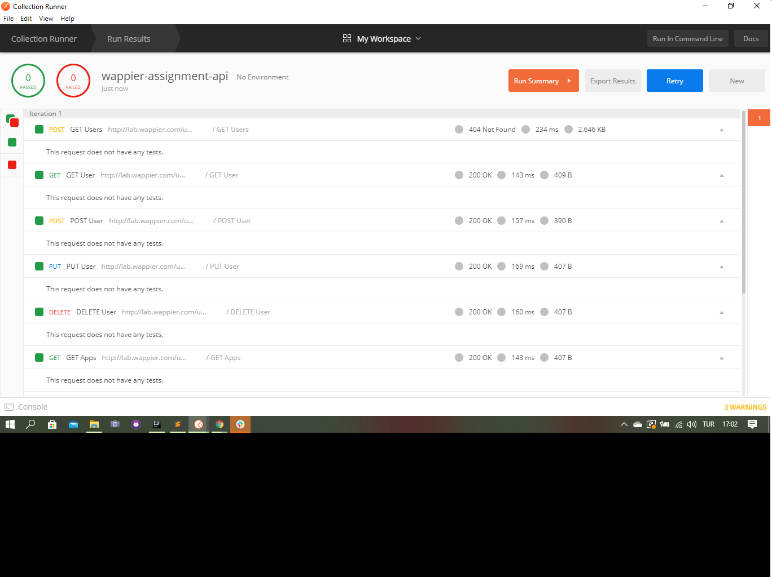
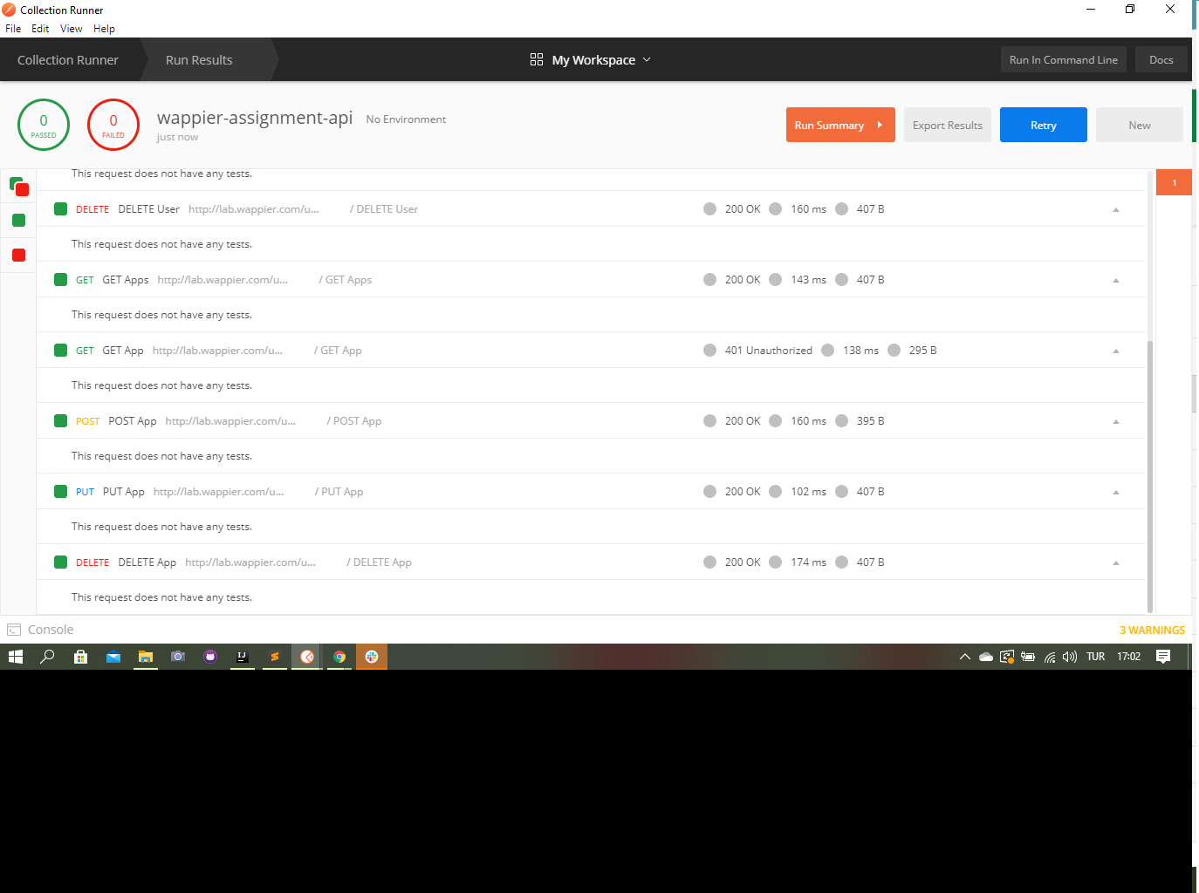
TC ID | Scenario | Test Steps | Expected Results | Status
WUM-23 | POST GET Users | 1)basic url/end point 2) request Header 3) request body | 200 | pass
WUM-24 | GET GET user | 1)basic url/end point 2) request Header | 200 | pass
WUM-25 | POST POST User | 1)basic url/end point 2) request Header 3) request body | 200 | pass
WUM-26 | PUT PUT user | 1)basic url/end point 2) request Header 3) request body | 200 | pass
WUM-27 | DELETE DELETE User | 1)basic url/end point 2) request Header | 200 | pass
WUM-28 | GET GET Apps | 1)basic url/end point 2) request Header | 200 | pass
WUM-29 | GET GET App | 1)basic url/end point 2) request Header | 200 | pass
WUM-30 | POST POST App | 1)basic url/end point 2) request Header 3) request body | 200 | pass
WUM-31 | PUT PUT App | 1)basic url/end point 2) request Header 3) request body | 200 | pass
WUM-32 | DELETE DELETE App | 1)basic url/end point 2) request Header | 200 | pass

