case-study-2
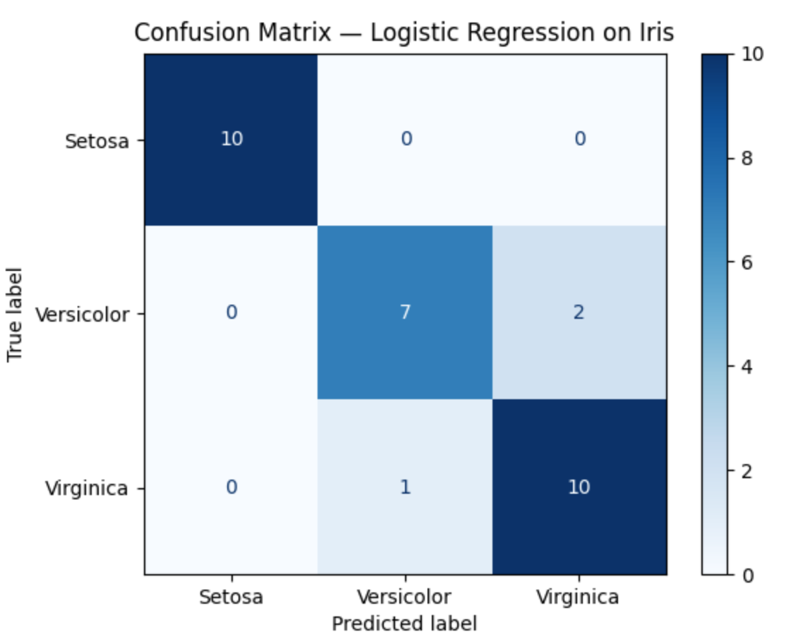
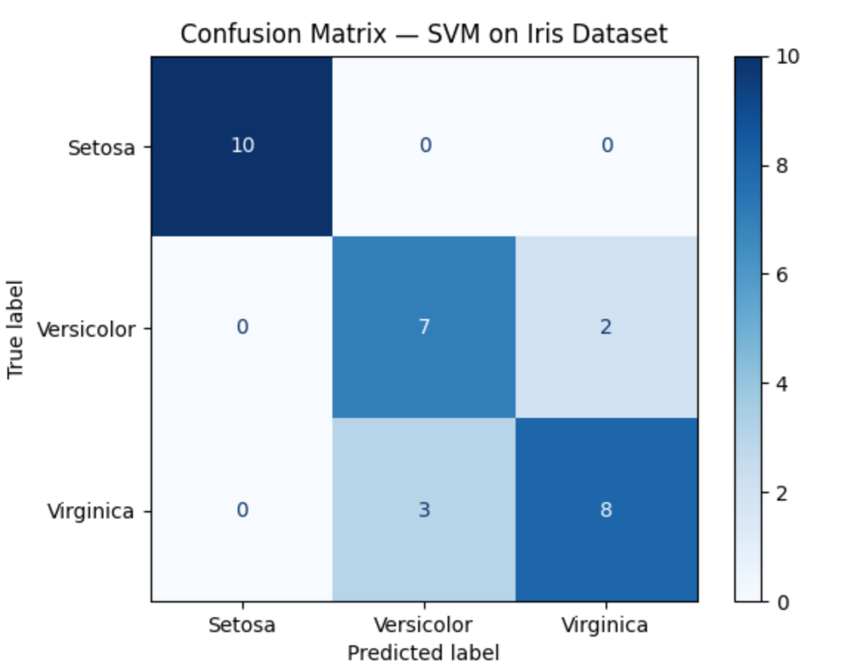
 | Case Study 2 Performance Results

Classification Results of Logistic Regression Using Two Features |  |  |  |  |  | Classification Results of SVM Using Two Features
Class | precision | recall | f1-score | support |  | Class | precision | recall | f1-score | support
0 | 1 | 1 | 1 | 10 |  | 0 | 1 | 1 | 1 | 10
1 | 0.88 | 0.78 | 0.82 | 9 |  | 1 | 0.7 | 0.78 | 0.74 | 9
2 | 0.83 | 0.91 | 0.87 | 11 |  | 2 | 0.8 | 0.73 | 0.76 | 11

Classification Results of Logistic Regression Using Full (4 Features) |  |  |  |  |  | Classification Results of SVM Using Full (4 Features)
Class | precision | recall | f1-score | support |  | Class | precision | recall | f1-score | support
0 | 1 | 1 | 1 | 10 |  | 0 | 1 | 1 | 1 | 10
1 | 1 | 1 | 1 | 9 |  | 1 | 1 | 1 | 1 | 9
2 | 1 | 1 | 1 | 11 |  | 2 | 1 | 1 | 1 | 11

 | Model Accuracy Comparison
 | Metrics | LR with Two Features | LR with Four Features | SVM with Two Features | SVM with Four Features
 | Accuracy | 0.9 | 1 | 0.83 | 1

 |  |  |  |  | Accuracy Comparison → clearly shows LR (0.90) outperforming SVM (0.83)

 | The figure presents a comparison of model accuracy, showing that Logistic Regression outperforms SVM when only two features are used. When all features are included, both models achieve perfect classification accuracy (1.00).

