Instructions
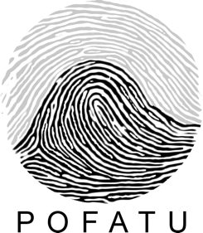
Pofatu Data Submission Form for Authors
Thank you for submitting your data to Pofatu.
There are several tabs in this workbook to help catalog necessary metadata for our geochemical database.

TAB 1 - Data Source | Information about the dataset: title, author(s), creator (form-filler); Mandatory fields: Title, Author(s), Abstract, Contact Info;Dataset citation, Artefact citation, Archaeological context citation. Mandatory fields: Title, Author(s), Abstract, Contact Info; Full literature references.
TAB 2 - Samples | Information about the identity, location, and description of the samples. Mandatory fields: Sample name, Latitude, Longitude, Elevation, Location keywords.
TAB 3 - Data | The measured geochemical data values go here, along with basic information about how that value was derived (what was the material analyzed and what was done to it before the measurement?) Mandatory fields: Sample name, Analyzed Material, Parameter(s), Method Code(s), Values
TAB 4 - Archaeological metadata 1 : Parent artefacts | Information about the identity and description of the parent artefacts. Mandatory fields: Citation 2 (artefact), Artefact category, Artefact collector.
TAB 5 - Archaeological metadata 2 : Sites and stratigraphic contexts | Information about the identity and description of the artefact, and the archaeological provenance. Mandatory fields: Citation 3 (site and stratigraphy), Site name (island name), Site context, Level label.
TAB 6 - Archaeological metadata 3 : Chronometry | Information about relative chronometry. Mandatory fields: Citation 4 (chronometry), Sample category, Dating technique, Lab ID, CRA, CRA error.
TAB 7 - Primary analytical & Method-specific metadata | a- Information about the analytical procedure and accuracy and reproducibility, including technique, laboratory, and reference sample information. Mandatory fields: Method Code, Parameter, Technique, Laboratory, Reference Sample Name, Reference Sample Measured Value, Reference Uncertainty, Reference Uncertainty Unit, Number of Measurements b- Information about detection limit, total procedural blank, normalization, fractionation (if applicable). Additional fields can be added.
TAB 8 - Vocabularies | This tab contains the latest suggested vocabularies with date.
Contact Us:
Questions/Comments: | hermann@shh.mpg.de
Send completed forms to: | hermann@shh.mpg.de

