Design Converter
 | LM5155 DC/DC BOOST Controller Design Tool

ABOUT |  | =Input Box |  |  |  | TERMS OF USE

 |  |  |  |  |  | Rev 1 | December-2018
Step 1: Design Specifications
 |  |  | Minimum Input Supply Voltage , VSUPPLY(min) | 20 | V
 |  |  | Typical Input Supply Voltage, VSUPPLY(typ) | 22 | V
 |  |  | Maximum Input Supply Voltage , VSUPPLY(max) | 25 | V
 |  |  | Output Target Voltage, VLOAD | 100 | V
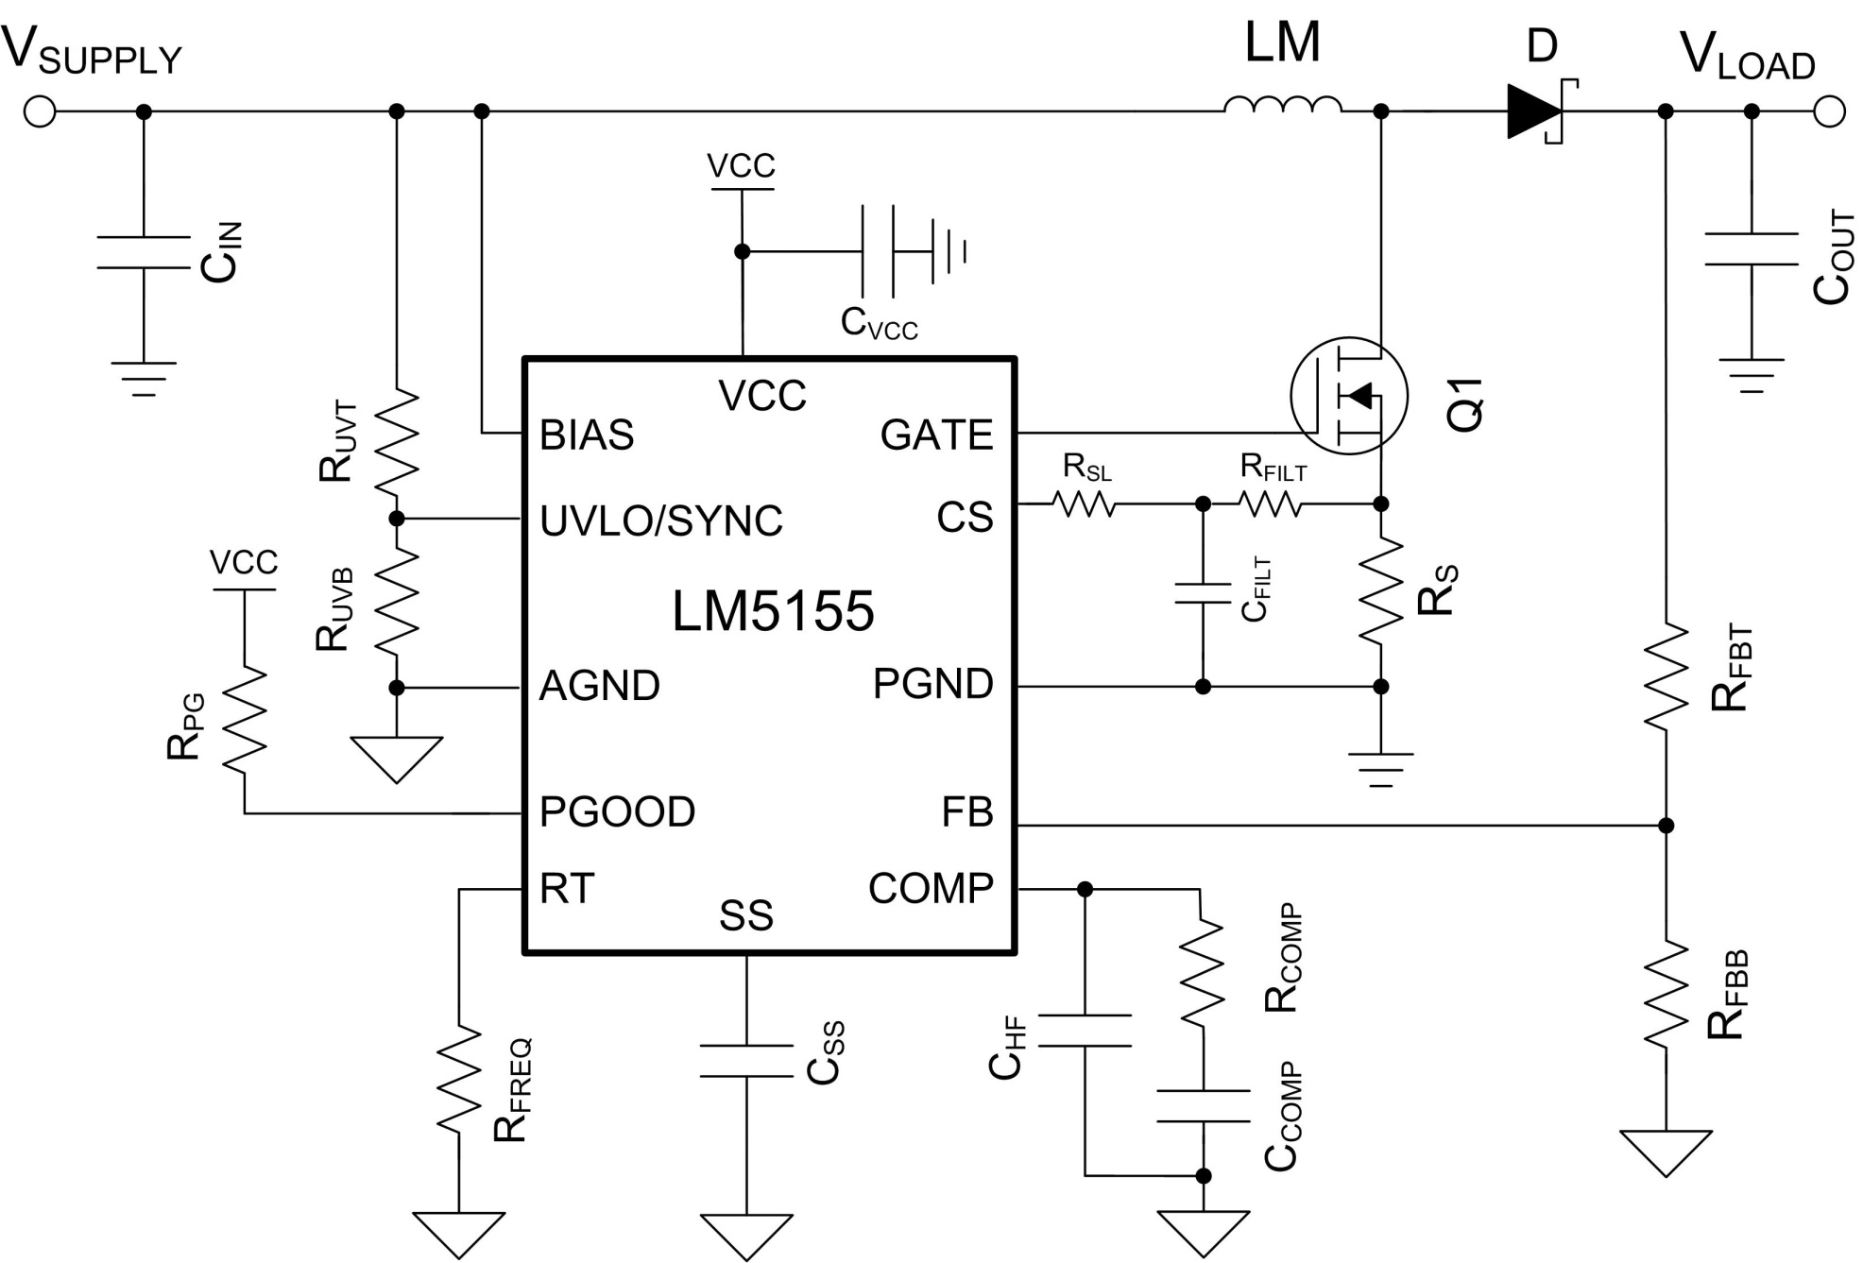
 |  |  | Maximum Output Current , ILOAD | 10 | A
 |  |  | Free Running Switching Frequency, FSW | 350 | kHz
 |  |  | Free running Oscillator Set Resistor, RT | 62.19 | kΩ
 |  |  | Estimated Efficiency | 90 | %
 |  |  | Output Power, POUT | 1000 | W
 |  |  | Boost Converter Duty Cycle Limit by LM5155 at VSUPPLY(MIN) | 93 | %
 |  |  | Ideal Duty Cycle at VSUPPLY(MIN) | 80 | %

Step 2: Filter Inductor
 |  |  | Desired Maximum Inductor Current Ripple Ratio (IRR_MAX) | 60 | %
 |  |  | Recommended Inductance (LM_CALC) | 0.982 | uH
 |  |  | User Selection. Inductance, (LM) | 4.7 | uH
 |  |  | Max Inductor DCR, RDCR | 1.11 | mΩ
 |  |  | Peak inductor current, ILPK | 60.42 | A

Step 3: Current Sense Resistor Selection
 |  |  | Peak Current Limit Margin | 20 | %
 |  |  | Selected Peak Current limit(ILPK_select) | 72.50 | A
 |  |  | Recommended current sense Resistor (RS) | 1.26 | mΩ
 |  |  | Recommended external slope compensation Resistor (RSL) | 366 | Ω
 |  |  | Selected current sense Resistor (RS) | 1.3 | mΩ
 |  |  | Selected external slope compensation Resistor (RSL) | 360 | Ω
 |  |  | Actual inductor peak current limit | 70.69 | A
 |  |  | Recommend Minimum Inductor Saturation Current Rating | 81.30 | A

Step 4: Output Capacitor Selection
 |  |  | Desired Output ripple ripple voltage (ΔvOUT) | 200 | mV
 |  |  | Minimum output capacitance | 114 | uF
 |  |  | Capacitor RMS current (IRMS_COUT) | 20.16 | A
 |  |  | Selected Output Capacitance (COUT) | 205 | uF
 |  |  | Equivalent COUT ESR (RESR) | 1 | mΩ

Step 5: Soft-Start Capacitor Selection
 |  |  | Suggested minimum soft-start capacitor (CSS_MIN) | 20.50 | nF
 |  |  | Desied soft-start time at minimum input voltage (TSS) | 20 | ms
 |  |  | Calculated soft-start capacitor (CSS) | 250 | nF

V_{IN} =
22
V
Bode Plot
 | Gain (dB) |  | f_LP |  | fz_rhp |  | f_esr |  | fz_ea |  | fp_ea |  | Phase (deg)
10.23 | 60.765 | 155 | 34.420 | 16390 | -16.219 | 776366 | -73.313 | 612.81792419 | 16.048 | 13252.187611 | -14.186 | 10.23 | 87.103069008
10.47 | 60.564 |  |  |  |  |  |  |  |  |  |  | 10.47 | 87.035848762
10.72 | 60.363 |  |  |  |  |  |  |  |  |  |  | 10.72 | 86.967081133
10.96 | 60.162 |  |  |  |  |  |  |  |  |  |  | 10.96 | 86.896731384
11.22 | 59.961 |  |  |  |  |  |  |  |  |  |  | 11.22 | 86.82476406
11.48 | 59.760 |  |  |  |  |  |  |  |  |  |  | 11.48 | 86.751142981
11.75 | 59.559 |  |  |  |  |  |  |  |  |  |  | 11.75 | 86.675831229
12.02 | 59.358 |  |  |  |  |  |  |  |  |  |  | 12.02 | 86.598791138
12.30 | 59.157 |  |  |  |  |  |  |  |  |  |  | 12.30 | 86.519984287
12.59 | 58.956 |  |  |  |  |  |  |  |  |  |  | 12.59 | 86.43937149
12.88 | 58.755 |  |  |  |  |  |  |  |  |  |  | 12.88 | 86.356912787
13.18 | 58.553 |  |  |  |  |  |  |  |  |  |  | 13.18 | 86.272567433
13.49 | 58.352 |  |  |  |  |  |  |  |  |  |  | 13.49 | 86.186293896
13.80 | 58.151 |  |  |  |  |  |  |  |  |  |  | 13.80 | 86.098049843
14.13 | 57.949 |  |  |  |  |  |  |  |  |  |  | 14.13 | 86.007792139
14.45 | 57.748 |  |  |  |  |  |  |  |  |  |  | 14.45 | 85.915476837
14.79 | 57.546 |  |  |  |  |  |  |  |  |  |  | 14.79 | 85.821059174
15.14 | 57.344 |  |  |  |  |  |  |  |  |  |  | 15.14 | 85.724493565
15.49 | 57.142 |  |  |  |  |  |  |  |  |  |  | 15.49 | 85.625733602
15.85 | 56.941 |  |  |  |  |  |  |  |  |  |  | 15.85 | 85.524732049
16.22 | 56.739 |  |  |  |  |  |  |  |  |  |  | 16.22 | 85.42144084
16.60 | 56.536 |  |  |  |  |  |  |  |  |  |  | 16.60 | 85.315811078
16.98 | 56.334 |  |  |  |  |  |  |  |  |  |  | 16.98 | 85.20779304
17.38 | 56.132 |  |  |  |  |  |  |  |  |  |  | 17.38 | 85.097336171
17.78 | 55.930 |  |  |  |  |  |  |  |  |  |  | 17.78 | 84.984389094
18.20 | 55.727 |  |  |  |  |  |  |  |  |  |  | 18.20 | 84.868899611
18.62 | 55.525 |  |  |  |  |  |  |  |  |  |  | 18.62 | 84.750814712
19.05 | 55.322 |  |  |  |  |  |  |  |  |  |  | 19.05 | 84.630080583
19.50 | 55.119 |  |  |  |  |  |  |  |  |  |  | 19.50 | 84.506642613
19.95 | 54.916 |  |  |  |  |  |  |  |  |  |  | 19.95 | 84.380445411
20.42 | 54.713 |  |  |  |  |  |  |  |  |  |  | 20.42 | 84.251432818
20.89 | 54.510 |  |  |  |  |  |  |  |  |  |  | 20.89 | 84.119547926
21.38 | 54.306 |  |  |  |  |  |  |  |  |  |  | 21.38 | 83.984733096
21.88 | 54.103 |  |  |  |  |  |  |  |  |  |  | 21.88 | 83.846929981
22.39 | 53.899 |  |  |  |  |  |  |  |  |  |  | 22.39 | 83.706079554
22.91 | 53.695 |  |  |  |  |  |  |  |  |  |  | 22.91 | 83.562122132
23.44 | 53.491 |  |  |  |  |  |  |  |  |  |  | 23.44 | 83.414997415
23.99 | 53.287 |  |  |  |  |  |  |  |  |  |  | 23.99 | 83.264644517
24.55 | 53.082 |  |  |  |  |  |  |  |  |  |  | 24.55 | 83.111002006
25.12 | 52.878 |  |  |  |  |  |  |  |  |  |  | 25.12 | 82.954007952
25.70 | 52.673 |  |  |  |  |  |  |  |  |  |  | 25.70 | 82.793599971
26.30 | 52.468 |  |  |  |  |  |  |  |  |  |  | 26.30 | 82.629715284
26.92 | 52.262 |  |  |  |  |  |  |  |  |  |  | 26.92 | 82.462290768
27.54 | 52.057 |  |  |  |  |  |  |  |  |  |  | 27.54 | 82.291263026
28.18 | 51.851 |  |  |  |  |  |  |  |  |  |  | 28.18 | 82.116568454
28.84 | 51.645 |  |  |  |  |  |  |  |  |  |  | 28.84 | 81.938143315
29.51 | 51.439 |  |  |  |  |  |  |  |  |  |  | 29.51 | 81.755923822
30.20 | 51.232 |  |  |  |  |  |  |  |  |  |  | 30.20 | 81.569846226
30.90 | 51.025 |  |  |  |  |  |  |  |  |  |  | 30.90 | 81.37984691
31.62 | 50.818 |  |  |  |  |  |  |  |  |  |  | 31.62 | 81.185862492
...
Step 6: UVLO Resistor Divider Selection
 |  |  | Desired voltage On (VUVLO_ON) | 20 | V
 |  |  | Desired voltage OFF (VUVLO_OFF) | 19 | V |  |  | 20
 |  |  | Calculated top UVLO resistor value (RUVT_CALC) | 68.00 | kΩ
 |  |  | Selected top UVLO resistor value (RUVT) | 68 | kΩ
 |  |  | Bottom UVLO Resistor (RUVB) | 5.514 | kΩ

Step 7: Loop Compensation
 |  |  | Voltage selected (VIN_VAR) | 22V

 |  |  | Feedback Resistor Selection
 |  |  | Select a top feedback resistor(RFBT) | 49.9 | kΩ
 |  |  | Calculated bottom feedback resistor (RFBB_cala) | 0.50 | kΩ
 |  |  | Select a bottomresistor based on calculated balue(RFBB) | 0.5 | kΩ

 |  |  | Suggested bandwidth | 2.709 | kHz
 |  |  | Selected band width (FCO) | 2.7 | kHz

 |  | Calculated |  | Selected
 | RCOMP | 7.718 | kΩ | 7.87 | kΩ
 | CCOMP | 31.85 | nF | 33 | nF
 | CHF | 1599 | pF | 1600 | pF

Efficiency / Power Loss Analyzer

η
 | Eff | MOSFET | Diode | RCS
0 | 0 | 0 | 0.35595 | 0
0.066666666667 | 89.495978532 | 0.16528514417 | 0.46928333333 | 0.00051507026
0.13333333333 | 92.607287858 | 0.33211296635 | 0.58261666667 | 0.0014568386945
0.2 | 93.686337841 | 0.49994505724 | 0.69595 | 0.0026763835793
0.26666666667 | 94.231243242 | 0.66858928505 | 0.80928333333 | 0.00412056208
0.33333333333 | 94.55838531 | 0.83793460821 | 0.92261666667 | 0.0057586605727
0.4 | 94.775610672 | 1.0079061046 | 1.03595 | 0.007569955912
0.46666666667 | 94.92970964 | 1.1784487719 | 1.1492833333 | 0.0095392347097
0.53333333333 | 95.044254342 | 1.3495199942 | 1.2626166667 | 0.011654709556
0.6 | 95.132404406 | 1.5210854852 | 1.37595 | 0.01390689702
0.66666666667 | 95.202080915 | 1.693116881 | 1.4892833333 | 0.016287951766
0.73333333333 | 95.25833496 | 1.8655902077 | 1.6026166667 | 0.018791242724
0.8 | 95.304538115 | 2.038484853 | 1.71595 | 0.021411068635
0.86666666667 | 95.343026006 | 2.2117828469 | 1.8292833333 | 0.024142459027
0.93333333333 | 95.375467173 | 2.3854683405 | 1.9426166667 | 0.026981030202
1 | 95.403084911 | 2.5595272192 | 2.05595 | 0.029922878086
1.0666666667 | 95.426796175 | 2.7339468072 | 2.1692833333 | 0.03296449664
1.1333333333 | 95.44730158 | 2.9087156387 | 2.2826166667 | 0.036102714472
1.2 | 95.427689219 | 3.1095131086 | 2.39595 | 0.046440342892
1.2666666667 | 95.440907081 | 3.2883134181 | 2.5092833333 | 0.050693650378
1.3333333333 | 95.45190921 | 3.4679449353 | 2.6226166667 | 0.055176866376
1.4 | 95.46101118 | 3.6484076602 | 2.73595 | 0.059889990887
1.4666666667 | 95.468471398 | 3.8297015929 | 2.8492833333 | 0.064833023911
1.5333333333 | 95.474503482 | 4.0118267332 | 2.9626166667 | 0.070005965448
1.6 | 95.47928557 | 4.1947830812 | 3.07595 | 0.075408815497
1.6666666667 | 95.482967386 | 4.3785706369 | 3.1892833333 | 0.081041574059
1.7333333333 | 95.48567569 | 4.5631894003 | 3.3026166667 | 0.086904241134
1.8 | 95.48751852 | 4.7486393715 | 3.41595 | 0.092996816721
1.8666666667 | 95.488588522 | 4.9349205503 | 3.5292833333 | 0.099319300822
1.9333333333 | 95.488965599 | 5.1220329368 | 3.6426166667 | 0.10587169343
2 | 95.488719028 | 5.309976531 | 3.75595 | 0.11265399456
2.0666666667 | 95.487909172 | 5.4987513329 | 3.8692833333 | 0.1196662042
2.1333333333 | 95.486588865 | 5.6883573426 | 3.9826166667 | 0.12690832235
2.2 | 95.484804553 | 5.8787945599 | 4.09595 | 0.13438034901
2.2666666667 | 95.482597232 | 6.0700629849 | 4.2092833333 | 0.14208228419
2.3333333333 | 95.480003221 | 6.2621626176 | 4.3226166667 | 0.15001412788
2.4 | 95.477054813 | 6.4550934581 | 4.43595 | 0.15817588008
2.4666666667 | 95.47378082 | 6.6488555062 | 4.5492833333 | 0.1665675408
2.5333333333 | 95.470207023 | 6.843448762 | 4.6626166667 | 0.17518911002
2.6 | 95.466356569 | 7.0388732255 | 4.77595 | 0.18404058777
2.6666666667 | 95.462250291 | 7.2351288967 | 4.8892833333 | 0.19312197402
2.7333333333 | 95.457906994 | 7.4322157757 | 5.0026166667 | 0.20243326878
2.8 | 95.453343698 | 7.6301338623 | 5.11595 | 0.21197447206
2.8666666667 | 95.448575841 | 7.8288831566 | 5.2292833333 | 0.22174558385
2.9333333333 | 95.443617458 | 8.0284636586 | 5.3426166667 | 0.23174660416
3 | 95.438481343 | 8.2288753683 | 5.45595 | 0.24197753297
3.0666666667 | 95.433179175 | 8.4301182858 | 5.5692833333 | 0.2524383703
3.1333333333 | 95.427721643 | 8.6321924109 | 5.6826166667 | 0.26312911615
3.2 | 95.422118547 | 8.8350977437 | 5.79595 | 0.2740497705
3.2666666667 | 95.416378888 | 9.0388342842 | 5.9092833333 | 0.28520033337
...
V_{IN} =
22
V
MOSFET parameters
 |  |  | On-State Resistance, RDS(on) | 4.7 | mΩ
 |  |  | Total Gate Charge, QG | 58 | nC
 |  |  | Gate-Drain Charge, QGD | 9 | nC
 |  |  | Gate-Source Charge, QGS | 21 | nC
 |  |  | Gate Resistance, RG | 0.9 | Ω
 |  |  | Transconductance, gFS | 144 | S
 |  |  | Gate-Source Threshold Voltage, VTH | 3 | V

Diode Parameters
 |  |  | Recommended minimum average current rating (ID_AVG) | 10 | A
 |  |  | Forward Voltage Drop (VD) | 1700 | mV
 |  |  | Reverse recovery charge of Schottky Diode (QRR) | 10 | nC

