Table 2
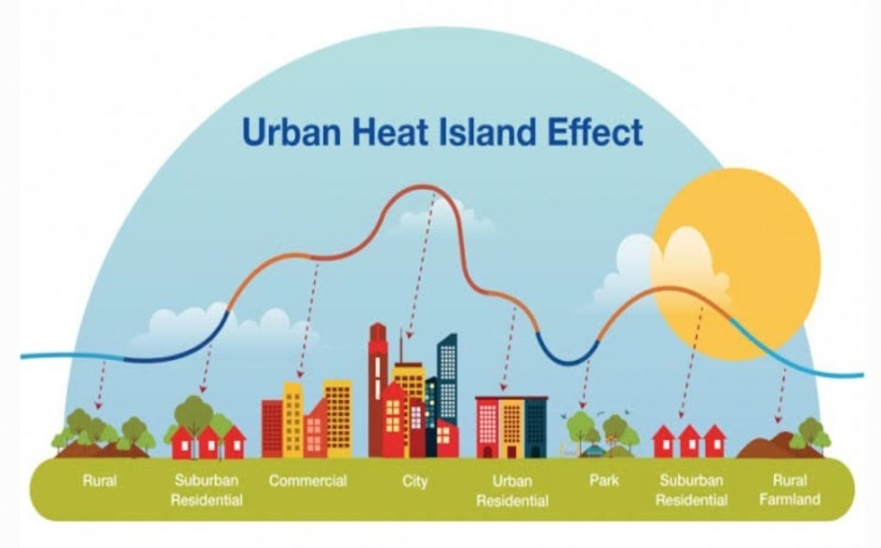
INTRODUCTION Increased urbanisation and industrialisation will devastate the urban environment, causing the cities to develop without a proper planned and regulated development policy. The expansion of cities has led to an increase demand for public services and infrastructure, which has made it to be challenging for governments to keep up with the growing needs.1 Unplanned urbanisation may result in adverse effects, including overcrowding, the emergence of slums, higher living expenses, elevated crime rates, pollution, impersonal relationships, and stress.2–5 Moreover, the rapid development of cities may have a negative impact on the environment, causing | temperature fluctuations and imbalances, particularly in urban areas.6 This will lead to an effects known as Urban Heat Island (UHI).7 UHI is believed to be caused by an increase in temperature in urban areas compared to their surroundings. The buildings in the urban or city area are mostly built using the hard surface material such as concrete, which will trap the heat. Lack of green space will worsen the condition as the evaporation rate will decrease and indirectly increase the heat. This has a direct impact on the average air temperature throughout the urban area. This causes the area to become warmer than the surrounding countryside ( Figure 1)
Figure 1 Urban heat island formation Source:https://www.insightsonindia.com
Luke Howard discovered the UHI phenomenon in the 1980s, noticing temperature differences in London at night and during the day compared to the surrounding city area.8 The UHI can be affected by various factors such as time, location, geography, meteorological parameters, and wind speeds.9–11 The intensity of UHI is higher in densely populated areas, and it also varies hourly and seasonally.12 Moreover, the geographical location of the area affects the intensity of UHI.13 Urban areas located in higher latitudes will have colder temperatures, which could reduce the burden of global warming.13 This variation is observed in urban areas located in lower or middle latitudes, where UHI effect is stronger and temperatures are slightly warmer, causing discomfort to the residents. This, in turn, leads to an increase in the usage of air conditioning units which further increases the surrounding temperature due to the increase in greenhouse gases.14 UHI phenomenon can have both environmental and health implication. Study conducted in Italy, had shown that UHI led to a significant increase in energy consumption.15 Other research, such as study by Su et al,16 had validated | the relationship between UHI intensity and monthly cooling energy consumption, which can range from 0.17 kWh/m2 to 1.84 kWh/m2. Furthermore, studies conducted in Singapore during 2016 and 2017 had shown that UHI can lead to an increase in cooling energy consumption ranging from 4% to 12%.17,18 However, while these studies provide evidence for the impact of UHI on energy consumption, it is important to note that UHI also has an impact on the economy. Increase energy consumption and demands for cooling will lead to increased cost for individuals and bussinesses. However, the economic impact of the UHI extends beyond just increased energy costs.19 Studies have shown that it can also result in decreased productivity due to heat-related illnesses, decreased property values, and increased infrastructure costs for cooling systems. UHI have additional environmental effects, including increased air pollution and greenhouse gas emissions. UHI worsens air quality due to higher fossil fuel consumption, resulting in the production of carbon dioxide (CO2) and other pollutants like sulphur dioxide (SO2) and nitrogen oxides (NOx), which contribute to the greenhouse effect. Yuanyuan et al20 conducted a study in China,

