Aero Forces
Aerodynamics Forces |  |  |  |  | Simulation Convergence (Fastest, Simulation #04) (history) |  |  |  |  | Simulation Convergence (Most-energy-efficient, Simulation #02) (history)
 |  |  |  |  | Time [iter] | Wall-clock time [s] | CD [-] | CL [-] | CS [-] | Time [iter] | Wall-clock time [s] | CD [-] | CL [-] | CS [-]
Required input: |  |  |  |  | 1 | 0 | 1.32E+00 | -8.08E-01 | 3.43E-03 | 1 | 0 | 1.32E+00 | -8.08E-01 | 3.43E-03
1) Mean Aerodynamic forces (CD; CL; CS) |  |  |  | mandatory for SW/HW track | 2 | 5.48E-01 | 5.24E-01 | -4.08E-01 | 3.45E-03 | 2 | 5.48E-01 | 5.24E-01 | -4.08E-01 | 3.45E-03
2) Convergence of Aerodynamic forces (CD; CL; CS) |  |  |  | mandatory for SW/HW track | 3 | 1.03E+00 | 2.87E-01 | -3.02E-01 | 3.38E-03 | 3 | 1.03E+00 | 2.87E-01 | -3.02E-01 | 3.38E-03
3) Meancalc generated Aerodynamic forces |  |  |  | mandatory only for software track | 4 | 1.49E+00 | 2.60E-01 | -3.19E-01 | 4.08E-03 | 4 | 1.49E+00 | 2.60E-01 | -3.19E-01 | 4.08E-03
 |  |  |  |  | 5 | 1.99E+00 | 2.88E-01 | -3.59E-01 | 5.51E-03 | 5 | 1.99E+00 | 2.88E-01 | -3.59E-01 | 5.51E-03
Simulation title: | ID01_OpenFOAM_Decomposer_TunedSetup |  |  |  | 6 | 2.49E+00 | 3.30E-01 | -4.01E-01 | 7.22E-03 | 6 | 2.49E+00 | 3.30E-01 | -4.01E-01 | 7.22E-03
Aero Force Coeff: | CD | CL | CS |  | 7 | 2.96E+00 | 3.72E-01 | -4.41E-01 | 8.95E-03 | 7 | 2.96E+00 | 3.72E-01 | -4.41E-01 | 8.95E-03
AVERAGE - based on participant best practice |  |  |  |  | 8 | 3.42E+00 | 4.08E-01 | -4.73E-01 | 1.04E-02 | 8 | 3.42E+00 | 4.08E-01 | -4.73E-01 | 1.04E-02
 |  |  |  |  | 9 | 3.87E+00 | 4.34E-01 | -4.87E-01 | 1.13E-02 | 9 | 3.87E+00 | 4.34E-01 | -4.87E-01 | 1.13E-02
 |  |  |  |  | 10 | 4.32E+00 | 4.49E-01 | -4.81E-01 | 1.18E-02 | 10 | 4.32E+00 | 4.49E-01 | -4.81E-01 | 1.18E-02
 |  |  |  |  | 11 | 4.77E+00 | 4.56E-01 | -4.54E-01 | 1.16E-02 | 11 | 4.77E+00 | 4.56E-01 | -4.54E-01 | 1.16E-02
 |  |  |  |  | 12 | 5.21E+00 | 4.56E-01 | -4.14E-01 | 1.09E-02 | 12 | 5.21E+00 | 4.56E-01 | -4.14E-01 | 1.09E-02
Standardized Meancalc based evaluation of aero dynamic force time traces |  |  |  |  | 13 | 5.66E+00 | 4.53E-01 | -3.68E-01 | 9.84E-03 | 13 | 5.66E+00 | 4.53E-01 | -3.68E-01 | 9.84E-03
 |  |  |  |  | 14 | 6.09E+00 | 4.50E-01 | -3.24E-01 | 8.94E-03 | 14 | 6.09E+00 | 4.50E-01 | -3.24E-01 | 8.94E-03
- Meancalc output will be used for result quality checking in the SW track |  |  |  |  | 15 | 6.53E+00 | 4.47E-01 | -2.86E-01 | 8.25E-03 | 15 | 6.53E+00 | 4.47E-01 | -2.86E-01 | 8.25E-03
- Access Meancalc via: |  |  |  |  | 16 | 6.97E+00 | 4.46E-01 | -2.57E-01 | 7.76E-03 | 16 | 6.97E+00 | 4.46E-01 | -2.57E-01 | 7.76E-03
https://meancalc.app.upstream-cfd.com |  |  |  |  | 17 | 7.41E+00 | 4.47E-01 | -2.36E-01 | 7.66E-03 | 17 | 7.41E+00 | 4.47E-01 | -2.36E-01 | 7.66E-03
Credentials may be obtained by emailing meancalc@app.upstream-cfd.com |  |  |  |  | 18 | 7.85E+00 | 4.48E-01 | -2.24E-01 | 7.96E-03 | 18 | 7.85E+00 | 4.48E-01 | -2.24E-01 | 7.96E-03
 |  |  |  |  | 19 | 8.28E+00 | 4.49E-01 | -2.19E-01 | 8.65E-03 | 19 | 8.28E+00 | 4.49E-01 | -2.19E-01 | 8.65E-03
- Uncheck "Enforce minimum remaining samples" |  |  |  |  | 20 | 8.71E+00 | 4.51E-01 | -2.20E-01 | 9.21E-03 | 20 | 8.71E+00 | 4.51E-01 | -2.20E-01 | 9.21E-03
- Activate "Use additional columns…" and select columns for other |  |  |  |  | 21 | 9.14E+00 | 4.53E-01 | -2.25E-01 | 9.51E-03 | 21 | 9.14E+00 | 4.53E-01 | -2.25E-01 | 9.51E-03
...
Aerodynamics Forces
Averaging start timestep [nskip] | 2199 | 2199 | 2199
Averaging samples [nused] | 1801 | 1801 | 1801
Mean value m | 0.2592 | 0.0835 | 0.0091
Error Mean Value s(m) | 0.00095 | 0.00199 | 0.00139
95% conf. int. on mean 2*s(m) | 0.0019 | 0.0040 | 0.0028
Standard deviation s | 0.0051 | 0.0144 | 0.0078
Error Standard Deviation s(s) | 0.0007 | 0.0014 | 0.0010
...
Aerodynamics Forces
Input picture of Meancalc anaylsis of aerodynamic drag CD time trace
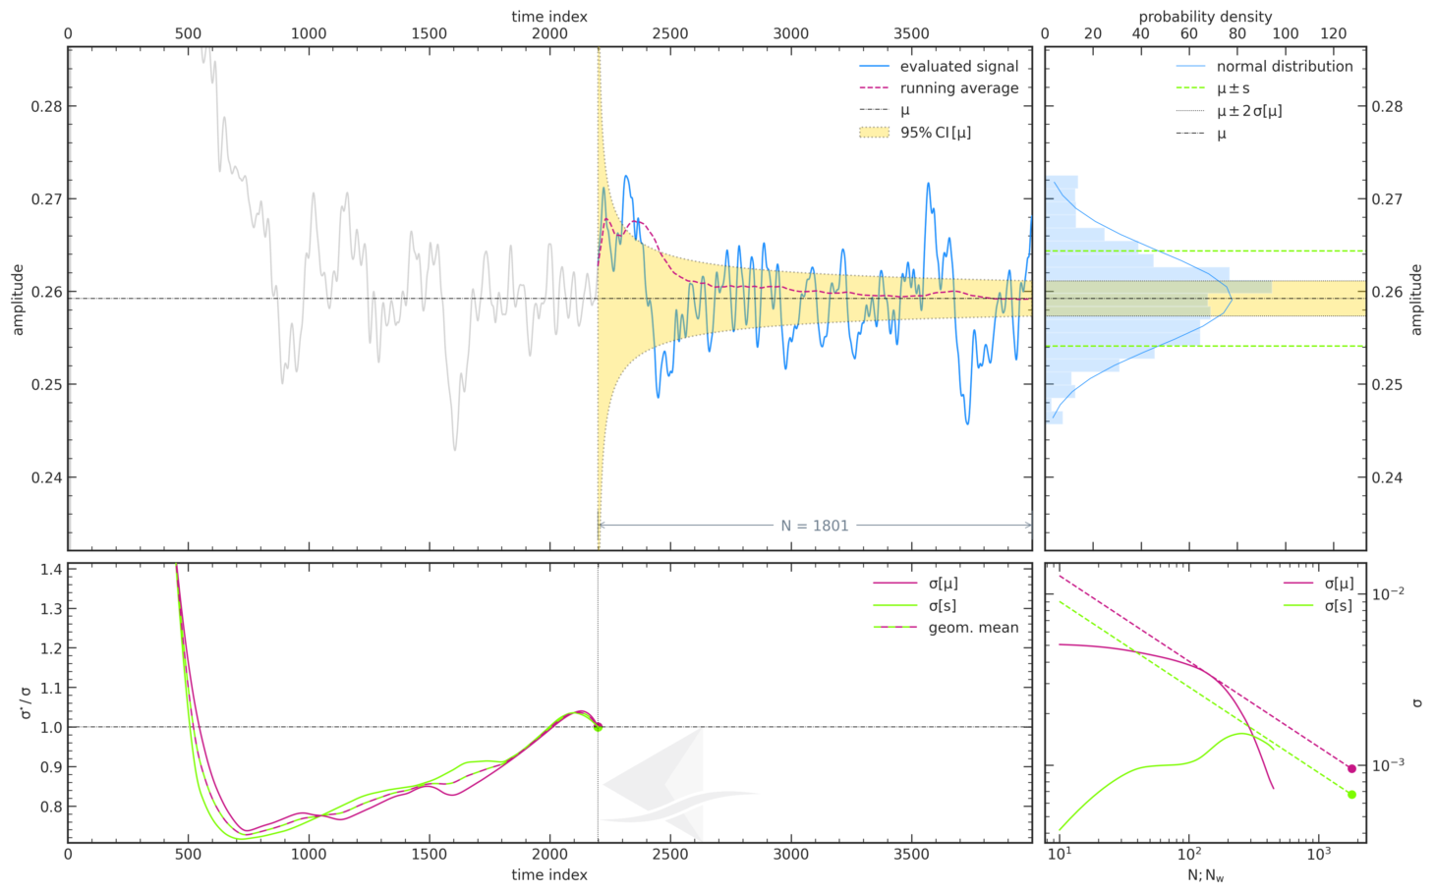
...

Force Plots
Aerodynamic Forces

ID__
 | ID01_OpenFOAM_Decomposer_TunedSetup
CD
CL

Participant Best-practice Averaging
 | ID01_OpenFOAM_Decomposer_TunedSetup
CD
CL
CS
Meancalc Averaging
 | ID01_OpenFOAM_Decomposer_TunedSetup
CD | 0.2592267
CL | 0.08354673
CS | 0.00912394

Reference Results (AutoCFD4): Case_2
Reference Results (OHC-1): Baseline Setup

 | coarse | medium | fine
Cd | 0.26813019894 | 0.26442937858 | 0.2623799692
Cl | 0.092502839155 | 0.086531817451 | 0.078673044132
Cs | 0.020605624644 | 0.021698855578 | 0.01157466444

 | Grid | Cd | sig(Cd) | CI(Cd) | Cl | sig(Cl) | CI(Cl) | Cs | sig(Cs) | CI(Cs) | Column1 | CI (drag counts):
 | coarse | 2.68E-01 | 4.46E-04 | 8.93E-04 | 9.25E-02 | 1.32E-03 | 2.63E-03 | 2.06E-02 | 2.91E-03 | 5.82E-03 |  | 0.893
 | medium | 2.64E-01 | 6.15E-04 | 1.23E-03 | 8.65E-02 | 1.24E-03 | 2.48E-03 | 2.17E-02 | 2.30E-03 | 4.60E-03 |  | 1.230
 | fine | 2.62E-01 | 6.33E-04 | 1.27E-03 | 7.87E-02 | 1.81E-03 | 3.61E-03 | 1.16E-02 | 9.52E-04 | 1.90E-03 |  | 1.266

Convergence Plots
Aerodynamic Force Convergence

ID__
 | ID01_OpenFOAM_Decomposer_TunedSetup
CD
CL

Aerodynamic Force Convergence (Fastest)
 | CD | CL | CS
0 | 1.3181160433 | -0.80839337685 | 0.0034303087053
0.547916089 | 0.52445975801 | -0.40775181229 | 0.0034489251117
1.02945686 | 0.28673064536 | -0.30226562298 | 0.0033797615099
1.490773073 | 0.25972395416 | -0.31949702021 | 0.0040833338853
1.986796071 | 0.28779220558 | -0.35929910901 | 0.0055105050629
2.487403704 | 0.32978002514 | -0.40122953449 | 0.007221538916
2.962272221 | 0.37206299492 | -0.44138312592 | 0.0089528743196
3.423726526 | 0.40770959497 | -0.47311580058 | 0.010390816922
3.874959645 | 0.43375907882 | -0.48710195952 | 0.01134732345
4.321865296 | 0.44944470782 | -0.48123540376 | 0.011791588215
4.76951615 | 0.45570397717 | -0.45440236428 | 0.011626636055
5.212208339 | 0.45567067944 | -0.4142078153 | 0.010908578388
5.662542172 | 0.45284710858 | -0.36845789509 | 0.0098445251599
6.092885581 | 0.44962917446 | -0.32419485424 | 0.0089384914436
6.533197606 | 0.44717546516 | -0.28613895718 | 0.008248784603
6.973487009 | 0.44623895249 | -0.25671020041 | 0.0077646636539
7.41300624 | 0.44658460876 | -0.23572292767 | 0.0076560896224
7.845627639 | 0.44774387564 | -0.22412477134 | 0.0079649657508
8.283054432 | 0.44924821524 | -0.21938072652 | 0.0086518814524
8.712672215 | 0.45094684439 | -0.22006965327 | 0.0092081125235
9.138087436 | 0.45280784486 | -0.2248783199 | 0.009514345888
9.567491794 | 0.45427837424 | -0.23031272518 | 0.0097900659505
9.991457136 | 0.45530117884 | -0.2335732141 | 0.009813720561
10.393291183 | 0.45578082968 | -0.23294268825 | 0.0097380907524
10.794130884 | 0.4559438583 | -0.22764392023 | 0.0095333340845
11.200923386 | 0.45575016203 | -0.21828717371 | 0.0092104444706
11.603562931 | 0.45508265473 | -0.20558631885 | 0.0089590915029
12.003607615 | 0.45395457603 | -0.19017699636 | 0.0089366667329
12.407135795 | 0.45224743995 | -0.17266759478 | 0.0090227938901
12.803709075 | 0.45014136949 | -0.15497492805 | 0.0092941393546
13.203587152 | 0.44801848897 | -0.14074309882 | 0.0096685502824
13.599539945 | 0.44620307588 | -0.13158884916 | 0.010365846372
13.995619217 | 0.44470626971 | -0.12551388168 | 0.012004595915
14.397424229 | 0.4434619145 | -0.11882782829 | 0.014382683476
14.796543217 | 0.44235117137 | -0.11048408011 | 0.016916096529
15.195514966 | 0.4416273774 | -0.10091419063 | 0.018991363265
15.60198186 | 0.44139544739 | -0.090123716894 | 0.020390259831
15.999808727 | 0.44173086144 | -0.07715822137 | 0.021156710191
16.401344459 | 0.44246545965 | -0.06242036617 | 0.021551943028
16.799530177 | 0.44361052897 | -0.047003390964 | 0.022053159548
17.198661191 | 0.44526603091 | -0.031403528738 | 0.022564854675
17.59372976 | 0.44704801218 | -0.01614478706 | 0.023066119604
17.994499213 | 0.44846421887 | -0.0010290085761 | 0.023592360243
18.39551832 | 0.44926124174 | 0.01297748088 | 0.024052789591
18.794506564 | 0.44951782083 | 0.025579958395 | 0.024221849897
19.190561635 | 0.44935556328 | 0.037900831727 | 0.024099199967
19.585572334 | 0.44886745219 | 0.0499750864 | 0.023605892813
19.978794331 | 0.4480427776 | 0.060897114832 | 0.022874668821
20.376540639 | 0.44713748177 | 0.070375771307 | 0.021865698259
20.768830017 | 0.44633473107 | 0.078578856939 | 0.020537593255
...
Aerodynamic Force Convergence (Energy-Efficient)
 | CD | CL | CS
0 | 1.3181160433 | -0.80839337685 | 0.0034303087053
0.547916089 | 0.52445975801 | -0.40775181229 | 0.0034489251117
1.02945686 | 0.28673064536 | -0.30226562298 | 0.0033797615099
1.490773073 | 0.25972395416 | -0.31949702021 | 0.0040833338853
1.986796071 | 0.28779220558 | -0.35929910901 | 0.0055105050629
2.487403704 | 0.32978002514 | -0.40122953449 | 0.007221538916
2.962272221 | 0.37206299492 | -0.44138312592 | 0.0089528743196
3.423726526 | 0.40770959497 | -0.47311580058 | 0.010390816922
3.874959645 | 0.43375907882 | -0.48710195952 | 0.01134732345
4.321865296 | 0.44944470782 | -0.48123540376 | 0.011791588215
4.76951615 | 0.45570397717 | -0.45440236428 | 0.011626636055
5.212208339 | 0.45567067944 | -0.4142078153 | 0.010908578388
5.662542172 | 0.45284710858 | -0.36845789509 | 0.0098445251599
6.092885581 | 0.44962917446 | -0.32419485424 | 0.0089384914436
6.533197606 | 0.44717546516 | -0.28613895718 | 0.008248784603
6.973487009 | 0.44623895249 | -0.25671020041 | 0.0077646636539
7.41300624 | 0.44658460876 | -0.23572292767 | 0.0076560896224
7.845627639 | 0.44774387564 | -0.22412477134 | 0.0079649657508
8.283054432 | 0.44924821524 | -0.21938072652 | 0.0086518814524
8.712672215 | 0.45094684439 | -0.22006965327 | 0.0092081125235
9.138087436 | 0.45280784486 | -0.2248783199 | 0.009514345888
9.567491794 | 0.45427837424 | -0.23031272518 | 0.0097900659505
9.991457136 | 0.45530117884 | -0.2335732141 | 0.009813720561
10.393291183 | 0.45578082968 | -0.23294268825 | 0.0097380907524
10.794130884 | 0.4559438583 | -0.22764392023 | 0.0095333340845
11.200923386 | 0.45575016203 | -0.21828717371 | 0.0092104444706
11.603562931 | 0.45508265473 | -0.20558631885 | 0.0089590915029
12.003607615 | 0.45395457603 | -0.19017699636 | 0.0089366667329
12.407135795 | 0.45224743995 | -0.17266759478 | 0.0090227938901
12.803709075 | 0.45014136949 | -0.15497492805 | 0.0092941393546
13.203587152 | 0.44801848897 | -0.14074309882 | 0.0096685502824
13.599539945 | 0.44620307588 | -0.13158884916 | 0.010365846372
13.995619217 | 0.44470626971 | -0.12551388168 | 0.012004595915
14.397424229 | 0.4434619145 | -0.11882782829 | 0.014382683476
14.796543217 | 0.44235117137 | -0.11048408011 | 0.016916096529
15.195514966 | 0.4416273774 | -0.10091419063 | 0.018991363265
15.60198186 | 0.44139544739 | -0.090123716894 | 0.020390259831
15.999808727 | 0.44173086144 | -0.07715822137 | 0.021156710191
16.401344459 | 0.44246545965 | -0.06242036617 | 0.021551943028
16.799530177 | 0.44361052897 | -0.047003390964 | 0.022053159548
17.198661191 | 0.44526603091 | -0.031403528738 | 0.022564854675
17.59372976 | 0.44704801218 | -0.01614478706 | 0.023066119604
17.994499213 | 0.44846421887 | -0.0010290085761 | 0.023592360243
18.39551832 | 0.44926124174 | 0.01297748088 | 0.024052789591
18.794506564 | 0.44951782083 | 0.025579958395 | 0.024221849897
19.190561635 | 0.44935556328 | 0.037900831727 | 0.024099199967
19.585572334 | 0.44886745219 | 0.0499750864 | 0.023605892813
19.978794331 | 0.4480427776 | 0.060897114832 | 0.022874668821
20.376540639 | 0.44713748177 | 0.070375771307 | 0.021865698259
20.768830017 | 0.44633473107 | 0.078578856939 | 0.020537593255
...

