Aero Forces
Aerodynamics Forces |  |  |  |  | Simulation Convergence (Fastest, Simulation #XX) (history) |  |  |  |  | Simulation Convergence (Most-energy-efficient, Simulation #XX) (history)
 |  |  |  |  | Time [iter] | Wall-clock time [s] | CD [-] | CL [-] | CS [-] | Time [iter] | Wall-clock time [s] | CD [-] | CL [-] | CS [-]
Required input: |  |  |  |  | 1 | 0 | 2.34E+01 | -6.60E+00 | 6.93E-02 | 1 | 0 | 2.17E+01 | -6.36E+00 | 8.34E-02
1) Mean Aerodynamic forces (CD; CL; CS) |  |  |  | mandatory for SW/HW track | 2 | 0.855051315 | 6.34E+00 | -4.66E+00 | -1.27E-02 | 2 | 3.585650418 | 8.53E+00 | -3.97E+00 | 1.76E-02
2) Convergence of Aerodynamic forces (CD; CL; CS) |  |  |  | mandatory for SW/HW track | 3 | 1.657957876 | 1.80E+00 | -1.01E+00 | -1.06E-02 | 3 | 6.973695766 | 2.52E+00 | -1.30E+00 | -5.74E-03
3) Meancalc generated Aerodynamic forces |  |  |  | mandatory only for software track | 4 | 2.608169229 | 3.40E-01 | 5.76E-01 | 6.09E-03 | 4 | 10.342283036 | 3.69E-01 | -6.89E-02 | -5.27E-03
 |  |  |  |  | 5 | 3.543498712 | -5.42E-03 | 6.27E-01 | 1.40E-02 | 5 | 13.688992551 | -3.63E-01 | 3.19E-01 | -2.02E-04
Simulation title: | ID01_OpenFOAM_coherentIO |  |  |  | 6 | 4.434670097 | -4.97E-02 | 1.68E-01 | 1.57E-02 | 6 | 17.036103925 | -4.60E-01 | 2.05E-01 | 3.63E-03
Aero Force Coeff: | CD | CL | CS |  | 7 | 5.248275336 | 9.63E-02 | -2.94E-01 | 1.45E-02 | 7 | 20.381996296 | -2.29E-01 | -9.68E-02 | 4.50E-03
AVERAGE - based on participant best practice |  |  |  |  | 8 | 5.993210184 | 3.03E-01 | -5.74E-01 | 1.24E-02 | 8 | 23.719297028 | 1.19E-01 | -3.94E-01 | 4.53E-03
 |  |  |  |  | 9 | 6.727307373 | 4.83E-01 | -6.32E-01 | 1.15E-02 | 9 | 27.061028947 | 4.20E-01 | -5.41E-01 | 7.05E-03
 |  |  |  |  | 10 | 7.361862193 | 5.77E-01 | -5.43E-01 | 1.20E-02 | 10 | 30.415188319 | 5.89E-01 | -5.37E-01 | 1.22E-02
 |  |  |  |  | 11 | 7.970385054 | 5.98E-01 | -4.18E-01 | 1.31E-02 | 11 | 33.7505538 | 6.47E-01 | -4.62E-01 | 1.84E-02
 |  |  |  |  | 12 | 8.532449397 | 5.70E-01 | -3.25E-01 | 1.38E-02 | 12 | 37.085924872 | 6.31E-01 | -3.73E-01 | 2.33E-02
Standardized Meancalc based evaluation of aero dynamic force time traces |  |  |  |  | 13 | 9.086737611 | 5.22E-01 | -2.83E-01 | 1.42E-02 | 13 | 40.415343699 | 5.76E-01 | -3.11E-01 | 2.47E-02
 |  |  |  |  | 14 | 9.591115485 | 4.80E-01 | -2.94E-01 | 1.41E-02 | 14 | 43.742542695 | 5.06E-01 | -2.95E-01 | 2.12E-02
- Meancalc output will be used for result quality checking in the SW track |  |  |  |  | 15 | 10.067230444 | 4.54E-01 | -3.06E-01 | 1.34E-02 | 15 | 47.076286815 | 4.63E-01 | -3.05E-01 | 1.58E-02
- Access Meancalc via: |  |  |  |  | 16 | 10.522019053 | 4.43E-01 | -3.10E-01 | 1.27E-02 | 16 | 50.400599918 | 4.41E-01 | -3.09E-01 | 1.12E-02
https://meancalc.app.upstream-cfd.com |  |  |  |  | 17 | 10.927579879 | 4.44E-01 | -3.04E-01 | 1.22E-02 | 17 | 53.724616227 | 4.34E-01 | -3.04E-01 | 8.28E-03
Credentials may be obtained by emailing meancalc@app.upstream-cfd.com |  |  |  |  | 18 | 11.349589622 | 4.53E-01 | -2.93E-01 | 1.20E-02 | 18 | 57.065277341 | 4.38E-01 | -2.90E-01 | 7.95E-03
 |  |  |  |  | 19 | 11.73517354 | 4.66E-01 | -2.78E-01 | 1.23E-02 | 19 | 60.400174121 | 4.49E-01 | -2.72E-01 | 9.86E-03
- Uncheck "Enforce minimum remaining samples" |  |  |  |  | 20 | 12.111408133 | 4.76E-01 | -2.67E-01 | 1.27E-02 | 20 | 63.730794255 | 4.61E-01 | -2.53E-01 | 1.29E-02
...
Aerodynamics Forces
Averaging start timestep [nskip] | 1719 | 1719 | 1719
Averaging samples [nused] | 2281 | 2281 | 2281
Mean value m | 0.2622 | 0.0749 | 0.0095
Error Mean Value s(m) | 0.00063 | 0.00218 | 0.00277
95% conf. int. on mean 2*s(m) | 0.0013 | 0.0044 | 0.0055
Standard deviation s | 0.0054 | 0.0205 | 0.0115
Error Standard Deviation s(s) | 0.0004 | 0.0015 | 0.0020
...
Aerodynamics Forces
Input picture of Meancalc anaylsis of aerodynamic drag CD time trace
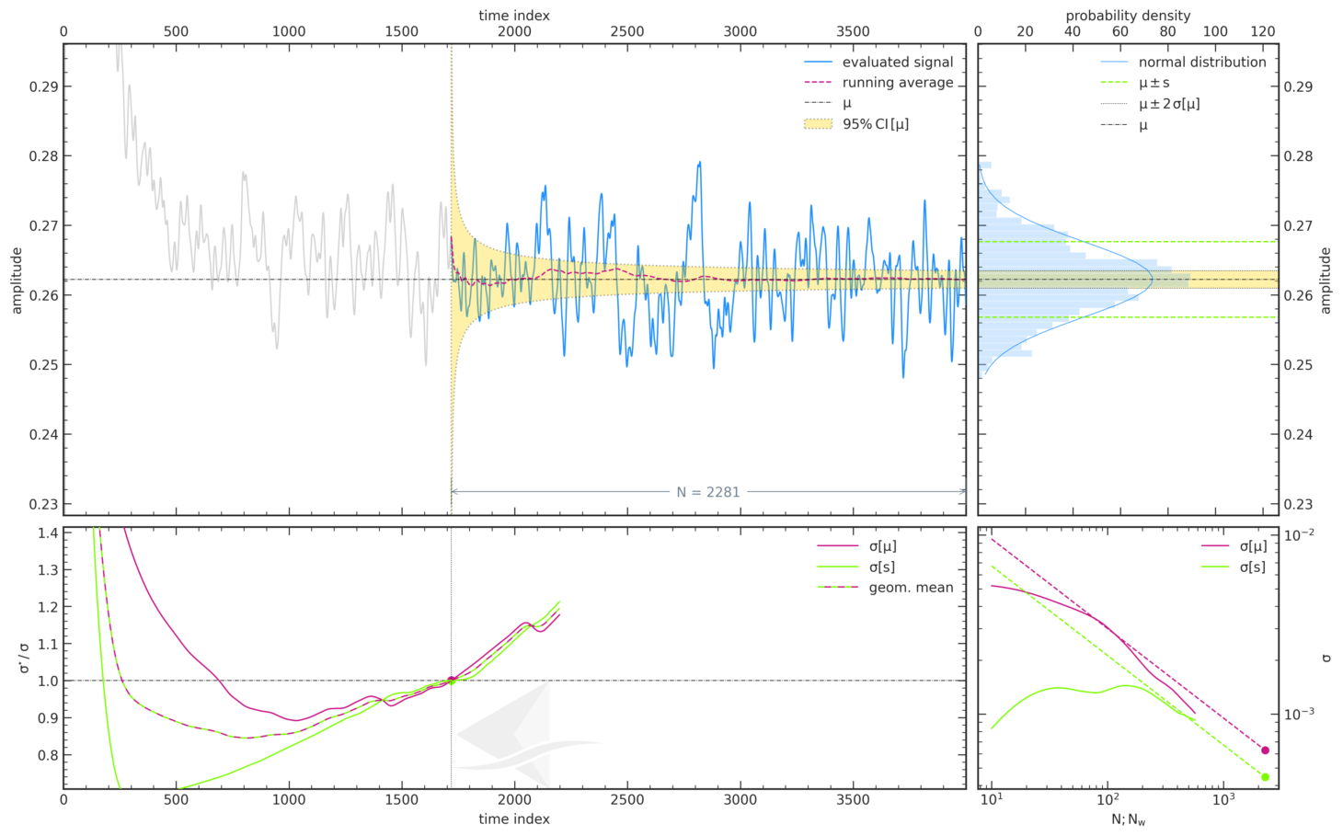
...

Force Plots
Aerodynamic Forces

ID__
 | ID01_OpenFOAM_coherentIO
CD
CL

Participant Best-practice Averaging
 | ID01_OpenFOAM_coherentIO
CD
CL
CS
Meancalc Averaging
 | ID01_OpenFOAM_coherentIO
CD | 0.2622163
CL | 0.07485438
CS | 0.009456097

Reference Results (AutoCFD4): Case_2
Reference Results (OHC-1): Baseline Setup

 | coarse | medium | fine
Cd | 0.26813019894 | 0.26442937858 | 0.2623799692
Cl | 0.092502839155 | 0.086531817451 | 0.078673044132
Cs | 0.020605624644 | 0.021698855578 | 0.01157466444

 | Grid | Cd | sig(Cd) | CI(Cd) | Cl | sig(Cl) | CI(Cl) | Cs | sig(Cs) | CI(Cs) | Column1 | CI (drag counts):
 | coarse | 2.68E-01 | 4.46E-04 | 8.93E-04 | 9.25E-02 | 1.32E-03 | 2.63E-03 | 2.06E-02 | 2.91E-03 | 5.82E-03 |  | 0.893
 | medium | 2.64E-01 | 6.15E-04 | 1.23E-03 | 8.65E-02 | 1.24E-03 | 2.48E-03 | 2.17E-02 | 2.30E-03 | 4.60E-03 |  | 1.230
 | fine | 2.62E-01 | 6.33E-04 | 1.27E-03 | 7.87E-02 | 1.81E-03 | 3.61E-03 | 1.16E-02 | 9.52E-04 | 1.90E-03 |  | 1.266

Convergence Plots
Aerodynamic Force Convergence

ID__
 | ID01_OpenFOAM_coherentIO
CD
CL

Aerodynamic Force Convergence (Fastest)
 | CD | CL | CS
0 | 23.379944123 | -6.6019622702 | 0.069286926064
0.855051315 | 6.3437765787 | -4.6615773784 | -0.012710434083
1.657957876 | 1.8047214706 | -1.0063874471 | -0.010576131104
2.608169229 | 0.34020943961 | 0.57592063595 | 0.0060865496222
3.543498712 | -0.0054242152756 | 0.62651964506 | 0.013950721847
4.434670097 | -0.049722310654 | 0.16832617697 | 0.015729983013
5.248275336 | 0.096324048147 | -0.29420021115 | 0.014512643341
5.993210184 | 0.30292774388 | -0.5736382461 | 0.012444282719
6.727307373 | 0.48296035277 | -0.63199811376 | 0.011503388592
7.361862193 | 0.57737583683 | -0.54330547779 | 0.012023741708
7.970385054 | 0.59768332097 | -0.41839637649 | 0.013050925485
8.532449397 | 0.57020115997 | -0.32476525494 | 0.013804151796
9.086737611 | 0.52195353763 | -0.28336277953 | 0.014185255171
9.591115485 | 0.48040195685 | -0.29383594385 | 0.014068262845
10.067230444 | 0.45416190931 | -0.30616879767 | 0.013414115378
10.522019053 | 0.44262911703 | -0.31024678732 | 0.012660404141
10.927579879 | 0.44374448888 | -0.30429139324 | 0.012172813094
11.349589622 | 0.453225429 | -0.29251504404 | 0.012008456095
11.73517354 | 0.46560269538 | -0.27847102997 | 0.012257288204
12.111408133 | 0.47571685861 | -0.26669101678 | 0.012668326974
12.48134425 | 0.48115301636 | -0.26036100155 | 0.012998333271
12.833327376 | 0.48137764422 | -0.25969731197 | 0.01322683916
13.182666923 | 0.47763840073 | -0.26317601546 | 0.013203704647
13.534914783 | 0.47140753383 | -0.26804204054 | 0.012773897598
13.866179089 | 0.46469153503 | -0.2723572485 | 0.011907278137
14.206310925 | 0.45901011996 | -0.2753971202 | 0.010570870598
14.535627246 | 0.45545416643 | -0.27602977956 | 0.008991418537
14.862084888 | 0.45394559974 | -0.27336418202 | 0.0076986809658
15.183390364 | 0.45361441334 | -0.26727032479 | 0.0068623528786
15.491174143 | 0.45389301855 | -0.25810139854 | 0.0062850792333
15.80451784 | 0.45436065646 | -0.24612482935 | 0.0060581367282
16.116881873 | 0.45483666264 | -0.23239784591 | 0.0061424809455
16.428587336 | 0.45525786228 | -0.2187496292 | 0.0063332499945
16.746096041 | 0.45515011192 | -0.20631510681 | 0.0065228196811
17.050770685 | 0.45480264042 | -0.19424670219 | 0.0066367667669
17.359795826 | 0.4541557034 | -0.18153248376 | 0.00669909226
17.668273153 | 0.45323719993 | -0.16902075626 | 0.0066522432206
17.97634893 | 0.45186383559 | -0.15801694551 | 0.0064184681326
18.280211515 | 0.44997533977 | -0.14757774145 | 0.0061912388733
18.586294727 | 0.4478863517 | -0.13732582397 | 0.0064068045404
18.892919624 | 0.4459165798 | -0.12675389296 | 0.0071663091584
19.194945975 | 0.44441250879 | -0.11583316591 | 0.0082541322723
19.498321939 | 0.44348679508 | -0.10478890995 | 0.0094087473179
19.804007363 | 0.44301506394 | -0.094250426118 | 0.010614038386
20.11221958 | 0.44326306382 | -0.084515142352 | 0.011836787891
20.410993907 | 0.44429745193 | -0.075318535897 | 0.013083964593
20.70916457 | 0.44555448136 | -0.066144273716 | 0.014394194717
21.012553169 | 0.44649978392 | -0.055647310004 | 0.015506338131
21.306774324 | 0.44686477101 | -0.043131485464 | 0.015985314941
21.603904254 | 0.4464060853 | -0.028560298853 | 0.016040141341
...
Aerodynamic Force Convergence (Energy-Efficient)
 | CD | CL | CS
0 | 21.709443401 | -6.3640718663 | 0.083400214726
3.585650418 | 8.5336080109 | -3.9675311279 | 0.017602723539
6.973695766 | 2.5155507158 | -1.3006870238 | -0.0057439853426
10.342283036 | 0.36855092222 | -0.068882052596 | -0.0052671936855
13.688992551 | -0.36290517735 | 0.31896849858 | -0.00020231605618
17.036103925 | -0.45955804112 | 0.20540694446 | 0.0036291496773
20.381996296 | -0.22866593944 | -0.096828345831 | 0.0044973062232
23.719297028 | 0.11891477192 | -0.39432886901 | 0.0045340225574
27.061028947 | 0.41977895035 | -0.54124400862 | 0.0070474301716
30.415188319 | 0.5886177746 | -0.53741851742 | 0.012219752615
33.7505538 | 0.64660995601 | -0.46163058284 | 0.018360340167
37.085924872 | 0.63134425091 | -0.37340682295 | 0.023295835865
40.415343699 | 0.57560588289 | -0.31134711905 | 0.024699628271
43.742542695 | 0.50634753617 | -0.2952046834 | 0.021161086485
47.076286815 | 0.4633683645 | -0.30526793296 | 0.015771436464
50.400599918 | 0.44144193077 | -0.30858049025 | 0.011153587326
53.724616227 | 0.43428676159 | -0.30403768052 | 0.0082810821801
57.065277341 | 0.43849253981 | -0.29048532982 | 0.007948401191
60.400174121 | 0.44914670892 | -0.27155851203 | 0.0098639415279
63.730794255 | 0.46103173606 | -0.25253143787 | 0.012935933706
67.10057664 | 0.47073394846 | -0.23949666169 | 0.015968641729
70.423431445 | 0.4761804528 | -0.23613064925 | 0.017935459388
73.75778243 | 0.47706011635 | -0.24233541475 | 0.018134233911
77.08915306 | 0.47392840491 | -0.25432258711 | 0.016491850782
80.422349288 | 0.46825986992 | -0.26742750988 | 0.013652719121
83.78642881 | 0.46192669142 | -0.27807478921 | 0.010532413946
87.122675329 | 0.45668015137 | -0.28297051244 | 0.0078654449982
90.452432952 | 0.4533106431 | -0.28065912429 | 0.006473408526
93.781239692 | 0.45157239974 | -0.27161312287 | 0.0063559474705
97.143095334 | 0.45097868835 | -0.25883425828 | 0.0069584721991
100.50591482 | 0.45132306075 | -0.24538660721 | 0.0075595199252
103.86252156 | 0.45232127518 | -0.23159583503 | 0.0080573355245
109.32141844 | 0.45309449639 | -0.2181245711 | 0.0083573820179
112.68186951 | 0.45315508825 | -0.20461444547 | 0.0082311762315
116.00465367 | 0.45298589402 | -0.189215099 | 0.0078917389258
119.36299631 | 0.45219357938 | -0.17371128075 | 0.0075972351859
122.68921298 | 0.45094537056 | -0.15881699428 | 0.0073235233722
126.08162647 | 0.44947286489 | -0.14495035778 | 0.0068809359541
129.43835161 | 0.4480314009 | -0.1326039604 | 0.0064981695604
132.80297981 | 0.44665713468 | -0.12266006652 | 0.0067085325353
136.16754305 | 0.44541654571 | -0.11477109664 | 0.0076125144098
139.52394879 | 0.44450789978 | -0.10788687647 | 0.0090535700875
142.88457489 | 0.4442217506 | -0.10061246976 | 0.010700476641
146.25303096 | 0.44453438808 | -0.092086313957 | 0.012118185069
149.61591254 | 0.44503945161 | -0.08304121879 | 0.013043470973
152.97354305 | 0.44540434549 | -0.073535379242 | 0.013728120786
156.3327818 | 0.44589111673 | -0.063931807713 | 0.014500265546
159.69347003 | 0.44670290451 | -0.054374153311 | 0.01556407215
163.05712119 | 0.44764980506 | -0.045177484391 | 0.016771372448
166.40788833 | 0.44816994696 | -0.036333895625 | 0.017695833459
...

