Aero Forces
Aerodynamics Forces |  |  |  |  | Simulation Convergence (Fastest, Simulation #04) (history) |  |  |  |  | Simulation Convergence (Most-energy-efficient, Simulation #02) (history)
 |  |  |  |  | Time [iter] | Wall-clock time [s] | CD [-] | CL [-] | CS [-] | Time [iter] | Wall-clock time [s] | CD [-] | CL [-] | CS [-]
Required input: |  |  |  |  | 1 | 0 | 6.84E+00 | -4.05E+00 | 4.40E-03 | 1 | 0 | 6.84E+00 | -4.05E+00 | 4.40E-03
1) Mean Aerodynamic forces (CD; CL; CS) |  |  |  | mandatory for SW/HW track | 2 | 4.16E-01 | 2.71E+00 | -3.04E+00 | -3.36E-03 | 2 | 2.73E-01 | 2.71E+00 | -3.04E+00 | -3.36E-03
2) Convergence of Aerodynamic forces (CD; CL; CS) |  |  |  | mandatory for SW/HW track | 3 | 5.49E-01 | -1.38E-01 | -1.09E+00 | -2.19E-03 | 3 | 4.63E-01 | -1.38E-01 | -1.09E+00 | -2.19E-03
3) Meancalc generated Aerodynamic forces |  |  |  | mandatory only for software track | 4 | 6.98E-01 | -4.92E-01 | 1.97E-01 | -1.29E-03 | 4 | 6.69E-01 | -4.92E-01 | 1.97E-01 | -1.29E-03
 |  |  |  |  | 5 | 8.48E-01 | 4.96E-02 | 3.86E-01 | 5.49E-03 | 5 | 8.77E-01 | 4.96E-02 | 3.86E-01 | 5.49E-03
Simulation title: | ID01_OpenFOAM_Decomposer_TunedSetup |  |  |  | 6 | 1.03E+00 | 5.22E-02 | 3.79E-01 | -8.23E-04 | 6 | 1.08E+00 | 5.22E-02 | 3.79E-01 | -8.23E-04
Aero Force Coeff: | CD | CL | CS |  | 7 | 1.23E+00 | 7.88E-02 | 3.89E-01 | -9.00E-04 | 7 | 1.27E+00 | 7.88E-02 | 3.89E-01 | -9.00E-04
AVERAGE - based on participant best practice |  |  |  |  | 8 | 1.40E+00 | 1.37E-01 | -1.16E-01 | 8.97E-04 | 8 | 1.47E+00 | 1.37E-01 | -1.16E-01 | 8.97E-04
 |  |  |  |  | 9 | 1.56E+00 | 1.62E-01 | -2.02E-01 | 3.84E-03 | 9 | 1.66E+00 | 1.62E-01 | -2.02E-01 | 3.84E-03
 |  |  |  |  | 10 | 1.76E+00 | 1.58E-01 | -5.72E-01 | 8.03E-04 | 10 | 1.87E+00 | 1.58E-01 | -5.72E-01 | 8.03E-04
 |  |  |  |  | 11 | 1.99E+00 | 1.62E-01 | -3.83E-01 | -2.32E-03 | 11 | 2.08E+00 | 1.62E-01 | -3.83E-01 | -2.32E-03
 |  |  |  |  | 12 | 2.21E+00 | 1.65E-01 | -3.78E-01 | -1.67E-03 | 12 | 2.30E+00 | 1.65E-01 | -3.78E-01 | -1.67E-03
Standardized Meancalc based evaluation of aero dynamic force time traces |  |  |  |  | 13 | 2.39E+00 | 1.42E-01 | -5.16E-02 | 3.30E-03 | 13 | 2.51E+00 | 1.42E-01 | -5.16E-02 | 3.30E-03
 |  |  |  |  | 14 | 2.57E+00 | 1.42E-01 | -5.03E-02 | 3.47E-03 | 14 | 2.72E+00 | 1.42E-01 | -5.03E-02 | 3.47E-03
- Meancalc output will be used for result quality checking in the SW track |  |  |  |  | 15 | 2.74E+00 | 1.72E-01 | -8.57E-02 | 2.08E-03 | 15 | 2.92E+00 | 1.72E-01 | -8.57E-02 | 2.08E-03
- Access Meancalc via: |  |  |  |  | 16 | 2.92E+00 | 1.75E-01 | -8.88E-02 | 1.03E-03 | 16 | 3.12E+00 | 1.75E-01 | -8.88E-02 | 1.03E-03
https://meancalc.app.upstream-cfd.com |  |  |  |  | 17 | 3.09E+00 | 1.82E-01 | -3.00E-01 | -1.57E-03 | 17 | 3.32E+00 | 1.82E-01 | -3.00E-01 | -1.57E-03
Credentials may be obtained by emailing meancalc@app.upstream-cfd.com |  |  |  |  | 18 | 3.25E+00 | 1.83E-01 | -2.99E-01 | -1.41E-03 | 18 | 3.50E+00 | 1.83E-01 | -2.99E-01 | -1.41E-03
 |  |  |  |  | 19 | 3.42E+00 | 2.01E-01 | -2.70E-01 | 3.01E-03 | 19 | 3.70E+00 | 2.01E-01 | -2.70E-01 | 3.01E-03
- Uncheck "Enforce minimum remaining samples" |  |  |  |  | 20 | 3.59E+00 | 2.02E-01 | -2.64E-01 | 3.12E-03 | 20 | 3.90E+00 | 2.02E-01 | -2.64E-01 | 3.12E-03
- Activate "Use additional columns…" and select columns for other |  |  |  |  | 21 | 3.73E+00 | 2.03E-01 | -2.61E-01 | 3.12E-03 | 21 | 4.09E+00 | 2.03E-01 | -2.61E-01 | 3.12E-03
...
Aerodynamics Forces
Averaging start timestep [nskip] | 1689 | 1689 | 1689
Averaging samples [nused] | 2311 | 2311 | 2311
Mean value m | 0.2634 | 0.0825 | 0.0074
Error Mean Value s(m) | 0.00063 | 0.00181 | 0.00112
95% conf. int. on mean 2*s(m) | 0.0013 | 0.0036 | 0.0022
Standard deviation s | 0.0041 | 0.0168 | 0.0063
Error Standard Deviation s(s) | 0.0004 | 0.0013 | 0.0008
...
Aerodynamics Forces
Input picture of Meancalc anaylsis of aerodynamic drag CD time trace
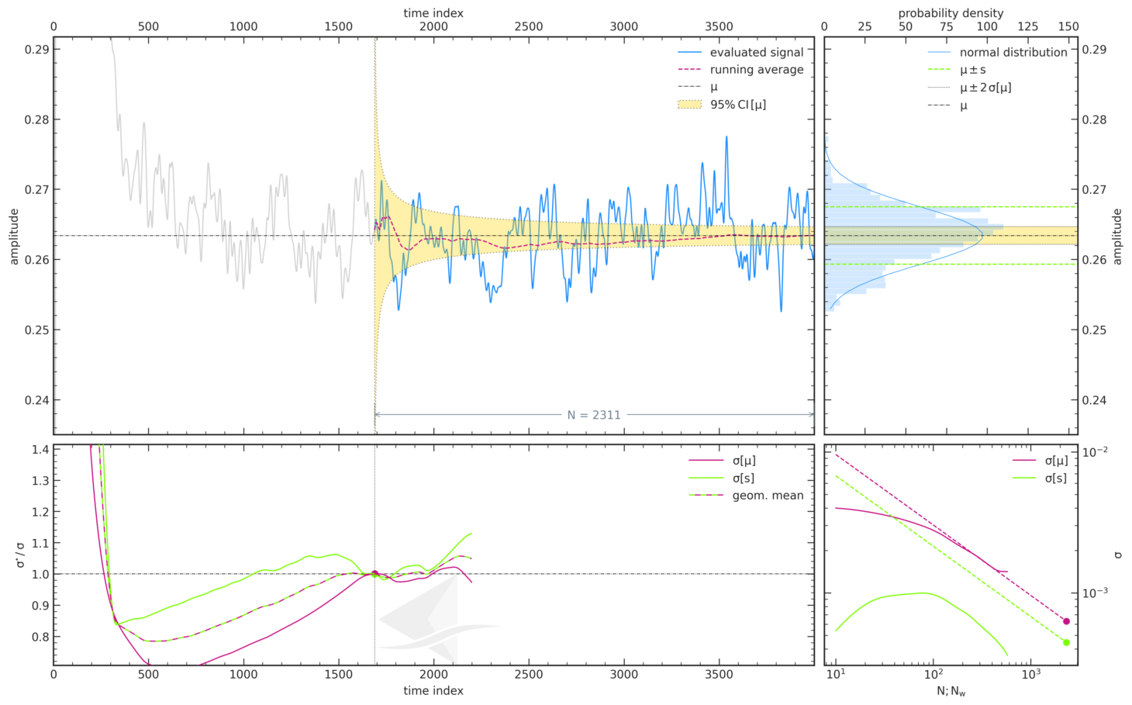
...

Force Plots
Aerodynamic Forces

ID__
 | ID01_OpenFOAM_Decomposer_TunedSetup
CD
CL

Participant Best-practice Averaging
 | ID01_OpenFOAM_Decomposer_TunedSetup
CD
CL
CS
Meancalc Averaging
 | ID01_OpenFOAM_Decomposer_TunedSetup
CD | 0.2633864
CL | 0.08252872
CS | 0.007374661

Reference Results (AutoCFD4): Case_2
Reference Results (OHC-1): Baseline Setup

 | coarse | medium | fine
Cd | 0.26813019894 | 0.26442937858 | 0.2623799692
Cl | 0.092502839155 | 0.086531817451 | 0.078673044132
Cs | 0.020605624644 | 0.021698855578 | 0.01157466444

 | Grid | Cd | sig(Cd) | CI(Cd) | Cl | sig(Cl) | CI(Cl) | Cs | sig(Cs) | CI(Cs) | Column1 | CI (drag counts):
 | coarse | 2.68E-01 | 4.46E-04 | 8.93E-04 | 9.25E-02 | 1.32E-03 | 2.63E-03 | 2.06E-02 | 2.91E-03 | 5.82E-03 |  | 0.893
 | medium | 2.64E-01 | 6.15E-04 | 1.23E-03 | 8.65E-02 | 1.24E-03 | 2.48E-03 | 2.17E-02 | 2.30E-03 | 4.60E-03 |  | 1.230
 | fine | 2.62E-01 | 6.33E-04 | 1.27E-03 | 7.87E-02 | 1.81E-03 | 3.61E-03 | 1.16E-02 | 9.52E-04 | 1.90E-03 |  | 1.266

Convergence Plots
Aerodynamic Force Convergence

ID__
 | ID01_OpenFOAM_Decomposer_TunedSetup
CD
CL

Aerodynamic Force Convergence (Fastest)
 | CD | CL | CS
0 | 6.8382570623 | -4.0549447262 | 0.0043963563903
0.415870884 | 2.7079741053 | -3.0448401968 | -0.003361932715
0.549484157 | -0.13800737049 | -1.092581246 | -0.0021907932125
0.697692641 | -0.49243952375 | 0.19670135921 | -0.0012918733667
0.848038734 | 0.049581716443 | 0.38643426185 | 0.005487437628
1.026551516 | 0.05221677928 | 0.37910967122 | -0.00082347427355
1.229146784 | 0.078843693759 | 0.38931367807 | -0.00090002713396
1.396914934 | 0.13709345142 | -0.1161667552 | 0.00089720663023
1.563798902 | 0.16219051842 | -0.2021440787 | 0.0038358374613
1.759275792 | 0.15768062757 | -0.57194454624 | 0.00080274888889
1.990400221 | 0.16158234903 | -0.38298609362 | -0.0023197185393
2.211050521 | 0.16544474037 | -0.37787586124 | -0.0016651563831
2.386597268 | 0.14200499922 | -0.051615391194 | 0.0032997215681
2.571902697 | 0.14235888336 | -0.05030235839 | 0.0034739442577
2.74274375 | 0.17196726235 | -0.085651506249 | 0.0020848216007
2.923456713 | 0.17544031428 | -0.088802371773 | 0.0010322235327
3.089820402 | 0.18210279179 | -0.30039154228 | -0.0015690273103
3.25264673 | 0.18280669278 | -0.29878520579 | -0.0014061908503
3.422028825 | 0.20114760119 | -0.26996554588 | 0.0030075971395
3.586168207 | 0.20245128706 | -0.26376701739 | 0.0031235476368
3.734133579 | 0.20276880894 | -0.26101291455 | 0.0031236516475
3.88308941 | 0.19455585137 | -0.22121906087 | 0.0008326605761
4.028091563 | 0.19632467077 | -0.21848677771 | 0.00081050550699
4.167966955 | 0.20111696571 | -0.21585217882 | 0.0010913326284
4.311521574 | 0.20056152836 | -0.21290211646 | 0.001263615445
4.463985821 | 0.22140903861 | -0.2009482416 | 0.0035404453662
4.601924091 | 0.22341300823 | -0.20125033995 | 0.0034059917034
4.745136537 | 0.22185626405 | -0.21953906443 | 0.0015027111722
4.898970107 | 0.22335872457 | -0.21837654226 | 0.0013774740181
5.030965266 | 0.22772537451 | -0.21863785934 | 0.0015953852502
5.159236442 | 0.22696328744 | -0.21752681622 | 0.0017202729242
5.280689342 | 0.23606293598 | -0.38580286684 | 0.0036785573603
5.408177942 | 0.23786366303 | -0.38179161836 | 0.0036798307731
5.537104368 | 0.24638573111 | -0.30691947561 | 0.0020537443797
5.660357555 | 0.24291791896 | -0.2780487335 | 0.002409659843
5.78473039 | 0.2445935372 | -0.27349441678 | 0.0022876098541
5.903376633 | 0.24641298038 | -0.2662895668 | 0.0021333708549
6.028693136 | 0.24471147432 | -0.26234577401 | 0.0021847078274
6.155828993 | 0.2543511254 | -0.22222784261 | 0.0028688220278
6.275378825 | 0.2543289547 | -0.22023510218 | 0.0030114745526
6.395968513 | 0.25484514242 | -0.22100124755 | 0.0032353412563
6.514863548 | 0.25714105124 | -0.27077526687 | 0.0045513847377
6.626026086 | 0.26101173865 | -0.26433710094 | 0.0044822931886
6.753675588 | 0.26075253947 | -0.26121403316 | 0.0045289897692
6.873750278 | 0.269381581 | -0.31448320646 | 0.0038805657221
6.987883058 | 0.26950937586 | -0.3120001769 | 0.0037455688172
7.109732165 | 0.27345638716 | -0.30262749775 | 0.0015880020447
7.224753257 | 0.27570667822 | -0.29687188653 | 0.0022545602303
7.342648475 | 0.2742745102 | -0.29267050371 | 0.0024859037142
7.465484203 | 0.28267337158 | -0.25828798141 | 0.0076600206453
...
Aerodynamic Force Convergence (Energy-Efficient)
 | CD | CL | CS
0 | 6.8382570623 | -4.0549447262 | 0.0043963563903
0.273015725 | 2.7079741053 | -3.0448401968 | -0.003361932715
0.462646353 | -0.13800737049 | -1.092581246 | -0.0021907932125
0.668754604 | -0.49243952375 | 0.19670135921 | -0.0012918733667
0.877166171 | 0.049581716443 | 0.38643426185 | 0.005487437628
1.080235925 | 0.05221677928 | 0.37910967122 | -0.00082347427355
1.273950983 | 0.078843693759 | 0.38931367807 | -0.00090002713396
1.466248238 | 0.13709345142 | -0.1161667552 | 0.00089720663023
1.658828331 | 0.16219051842 | -0.2021440787 | 0.0038358374613
1.865926798 | 0.15768062757 | -0.57194454624 | 0.00080274888889
2.077445566 | 0.16158234903 | -0.38298609362 | -0.0023197185393
2.300346912 | 0.16544474037 | -0.37787586124 | -0.0016651563831
2.508097219 | 0.14200499922 | -0.051615391194 | 0.0032997215681
2.716828845 | 0.14235888336 | -0.05030235839 | 0.0034739442577
2.92450038 | 0.17196726235 | -0.085651506249 | 0.0020848216007
3.117351296 | 0.17544031428 | -0.088802371773 | 0.0010322235327
3.316356818 | 0.18210279179 | -0.30039154228 | -0.0015690273103
3.503842236 | 0.18280669278 | -0.29878520579 | -0.0014061908503
3.700892435 | 0.20114760119 | -0.26996554588 | 0.0030075971395
3.896195856 | 0.20245128706 | -0.26376701739 | 0.0031235476368
4.089866628 | 0.20276880894 | -0.26101291455 | 0.0031236516475
4.274057412 | 0.19455585137 | -0.22121906087 | 0.0008326605761
4.45577416 | 0.19632467077 | -0.21848677771 | 0.00081050550699
4.648667829 | 0.20111696571 | -0.21585217882 | 0.0010913326284
4.834851579 | 0.20056152836 | -0.21290211646 | 0.001263615445
5.021954537 | 0.22140903861 | -0.2009482416 | 0.0035404453662
5.205587523 | 0.22341300823 | -0.20125033995 | 0.0034059917034
5.398515919 | 0.22185626405 | -0.21953906443 | 0.0015027111722
5.58647386 | 0.22335872457 | -0.21837654226 | 0.0013774740181
5.767847064 | 0.22772537451 | -0.21863785934 | 0.0015953852502
5.951277457 | 0.22696328744 | -0.21752681622 | 0.0017202729242
6.13684236 | 0.23606293598 | -0.38580286684 | 0.0036785573603
6.316198752 | 0.23786366303 | -0.38179161836 | 0.0036798307731
6.502021043 | 0.24638573111 | -0.30691947561 | 0.0020537443797
6.676347135 | 0.24291791896 | -0.2780487335 | 0.002409659843
6.855826787 | 0.2445935372 | -0.27349441678 | 0.0022876098541
7.037956605 | 0.24641298038 | -0.2662895668 | 0.0021333708549
7.222601638 | 0.24471147432 | -0.26234577401 | 0.0021847078274
7.403813249 | 0.2543511254 | -0.22222784261 | 0.0028688220278
7.580813935 | 0.2543289547 | -0.22023510218 | 0.0030114745526
7.769828581 | 0.25484514242 | -0.22100124755 | 0.0032353412563
7.947059713 | 0.25714105124 | -0.27077526687 | 0.0045513847377
8.125967147 | 0.26101173865 | -0.26433710094 | 0.0044822931886
8.306775058 | 0.26075253947 | -0.26121403316 | 0.0045289897692
8.483165132 | 0.269381581 | -0.31448320646 | 0.0038805657221
8.658474016 | 0.26950937586 | -0.3120001769 | 0.0037455688172
8.836684613 | 0.27345638716 | -0.30262749775 | 0.0015880020447
9.019719962 | 0.27570667822 | -0.29687188653 | 0.0022545602303
9.198147418 | 0.2742745102 | -0.29267050371 | 0.0024859037142
9.378022735 | 0.28267337158 | -0.25828798141 | 0.0076600206453
...

