Aero Forces
Aerodynamics Forces |  |  |  |  | Simulation Convergence (Fastest, Simulation #XX) (history) |  |  |  |  | Simulation Convergence (Most-energy-efficient, Simulation #XX) (history)
 |  |  |  |  | Time [iter] | Wall-clock time [s] | CD [-] | CL [-] | CS [-] | Time [iter] | Wall-clock time [s] | CD [-] | CL [-] | CS [-]
Required input: |  |  |  |  | 1 | 0 | 1.31E+01 | -3.95E+00 | 2.18E-02 | 1 | 0 | 1.29E+01 | -3.89E+00 | 4.01E-02
1) Mean Aerodynamic forces (CD; CL; CS) |  |  |  | mandatory for SW/HW track | 2 | 0.694334716 | 3.72E+00 | -1.80E+00 | 1.65E-02 | 2 | 1.026790956 | 4.05E+00 | -1.76E+00 | -6.96E-04
2) Convergence of Aerodynamic forces (CD; CL; CS) |  |  |  | mandatory for SW/HW track | 3 | 1.315115451 | 1.14E+00 | -3.78E-01 | 1.65E-02 | 3 | 1.938924936 | 1.13E+00 | -4.54E-01 | -1.14E-02
3) Meancalc generated Aerodynamic forces |  |  |  | mandatory only for software track | 4 | 2.001459883 | 3.28E-01 | -2.52E-02 | 1.53E-02 | 4 | 2.825113483 | 2.34E-01 | -9.12E-02 | 5.47E-04
 |  |  |  |  | 5 | 2.69135612 | 2.24E-01 | -1.60E-01 | 1.05E-02 | 5 | 3.622059481 | 1.48E-01 | -1.55E-01 | 1.14E-02
Simulation title: | ID01_OpenFOAM_coherentIO |  |  |  | 6 | 3.34254549 | 2.92E-01 | -3.32E-01 | 7.71E-03 | 6 | 4.380047743 | 2.60E-01 | -2.81E-01 | 1.59E-02
Aero Force Coeff: | CD | CL | CS |  | 7 | 3.937085783 | 3.83E-01 | -4.00E-01 | 8.34E-03 | 7 | 5.084564115 | 3.83E-01 | -3.53E-01 | 1.51E-02
AVERAGE - based on participant best practice |  |  |  |  | 8 | 4.481160118 | 4.45E-01 | -3.92E-01 | 1.09E-02 | 8 | 5.781661838 | 4.54E-01 | -3.69E-01 | 1.29E-02
 |  |  |  |  | 9 | 5.009879202 | 4.75E-01 | -3.67E-01 | 1.33E-02 | 9 | 6.448752974 | 4.78E-01 | -3.64E-01 | 1.18E-02
 |  |  |  |  | 10 | 5.476948187 | 4.81E-01 | -3.47E-01 | 1.47E-02 | 10 | 7.105937988 | 4.76E-01 | -3.52E-01 | 1.20E-02
 |  |  |  |  | 11 | 5.892569106 | 4.75E-01 | -3.29E-01 | 1.51E-02 | 11 | 7.752256303 | 4.66E-01 | -3.35E-01 | 1.31E-02
 |  |  |  |  | 12 | 6.276339015 | 4.67E-01 | -3.08E-01 | 1.47E-02 | 12 | 8.401833922 | 4.57E-01 | -3.14E-01 | 1.40E-02
Standardized Meancalc based evaluation of aero dynamic force time traces |  |  |  |  | 13 | 6.655240229 | 4.59E-01 | -2.91E-01 | 1.39E-02 | 13 | 9.040632173 | 4.51E-01 | -2.94E-01 | 1.41E-02
 |  |  |  |  | 14 | 6.998905604 | 4.53E-01 | -2.78E-01 | 1.32E-02 | 14 | 9.68049062 | 4.47E-01 | -2.78E-01 | 1.35E-02
- Meancalc output will be used for result quality checking in the SW track |  |  |  |  | 15 | 7.315218063 | 4.49E-01 | -2.68E-01 | 1.27E-02 | 15 | 10.323626528 | 4.45E-01 | -2.69E-01 | 1.24E-02
- Access Meancalc via: |  |  |  |  | 16 | 7.618629724 | 4.46E-01 | -2.63E-01 | 1.22E-02 | 16 | 12.692443017 | 4.42E-01 | -2.65E-01 | 1.13E-02
https://meancalc.app.upstream-cfd.com |  |  |  |  | 17 | 7.918642987 | 4.43E-01 | -2.59E-01 | 1.16E-02 | 17 | 13.341175635 | 4.39E-01 | -2.62E-01 | 1.01E-02
Credentials may be obtained by emailing meancalc@app.upstream-cfd.com |  |  |  |  | 18 | 8.218380926 | 4.42E-01 | -2.54E-01 | 1.10E-02 | 18 | 13.971526278 | 4.37E-01 | -2.57E-01 | 8.89E-03
 |  |  |  |  | 19 | 8.507065577 | 4.41E-01 | -2.43E-01 | 1.04E-02 | 19 | 14.596133438 | 4.36E-01 | -2.46E-01 | 7.78E-03
- Uncheck "Enforce minimum remaining samples" |  |  |  |  | 20 | 8.784251043 | 4.40E-01 | -2.25E-01 | 9.88E-03 | 20 | 15.224415697 | 4.35E-01 | -2.28E-01 | 6.74E-03
...
Aerodynamics Forces
Averaging start timestep [nskip] | 1627 | 1627 | 1627
Averaging samples [nused] | 2373 | 2373 | 2373
Mean value m | 0.2682 | 0.0942 | 0.0140
Error Mean Value s(m) | 0.00052 | 0.00182 | 0.00175
95% conf. int. on mean 2*s(m) | 0.0010 | 0.0036 | 0.0035
Standard deviation s | 0.0048 | 0.0171 | 0.0107
Error Standard Deviation s(s) | 0.0004 | 0.0013 | 0.0012
...
Aerodynamics Forces
Input picture of Meancalc anaylsis of aerodynamic drag CD time trace
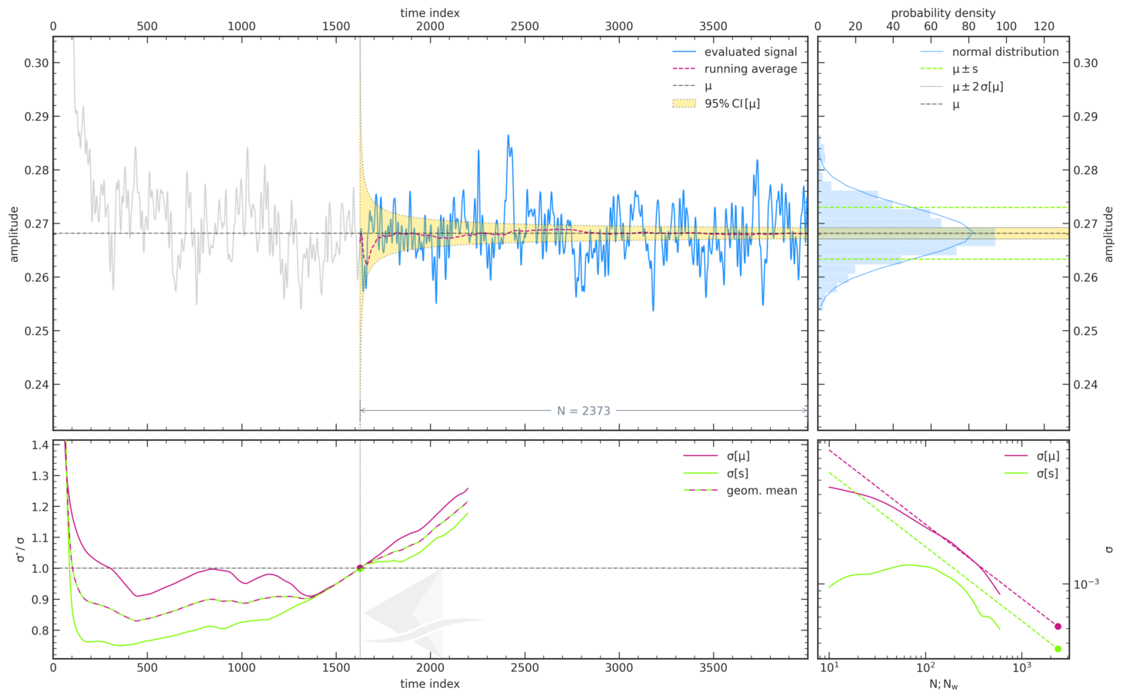
...

Force Plots
Aerodynamic Forces

ID__
 | ID01_OpenFOAM_coherentIO
CD
CL

Participant Best-practice Averaging
 | ID01_OpenFOAM_coherentIO
CD
CL
CS
Meancalc Averaging
 | ID01_OpenFOAM_coherentIO
CD | 0.2682
CL | 0.0942
CS | 0.0140

Reference Results (AutoCFD4): Case_2
Reference Results (OHC-1): Baseline Setup

 | coarse | medium | fine
Cd | 2.68E-01 | 2.64E-01 | 2.62E-01
Cl | 9.25E-02 | 8.65E-02 | 7.87E-02
Cs | 2.06E-02 | 2.17E-02 | 1.16E-02

 | Grid | Cd | sig(Cd) | CI(Cd) | Cl | sig(Cl) | CI(Cl) | Cs | sig(Cs) | CI(Cs) | Column1 | CI (drag counts):
 | coarse | 2.68E-01 | 4.46E-04 | 8.93E-04 | 9.25E-02 | 1.32E-03 | 2.63E-03 | 2.06E-02 | 2.91E-03 | 5.82E-03 |  | 0.893
 | medium | 2.64E-01 | 6.15E-04 | 1.23E-03 | 8.65E-02 | 1.24E-03 | 2.48E-03 | 2.17E-02 | 2.30E-03 | 4.60E-03 |  | 1.230
 | fine | 2.62E-01 | 6.33E-04 | 1.27E-03 | 7.87E-02 | 1.81E-03 | 3.61E-03 | 1.16E-02 | 9.52E-04 | 1.90E-03 |  | 1.266

Convergence Plots
Aerodynamic Force Convergence

ID__
 | ID01_OpenFOAM_coherentIO
CD
CL

Aerodynamic Force Convergence (Fastest)
 | CD | CL | CS
0 | 1.31E+01 | -3.95E+00 | 2.18E-02
0.694334716 | 3.72E+00 | -1.80E+00 | 1.65E-02
1.315115451 | 1.14E+00 | -3.78E-01 | 1.65E-02
2.001459883 | 3.28E-01 | -2.52E-02 | 1.53E-02
2.69135612 | 2.24E-01 | -1.60E-01 | 1.05E-02
3.34254549 | 2.92E-01 | -3.32E-01 | 7.71E-03
3.937085783 | 3.83E-01 | -4.00E-01 | 8.34E-03
4.481160118 | 4.45E-01 | -3.92E-01 | 1.09E-02
5.009879202 | 4.75E-01 | -3.67E-01 | 1.33E-02
5.476948187 | 4.81E-01 | -3.47E-01 | 1.47E-02
5.892569106 | 4.75E-01 | -3.29E-01 | 1.51E-02
6.276339015 | 4.67E-01 | -3.08E-01 | 1.47E-02
6.655240229 | 4.59E-01 | -2.91E-01 | 1.39E-02
6.998905604 | 4.53E-01 | -2.78E-01 | 1.32E-02
7.315218063 | 4.49E-01 | -2.68E-01 | 1.27E-02
7.618629724 | 4.46E-01 | -2.63E-01 | 1.22E-02
7.918642987 | 4.43E-01 | -2.59E-01 | 1.16E-02
8.218380926 | 4.42E-01 | -2.54E-01 | 1.10E-02
8.507065577 | 4.41E-01 | -2.43E-01 | 1.04E-02
8.784251043 | 4.40E-01 | -2.25E-01 | 9.88E-03
9.063460514 | 4.40E-01 | -2.01E-01 | 9.36E-03
9.338671632 | 4.39E-01 | -1.71E-01 | 8.45E-03
9.614265805 | 4.37E-01 | -1.38E-01 | 7.30E-03
9.878862979 | 4.36E-01 | -1.05E-01 | 6.35E-03
10.148153337 | 4.34E-01 | -7.76E-02 | 6.00E-03
10.426682305 | 4.32E-01 | -5.60E-02 | 5.93E-03
10.691833286 | 4.30E-01 | -3.91E-02 | 6.25E-03
10.954499767 | 4.26E-01 | -2.63E-02 | 7.02E-03
11.220915636 | 4.23E-01 | -1.61E-02 | 8.33E-03
11.492095757 | 4.20E-01 | -6.63E-03 | 9.67E-03
11.756941324 | 4.19E-01 | 2.08E-03 | 1.05E-02
12.022234822 | 4.18E-01 | 7.18E-03 | 1.09E-02
12.280515577 | 4.17E-01 | 8.96E-03 | 1.10E-02
12.542563035 | 4.17E-01 | 9.25E-03 | 1.08E-02
12.796877539 | 4.16E-01 | 9.40E-03 | 1.12E-02
13.059425319 | 4.16E-01 | 1.02E-02 | 1.24E-02
13.319278581 | 4.15E-01 | 1.13E-02 | 1.39E-02
13.580590358 | 4.13E-01 | 1.26E-02 | 1.53E-02
13.845401208 | 4.11E-01 | 1.41E-02 | 1.64E-02
14.111135814 | 4.09E-01 | 1.54E-02 | 1.68E-02
14.376252227 | 4.07E-01 | 1.62E-02 | 1.67E-02
14.646015213 | 4.06E-01 | 1.71E-02 | 1.59E-02
14.901876644 | 4.04E-01 | 1.73E-02 | 1.47E-02
15.159678127 | 4.03E-01 | 1.66E-02 | 1.36E-02
15.419317523 | 4.00E-01 | 1.55E-02 | 1.35E-02
15.685813599 | 3.98E-01 | 1.55E-02 | 1.42E-02
15.93948326 | 3.95E-01 | 1.79E-02 | 1.55E-02
16.19524612 | 3.92E-01 | 2.43E-02 | 1.68E-02
16.454305939 | 3.88E-01 | 3.37E-02 | 1.82E-02
16.712494825 | 3.85E-01 | 4.38E-02 | 1.99E-02
...
Aerodynamic Force Convergence (Energy-Efficient)
 | CD | CL | CS
0 | 1.29E+01 | -3.89E+00 | 4.01E-02
1.026790956 | 4.05E+00 | -1.76E+00 | -6.96E-04
1.938924936 | 1.13E+00 | -4.54E-01 | -1.14E-02
2.825113483 | 2.34E-01 | -9.12E-02 | 5.47E-04
3.622059481 | 1.48E-01 | -1.55E-01 | 1.14E-02
4.380047743 | 2.60E-01 | -2.81E-01 | 1.59E-02
5.084564115 | 3.83E-01 | -3.53E-01 | 1.51E-02
5.781661838 | 4.54E-01 | -3.69E-01 | 1.29E-02
6.448752974 | 4.78E-01 | -3.64E-01 | 1.18E-02
7.105937988 | 4.76E-01 | -3.52E-01 | 1.20E-02
7.752256303 | 4.66E-01 | -3.35E-01 | 1.31E-02
8.401833922 | 4.57E-01 | -3.14E-01 | 1.40E-02
9.040632173 | 4.51E-01 | -2.94E-01 | 1.41E-02
9.68049062 | 4.47E-01 | -2.78E-01 | 1.35E-02
10.323626528 | 4.45E-01 | -2.69E-01 | 1.24E-02
12.692443017 | 4.42E-01 | -2.65E-01 | 1.13E-02
13.341175635 | 4.39E-01 | -2.62E-01 | 1.01E-02
13.971526278 | 4.37E-01 | -2.57E-01 | 8.89E-03
14.596133438 | 4.36E-01 | -2.46E-01 | 7.78E-03
15.224415697 | 4.35E-01 | -2.28E-01 | 6.74E-03
15.856878981 | 4.34E-01 | -2.03E-01 | 5.69E-03
16.486157715 | 4.34E-01 | -1.72E-01 | 4.82E-03
17.121410636 | 4.33E-01 | -1.41E-01 | 4.25E-03
17.749135718 | 4.32E-01 | -1.11E-01 | 4.00E-03
18.377745559 | 4.32E-01 | -8.72E-02 | 3.98E-03
19.007020715 | 4.31E-01 | -6.72E-02 | 4.44E-03
19.637343435 | 4.29E-01 | -5.01E-02 | 5.35E-03
20.265964579 | 4.27E-01 | -3.48E-02 | 6.26E-03
20.885878885 | 4.25E-01 | -2.13E-02 | 7.14E-03
21.527183075 | 4.22E-01 | -1.06E-02 | 7.84E-03
22.1634576 | 4.20E-01 | -3.44E-03 | 8.42E-03
22.793085227 | 4.19E-01 | -9.43E-04 | 8.89E-03
23.421794089 | 4.17E-01 | -2.59E-03 | 9.35E-03
24.051285663 | 4.17E-01 | -6.51E-03 | 9.62E-03
24.679575206 | 4.17E-01 | -9.76E-03 | 1.01E-02
25.306280038 | 4.16E-01 | -1.02E-02 | 1.12E-02
25.934365206 | 4.16E-01 | -8.28E-03 | 1.29E-02
26.566530224 | 4.15E-01 | -5.49E-03 | 1.45E-02
27.188734943 | 4.14E-01 | -3.00E-03 | 1.53E-02
27.816201777 | 4.13E-01 | -1.58E-03 | 1.50E-02
28.444247678 | 4.10E-01 | -2.70E-05 | 1.38E-02
29.074466868 | 4.08E-01 | 3.58E-03 | 1.24E-02
29.703645889 | 4.05E-01 | 9.17E-03 | 1.14E-02
30.336889109 | 4.03E-01 | 1.63E-02 | 1.08E-02
30.962702849 | 4.00E-01 | 2.42E-02 | 1.07E-02
31.59993801 | 3.98E-01 | 3.23E-02 | 1.14E-02
32.231540321 | 3.96E-01 | 3.97E-02 | 1.30E-02
32.860868159 | 3.94E-01 | 4.62E-02 | 1.50E-02
33.494507454 | 3.92E-01 | 5.23E-02 | 1.65E-02
34.124675074 | 3.89E-01 | 5.67E-02 | 1.72E-02
...

