Aero Forces
Aerodynamics Forces |  |  |  |  | Simulation Convergence (Fastest, Simulation #1 MxP) (history) |  |  |  |  | Simulation Convergence (Most-energy-efficient, Simulation #XX) (history)
 |  |  |  |  | Time [iter] | Wall-clock time [s] | CD [-] | CL [-] | CS [-] | Time [iter] | Wall-clock time [s] | CD [-] | CL [-] | CS [-]
Required input: |  |  |  |  | 1 | 35 | 1.26E+00 | -7.78E-01 | 6.14E-03 | 1 | 35 | 1.26E+00 | -7.78E-01 | 6.14E-03
1) Mean Aerodynamic forces (CD; CL; CS) |  |  |  | mandatory for SW/HW track | 2 | 42 | 5.40E-01 | -4.63E-01 | 6.78E-03 | 2 | 42 | 5.40E-01 | -4.63E-01 | 6.78E-03
2) Convergence of Aerodynamic forces (CD; CL; CS) |  |  |  | mandatory for SW/HW track | 3 | 48 | 2.95E-01 | -3.03E-01 | 3.33E-03 | 3 | 48 | 2.95E-01 | -3.03E-01 | 3.33E-03
3) Meancalc generated Aerodynamic forces |  |  |  | mandatory only for software track | 4 | 52 | 2.60E-01 | -2.78E-01 | 3.24E-03 | 4 | 52 | 2.60E-01 | -2.78E-01 | 3.24E-03
 |  |  |  |  | 5 | 57 | 2.85E-01 | -3.64E-01 | 4.31E-03 | 5 | 57 | 2.85E-01 | -3.64E-01 | 4.31E-03
Simulation title: | ID05_OpenFOAM_fine_MxP |  |  |  | 6 | 62 | 3.27E-01 | -3.90E-01 | 5.79E-03 | 6 | 62 | 3.27E-01 | -3.90E-01 | 5.79E-03
Aero Force Coeff: | CD | CL | CS |  | 7 | 68 | 3.71E-01 | -4.35E-01 | 7.71E-03 | 7 | 68 | 3.71E-01 | -4.35E-01 | 7.71E-03
AVERAGE - based on participant best practice | 0.2627 | 0.0740 | 0.0149 |  | 8 | 74 | 4.11E-01 | -4.81E-01 | 9.55E-03 | 8 | 74 | 4.11E-01 | -4.81E-01 | 9.55E-03
 |  |  |  |  | 9 | 79 | 4.37E-01 | -4.96E-01 | 1.08E-02 | 9 | 79 | 4.37E-01 | -4.96E-01 | 1.08E-02
 |  |  |  |  | 10 | 84 | 4.54E-01 | -4.94E-01 | 1.13E-02 | 10 | 84 | 4.54E-01 | -4.94E-01 | 1.13E-02
 |  |  |  |  | 11 | 88 | 4.61E-01 | -4.71E-01 | 1.13E-02 | 11 | 88 | 4.61E-01 | -4.71E-01 | 1.13E-02
 |  |  |  |  | 12 | 92 | 4.62E-01 | -4.41E-01 | 1.10E-02 | 12 | 92 | 4.62E-01 | -4.41E-01 | 1.10E-02
Standardized Meancalc based evaluation of aero dynamic force time traces |  |  |  |  | 13 | 97 | 4.59E-01 | -4.00E-01 | 9.90E-03 | 13 | 97 | 4.59E-01 | -4.00E-01 | 9.90E-03
(Meancalc guide) |  |  |  |  | 14 | 101 | 4.55E-01 | -3.60E-01 | 8.85E-03 | 14 | 101 | 4.55E-01 | -3.60E-01 | 8.85E-03
- Meancalc output will be used for result quality checking in the SW track |  |  |  |  | 15 | 105 | 4.52E-01 | -2.97E-01 | 8.34E-03 | 15 | 105 | 4.52E-01 | -2.97E-01 | 8.34E-03
- Access Meancalc via: |  |  |  |  | 16 | 110 | 4.49E-01 | -2.60E-01 | 7.59E-03 | 16 | 110 | 4.49E-01 | -2.60E-01 | 7.59E-03
https://meancalc.app.upstream-cfd.com |  |  |  |  | 17 | 114 | 4.49E-01 | -2.33E-01 | 7.43E-03 | 17 | 114 | 4.49E-01 | -2.33E-01 | 7.43E-03
Credentials may be obtained by emailing meancalc@app.upstream-cfd.com |  |  |  |  | 18 | 119 | 4.50E-01 | -2.17E-01 | 7.43E-03 | 18 | 119 | 4.50E-01 | -2.17E-01 | 7.43E-03
 |  |  |  |  | 19 | 124 | 4.52E-01 | -2.13E-01 | 7.88E-03 | 19 | 124 | 4.52E-01 | -2.13E-01 | 7.88E-03
- Uncheck "Enforce minimum remaining samples" |  |  |  |  | 20 | 128 | 4.54E-01 | -2.15E-01 | 8.37E-03 | 20 | 128 | 4.54E-01 | -2.15E-01 | 8.37E-03
- Activate "Use additional columns…" and select columns for other |  |  |  |  | 21 | 133 | 4.56E-01 | -2.20E-01 | 8.74E-03 | 21 | 133 | 4.56E-01 | -2.20E-01 | 8.74E-03
force components (CD, CL, CS) |  |  |  |  | 22 | 137 | 4.59E-01 | -2.31E-01 | 9.11E-03 | 22 | 137 | 4.59E-01 | -2.31E-01 | 9.11E-03
...
Aerodynamics Forces
Averaging start timestep [nskip] | 1723 | 1723 | 1723
Averaging samples [nused] | 2277 | 2277 | 2277
Mean value m | 0.2627 | 0.0740 | 0.0149
Error Mean Value s(m) | 0.00065 | 0.00165 | 0.00166
95% conf. int. on mean 2*s(m) | 0.0013 | 0.0033 | 0.0033
Standard deviation s | 0.0052 | 0.0180 | 0.0088
Error Standard Deviation s(s) | 0.0005 | 0.0012 | 0.0012
...
Aerodynamics Forces
Input picture of Meancalc anaylsis of aerodynamic drag CD time trace
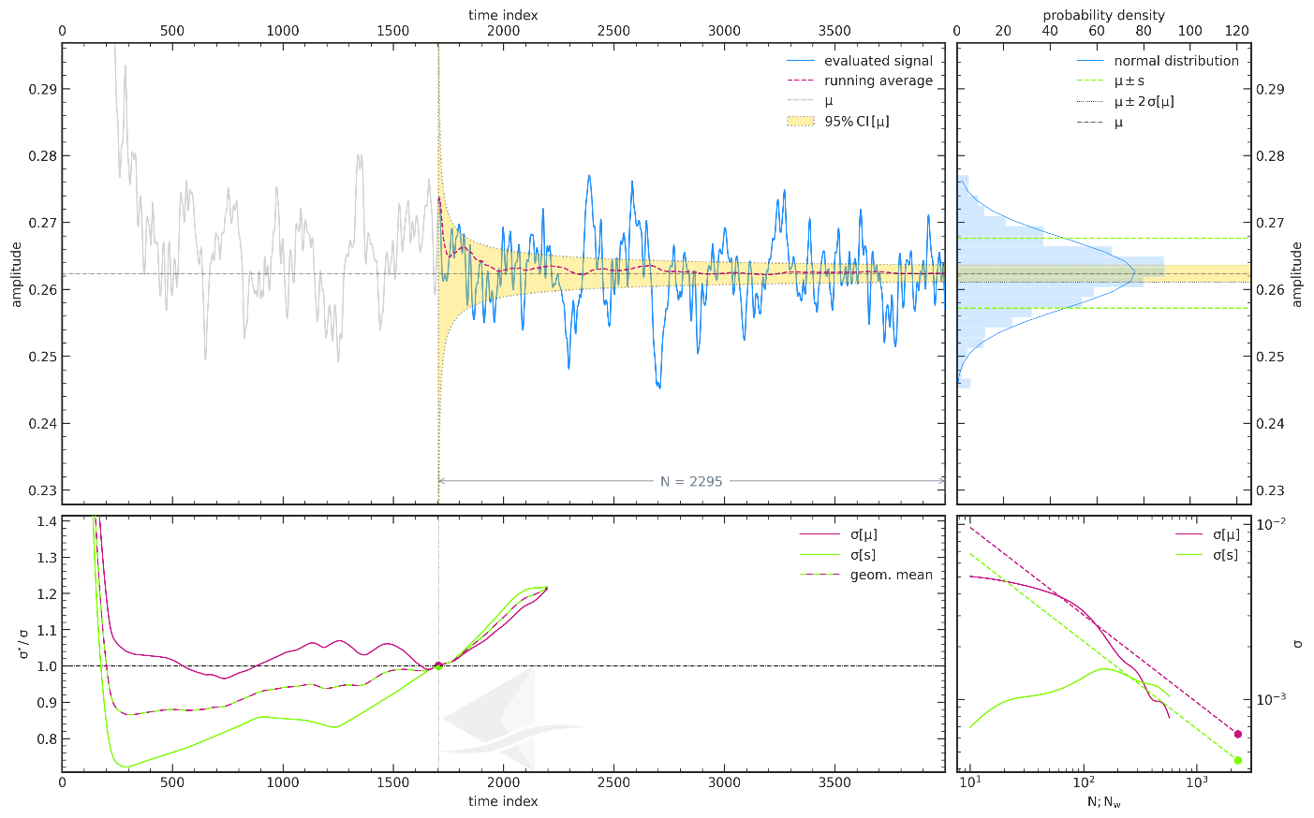
...

Force Plots
Aerodynamic Forces

 | ID05_OpenFOAM_fine_MxP
CD | 0.2627
CL | 0.0740

Participant Best-practice Averaging
 | ID05_OpenFOAM_fine_MxP
CD | 0.2627
CL | 0.0740
CS | 0.0149
Meancalc Averaging
 | ID05_OpenFOAM_fine_MxP
CD | 0.2627
CL | 0.0740
CS | 0.0149

Reference Results (AutoCFD4): Case_2
Reference Results (OHC-1): Baseline Setup

 | coarse | medium | fine
Cd | 2.68E-01 | 2.64E-01 | 2.62E-01
Cl | 9.25E-02 | 8.65E-02 | 7.87E-02
Cs | 2.06E-02 | 2.17E-02 | 1.16E-02

 | Grid | Cd | sig(Cd) | CI(Cd) | Cl | sig(Cl) | CI(Cl) | Cs | sig(Cs) | CI(Cs) | Column1 | CI (drag counts):
 | coarse | 2.68E-01 | 4.46E-04 | 8.93E-04 | 9.25E-02 | 1.32E-03 | 2.63E-03 | 2.06E-02 | 2.91E-03 | 5.82E-03 |  | 0.893
 | medium | 2.64E-01 | 6.15E-04 | 1.23E-03 | 8.65E-02 | 1.24E-03 | 2.48E-03 | 2.17E-02 | 2.30E-03 | 4.60E-03 |  | 1.230
 | fine | 2.62E-01 | 6.33E-04 | 1.27E-03 | 7.87E-02 | 1.81E-03 | 3.61E-03 | 1.16E-02 | 9.52E-04 | 1.90E-03 |  | 1.266

Convergence Plots
Aerodynamic Force Convergence

 | ID05_OpenFOAM_fine_MxP
CD | 0.2627
CL | 0.0740

Aerodynamic Force Convergence (Fastest)
 | CD | CL | CS
35 | 1.26E+00 | -7.78E-01 | 6.14E-03
42 | 5.40E-01 | -4.63E-01 | 6.78E-03
48 | 2.95E-01 | -3.03E-01 | 3.33E-03
52 | 2.60E-01 | -2.78E-01 | 3.24E-03
57 | 2.85E-01 | -3.64E-01 | 4.31E-03
62 | 3.27E-01 | -3.90E-01 | 5.79E-03
68 | 3.71E-01 | -4.35E-01 | 7.71E-03
74 | 4.11E-01 | -4.81E-01 | 9.55E-03
79 | 4.37E-01 | -4.96E-01 | 1.08E-02
84 | 4.54E-01 | -4.94E-01 | 1.13E-02
88 | 4.61E-01 | -4.71E-01 | 1.13E-02
92 | 4.62E-01 | -4.41E-01 | 1.10E-02
97 | 4.59E-01 | -4.00E-01 | 9.90E-03
101 | 4.55E-01 | -3.60E-01 | 8.85E-03
105 | 4.52E-01 | -2.97E-01 | 8.34E-03
110 | 4.49E-01 | -2.60E-01 | 7.59E-03
114 | 4.49E-01 | -2.33E-01 | 7.43E-03
119 | 4.50E-01 | -2.17E-01 | 7.43E-03
124 | 4.52E-01 | -2.13E-01 | 7.88E-03
128 | 4.54E-01 | -2.15E-01 | 8.37E-03
133 | 4.56E-01 | -2.20E-01 | 8.74E-03
137 | 4.59E-01 | -2.31E-01 | 9.11E-03
141 | 4.60E-01 | -2.42E-01 | 9.28E-03
145 | 4.61E-01 | -2.50E-01 | 9.25E-03
150 | 4.60E-01 | -2.47E-01 | 9.32E-03
154 | 4.61E-01 | -2.46E-01 | 9.22E-03
158 | 4.60E-01 | -2.40E-01 | 8.90E-03
162 | 4.60E-01 | -2.25E-01 | 9.44E-03
167 | 4.57E-01 | -2.12E-01 | 9.73E-03
171 | 4.56E-01 | -1.81E-01 | 1.07E-02
175 | 4.54E-01 | -1.68E-01 | 1.15E-02
179 | 4.52E-01 | -1.49E-01 | 1.29E-02
184 | 4.53E-01 | -1.29E-01 | 1.45E-02
188 | 4.52E-01 | -1.22E-01 | 1.61E-02
193 | 4.51E-01 | -1.16E-01 | 1.88E-02
197 | 4.53E-01 | -1.20E-01 | 2.17E-02
201 | 4.52E-01 | -1.16E-01 | 2.37E-02
205 | 4.52E-01 | -1.08E-01 | 2.44E-02
210 | 4.53E-01 | -9.52E-02 | 2.34E-02
214 | 4.54E-01 | -8.18E-02 | 2.19E-02
218 | 4.57E-01 | -4.93E-02 | 2.05E-02
222 | 4.57E-01 | -2.97E-02 | 2.03E-02
226 | 4.57E-01 | -1.12E-02 | 2.05E-02
231 | 4.59E-01 | 2.01E-02 | 2.15E-02
235 | 4.58E-01 | 2.58E-02 | 2.18E-02
239 | 4.58E-01 | 3.14E-02 | 2.29E-02
244 | 4.60E-01 | 3.96E-02 | 2.48E-02
248 | 4.60E-01 | 4.56E-02 | 2.55E-02
253 | 4.60E-01 | 5.33E-02 | 2.53E-02
257 | 4.58E-01 | 6.07E-02 | 2.40E-02
...
Aerodynamic Force Convergence (Energy-Efficient)
 | CD | CL | CS
35 | 1.26E+00 | -7.78E-01 | 6.14E-03
42 | 5.40E-01 | -4.63E-01 | 6.78E-03
48 | 2.95E-01 | -3.03E-01 | 3.33E-03
52 | 2.60E-01 | -2.78E-01 | 3.24E-03
57 | 2.85E-01 | -3.64E-01 | 4.31E-03
62 | 3.27E-01 | -3.90E-01 | 5.79E-03
68 | 3.71E-01 | -4.35E-01 | 7.71E-03
74 | 4.11E-01 | -4.81E-01 | 9.55E-03
79 | 4.37E-01 | -4.96E-01 | 1.08E-02
84 | 4.54E-01 | -4.94E-01 | 1.13E-02
88 | 4.61E-01 | -4.71E-01 | 1.13E-02
92 | 4.62E-01 | -4.41E-01 | 1.10E-02
97 | 4.59E-01 | -4.00E-01 | 9.90E-03
101 | 4.55E-01 | -3.60E-01 | 8.85E-03
105 | 4.52E-01 | -2.97E-01 | 8.34E-03
110 | 4.49E-01 | -2.60E-01 | 7.59E-03
114 | 4.49E-01 | -2.33E-01 | 7.43E-03
119 | 4.50E-01 | -2.17E-01 | 7.43E-03
124 | 4.52E-01 | -2.13E-01 | 7.88E-03
128 | 4.54E-01 | -2.15E-01 | 8.37E-03
133 | 4.56E-01 | -2.20E-01 | 8.74E-03
137 | 4.59E-01 | -2.31E-01 | 9.11E-03
141 | 4.60E-01 | -2.42E-01 | 9.28E-03
145 | 4.61E-01 | -2.50E-01 | 9.25E-03
150 | 4.60E-01 | -2.47E-01 | 9.32E-03
154 | 4.61E-01 | -2.46E-01 | 9.22E-03
158 | 4.60E-01 | -2.40E-01 | 8.90E-03
162 | 4.60E-01 | -2.25E-01 | 9.44E-03
167 | 4.57E-01 | -2.12E-01 | 9.73E-03
171 | 4.56E-01 | -1.81E-01 | 1.07E-02
175 | 4.54E-01 | -1.68E-01 | 1.15E-02
179 | 4.52E-01 | -1.49E-01 | 1.29E-02
184 | 4.53E-01 | -1.29E-01 | 1.45E-02
188 | 4.52E-01 | -1.22E-01 | 1.61E-02
193 | 4.51E-01 | -1.16E-01 | 1.88E-02
197 | 4.53E-01 | -1.20E-01 | 2.17E-02
201 | 4.52E-01 | -1.16E-01 | 2.37E-02
205 | 4.52E-01 | -1.08E-01 | 2.44E-02
210 | 4.53E-01 | -9.52E-02 | 2.34E-02
214 | 4.54E-01 | -8.18E-02 | 2.19E-02
218 | 4.57E-01 | -4.93E-02 | 2.05E-02
222 | 4.57E-01 | -2.97E-02 | 2.03E-02
226 | 4.57E-01 | -1.12E-02 | 2.05E-02
231 | 4.59E-01 | 2.01E-02 | 2.15E-02
235 | 4.58E-01 | 2.58E-02 | 2.18E-02
239 | 4.58E-01 | 3.14E-02 | 2.29E-02
244 | 4.60E-01 | 3.96E-02 | 2.48E-02
248 | 4.60E-01 | 4.56E-02 | 2.55E-02
253 | 4.60E-01 | 5.33E-02 | 2.53E-02
257 | 4.58E-01 | 6.07E-02 | 2.40E-02
...

