RRunReport
Par | Pid | Machine
0 | 4232 | MICROSO-BUQM87R
1 | 4332 | MICROSO-BK8O6IB | DataSet = 25GB
2 | 4956 | MICROSO-BUQM87R | ADLU=25
3 | 4232 | MICROSO-BUQM87R | ParKey =100
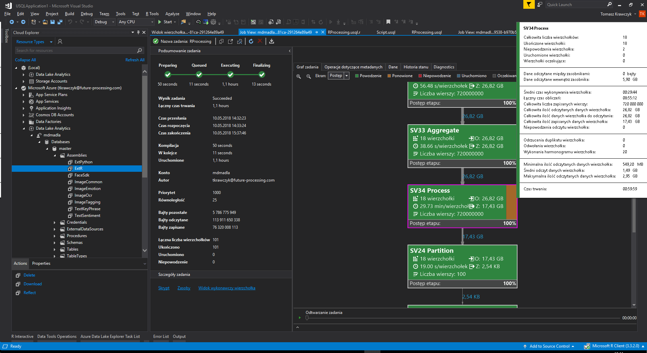
4 | 4028 | MICROSO-9NLK9TT
5 | 4740 | MICROSO-1OU3A6H
6 | 4208 | MICROSO-9AJN3VS
7 | 4740 | MICROSO-1OU3A6H
8 | 3628 | MICROSO-9KFVI0B
9 | 4992 | MICROSO-GK1F8KF
10 | 4208 | MICROSO-9AJN3VS
11 | 3520 | MICROSO-CDPG6BQ
12 | 3220 | MICROSO-9AJN3VS
13 | 1980 | MICROSO-4NGINJ5
14 | 4200 | MICROSO-4NGINJ5
15 | 4740 | MICROSO-1OU3A6H
16 | 4956 | MICROSO-BUQM87R
17 | 4992 | MICROSO-GK1F8KF
18 | 3220 | MICROSO-9AJN3VS
19 | 4956 | MICROSO-BUQM87R
20 | 4028 | MICROSO-9NLK9TT
21 | 4332 | MICROSO-BK8O6IB
22 | 4028 | MICROSO-9NLK9TT
23 | 3636 | MICROSO-R3QU9QJ
24 | 4028 | MICROSO-9NLK9TT
25 | 4028 | MICROSO-9NLK9TT
26 | 3628 | MICROSO-9KFVI0B
27 | 4208 | MICROSO-9AJN3VS
28 | 3628 | MICROSO-9KFVI0B
29 | 4956 | MICROSO-BUQM87R
30 | 1980 | MICROSO-4NGINJ5
31 | 3520 | MICROSO-CDPG6BQ
32 | 4200 | MICROSO-4NGINJ5
33 | 4068 | MICROSO-KL7O6AS
34 | 4956 | MICROSO-BUQM87R
35 | 4208 | MICROSO-9AJN3VS
36 | 4200 | MICROSO-4NGINJ5
37 | 3520 | MICROSO-CDPG6BQ
38 | 4200 | MICROSO-4NGINJ5
39 | 4992 | MICROSO-GK1F8KF
40 | 3636 | MICROSO-R3QU9QJ
41 | 4200 | MICROSO-4NGINJ5
42 | 3628 | MICROSO-9KFVI0B
43 | 4028 | MICROSO-9NLK9TT
44 | 4028 | MICROSO-9NLK9TT
45 | 4332 | MICROSO-BK8O6IB
46 | 4028 | MICROSO-9NLK9TT
47 | 4028 | MICROSO-9NLK9TT
48 | 4956 | MICROSO-BUQM87R
49 | 4200 | MICROSO-4NGINJ5
50 | 4956 | MICROSO-BUQM87R
51 | 1908 | MICROSO-R3QU9QJ
52 | 3636 | MICROSO-R3QU9QJ
53 | 3628 | MICROSO-9KFVI0B
54 | 4200 | MICROSO-4NGINJ5
55 | 3628 | MICROSO-9KFVI0B
56 | 3628 | MICROSO-9KFVI0B
57 | 4028 | MICROSO-9NLK9TT
58 | 3220 | MICROSO-9AJN3VS
59 | 4208 | MICROSO-9AJN3VS
60 | 3744 | MICROSO-FBQL96S
61 | 4028 | MICROSO-9NLK9TT
62 | 3520 | MICROSO-CDPG6BQ
63 | 1860 | MICROSO-FBQL96S
64 | 1908 | MICROSO-R3QU9QJ
65 | 3220 | MICROSO-9AJN3VS
66 | 1860 | MICROSO-FBQL96S
67 | 4068 | MICROSO-KL7O6AS
68 | 3220 | MICROSO-9AJN3VS
69 | 3220 | MICROSO-9AJN3VS
70 | 3744 | MICROSO-FBQL96S
71 | 2556 | MICROSO-1OU3A6H
72 | 4208 | MICROSO-9AJN3VS
73 | 1980 | MICROSO-4NGINJ5
74 | 4208 | MICROSO-9AJN3VS
75 | 4740 | MICROSO-1OU3A6H
76 | 4332 | MICROSO-BK8O6IB
77 | 3220 | MICROSO-9AJN3VS
78 | 4200 | MICROSO-4NGINJ5
79 | 4208 | MICROSO-9AJN3VS
80 | 3744 | MICROSO-FBQL96S
81 | 4740 | MICROSO-1OU3A6H
82 | 1860 | MICROSO-FBQL96S
83 | 4332 | MICROSO-BK8O6IB
84 | 1860 | MICROSO-FBQL96S
85 | 4332 | MICROSO-BK8O6IB
86 | 3636 | MICROSO-R3QU9QJ
87 | 4992 | MICROSO-GK1F8KF
88 | 4740 | MICROSO-1OU3A6H
89 | 4208 | MICROSO-9AJN3VS
90 | 3744 | MICROSO-FBQL96S
91 | 3744 | MICROSO-FBQL96S
92 | 2556 | MICROSO-1OU3A6H
93 | 3744 | MICROSO-FBQL96S
94 | 4992 | MICROSO-GK1F8KF
95 | 4208 | MICROSO-9AJN3VS
96 | 4232 | MICROSO-BUQM87R
97 | 4740 | MICROSO-1OU3A6H
98 | 4332 | MICROSO-BK8O6IB
99 | 2556 | MICROSO-1OU3A6H

