Sheet1

RAW_PRODUCTS before modification
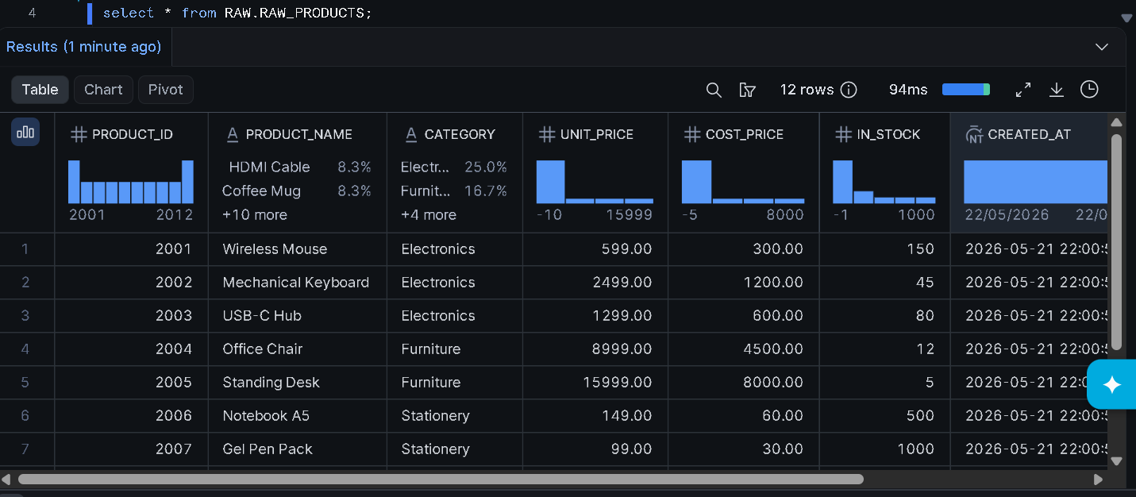
We are doing SCD validation
for the record Product_id '2001' in
RAW_PRODUCTS which will be inserted
into Staging table stg_products, and later
to the SCD table dim_products.

Changes made are the category of the
record with product_id '2001'
from 'Electronics to Electronics-IT'

Inserting the new/updated row
and expiring the old row in the scd
table

Modifying RAW_PRODUCTS
 | update RAW.RAW_PRODUCTS
 | set CATEGORY = 'Electronics-IT'
 | where product_id = 2001;

Modified Raw_Products
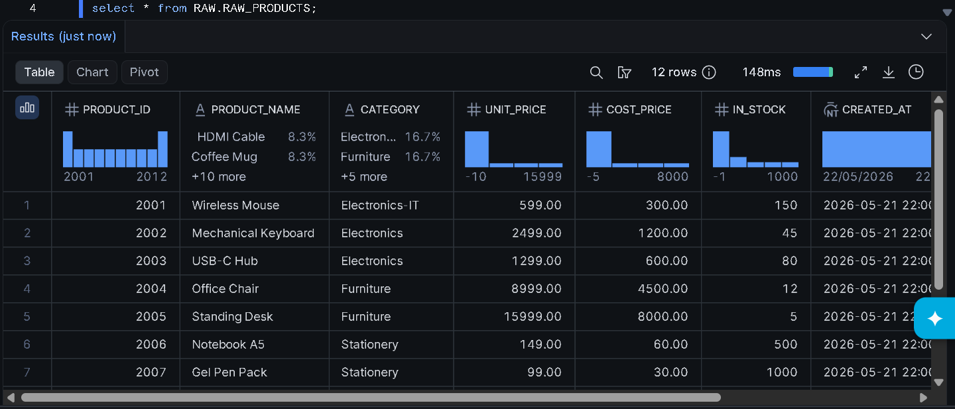

Staging run
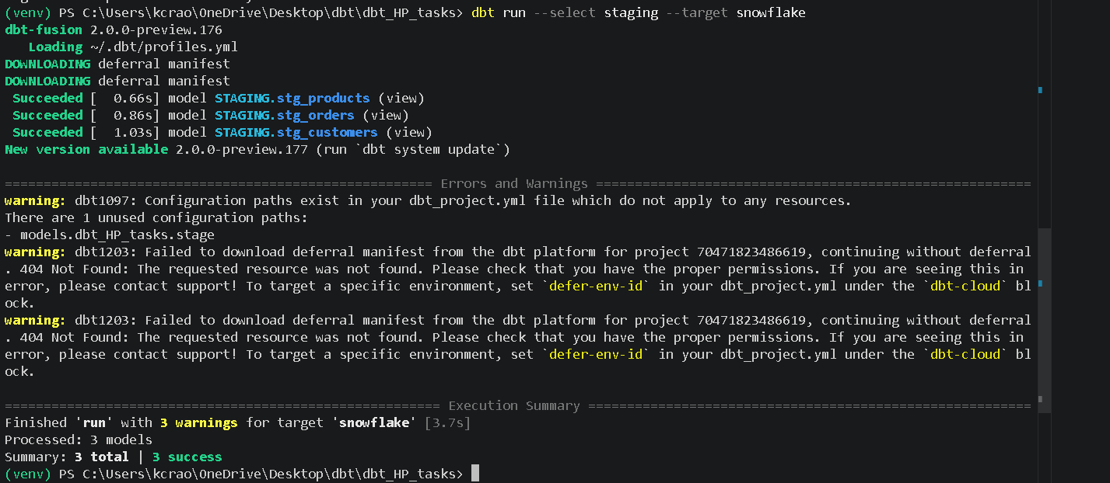

Staging Change in stg_products

Marts Run for Scd Validation
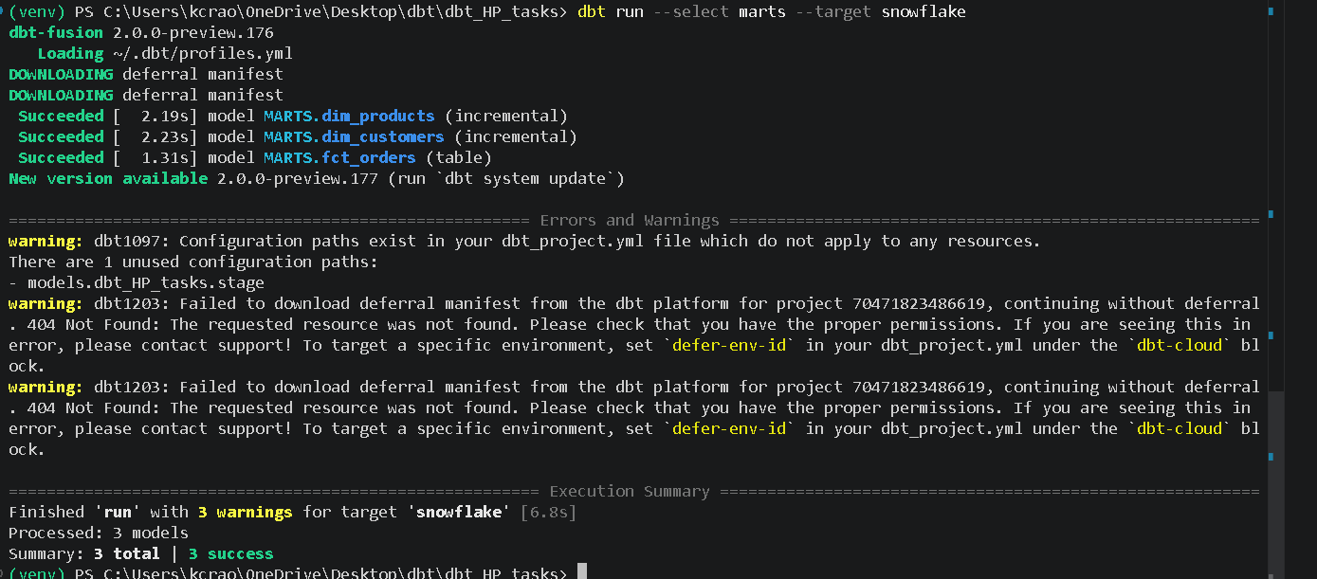

Scd Record

