Blatt1
 |  |  | Elise T4e PCB mapping

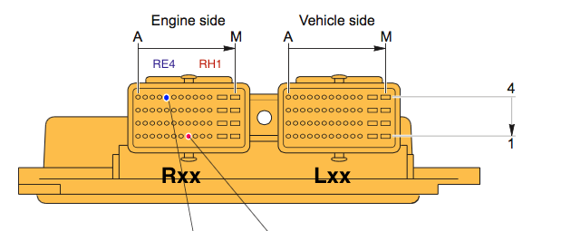
 | MPC563 |  |  | AT25160A | 16KB SPI EEPROM |  |  |  | Connector

P24 | MOSI_QGPIO5 |  | 5 | SI
P23 | SCK_QGPIO6 |  | 6 | SCK
 | VDDH |  | 7 | HOLD (n) | (hardwired to VCC)
 | VDDH |  | 8 | VCC
 | VSS |  | 4 | GND
 | VDDH |  | 3 | WP (n) | (hardwired to VCC)
P25 | MISO_QGPIO4 |  | 2 | SO
G3 | B_TPUCH14 |  | 1 | CS (n)

 |  |  |  | VP251 | CAN Transceiver
 | VDD |  | 8 | Rs | (GND, highspeed mode)
L3 | B_CNRX0 |  | 4 | R
L4 | B_CNTX0 |  | 1 | D
 |  |  | 7 | CAN_H |  |  | CAN B |  | LA2
 |  |  | 6 | CAN_L |  |  | CAN B |  | LB2 | http://lotustalk1.rssing.com/browser.php?indx=5971568&item=943

 |  |  |  |  |  |  |  |  |  |  |  | THERE IS NO I COLUMN
 |  |  |  | MC33394 | Multi Output Power Supply with CAN Transceiver |  |  |  |  |  |  | Order: ABCDEFGHJK L M
 |  |  | 3 | CAN_H |  |  | CAN A |  | LA1
 |  |  | 2 | CAN_L |  |  | CAN A |  | LB1
N24 | PCS1_QGPIO1 |  | 7 | CS | SPI
 | ? |  | 8 | DI | SPI | (hardwired to GND)
 | ? |  | 9 | SCLK | SPI
 | ? |  | 10 | DO | SPI
 | ? |  | 40 | WAKEUP | CAN wake up event output
N26 | A_CNRX0 |  | 53 | CANRXD | CAN receive data (DOUT)
M23 | A_CNTX0 |  | 54 | CANTXD | CAN transmit data (DIN)

 |  |  |  | MPX4100A | Pressure Sensor

C11 | A_AN0_ANW_PQB0 |  | 4 | Vout
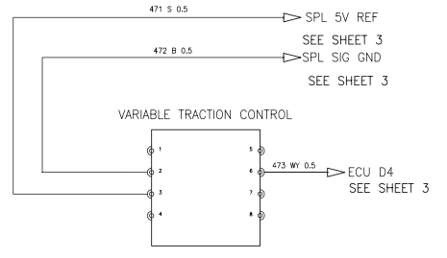

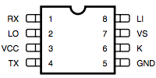
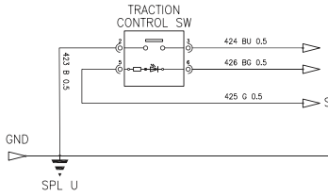
 |  |  |  | L9613 | K-LINE data interface / transceiver
 |  |  | 8 | Li |  |  |  |  | LC4
 |  |  | 6 | K |  |  |  |  | LG4
R25 | TXD1_QGPO1 |  | 4 | TX
R23 | RXD1_QGPI1 |  | 1 | RX
G25 | MPWM3_PPM_RX_1 |  | 2 | LO

 |  |  |  | Traction Control Switch

 |  |  | 2 | GND
C15 | B_AN2_ANY_PQB2 |  | 3 | Switch Pressed |  |  |  |  | RC2
 |  |  | 5 | Ignition (VBAT+) |  |  |  |  | LG3
 | Solenoid Lowside Driver (OUT5) |  | 6 | Diode Lowside |  |  |  |  | RJ4

 |  |  |  |  |  |  |  |  |  |  |  | 424 BU | RC2 |  |  | 471 S | LM4 5V Ref
 |  |  |  | Traction Control Potentiometer |  |  |  |  |  |  |  | 426 BG | RJ4 |  |  | 472 B | LL4 (Signal Ground)
 |  |  |  |  |  |  |  |  |  |  |  | 425 G | LG3 (Ignition +12V) |  |  | 473 WY | LD4
 |  |  | 3 | 5V |  |  |  |  | LM4
 |  |  | 2 | GND |  |  |  |  | LL4
 |  |  | 6 | Poti |  |  |  |  | LD4

 |  |  |  | Camshaft Sensor
 |  |  |  | GND |  |  |  |  | RE2
B7 | A_TPUCH10 |  |  | Pos |  |  |  |  | RC1 |  | Via HEX Inverters to cleanup

 |  |  |  | Crankshaft Sensor
 |  |  |  | GND |  |  |  |  | RE4
A8 | A_TPUCH15 & A_TPUCH_9 |  |  | Pos |  |  |  |  | RE1 |  | Via HEX Inverters to cleanup

 |  |  |  | ABS Signals (Wheelspeed)

A7 | A_TPUCH11 |  |  | Wheelspeed LEFT FRONT |  |  |  |  | LA4 | M65 | Via HEX Inverters to cleanup |  |  | 5V
C8 | A_TPUCH12 |  |  | Wheelspeed RIGHT FRONT |  |  |  |  | LH4 | M66 | Via HEX Inverters to cleanup |  |  | 5V
D8 | A_TPUCH13 |  |  | Wheelspeed LEFT REAR |  |  |  |  | LB4 | M67 | Via HEX Inverters to cleanup |  |  | 5V
C7 | A_TPUCH8 |  |  | Wheelspeed RIGHT REAR |  |  |  |  | LF1 | M68 | Via HEX Inverters to cleanup |  |  | 5V

 |  |  |  | Ignition Signals
C20 | MDA11 | C5 | A_TPUCH01 |  |  |  |  |  | RG1 |  | Ign Coil #1 | TPU drives, MDA pin for monitoring ?
D20 | MDA12 | B5 | A_TPUCH02 |  |  |  |  |  | RG4 |  | Ign Coil #2 | TPU drives, MDA pin for monitoring ?
A21 | MDA13 | A5 | A_TPUCH03 |  |  |  |  |  | RG3 |  | Ign Coil #3 | TPU drives, MDA pin for monitoring ?
B21 | MDA14 | C6 | A_TPUCH04 |  |  |  |  |  | RG2 |  | Ign Coil #4 | TPU drives, MDA pin for monitoring ?
 |  | G4 | A_TPUCH15 |  |  |  |  |  | RF3 |  | IGNITION COMMON

 |  |  |  | Cooling Fans
 |  |  |  | via Solenoid Lowside Driver |  |  |  |  | LJ3 |  | Fan 1 Relay
 |  |  |  | via Solenoid Lowside Driver |  |  |  |  | LJ2 |  | Fan 2 Relay
 |  |  |  |  |  |  |  |  | LM1,LM2 | 12V+ | Spice MR (Relays 2 PIN)

 |  |  |  | O2 Sensors
M24 | VF2_MPIO32B2_MSEI_B |  | (via resistor divder to MOSFET for heater) |  |  |  |  |  | LH3 |  | Post O2 Sensor Heater GND
B16 | B_AN49_PQB5 |  | (via Dual OpAmp) |  |  |  |  |  | LB3 |  | Post O2 Sensor Signal
 |  |  |  | Connected to GND on PCB |  |  |  |  | LF4 |  | Post O2 Sensor Signal GND
L23 | VF0_MPIO32B0_MDO1 |  | (via resistor divder to MOSFET for heater) |  |  |  |  |  | LK3 |  | Pre O2 Sensor Heater GND
D15 | B_AN3_AN Z_PQB3 |  | (via Dual OpAmp) |  |  |  |  |  | LA3 |  | Pre O2 Sensor Signal
 |  |  |  | Connected to GND on PCB |  |  |  |  | LF4 |  | Pre O2 Sensor Signal GND

 |  |  |  | Knock Sensor
A17 | B_AN52_MA0_PQA0 |  |  |  |  |  |  |  | RC4 |  | Sensor Input
 |  |  |  |  | connected to GND in ECU |  |  |  | RA4 |  | Sensor Ground (via engine block ?)

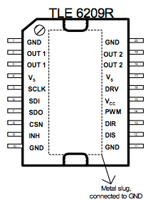
 |  |  |  | TLE6209 7 A H-Bridge for DC-Motor Applications |  |  |  |  |  |  |  |  |  |  | PCB Layout and SPI CHAIN setup
 |  |  |  |  |  |  |  |  |  |  |  |  |  |  | -
 |  |  |  |  |  |  |  |  |  |  |  |  |  |  |  | TLE 6209 and TLE 6220's + L9822 are paralleled together
P24 | MOSI_QGPIO5 |  | 6 | SDI | (shared with other chain TLE6220#1 SI) |  |  |  |  |  |  |  |  |  |  | SI, SO are connected together for both chains
P25 | MISO_QGPIO4 |  | 7 | SDO | (shared with other chain L9822#4 SO) |  |  |  |  |  |  |  |  |  |  | SCK is shared between all chips in both chains
P26 | PCS3_QGPIO3 |  | 8 | CSN | (not shared with other chain) |  |  |  |  |  |  |  |  |  |  | CS is shared between TLE6220+L9822 chain
 |  |  | 2.3 | OUT1 | Throttle Body M+ |  |  |  | RL1
 |  |  | 18.19 | OUT2 | Throttle Body M- |  |  |  | RL2 |  |  |  |  |  |  | TLE 6209 #1 | TLE 6220 #3

 |  |  |  |  |  |  |  |  |  |  |  |  |  |  |  | TLE 6220 #1 | TLE 6220 #2 | L9822 #4

 |  |  | 3x | TLE6220 Smart Quad Low-Side Switch

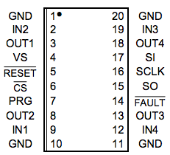
 |  |  | #1
K2 | B_TPUCH1 |  | 9 | IN1 | OUT1 |  |  |  | RJ1 | Injector #1
J1 | B_TPUCH4 |  | 2 | IN2 | OUT2 |  |  |  | RK2 | Injector #4
K3 | B_TPUCH2 |  | 19 | IN3 | OUT3 |  |  |  | RK4 | Injector #2
K4 | B_TPUCH3 |  | 12 | IN4 | OUT4 |  |  |  | RK3 | Injector #3
P24 | MOSI_QGPIO5 |  | 17 | SI (for #1) |  |  |  |  |  |  |  |  |  |  |  | TLE 6209 #1 | TLE 6220 #3
N24 | PCS1_QGPIO1 |  | 6 | CS (all chained together for TLE6220's and L9822)
 |  |  |  |  |  |  |  |  |  |  |  |  |  |  |  | TLE 6220 #1 | TLE 6220 #2 | L9822 #4
 |  |  | #2
J2 | B_TPUCH5 |  | 9 | IN1 | OUT1 |  |  |  | RK1 | Injector #5 | (unused)
J3 | B_TPUCH6 |  | 2 | IN2 | OUT2 |  |  |  | RL3 | Injector #6 | (unused)
J4 | B_TPUCH7 |  | 19 | IN3 | OUT3 |  |  |  | RJ3 | OIL con. Valve VVT (TPU PWM)
H1 | B_TPUCH8 |  | 12 | IN4 | OUT4 |  |  |  | RH2 | PWM Channel (unused)
N24 | PCS1_QGPIO1 |  | 6 | CS (all chained together for TLE6220's and L9822)

 |  |  | #3
H2 | B_TPUCH9 |  | 9 | IN1 | OUT1 |  |  |  | RH3 | OIL con. Valve VVL (TPU PWM)
H3 | B_TPUCH10 |  | 2 | IN2 | OUT2 |  |  |  | RJ2
F25 | MPWM0_MDI1 |  | 19 | IN3 | OUT3 |  |  |  | LH2 | VSV CVCV Canister Vent Close Valve
G23 | MPWM1_MDO2 |  | 12 | IN4 | OUT4 |  |  |  | RF4 | VSV Purge Valve
P25 | MISO_QGPIO4 |  | 15 | SO
N24 | PCS1_QGPIO1 |  | 6 | CS (all chained together for TLE6220's and L9822)

 |  |  |  | L9822 | Octal Serial Solenoid Driver
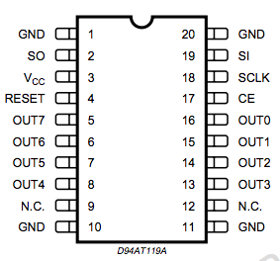
 |  |  | 16 | OUT0 |  |  |  |  | LJ4 | Fuel Pump Relay
 |  |  | 15 | OUT1 |  |  |  |  | LK1 | unused ?
 |  |  | 14 | OUT2 |  |  |  |  | LJ2 | Fan 2 Relay
 |  |  | 13 | OUT3 |  |  |  |  | LJ3 | Fan 1 Relay
 |  |  | 8 | OUT4 |  |  |  |  | LJ1 | unused ?
 |  |  | 7 | OUT5 |  |  |  |  | RJ4 | Lowside LED TC |  |  |  |  |  | TLE 6209 #1 | TLE 6220 #3
 |  |  | 6 | OUT6 |  |  |  |  | RH4 | VSV Airbox
 |  |  | 5 | OUT7 |  |  |  |  | LG2 | Starter Relay LowSide |  |  |  |  |  | TLE 6220 #1 | TLE 6220 #2 | L9822 #4
N24 | PCS1_QGPIO1 |  | 17 | CE

 |  |  |  |  |  |  |  | Airbox Flap opens at 5000 RPM

