vCenter Server Checklist
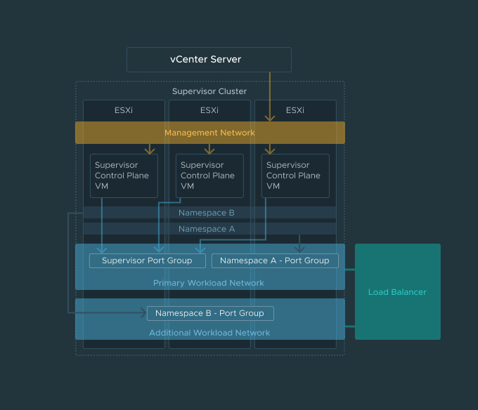
vCenter Server Checklist
1. Load Balancer
You must configure a load balancer to support the network connectivity to workloads from client networks and to load balance traffic between Tanzu Kubernetes clusters. The types of load balancers supported are HAproxy and AVI.
Check off | Required Items
 | Data plane API Address(es)
 | IP Address Ranges for Virtual Servers
 | Server Certificate Authority

2. Management Network
The Workload Management platform consists of three Kubernetes control plane VMs and the Spherelet process on each host, which allows the hosts to be joined in a Kubernetes cluster. The cluster where you set up Workload Management is connected to a management networking supporting traffic to vCenter Server. You will need the following:

Check off | Required Items | Check off | Optional Items
 | Starting IP Address |  | DNS Search Domain
 | Subnet Mask
 | Gateway
 | DNS Server
 | NTP

3. Workload Network
When setting up the Workload Network, you will need to specify the Supervisor Kubernetes IP Addresses which is the address range used by cluster IP services in the Supervisor Cluster.

Check off | Required Items
 | IP Addresses for Services
The address range used by cluster IP services in the Supervisor Cluster. You must add at least one network to serve as the Primary network that will provide connectivity to control plane VMs on the Supervisor Cluster. You can add additional workload networks that you can assign to your namespaces on the Supervisor Cluster at anytime. When setting up a primary workload network or additional workload networks, you will need the following:

Check off | Required Items
 | Port Group
 | Gateway
 | Subnet Mask IP
 | IP Address Ranges
 | DNS Servers

