Sheet1
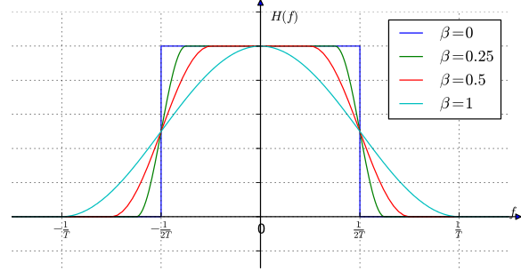
 | center_freq | carrier_freq | message_length | message_intermal (ms) | message_repeat_time | symbol_rate | BandWidth | Excess Band Width | Total BandWidth | index_number | TX_SPS | RX_Decimation | RX_SPS | sample_rate | max_freq_viewField (must > Toal BandWidth) | Worked? | comment
FSK/MSK | 3.0E+04 | 2.4E+05 | 308.0 | 200.0 | 3.0 | 2.0E+06 | 1.0E+04 | 0.00 | 1.00E+04 | 1 | 100.0 | 100.0 | 1 | 2.0E+06 | 2.0E+04 | no
 | 3.0E+04 | 2.4E+05 | 308.0 | 200.0 | 3.0 | 2.0E+06 | 1.0E+04 | 0.00 | 1.00E+04 | 2 | 200.0 | 100.0 | 2 | 2.0E+06 | 2.0E+04 | yes
 | 3.0E+04 | 2.4E+05 | 308.0 | 200.0 | 3.0 | 2.0E+06 | 1.0E+04 | 0.00 | 1.00E+04 | 3 | 300.0 | 100.0 | 3 | 2.0E+06 | 2.0E+04 | yes
 | 3.0E+04 | 2.4E+05 | 308.0 | 200.0 | 3.0 | 2.0E+06 | 1.0E+04 | 0.00 | 1.00E+04 | 4 | 400.0 | 100.0 | 4 | 2.0E+06 | 2.0E+04 | yes
DBPSK | 3.0E+04 | 2.4E+05 | 308.0 | 200.0 | 3.0 | 2.0E+06 | 1.0E+04 | 0.35 | 1.35E+04 | 1 | 200.0 | 50.0 | 4 | 2.0E+06 | 4.0E+04 | no
 | 3.0E+04 | 2.4E+05 | 308.0 | 200.0 | 3.0 | 2.0E+06 | 1.0E+04 | 1.00 | 2.00E+04 | 1 | 200.0 | 50.0 | 4 | 2.0E+06 | 4.0E+04 | no
 | 3.0E+04 | 2.4E+05 | 11.0 | 200.0 | 3.0 | 2.0E+06 | 1.0E+04 | 1.00 | 2.00E+04 | 1 | 200.0 | 50.0 | 4 | 2.0E+06 | 4.0E+04 | maybe | only catch short words, not all of them
 | 3.0E+04 | 2.4E+05 | 11.0 | 800.0 | 3.0 | 2.0E+06 | 1.0E+04 | 1.00 | 2.00E+04 | 1 | 200.0 | 50.0 | 4 | 2.0E+06 | 4.0E+04 | maybe | only catch short words, not all of them

 |  |  |  |  |  |  |  |  |  |  |  |  |  | s

