draft
 | channel parameter | This used to simulate the noise/frequncy offset and other factors in channel | dummy parameter | Hardware-related, Can Adjust but not very important | message parameter | The length, inerval period and repeat time for each text message | Algorithm Parameter | Significant Parameter that directly influence the BER and Power Consumption |  | Non-adjustable parameter: depend on other parameters. Need to pay attention for its limitation

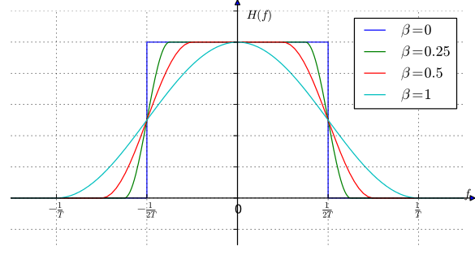
 | noise | freq_offset | … | center_freq | carrier_freq | TX_RF_gain (will amplify noise) | TX_IF_gain | RX_RF_gain (will amplify noise) | RX_IF_gain | message_length | message_interval (ms) | message_repeat_time | symbol_rate (must < sample rate) | BandWidth | Excess Band Width | Total BandWidth | index_number | TX_SPS | RX_Decimation | RX_SPS | sample_rate | max_freq_viewField (must > Toal BandWidth) | Worked? | comment | BER
FSK/MSK | 0.00 | 0.00 |  | 3.0E+04 | 2.4E+05 | 0 | 16 | 0 | 16 | 308.0 | 200.0 | 3.0 | 2.0E+06 | 1.0E+04 | 0.00 | 1.00E+04 | 1 | 100 | 100 | 1 | 2.0E+06 | 2.0E+04 | no
 | 0.00 | 0.00 |  | 3.0E+04 | 2.4E+05 | 0 | 16 | 0 | 16 | 308.0 | 200.0 | 3.0 | 2.0E+06 | 1.0E+04 | 0.00 | 1.00E+04 | 2 | 200 | 100 | 2 | 2.0E+06 | 2.0E+04 | yes | threshold = 10, good at long sentence, repeat >1
 | 0.00 | 0.00 |  | 3.0E+04 | 2.4E+05 | 0 | 16 | 0 | 16 | 308.0 | 200.0 | 3.0 | 2.0E+06 | 1.0E+04 | 0.00 | 1.00E+04 | 3 | 300 | 100 | 3 | 2.0E+06 | 2.0E+04 | yes | threshold = 10, good at long sentence, repeat >2
 | 0.00 | 0.00 |  | 3.0E+04 | 2.4E+05 | 0 | 16 | 0 | 16 | 308.0 | 200.0 | 3.0 | 2.0E+06 | 1.0E+04 | 0.00 | 1.00E+04 | 4 | 400 | 100 | 4 | 2.0E+06 | 2.0E+04 | yes | threshold = 10, good at long sentence, repeat >3
 | 0.00 | 0.00 |  |  |  | 0 | 16 | 0 | 16 | 308.0 | 200.0 | 3.0 | 1.0E+06 | 1.0E+04 | 1.00 | 2.00E+04 | 2 | 100 | 50 | 2 | 1.0E+06 | 2.0E+04 | no | might due to hackrf's pwn limitation
DBPSK | 0.00 | 0.00 |  | 3.0E+04 | 2.4E+05 | 0 | 16 | 0 | 16 | 308.0 | 200.0 | 3.0 | 2.0E+06 | 1.0E+04 | 0.35 | 1.35E+04 | 1 | 200 | 50 | 4 | 2.0E+06 | 4.0E+04 | no
 | 0.00 | 0.00 |  | 3.0E+04 | 2.4E+05 | 0 | 16 | 0 | 16 | 308.0 | 200.0 | 3.0 | 2.0E+06 | 1.0E+04 | 1.00 | 2.00E+04 | 1 | 200 | 50 | 4 | 2.0E+06 | 4.0E+04 | no
 | 0.00 | 0.00 |  | 3.0E+04 | 2.4E+05 | 0 | 16 | 0 | 16 | 11.0 | 200.0 | 3.0 | 2.0E+06 | 1.0E+04 | 1.00 | 2.00E+04 | 1 | 200 | 50 | 4 | 2.0E+06 | 4.0E+04 | yes | threshold = 5
 | 0.00 | 0.00 |  | 3.0E+04 | 2.4E+05 | 0 | 16 | 0 | 16 | 11.0 | 800.0 | 3.0 | 2.0E+06 | 1.0E+04 | 1.00 | 2.00E+04 | 1 | 200 | 50 | 4 | 2.0E+06 | 4.0E+04 | yes | threshold = 5
OOK | 0.00 | 0.00 |  | 3.0E+04 | 2.4E+05 | 0 | 16 | 0 | 16 | 11.0 | 200.0 | 3.0 | 2.0E+06 | 1.0E+04 | 0.00 | 1.00E+04 | 10 | 2000 | 125 | 16 | 2.0E+06 | 1.6E+04 | no

 |  |  |  |  |  |  |  |  |  |  | 42737.0 |  |  |  |  |  |  |  |  |  | s

