angular2_in_15min_YouTube
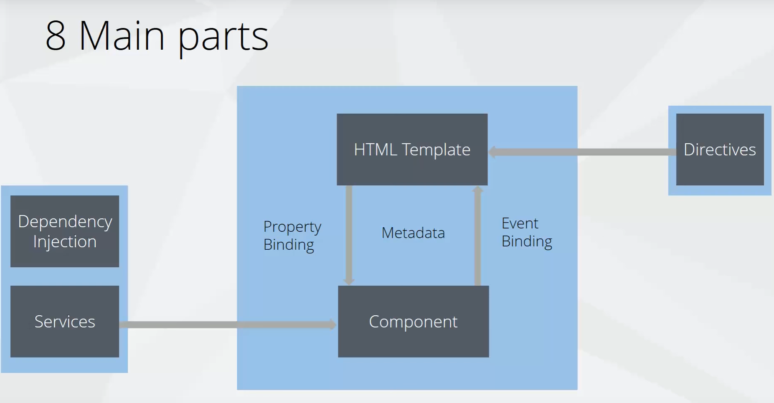
TOC | angular2_in_15min_YouTube

