RelevantCodes
 |  | Bits
Decimal | Hex | 7 | 6 | 5 | 4 | 3 | 2 | 1 | 0 |  | 7 | 6 | 5 | 4 | 3 | 2 | 1 | 0
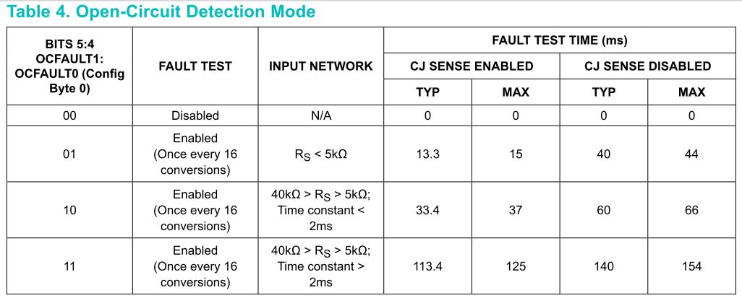
CR0 Register
0 | 0x00 | 0 | 0 | 0 | 0 | 0 | 0 | 0 | 0 |  | CMODE | 1SHOT | OCFAULT1 | OCFAULT0 | CJ | FAULT | FAULTCLR | 50/60Hz | OC fault disabled
16 | 0x10 | 0 | 0 | 0 | 1 | 0 | 0 | 0 | 0 | CR0 Register | CMODE | 1SHOT | OCFAULT1 | OCFAULT0 | CJ | FAULT | FAULTCLR | 50/60Hz | OC fault enabled A
32 | 0x20 | 0 | 0 | 1 | 0 | 0 | 0 | 0 | 0 | CR0 Register | CMODE | 1SHOT | OCFAULT1 | OCFAULT0 | CJ | FAULT | FAULTCLR | 50/60Hz | OC fault enabled B
48 | 0X30 | 0 | 0 | 1 | 1 | 0 | 0 | 0 | 0 | CR0 Register | CMODE | 1SHOT | OCFAULT1 | OCFAULT0 | CJ | FAULT | FAULTCLR | 50/60Hz | OC fault enabled C
80 | 0x50 | 0 | 1 | 0 | 1 | 0 | 0 | 0 | 0 | CR0 Register | CMODE | 1SHOT | OCFAULT1 | OCFAULT0 | CJ | FAULT | FAULTCLR | 50/60Hz
96 | 0x60 | 0 | 1 | 1 | 0 | 0 | 0 | 0 | 0 | CR0 Register | CMODE | 1SHOT | OCFAULT1 | OCFAULT0 | CJ | FAULT | FAULTCLR | 50/60Hz
112 | 0X70 | 0 | 1 | 1 | 1 | 0 | 0 | 0 | 0 | CR0 Register | CMODE | 1SHOT | OCFAULT1 | OCFAULT0 | CJ | FAULT | FAULTCLR | 50/60Hz
 |  |  |  |  |  |  |  |  |  | CR0 Register
 |  |  |  |  |  |  |  |  |  | CR0 Register

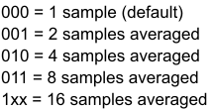
CR1 Register
3 | 0x03 | 0 | 0 | 0 | 0 | 0 | 0 | 1 | 1 | CR1 Register | Reserved | AVGSEL2 | AVGSEL1 | AVGSEL0 | TCTYPE3 | TCTYPE2 | TCTYPE1 | TCTYPE0 | 1 sample averaging, K type TC
19 | 0x13 | 0 | 0 | 0 | 1 | 0 | 0 | 1 | 1 | CR1 Register | Reserved | AVGSEL2 | AVGSEL1 | AVGSEL0 | TCTYPE3 | TCTYPE2 | TCTYPE1 | TCTYPE0 | 2 sample averaging, K type TC
35 | 0x23 | 0 | 0 | 1 | 0 | 0 | 0 | 1 | 1 | CR1 Register | Reserved | AVGSEL2 | AVGSEL1 | AVGSEL0 | TCTYPE3 | TCTYPE2 | TCTYPE1 | TCTYPE0 | 4 sample averaging, K type TC
51 | 0x33 | 0 | 0 | 1 | 1 | 0 | 0 | 1 | 1 | CR1 Register | Reserved | AVGSEL2 | AVGSEL1 | AVGSEL0 | TCTYPE3 | TCTYPE2 | TCTYPE1 | TCTYPE0 | 8 sample averaging, K type TC
115 | 0x73 | 0 | 1 | 1 | 1 | 0 | 0 | 1 | 1 | CR1 Register | Reserved | AVGSEL2 | AVGSEL1 | AVGSEL0 | TCTYPE3 | TCTYPE2 | TCTYPE1 | TCTYPE0 | 16 sample averaging, K type TC

AdafruitOneShot
80 | 0x50 | 0 | 1 | 0 | 1 | 0 | 0 | 0 | 0 | CR0 Register | CMODE | 1SHOT | OCFAULT1 | OCFAULT0 | CJ | FAULT | FAULTCLR | 50/60Hz

80 |  | 0 | 1 | 0 | 1 | 0 | 0 | 0 | 0 | CR0 Register | CMODE | 1SHOT | OCFAULT1 | OCFAULT0 | CJ | FAULT | FAULTCLR | 50/60Hz

0 |  | 0 | 0 | 0 | 0 | 0 | 0 | 0 | 0 | CJTO Register | CJTO7 | CJTO6 | CJTO5 | CJTO4 | CJTO3 | CJTO2 | CJTO1 | CJTO0

80 |  | 0 | 1 | 0 | 1 | 0 | 0 | 0 | 0 | CR0 Register | CMODE | 1SHOT | OCFAULT1 | OCFAULT0 | CJ | FAULT | FAULTCLR | 50/60Hz

0 |  | 0 | 0 | 0 | 0 | 0 | 0 | 0 | 0 | CJTO Register | CJTO7 | CJTO6 | CJTO5 | CJTO4 | CJTO3 | CJTO2 | CJTO1 | CJTO0

SPI_OneShot
8 |  | 0 | 0 | 0 | 0 | 1 | 0 | 0 | 0 | CR0 Register | CMODE | 1SHOT | OCFAULT1 | OCFAULT0 | CJ | FAULT | FAULTCLR | 50/60Hz

164 |  | 1 | 0 | 1 | 0 | 0 | 1 | 0 | 0 | CR0 Register | CMODE | 1SHOT | OCFAULT1 | OCFAULT0 | CJ | FAULT | FAULTCLR | 50/60Hz

164 |  | 1 | 0 | 1 | 0 | 0 | 1 | 0 | 0 | CR0 Register | CMODE | 1SHOT | OCFAULT1 | OCFAULT0 | CJ | FAULT | FAULTCLR | 50/60Hz

128 |  | 1 | 0 | 0 | 0 | 0 | 0 | 0 | 0 | CJTO Register | CJTO7 | CJTO6 | CJTO5 | CJTO4 | CJTO3 | CJTO2 | CJTO1 | CJTO0

0 |  | 0 | 0 | 0 | 0 | 0 | 0 | 0 | 0 | CJTO Register | CJTO7 | CJTO6 | CJTO5 | CJTO4 | CJTO3 | CJTO2 | CJTO1 | CJTO0

80 |  | 0 | 1 | 0 | 1 | 0 | 0 | 0 | 0 | CR0 Register | CMODE | 1SHOT | OCFAULT1 | OCFAULT0 | CJ | FAULT | FAULTCLR | 50/60Hz
0 |  | 0 | 0 | 0 | 0 | 0 | 0 | 0 | 0 | CJTO Register | CJTO7 | CJTO6 | CJTO5 | CJTO4 | CJTO3 | CJTO2 | CJTO1 | CJTO0

MISC VALUES
110 |  | 0 | 1 | 1 | 0 | 1 | 1 | 1 | 0 | CR0 Register | CMODE | 1SHOT | OCFAULT1 | OCFAULT0 | CJ | FAULT | FAULTCLR | 50/60Hz
109 |  | 0 | 1 | 1 | 0 | 1 | 1 | 0 | 1 | CR0 Register | CMODE | 1SHOT | OCFAULT1 | OCFAULT0 | CJ | FAULT | FAULTCLR | 50/60Hz
64 |  | 0 | 1 | 0 | 0 | 0 | 0 | 0 | 0 | CR0 Register | CMODE | 1SHOT | OCFAULT1 | OCFAULT0 | CJ | FAULT | FAULTCLR | 50/60Hz
16 | 0x10 | 0 | 0 | 0 | 1 | 0 | 0 | 0 | 0 | CR0 Register | CMODE | 1SHOT | OCFAULT1 | OCFAULT0 | CJ | FAULT | FAULTCLR | 50/60Hz
104 |  | 0 | 1 | 1 | 0 | 1 | 0 | 0 | 0 | CR0 Register | CMODE | 1SHOT | OCFAULT1 | OCFAULT0 | CJ | FAULT | FAULTCLR | 50/60Hz
111 |  | 0 | 1 | 1 | 0 | 1 | 1 | 1 | 1 | CR0 Register | CMODE | 1SHOT | OCFAULT1 | OCFAULT0 | CJ | FAULT | FAULTCLR | 50/60Hz
128 | 0x80 | 1 | 0 | 0 | 0 | 0 | 0 | 0 | 0 | CR0 Register | CMODE | 1SHOT | OCFAULT1 | OCFAULT0 | CJ | FAULT | FAULTCLR | 50/60Hz | MAX31856_CR0_AUTOCONVERT
64 | 0x40 | 0 | 1 | 0 | 0 | 0 | 0 | 0 | 0 | CR0 Register | CMODE | 1SHOT | OCFAULT1 | OCFAULT0 | CJ | FAULT | FAULTCLR | 50/60Hz | MAX31856_CR0_1SHOT
40 | 0x28 | 0 | 1 | 0 | 1 | 0 | 0 | 0 | 0 | CR0 Register | CMODE | 1SHOT | OCFAULT1 | OCFAULT0 | CJ | FAULT | FAULTCLR | 50/60Hz

MAX31856_CR0_OCFAULT0
16 | 0x10 | 0 | 0 | 0 | 1 | 0 | 0 | 0 | 0 | CR0 Register | CMODE | 1SHOT | OCFAULT1 | OCFAULT0 | CJ | FAULT | FAULTCLR | 50/60Hz | AdafruitOneShot.ino has this value at end of loop

MAX31856_TCTYPE_K
3 |  | 0 | 0 | 0 | 0 | 0 | 0 | 1 | 1

113 |  | 0 | 1 | 1 | 1 | 0 | 0 | 0 | 1
115 |  | 0 | 1 | 1 | 1 | 0 | 0 | 1 | 1

185 |  | 1 | 0 | 1 | 1 | 1 | 0 | 0 | 1

