Sheet1
USED Device |  | Date & Slot |  | FINAL GRADE
Collection Address |  |  |  |  |  | Capacity | #VALUE! | #VALUE! | #VALUE!
 |  |  |  |  |  | Colour | #VALUE! | #VALUE! | #VALUE!
Section 1: Receipt Details |  | Order ID |  |  |  | iCloud | #VALUE! | #VALUE! | #VALUE!
Name |  | Phone Model [ ] |  |  |  | Screen (Front) Glass | #VALUE! | #VALUE! | #VALUE!
Mobile No. |  |  |  |  |  | LCD | #VALUE! | #VALUE! | #VALUE!
IC Type & No. |  | Initial offer price |  |  |  | Housing | #VALUE! | #VALUE! | #VALUE!
Nationality |  |  |  |  |  | Back Glass Panel | N/A | N/A | N/A
Date of Birth |  | Coupon Applied |  |  |  | Rear Camera | N/A | #VALUE! | N/A
Residential Address (as above [ ]) |  | Match / Revised / Reject |  |  |  | Charger | N/A | N/A | Available
 |  |  |  |  |  | Charging cable | N/A | N/A | Available
Section 2: Device Check |  | Discrepency |  | Self-Apprasial | Deduction | Earphone | N/A | N/A | Available
Specification |  |  |  |  |  | Headphone Jack Adapter | N/A | N/A | Available
IMEI: _________________________________________________________________ |  | SPEX: _________________ |  |  |  | Box | N/A | N/A | Available
Capacity [ ] 64GB / [ ] 128GB / [ ] 256GB / [ ] Other: ______GB |  |  |  | #VALUE! | [ ] | USB C Converter | N/A | N/A | Available
Colour [ ] Black / [ ] Silver / [ ] Gold / [ ] Other:_________________ |  |  |  | #VALUE! | [ ]
iCloud / Gmail accounts - JB / Root - SIM lock [ ] Pass / [ ] Fail |  |  |  | #VALUE! | [ ]
Condition
Screen glass [ ] Flawless / [ ] Fine scratches / [ ] Scratchees, crack |  |  |  | #VALUE! | [ ]
LCD display [ ] Perfect / [ ] Minor / [ ] Major / [ ] Unable to display |  |  |  | #VALUE! | [ ]
LCD issue description |  |  |  |  | [ ]
Digitizer (touchscreen) [ ] Working / [ ] Not working |  |  |  |  | [ ]
Housing [ ] Flawless / [ ] Fine scratches / [ ] Scratchees, dent / [ ] Bent |  |  |  | #VALUE! | [ ]
Back glass panel [ ] Flawless / [ ] Fine scratches / [ ] Scratchees, crack |  |  |  | N/A | [ ]
Functional Check |  | Passed | Failed
Water damaged |  | [ ] | [ ] |  | [ ]
Switch on |  | [ ] | [ ] |  | [ ]
Battery |  | [ ] | [ ] |  | [ ]
[ ] Cable charging [ ] Wireless charging |  | [ ] | [ ] |  | [ ]
Front camera |  | [ ] | [ ] |  | [ ]
Back camera ([ ] Perfect / [ ] Minor / [ ] Major) [ ] Flash [ ] Auto-focus |  | [ ] | [ ] | N/A | [ ]
Home button |  | [ ] | [ ] |  | [ ]
Fingerprint / Touch ID |  | [ ] | [ ] |  | [ ]
[ ] Volume button [ ] Mute button [ ] Vibration |  | [ ] | [ ] |  | [ ]
Power button |  | [ ] | [ ] |  | [ ]
Audio ([ ] Heading speaker [ ] Loud speaker [ ] Earphone jack) |  | [ ] | [ ] |  | [ ]
[ ] Face ID / [ ] IRIS |  | [ ] | [ ] |  | [ ]
Network ([ ] GSM [ ] Wifi [ ] Bluetooth [ ] GPS [ ] NFC) |  | [ ] | [ ] |  | [ ]
Sensors ([ ] Gyro [ ] Compass [ ] Proximity [ ] Heart rate) |  | [ ] | [ ] |  | [ ]
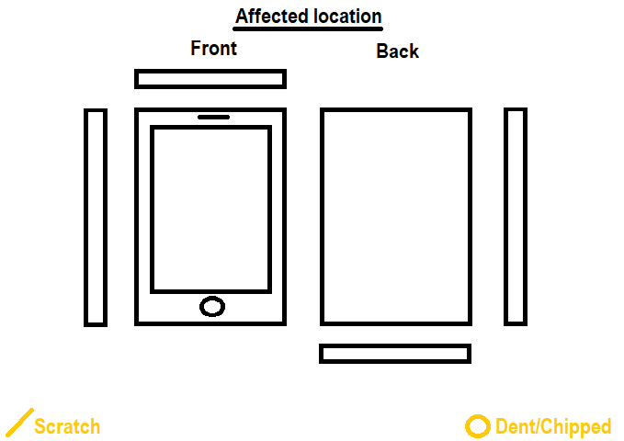
Accessories |  | Available | Missing
 | Charger | [ ] | [ ] | Available | [ ]
 | Cable | [ ] | [ ] | Available | [ ]
 | Earphone | [ ] | [ ] | Available | [ ]
 | Audio Adaptor | [ ] | [ ] | Available | [ ]
 | Box | [ ] | [ ] | Available | [ ]
 | Stylus | [ ] | [ ] |  | [ ]
 |  | [ ] SIM card removed
Evaluation Price:
Checked by:
Signature:

