Sources
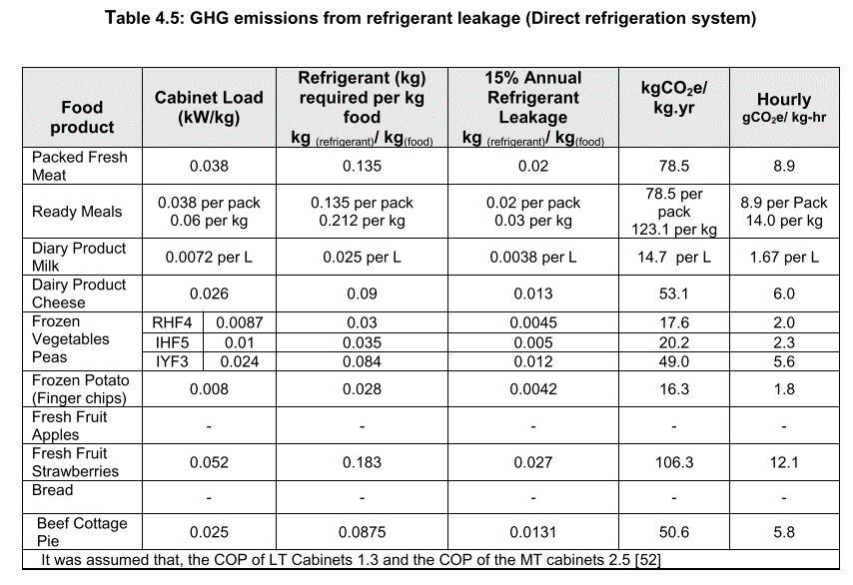
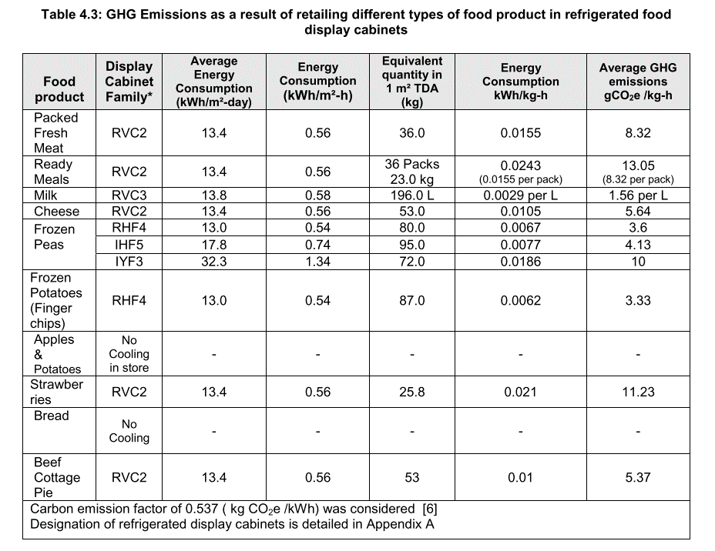
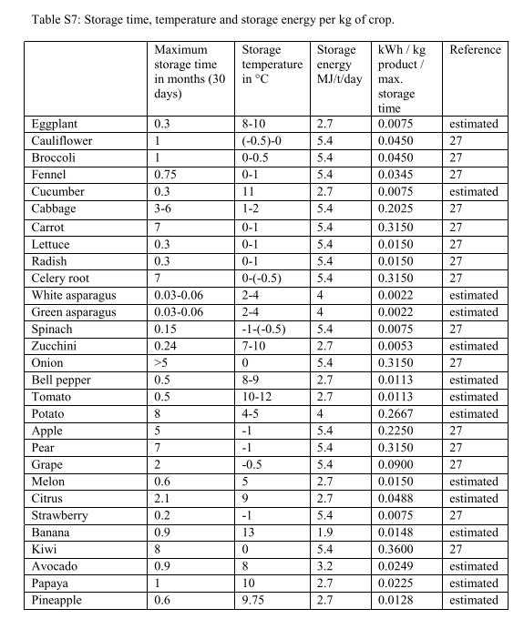
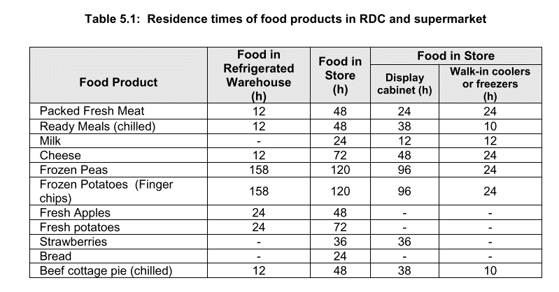
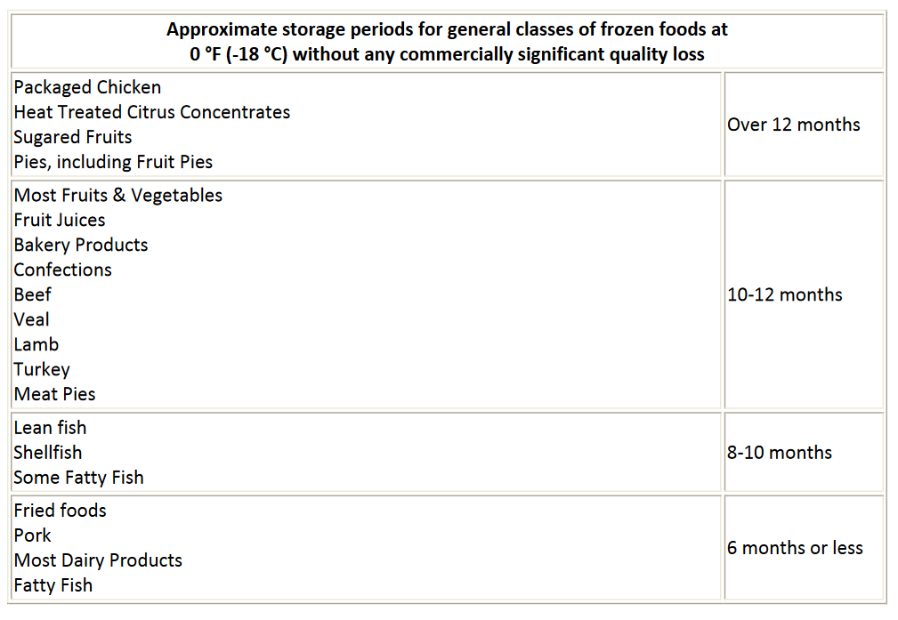
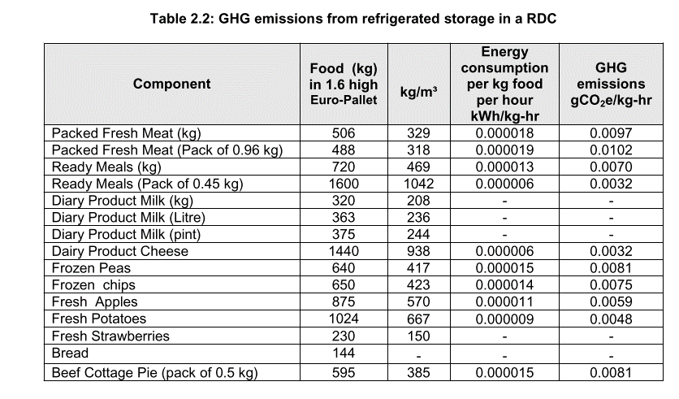
freshfoodstoragetime | * Life cycle inventory and carbon and water foodprint of fruits and vegetables: Application to a swiss retailer (Stoessel)
processedfoodresidencetime | * Greenhouse Gas Impacts of Food Retailing (Mendeley)
displaycaseenergyuse | * Greenhouse Gas Impacts of Food Retailing (Mendeley)
GHGleakage | * Greenhouse Gas Impacts of Food Retailing (Mendeley)
 | from direct refrigeration systems only, indirect don't leak nearly as much
longtermstoragetimes | * FrozenFoodsHandling (Mendeley)
refridgeratedstorage | * Greenhouse Gas Impacts of Food Retailing (Mendeley)

