density_manual
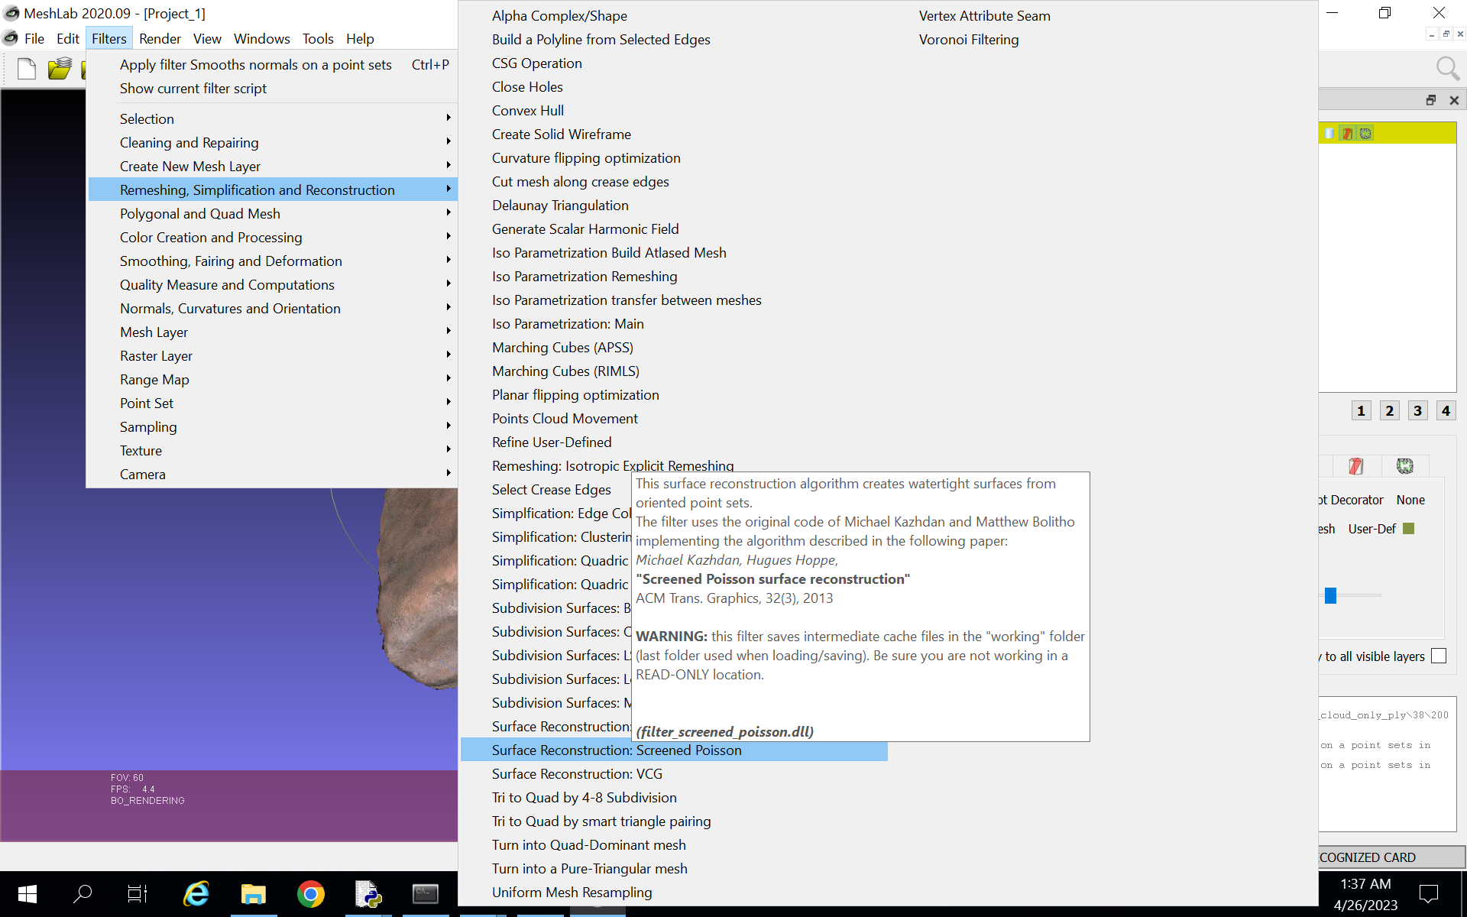
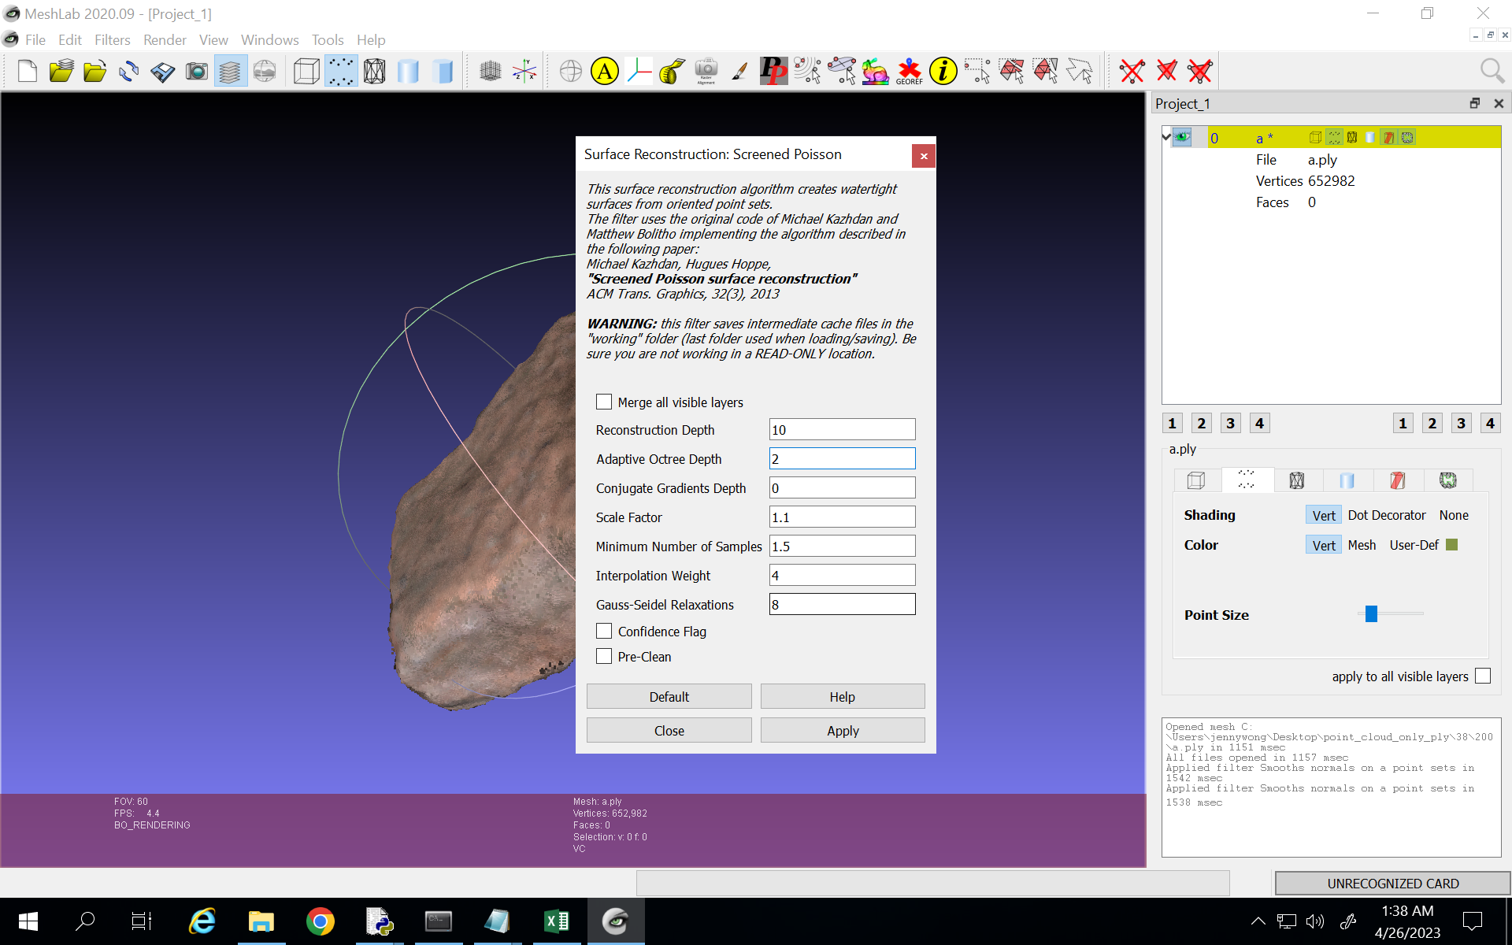
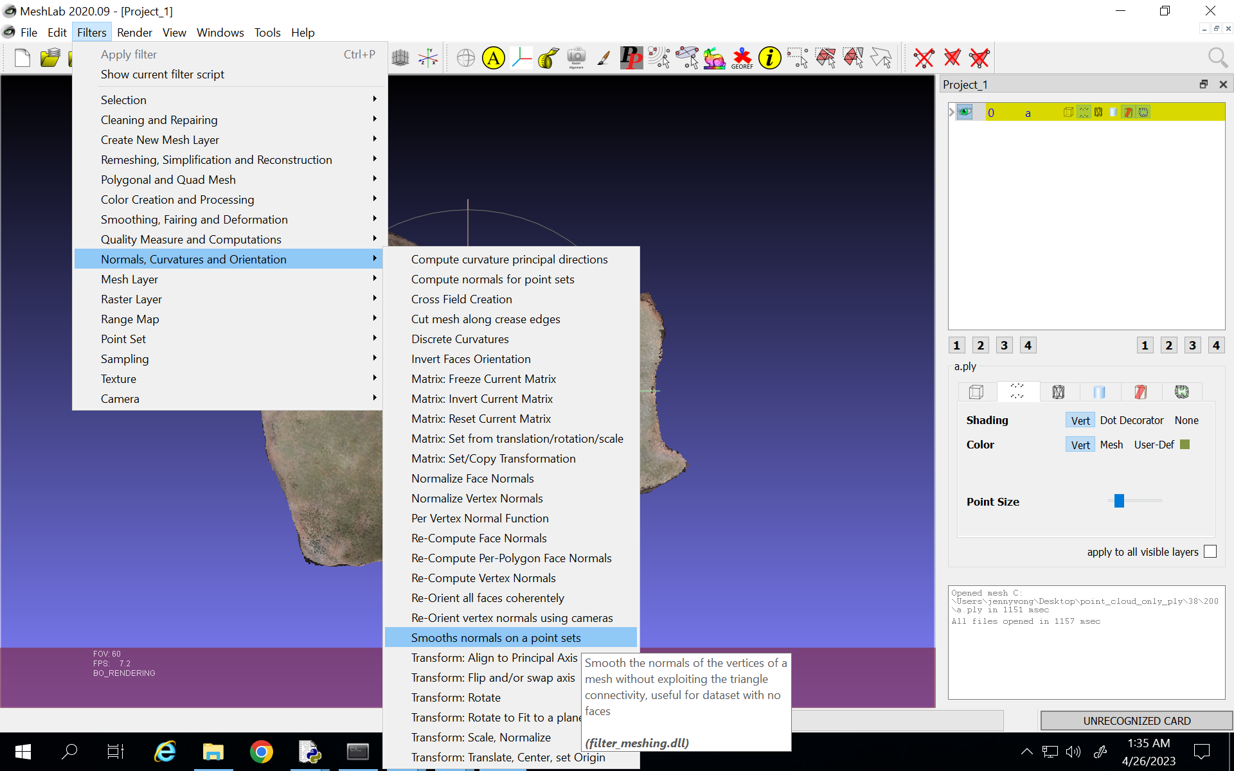
handle a.ply files with no surfaces manually
num1 | num2 | weight | volume | density(g/mm^3) | density(g/cm^3)
38 | 200 | 28.16 | 17023.554773 | 0.0016541785999 | 1.6541785999
38 | 207 | 55.09 | 33132.812328 | 0.0016627022015 | 1.6627022015
41 | 557 | 28.64 | 14790.827831 | 0.0019363351618 | 1.9363351618
42 | 1288 | 3.01 | 3651.8969286 | 0.00082422917702 | 0.82422917702
128 | 55 | 113.21 | 133867.43214 | 0.00084568739527 | 0.84568739527
128 | 75 | 0.16 | 82.832938402 | 0.0019315987467 | 1.9315987467

a.xslx with invalid weight
num1 | num2 | weight | volume
41 | 76 | 0 | 10420.15353
42 | 90 | N/A | 7566.8189525
42 | 224 | N/A
43 | 8

Index | Time | Weight | Unit
2 | 6/9/2022 4:21:48 AM | 0.00 | g
3 | 6/9/2022 4:21:51 AM | 8.40 | g

