IN USE
Supporting_Information Table_S2. Assessment protocol for five traits scored in European trials of common ash.

Spring bud burst
Average score of the tree
0 | Winter stage, dormant buds
1 | Buds swollen, black and/or green bud scales enclose leaves completely
2 | Buds are bursting, leaves (just) visible
3 | Leaves very small, just escaped the bud
4 | Leaves open and glossy, shoot starting to stretch
5 | Leaves stretched markedly , still glossy
6 | Leaves full size, still "spring fresh" not completely hardened
7 | Mature, all leaves are dim and hardened

Ash dieback crown damage
For trees more than 10 years old |  |  | For trees up to 10 years old
Crown Dieback proportion for trees with a true crown |  |  | Crown Dieback proportion for seedlings and young trees
0 | No Symptoms |  | 0 | No Symptoms
a | < 10 % damage |  | 1 | < 10 % damage, marginal damage on stem and crown.
b | 10 – 25 % |  | 2 | < 50 % damage. Presence of dead parts in the crown and discolored necrotic parts on stem.
c | 25 – 50 %
d | 50 – 75 % |  | 3 | > 50 % damage. Prominent to highly dominant presence of damage on shoots, branches and stem, including larger necrotic areas on stem and branches
e | 75 – 99 %
f | 99- 99,99 % - Crown dead, epicormic shoots on the trunk.
4 | 100 % – Dead |  | 4 | Dead

0
1
2
3
4
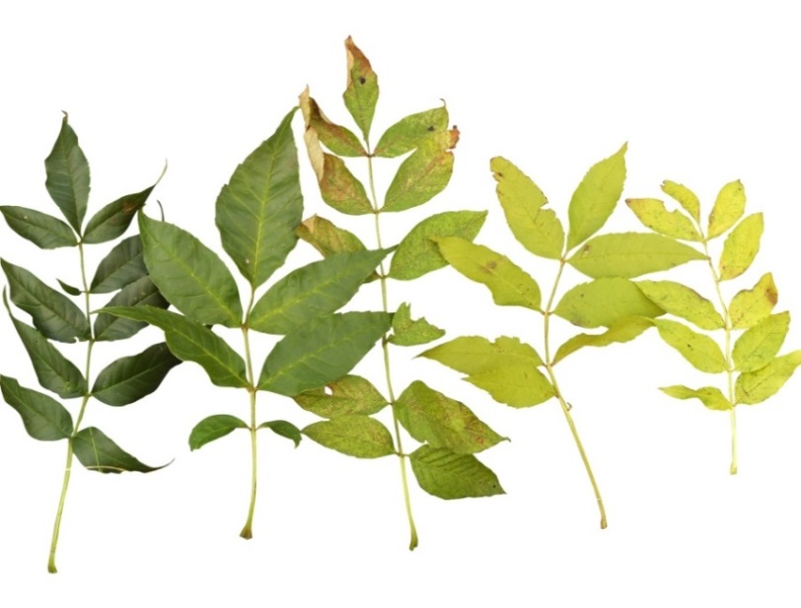
Autumn yellowing (average performance of the tree)

0 | Dark green
1 | Dark green with yellowing leaf nerves
2 | Green with yellow spots on leaflets
3 | Yellowing leaflets
4 | Completely yellow leaves

Autumn leaf loss
Percentage of the foliage that has been shed
0 | No leaf shed detected
1 | 0-10 % | <10 %
2 | 11-20 % | <20 %
3 | 21-30% | <30%
4 | 31-40% | <40%
5 | 41-50% | <50%
6 | 51-60% | <60%
7 | 61-70% | <70%
8 | 71-80% | <80%
9 | 81-90% | <90%
10 | 91-99 % | <99 %
(11 | No leafs left)

Autumn status |  | (how far into the dormancy stage is the tree on a scale from 0-10)
Reflects the overall autumn senescence stage of the tree based on the remaining leaves in the crown
Symptoms of senescence of foliage are: summer green colour becomes lighter, yellowing, brownish, withering (typically from the rim towards the middle) and crusted, dried out or hanging leaves.
Thus, the score is gradual and shows average tree senescence level (full dormancy = 100%)
Average performance meaning that a tree showing prominent symptoms in a small part of the crown may score the same as a tree showing milder symptoms but in a larger part of the crown
0 | All remaining leaves still summer green
1 | Remaining crown shows 1-10% dormancy
2 | Remaining crown shows 11-20% dormancy
3 | Remaining crown shows 21-30% dormancy
4 | Remaining crown shows 31-40% dormancy
5 | Remaining crown shows 41-50% dormancy
6 | Remaining crown shows 51-60% dormancy
7 | Remaining crown shows 61-70% dormancy
8 | Remaining crown shows 71-80% dormancy
9 | Remaining crown shows 81-90% dormancy
10 | Remaining crown shows 91-99% dormancy (highly pronounced senescence symptoms - almost dormant)
(11 | Complete senescence -All remaining leaves dead - 100% dormancy)

