MAT1
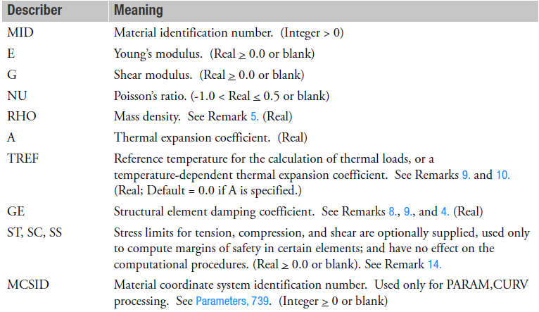
Write (X) | 1 | 2 | 3 | 4 | 5 | 6 | 7 | 8 | 9 | 10

Card Format | MAT1 | MID | E | G | NU | RHO | A | TREF | GE
 |  | ST | SC | SS | MCSID |  |  |  |  |  | Description | Material | Specification | Stock | Reference
X | MAT1 | 100 | 1.00E+07 | 4.00E+06 | 0.33 |  |  | 70 |  |  | AL 7075-T73511, AMS-QQ250 0.125-0.250 | AL | 7075-T73511, AMS-QQ250 | 0.125-0.250 | MMPDS-13
 |  | 6.50E+04 | 4.50E+04 | 4.40E+04 | 3.00E+00
X | MAT1 | 300 | 1.60E+07 | 7.00E+06 | 0.31 |  |  | 70 |  |  | TI 6AL-4V, AMS4930 0.000-0.250" | TI | 6AL-4V, AMS4930 | 0.000-0.250" |  | Instructions:
 |  | 1.00E+05 | 6.00E+04 | 6.00E+04 |  |  |  |  |  |  |  |  |  |  |  | Only use this worksheet for NASTRAN MAT1 style card format for Isotropic materials
X | MAT1 | 400 | 1.60E+07 | 7.00E+06 | 0.31 |  |  | 70 |  |  |  |  |  |  |  | Select which MAT Cards to output by placing an "X" (case doesn't matter) in column A next to the "MATX" in column B
X | MAT1 | 500 | 1.60E+07 | 7.00E+06 | 0.31 |  |  | 70 |  |  |  |  |  |  |  | Fill in properties, as needed, according to the card format provided in rows 3-4 (ref the QRG if needed)
X | MAT1 | 800 | 1.60E+07 | 7.00E+06 | 0.31 |  |  | 70 |  |  |  |  |  |  |  | The Description value in Column L is used by hypermesh to assign material name. Suggest making this as descriptive as needed.
 |  | 1.00E+05 | 6.00E+04 | 6.00E+04 |  |  |  |  |  |  |  |  |  |  |  | Press the macro button
 |  |  |  |  |  |  |  |  |  |  |  |  |  |  |  | Macro will output a .bdf file to the default working directory (Message box will show location at completion)
 |  |  |  |  |  |  |  |  |  |  |  |  |  |  |  | The output data is also printed to the Output worksheet and can be copy/pasted if needed.

MAT2
Write (X) | 1 | 2 | 3 | 4 | 5 | 6 | 7 | 8 | 9 | 10
Card Format | MAT2 | MID | G11 | G12 | G13 | G22 | G23 | G33 | RHO
 | A1 | A2 | A3 | TREF | GE | ST | SC | SS
 | MCSID | GE11 | GE12 | GE13 | GE22 | GE23 | GE33 |  |  |  | Description | Material | Specification | Stock | Reference
X | MAT2 | 1000 | 1.00E+06 | 2.00E+06 | 3.00E+06 | 4.00E+06 | 5.00E+06 | 7.00E+06 |  |  | AL 7075-T73511 AMS-QQ250 0.125-0.250 | AL | 7075-T73511 AMS-QQ250 | 0.125-0.250 | MMPDS-13
 | 8.00E+06 | 9.00E+06 | 1.00E+07 | 70.0 | 1.20E+07 | 1.30E+07 | 1.40E+07 | 1.50E+07
 | 1000 | 2000 | 3000 | 4000 | 5000 | 6000 | 7000 |  |  |  |  |  |  |  |  | Instructions:
X | MAT2 | 3000 | 2.00E+06 | 9.50E+06 | 1.00E+05 | 1.05E+07 | 9.50E+06 | 1.00E+05 |  |  | TI 6AL-4V, AMS4930 0.000-0.250" | TI | 6AL-4V, AMS4930 | 0.000-0.250" |  | Only use this worksheet for NASTRAN MAT2 style card format for Isotropic materials
 |  |  |  | 70.0 |  | 6.50E+04 | 5.50E+04 | 4.50E+04 |  |  |  |  |  |  |  | Select which MAT Cards to output by placing an "X" (case doesn't matter) in column A next to the "MATX" in column B
X | MAT2 | 4000 | 3.00E+06 | 9.50E+06 | 1.00E+05 | 1.05E+07 | 9.50E+06 | 1.00E+05 |  |  |  |  |  |  | yadda | Fill in properties, as needed, according to the card format provided in rows 2-4 (ref the QRG if needed)
X | MAT2 | 5000 | 4.00E+06 | 9.50E+06 | 1.00E+05 | 1.05E+07 | 9.50E+06 | 1.00E+05 |  |  |  |  |  |  | yadda | The Description value in Column L is used by hypermesh to assign material name. Suggest making this as descriptive as needed.
 |  |  |  | 70.0 |  | 6.50E+04 | 5.50E+04 | 4.50E+04 |  |  |  |  |  |  |  | Press the macro button
X | MAT2 | 6000 | 5.00E+06 | 8.80E+06 | 1.00E+03 | 1.50E+07 | 1.50E+07 | 1.50E+06 |  |  |  |  |  |  | yadda | Macro will output a .bdf file to the default working directory (Message box will show location at completion)
 | MAT2 | 7000 | 6.00E+06 | 9.50E+06 | 1.00E+05 | 1.05E+07 | 9.50E+06 | 1.00E+05 |  |  |  |  |  |  | yadda | The output data is also printed to the Output worksheet and can be copy/pasted if needed.
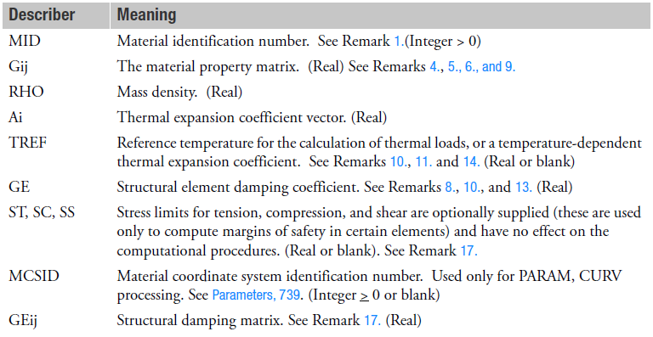
X | MAT2 | 8000 | 7.00E+06 | 9.50E+06 | 1.00E+05 | 1.05E+07 | 9.50E+06 | 1.00E+05 |  |  |  |  |  |  | yadda
 | 100 | 1.00E+03 | 8.00E+06 | 70.0 | 5.00E+01 | 6.50E+04 | 5.50E+04 | 4.50E+04
 | 0 | 5 | 5 | 5 | 6 | 6 | 6

MAT8
Write (X) | 1 | 2 | 3 | 4 | 5 | 6 | 7 | 8 | 9 | 10
Card Format | MAT8 | MID | E1 | E2 | NU12 | G12 | G1Z | G2Z | RHO
 | A1 | A2 | TREF | Xt | Xc | Yx | Yc | S
 | GE | F12 | STRN |  |  |  |  |  |  |  | Description | Material | Specification | Stock | Reference
X | MAT8 | 3000 | 8.50E+06 | 8.50E+06 | 1.00E-01 | 3.60E+06 | 1.00E+04 | 1.00E+04 | 0.058 |  | AL 7075-T73511 AMS-QQ250 0.125-0.250 | AL | 7075-T73511 AMS-QQ250 | 0.125-0.250 | MMPDS-13
 | 1.00E-06 | 1.00E-06 | 7.00E+01 | 5.00E-03 | 5.00E-03 | 5.00E-03 | 5.00E-03 | 4.00E-03
 |  | 1.5 | 5.00E-03 |  |  |  |  |  |  |  |  |  |  |  |  | Instructions:
X | MAT8 | 3100 | 8.50E+06 | 8.50E+06 | 1.00E-01 | 3.60E+06 | 1.00E+04 | 1.00E+04 | 0.058 |  | TI 6AL-4V, AMS4930 0.000-0.250" | TI | 6AL-4V, AMS4930 | 0.000-0.250" |  | Only use this worksheet for NASTRAN MAT8 style card format for Isotropic materials
 | 1.00E-06 | 1.00E-06 | 7.00E+01 | 5.00E-03 | 5.00E-03 | 5.00E-03 | 5.00E-03 | 4.00E-03 |  |  |  |  |  |  |  | Select which MAT Cards to output by placing an "X" (case doesn't matter) in column A next to the "MATX" in column B
 |  | 1.5 | 5.00E-03 |  |  |  |  |  |  |  |  |  |  |  |  | Fill in properties, as needed, according to the card format provided in rows 2-4 (ref the QRG if needed)
X | MAT8 | 3200 | 8.50E+06 | 8.50E+06 | 1.00E-01 | 3.60E+06 | 1.00E+04 | 1.00E+04 | 0.058 |  |  |  |  |  | yadda | The Description value in Column L is used by hypermesh to assign material name. Suggest making this as descriptive as needed.
 | 1.00E-06 | 1.00E-06 | 7.00E+01 | 5.00E-03 | 5.00E-03 | 5.00E-03 | 5.00E-03 | 4.00E-03 |  |  |  |  |  |  |  | Press the macro button
 |  | 1.5 | 5.00E-03 |  |  |  |  |  |  |  |  |  |  |  |  | Macro will output a .bdf file to the default working directory (Message box will show location at completion)
X | MAT8 | 3300 | 8.50E+06 | 8.50E+06 | 1.00E-01 | 3.60E+06 | 1.00E+04 | 1.00E+04 | 0.058 |  |  |  |  |  | yadda | The output data is also printed to the Output worksheet and can be copy/pasted if needed.
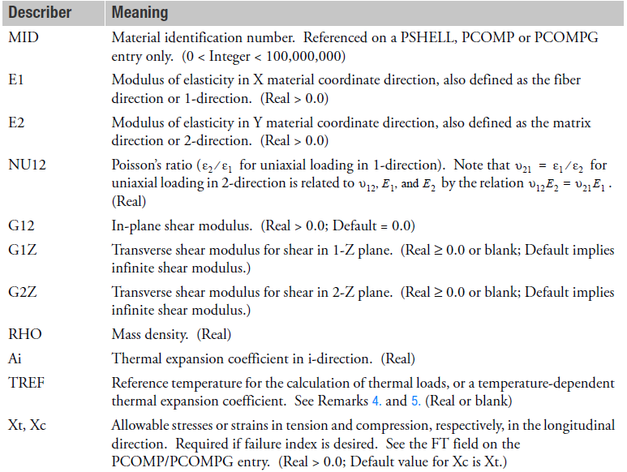
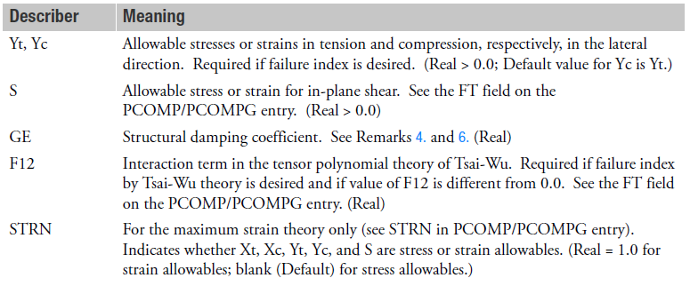
 | 1.00E-06 | 1.00E-06 | 7.00E+01 | 5.00E-03 | 5.00E-03 | 5.00E-03 | 5.00E-03 | 4.00E-03
 |  | 1.5 | 5.00E-03

