Sheet1
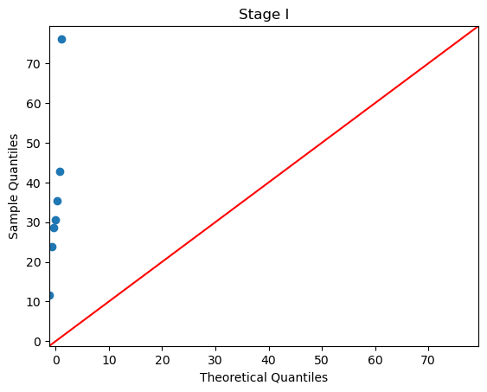
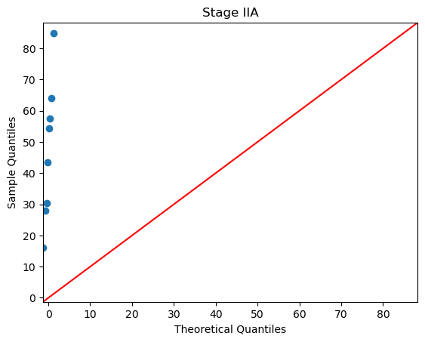
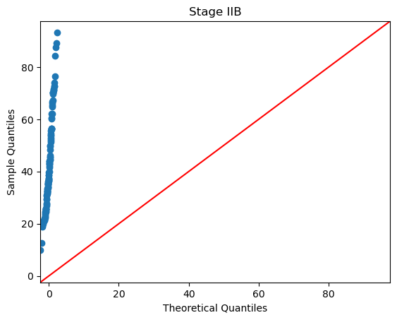
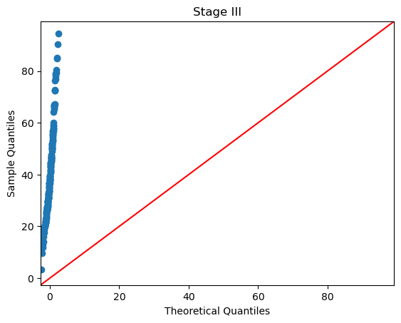
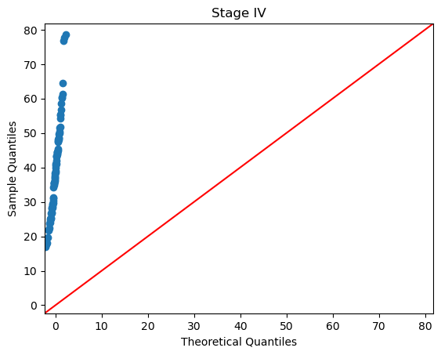
Figures S2. Q-Q plots for each of the cancer stages. Plotted values are the MATH scores of the samples in the stage. Red line is the 45 degree line.
Normally distributed values will fall on the line.

